Sheet1
 | Sum of NA_Sales | Sum of EU_Sales | Sum of JP_Sales | Sum of Other_Sales
Action | 877.83 | 525 | 159.95 | 187.38
Adventure | 105.8 | 64.13 | 52.07 | 16.81
Fighting | 223.59 | 101.32 | 87.35 | 36.68
Misc | 410.24 | 215.98 | 107.76 | 75.32
Platform | 447.05 | 201.63 | 130.77 | 51.59
Puzzle | 123.78 | 50.78 | 57.31 | 12.55
Racing | 359.42 | 238.39 | 56.69 | 77.27
Role-Playing | 327.28 | 188.06 | 352.31 | 59.61
Shooter | 582.6 | 313.27 | 38.28 | 102.69
Simulation | 183.31 | 113.38 | 63.7 | 31.52
Sports | 683.35 | 376.85 | 135.37 | 134.97
Strategy | 68.7 | 45.34 | 49.46 | 11.36
(blank)
Row Labels | Sum of NA_Sales | Sum of EU_Sales | Sum of JP_Sales | Sum of Other_Sales
Action | 877.83 | 525 | 159.95 | 187.38
Adventure | 105.8 | 64.13 | 52.07 | 16.81
Fighting | 223.59 | 101.32 | 87.35 | 36.68
Misc | 410.24 | 215.98 | 107.76 | 75.32
Platform | 447.05 | 201.63 | 130.77 | 51.59
Puzzle | 123.78 | 50.78 | 57.31 | 12.55
Racing | 359.42 | 238.39 | 56.69 | 77.27
Role-Playing | 327.28 | 188.06 | 352.31 | 59.61
Shooter | 582.6 | 313.27 | 38.28 | 102.69
Simulation | 183.31 | 113.38 | 63.7 | 31.52
Sports | 683.35 | 376.85 | 135.37 | 134.97
Strategy | 68.7 | 45.34 | 49.46 | 11.36
(blank)
Grand Total | 4392.95 | 2434.13 | 1291.02 | 797.75

vgsales
Rank | Name | Platform | Year | Genre | Publisher | NA_Sales | EU_Sales | JP_Sales | Other_Sales | Global_Sales
259 | Asteroids | 2600 | 1980 | Shooter | Atari | 4 | 0.26 | 0 | 0.05 | 4.31
545 | Missile Command | 2600 | 1980 | Shooter | Atari | 2.56 | 0.17 | 0 | 0.03 | 2.76
608 | Space Invaders | 2600 | N/A | Shooter | Atari | 2.36 | 0.14 | 0 | 0.03 | 2.53
768 | Demon Attack | 2600 | 1981 | Shooter | Imagic | 1.99 | 0.12 | 0 | 0.02 | 2.13
1155 | River Raid | 2600 | 1981 | Shooter | Activision | 1.49 | 0.09 | 0 | 0.02 | 1.6
Shooter Games: NA Sales vs Global Sales
 | Global_Sales
4 | 4.31
2.56 | 2.76
2.36 | 2.53
1.99 | 2.13
1.49 | 1.6
1.26 | 1.36
1.18 | 1.27
1.05 | 1.12
1.03 | 1.1
0.99 | 1.05
0.91 | 0.98
0.73 | 0.78
0.72 | 0.77
0.68 | 0.73
0.58 | 0.62
0.47 | 0.51
0.47 | 0.5
0.45 | 0.48
0.42 | 0.45
0.35 | 0.37
0.32 | 0.34
0.24 | 0.26
0.22 | 0.24
0.21 | 0.22
0.48 | 0.94
0.08 | 0.08
0 | 0.07
0.04 | 0.07
0 | 0.06
0.04 | 0.05
0.02 | 0.02
0 | 0.26
0 | 0.05
0 | 0.02
0.96 | 1.06
0.57 | 0.91
0.58 | 0.78
0.54 | 0.63
0.39 | 0.54
0.44 | 0.52
0.37 | 0.43
0.28 | 0.31
0.21 | 0.3
0.22 | 0.43
0.22 | 0.24
0.2 | 0.22
0.17 | 0.19
0.15 | 0.17
0.12 | 0.15
0.13 | 0.15
...
1431 | Centipede | 2600 | 1981 | Shooter | Atari | 1.26 | 0.08 | 0 | 0.01 | 1.36
1558 | Atlantis | 2600 | 1981 | Shooter | Imagic | 1.18 | 0.08 | 0 | 0.01 | 1.27
1819 | Moon Patrol | 2600 | 1982 | Shooter | Atari | 1.05 | 0.06 | 0 | 0.01 | 1.12
1850 | Megamania | 2600 | 1981 | Shooter | Activision | 1.03 | 0.06 | 0 | 0.01 | 1.1
1967 | Cosmic Ark | 2600 | 1981 | Shooter | Imagic | 0.99 | 0.05 | 0 | 0.01 | 1.05
2115 | Air-Sea Battle | 2600 | N/A | Shooter | Atari | 0.91 | 0.06 | 0 | 0.01 | 0.98
2631 | Yars' Revenge | 2600 | 1982 | Shooter | Atari | 0.73 | 0.04 | 0 | 0.01 | 0.78
2662 | Galaxian | 2600 | 1982 | Shooter | Atari | 0.72 | 0.05 | 0 | 0.01 | 0.77
2808 | Berzerk | 2600 | 1981 | Shooter | Atari | 0.68 | 0.04 | 0 | 0.01 | 0.73
3250 | Battlezone | 2600 | 1982 | Shooter | Atari | 0.58 | 0.03 | 0 | 0.01 | 0.62
3942 | River Raid II | 2600 | 1988 | Shooter | Activision | 0.47 | 0.03 | 0 | 0.01 | 0.51
3968 | Chopper Command | 2600 | 1982 | Shooter | Activision | 0.47 | 0.03 | 0 | 0.01 | 0.5
4098 | Millipede | 2600 | 1983 | Shooter | Atari | 0.45 | 0.03 | 0 | 0.01 | 0.48
4395 | Defender II | 2600 | 1987 | Shooter | Atari | 0.42 | 0.02 | 0 | 0 | 0.45
5084 | Solaris | 2600 | 1986 | Shooter | Atari | 0.35 | 0.02 | 0 | 0 | 0.37
5402 | Carnival | 2600 | 1981 | Shooter | Coleco | 0.32 | 0.02 | 0 | 0 | 0.34
6585 | Desert Falcon | 2600 | 1987 | Shooter | Atari | 0.24 | 0.01 | 0 | 0 | 0.26
6942 | Dark Cavern | 2600 | 1981 | Shooter | Mattel Interactive | 0.22 | 0.01 | 0 | 0 | 0.24
7150 | Deadly Duck | 2600 | 1981 | Shooter | 20th Century Fox Video Games | 0.21 | 0.01 | 0 | 0 | 0.22
2199 | Star Fox 64 3D | 3DS | 2011 | Shooter | Nintendo | 0.48 | 0.27 | 0.13 | 0.07 | 0.94
11340 | Nano Assault | 3DS | 2011 | Shooter | Majesco Entertainment | 0.08 | 0 | 0 | 0.01 | 0.08
11895 | E.X. Troopers | 3DS | 2012 | Shooter | Capcom | 0 | 0 | 0.07 | 0 | 0.07
11923 | Dream Trigger 3D | 3DS | N/A | Shooter | D3Publisher | 0.04 | 0.02 | 0 | 0.01 | 0.07
12413 | SpongeBob SquarePants: Plankton's Robotic Revenge | 3DS | 2013 | Shooter | Activision | 0 | 0.06 | 0 | 0 | 0.06
13407 | Centipede: Infestation | 3DS | 2011 | Shooter | Atari | 0.04 | 0 | 0 | 0 | 0.05
15282 | Heavy Fire: The Chosen Few 3D | 3DS | 2011 | Shooter | Mastiff | 0.02 | 0 | 0 | 0 | 0.02
...

Answers
Question 2

Q1 (25th percentile): ≈ 0.06 million units Q3 (75th percentile): ≈ 0.47 million units Mean: ≈ 0.54 million units Median: ≈ 0.17 million units The mean is higher than the median.
The mean is higher than the median, which shows that the distribution is right-skewed. This means that while most games sell relatively few copies, a small number of blockbuster titles sell extremely well and raise the average. The plot looks the way it does because the majority of games cluster in a very low sales range, making the central box appear compressed, while the whiskers and outliers stretch far upward due to a handful of mega-hit titles.

Question 3

Q1 (25th percentile): ≈ 0.05 million units Q3 (75th percentile): ≈ 0.32 million units Mean: ≈ 0.22 million units Median: ≈ 0.14 million units

After filtering the dataset to only include games with global sales of 1 million units or less, the first quartile (Q1) is about 0.05 million units and the third quartile (Q3) is around 0.32 million units. The mean is 0.22 million, which is higher than the median of 0.14 million. This indicates that the distribution is still right-skewed, with most games selling very small numbers but a few approaching the 1 million mark. The box plot now looks different because the extreme blockbuster games have been removed. Without those outliers, the central box (Q1 to Q3) is more spread out and easier to interpret. This shows that a “typical” game in the dataset sells under half a million units, with only a handful getting close to the upper limit of the filter.

Question 4
The 100% stacked bar chart shows that Role-Playing Games have a particularly high proportion of sales in Japan compared to other regions. By contrast, Shooter games have the highest proportion of sales in North America. This highlights the strong cultural preferences across regions: Japanese players favour RPGs, while North American players prefer Shooters.
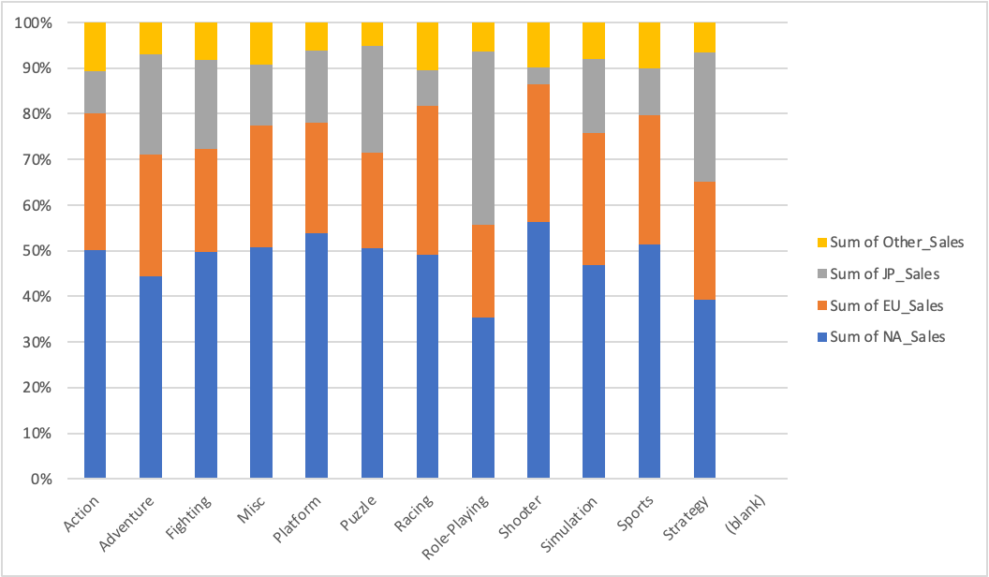

Question 5

Shooter Games: NA Sales vs Global Sales
 | Global_Sales
4 | 4.31
2.56 | 2.76
2.36 | 2.53
1.99 | 2.13
1.49 | 1.6
1.26 | 1.36
1.18 | 1.27
1.05 | 1.12
1.03 | 1.1
0.99 | 1.05
0.91 | 0.98
0.73 | 0.78
0.72 | 0.77
0.68 | 0.73
0.58 | 0.62
0.47 | 0.51
0.47 | 0.5
0.45 | 0.48
0.42 | 0.45
0.35 | 0.37
0.32 | 0.34
0.24 | 0.26
0.22 | 0.24
0.21 | 0.22
0.48 | 0.94
0.08 | 0.08
0 | 0.07
0.04 | 0.07
0 | 0.06
0.04 | 0.05
0.02 | 0.02
0 | 0.26
0 | 0.05
0 | 0.02
0.96 | 1.06
0.57 | 0.91
0.58 | 0.78
0.54 | 0.63
0.39 | 0.54
0.44 | 0.52
0.37 | 0.43
0.28 | 0.31
0.21 | 0.3
0.22 | 0.43
0.22 | 0.24
0.2 | 0.22
0.17 | 0.19
0.15 | 0.17
0.12 | 0.15
0.13 | 0.15
...

The scatterplot of NA_Sales versus Global_Sales for shooter games shows a strong positive relationship. Games that sell well in North America also tend to perform strongly worldwide. This is not surprising because North America is the largest market for shooters and drives much of their global success. The plot looks compressed because most shooter games sell modestly and cluster near low values on both axes. The scale is stretched upward by a few blockbuster shooters, which makes the majority of games appear crowded near the origin. The very top dot can be classified as an outlier, representing a mega-hit title with exceptional sales compared to the rest of the genre.

