Useage
Automatic flowchart generation tool (GUI version) yFlowGenGUI
 | This Excel sheet is an auxiliary tool which can run yFlowGen.exe on GUI using Excel file.
 | (1) Preparation
 |  | [Step1] Installation of software other than yFlowGen
 |  |  | Installing yED Editor
 |  |  | If you choose "GML" as the generated file format, you need to install yEd Graph Editor.
 |  |  | The file of the generated flowchart is in. Gml file format and it opens using yEd Graph Editor. yEd Graph Editor can be downloaded for free from the following.
 |  |  | Since yEd Graph Editor is a wonderful graph editor, please also use it when writing flow chart by hand.
 |  |  | [[yWorks] yEd Graph Editor - Downloads]
 |  |  | https://www.yworks.com/downloads#yEd

 |  |  | Installing Graphviz
 |  |  | If you choose "DOT+SVG" as the generated file format, you need to install Graphviz.
 |  |  | Graphviz is software that can generate various types of graphs using the DOT language in text format.
 |  |  | [Download | Graphviz] If you are using windows 10, please use the 64-bit version of the Stable package.
 |  |  | https://graphviz.org/download/

 |  | [Step2] Cancellation of block
 |  |  | Files acquired from the Internet via Windows are not allowed to run unless you unblock them. For this reason, please unblock in the following way.
 |  |  | [Step 1] Right-click the file and press Properties
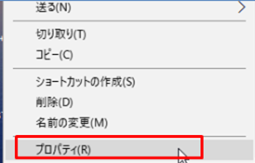

Right Clik

 |  |  | [Step 2] Please check the box of "Allow" in the security item
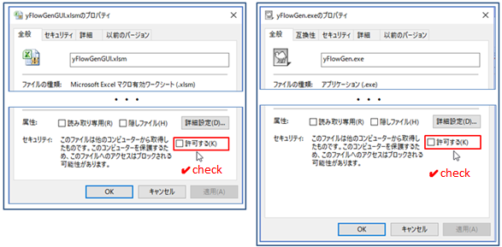

[Step3]
 | (2) Setting of yFlowGenGUI
 |  | Please do the setting in [Step3] ~ [Step5] on "Setup and execution" sheet and then [Step6]
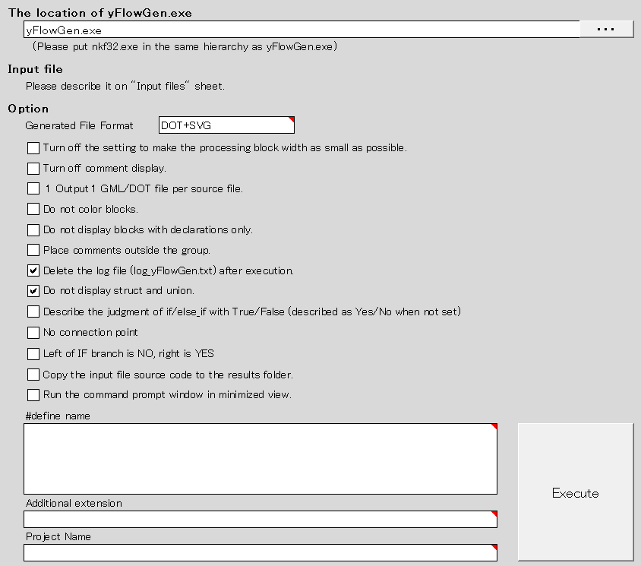

[Step4]

[Step5]

[Step6]

 |  | [Step3] Specify the location of yFlowGen.exe
 |  |  | Please press "..." button and specify the location where yFlowGen.exe is located.
 |  |  | Because it is also possible to specify by relative path, if you have yFlowGen.exe in the same hierarchy as this file, it will work even if you type directly with yFlowGen.exe.

 |  | [Step4] Input file
 |  |  | · Please describe the input file in "Execution target file" sheet.Please describe the file location in order from cell A1.
 |  |  | · The folder hierarchy delimiter will work with either "\" or "/".
 |  |  | · If there is no extension, search and execute the C source file (.c, .cpp) under the directory.
 |  |  | · If the file does not exist, ERROR is displayed in the execution log.
 |  |  | · Because there are times when it is not possible to correctly acquire the file, Please do not include 2byte characters(Japanese characters,etc) in the pass to be described.

 |  | [Step5] Option
 |  |  | Please set the option.

 |  | [Step6] Automatic flowchart generation
 |  |  | With the setting of [Step3] to [Step5] completed, please push the automatic flowchart generation execution button.

 |  |  | When executing the automatic flowchart generation execution, the execution result is displayed on the "execution log" sheet.

 |  |  | Argument: Argument specified in yFlowGen.exe
 |  |  | Current dir: Folder when executed
 |  |  | Input file: input C source file (with link)
 |  |  | Function: Name of the function described in the C source file
 |  |  | Output file: Output result file [gml format file] (with link)

 | (3) Automatic alignment of flowchart in yEd Graph Editor
 |  | After opening the result file (gml file), use the auto alignment function of yEd Graph Editor to automatically arrange the figure.
 |  | Please open the setting · execution window in Layout → Flowchart on the tool bar and execute with the following settings.
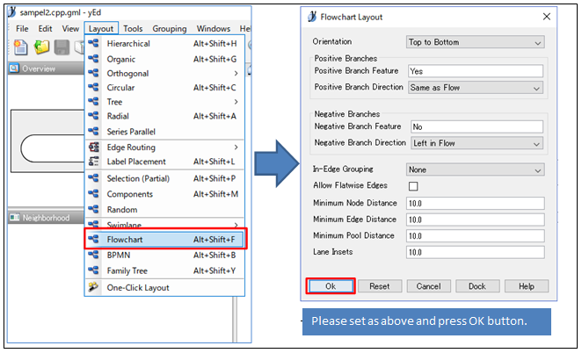

 | (4) Operating environment
 |  | Excel 97 - 2003, Excel 2010, Excel 2013 (32 bit version, 64 bit version), Excel 2016

 | (5) Terms of use
 |  | This program is freeware, toowaki has copyright. Please reprint freely. Also, please do not alter or change this software.

 | (6) Disclaimer
 |  | The author is not involved with any damage or the like caused by using this program. Please use this program at your own risk.

 | (7) Contact information
 |  | If you have any requests, please email toowaki.fc2@gmail.com.

 | (8) History
 |  | Ver | contents | Date
 |  | 1.0 | New creation | 2018-01-05
 |  | 2.0 | Update | 2019-01-03
 |  | 2.1 | Added the option "No connection point" | 2019-01-03
 |  | 3.0 | - DOT + SVG file format is supported. - Added file generation format options. | 2022-07-03
 |  | 3.1 | Added option "Invalid #define name". | 2022-09-11
 |  | 3.2 | Added option "Display invalid #define descriptions as comments". | 2022-09-18
 |  | 3.3 | Added the option "Left of IF branch is NO, right is YES". | 2023-02-12
 |  | 3.4 | Added option "additional extension" | 2023-02-18
 |  | 3.5 | Updated yFlowGen.exe | 2023-07-01
 |  | 4.0 | Added the option"Specify #define name" (-define) | 2023-07-22
 |  | 4.1 | Added the option "project name" (-pj_name). | 2023-07-22
 |  | 5.0 | Added the option "Copy the input file source code to the results folder" (-copy_org_code). | 2023-11-04
 |  | 5.1 | Added "Run the command prompt window in minimized view" option. | 2023-11-12
 |  | 5.2 | The size and content of the progress window have been improved. | 2024-02-04

Input files
sample_c_source
sample_cpp_source
Please describe the file location in order from cell A1.
· The folder hierarchy delimiter will work with either "\" or "/".
· If there is no extension, search and execute the C source file (.c, .cpp) under the directory.
· If the file does not exist, ERROR is displayed in the execution log.
· Please do not include Japanese in the indicated path.

