Guide
Spalte1 | Five Steps guide for a Comprehensive Analysis | Procedure The different steps are illustrated in the Tab 'Guide_FMEA'. | Example
Step 1 | 1. Definition Start with a clear definition of the product, process or system that is assessed. Define the system's objectives and ist requirements. A specific use case helps to clarify what needs to be assessed. Fill out header of FMEA-template. |  | The example shows the implementation of FMEA for a "do it yourself" butane lighter. The project was published by Robert. He built the lighter first for himself but did no implement any design-review. CAD-files for the case and a part list are publicly available. However, the assembly instruction is rather shallow and difficult to understand.
Step 2 | 2. System-Analysis The system analysis comprises three different steps. In the structural analysis the system elements and system structure is defined. Breakdown the product into subsystems, modules and components, right to the level of characteristics of a single components to derive a structure tree. The number of levels can be arbitrary but a minimum of three levels is required. In the functional analysis the functions of each element in the structure tree are listed and described as detailed as possible. The failure analysis derives possible failures from all listed functions. Often failures are just the negation of a function. This is the most important and crucial step and needs careful consideration of all operating conditions. Finally the dependencies between function failures ("failure modes") and their failure causes and failure effects is derived from the structure tree. (see figure) | 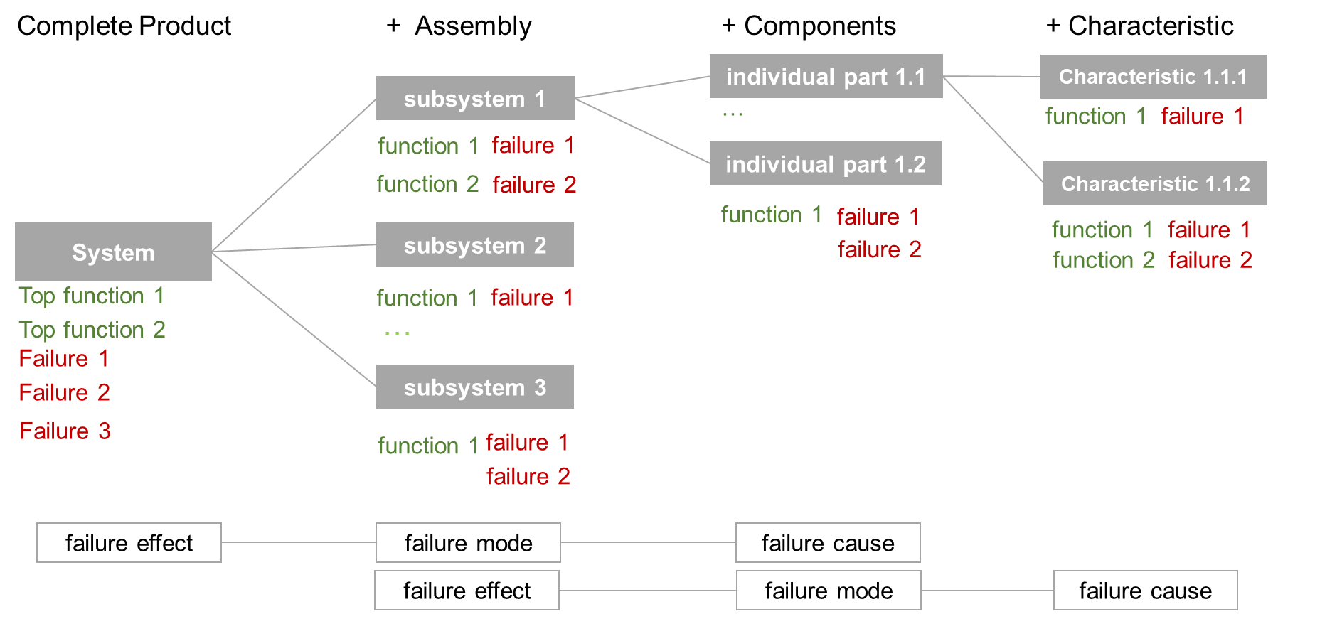 System Analysis | 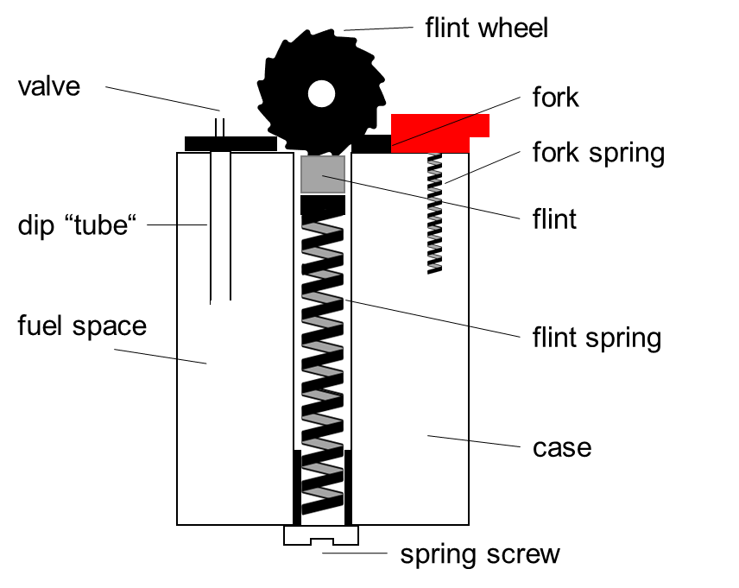 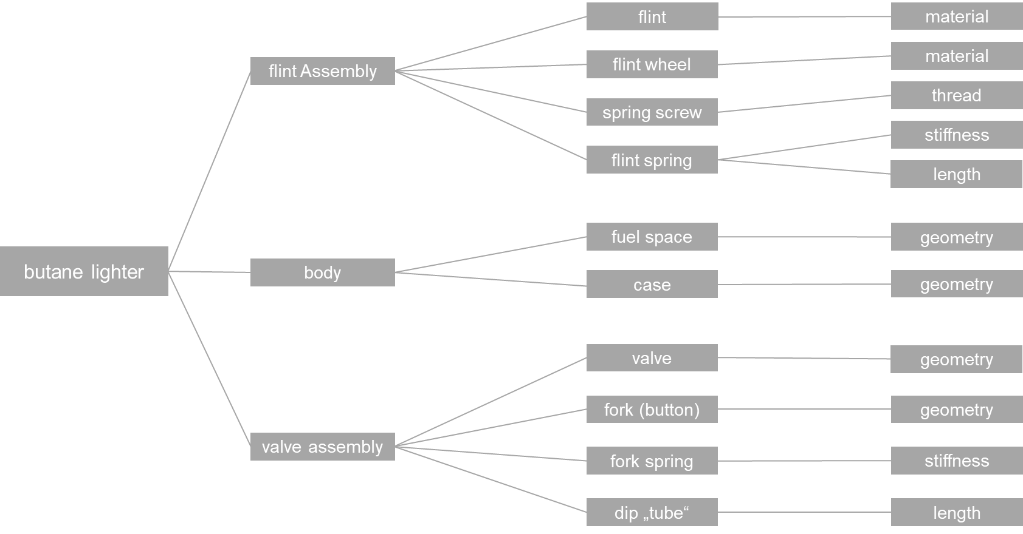
Step 3 | 3. Risk Assessment The Risk assessment is used to prioritize crucial risks. Therefore for each failure mode the Risk Priority Number (RPN) is calculated. Start with the assignment of the prevention controls of failure modes and causes and control actions for failure effects that are already in place. Based on the preventive actions use a rating scale of 1 (low risk) to ten (high risk) to score the severity (S) of the failure effect and the occurence (O) and detection (D) probability of the failure cause. A rating of 1 means very low risk while a rating of 10 implies a very negative assessment of reliability (high severity, occurs all the time, no chance of detection). After rating, calculate the RPN by multiplying S, O and D. | 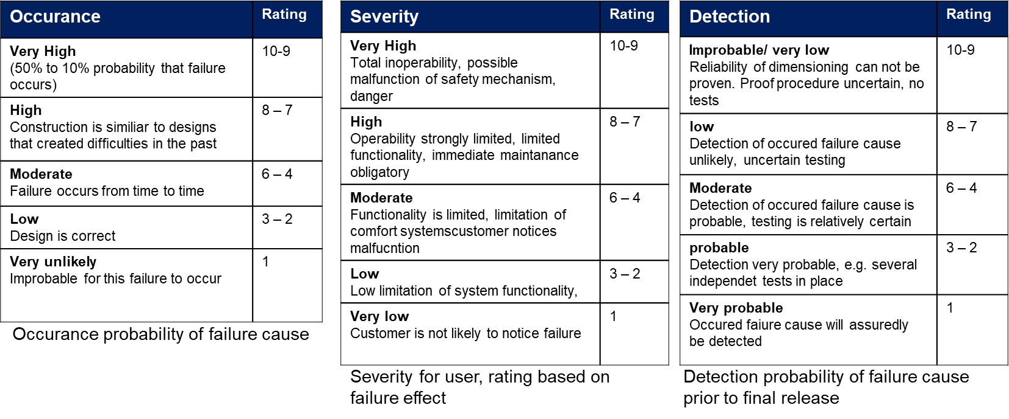 | 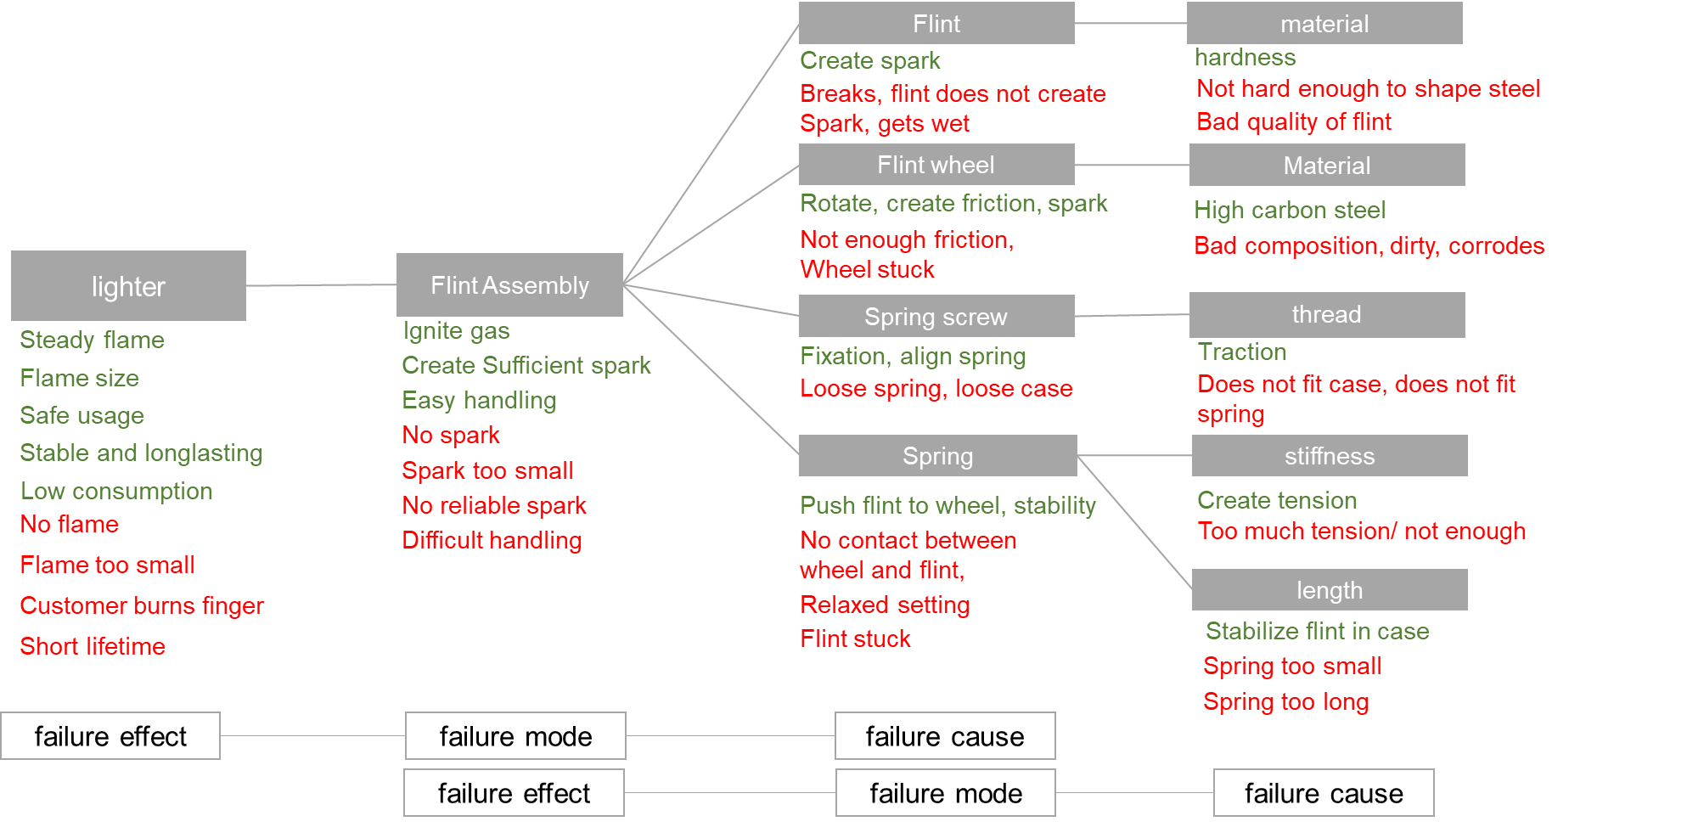
Step 4 | 4. Define optimization actions In this step you define measures to reduce the risk of failures. Prioritze failure modes by sorting them putting those with high RPN scores first. Measurements must be defined for failures that have a RPN of 125 or higher or if at least one of the scores of S, O or D is greater than 8. Preferrably actions prevent the occurance of a failure cause. Alternatively the detection can be improved or the severity of a failure effect mitigated.
Step 5 | 5. Proof of efficiancy Document the actions that were taken. Assess S, O and D again and calculate the improved RPN. Is the outcome sufficient? Or should further corrective actions be initiated?

Guide_FMEA
FMEA Form sheet
1
 | Project: |  | Product-FMEA |  |  |  |  |  |  | Process-FMEA
 |  |  | Name / Community: |  | Process-/ Productname: |  |  |  |  | Contributor: | Created: | Modified:
 |  |  |  |  |  |  |  |  |  | Name: Email-Adress:

 |  |  |  |  | Status quo |  |  |  |  |  |  | Improved Status
ID | position/ process step | potential failure mode | failure effect | failure cause | Preventive Actions | O* | S* | D* | RPN* | Optimization Actions | Responsible | Implemented measures | O* | S* | D* | RPN*
1. |  |  |  |  |  | 10 | 10 | 10 | 1000 |  |  |  | 3 | 8 | 6 | 144
2. |  |  |  |  |  | 6 | 6 | 6 | 216 |  |  |  | 3 | 4 | 4 | 48
2
3
4
5
3. |  |  |  |  |  | 1 | 1 | 1 | 1 |  |  |  | 1 | 1 | 1 | 1
4.
5.
6.
O* ... Occurence
probability that a failure cause will occur
very unlikely = 1
low = 2 - 3
moderate = 4 - 6
high = 7 - 8
very high = 9 -10
S* ... Severity
Consequences of the failure effect for the customer
insignificant failure = 1
relatively insignificant failure = 2 - 3
relatively severe failure = 4 - 6
severe failure = 7 - 8
extremely severe failure = 9 -10
D* ... Detection
Probability of detecting a failure cause prior to delivery
very probable = 1
probable = 2 - 3
moderate = 4 - 6
low = 7 - 8
very low = 9 -10
RPN* ... Risk Priority Number
high <= 1000
moderate <= 250
low <= 125
no risk = 1
Categories for detection actions
P = Preventive actions in development and production
I = Inspection in manufacturing

blank_FMEA
FMEA Form sheet

 | Project: |  | Product-FMEA |  |  |  |  |  |  | Process-FMEA
 |  |  | Name / Community: |  | Process-/ Productname: |  |  |  |  | Contributor: | Created: | Modified:
 |  |  |  |  |  |  |  |  |  | Name: Email-Adress:

 |  |  |  |  | Status quo |  |  |  |  |  |  | Improved Status
ID | position/ process step | potential failure mode | failure effect | failure cause | Preventive Actions | O* | S* | D* | RPN* | Optimization Actions | Responsible | Implemented measures | O* | S* | D* | RPN*
1. |  |  |  |  |  | 10 | 10 | 10 | 1000 |  |  |  | 3 | 8 | 6 | 144
2. |  |  |  |  |  | 6 | 6 | 6 | 216 |  |  |  | 3 | 4 | 4 | 48
3. |  |  |  |  |  | 1 | 1 | 1 | 1 |  |  |  | 1 | 1 | 1 | 1
4. |  |  |  |  |  | 7 | 7 | 8 | 392
5.
6.
O* ... Occurence
probability that a failure cause will occur
very unlikely = 1
low = 2 - 3
moderate = 4 -6 high = 7 - 8
very high = 9 -10
S* ... Severity
Consequences of the failure effect for the customer
insignificant failure = 1
relatively insignificant failure = 2 - 3
relatively severe failure = 4 - 6
severe failure = 7 - 8
extremely severe failure = 9 -10
D* ... Detection
Probability of detecting a failure cause prior to delivery
very probable = 1 probable = 2 - 3
moderate = 4 - 6
low = 7 - 8
very low = 9 -10
RPN* ... Risk Priority Number
high <= 1000
moderate <= 250
low <= 125
no risk = 1
Categories for detection actions
P = Preventive actions in development and production
I = Inspection in manufacturing

Example_FMEA
FMEA Form sheet

 | Project: |  | Product-FMEA |  |  |  |  |  |  | Process-FMEA
 | butane lighter "sunny light XL" |  | Name / Community: |  | Process-/ Productname: |  |  |  |  | Contributor: | Created: | Modified:
 |  |  | Sophie Schwandt |  | sunny light XL |  |  |  |  | Name: sophie schwandt Email-Adress: sophie.schwandt@campus.tu-berlin.de | 2018-12-08

 |  |  |  |  | Status quo |  |  |  |  |  |  | Improved Status
ID | position/ process step | potential failure mode | failure effect | failure cause | Preventive Actions | O* | S* | D* | RPN* | Optimization Actions | Responsible | Implemented measures | O* | S* | D* | RPN*
1. | flint assembly | flint brakes | no spark | material is not hard enough | flint seller is recommended | 4 | 8 | 8 | 256 | further documentations and specifications about flint composition | j.doe | part list includes further specification and link to recommended product | 2 | 8 | 8 | 128
2. | flint assembly | flint does not create spark | no flame | bad quality of flint | flint seller is recommended | 4 | 8 | 8 | 256 | further documentations and specifications about flint composition | j.doe | part list includes further specification and link to recommended product | 2 | 8 | 8 | 128
3. | flint assembly | flint is wet | no spark | casing not waterproofed |  | 4 | 8 | 6 | 192 | construct waterproof casing with sealing on top | j.doe | case with sealing | 2 | 6 | 6 | 72
20 | flint assembly | flint wheel stuck | assembly not functioning | material corroded |  | 5 | 6 | 8 | 240 | choose wheel with corrosion resistant coating | j.doe | Different supplier tested | 3 | 5 | 8 | 120
5. | flint assembly | not enough friction | no spark | bad wheel material composition |  | 3 | 8 | 9 | 216 | further documentations and specifications about wheel composition, specific product is recommended | f.fond | recommend wheel, emphasize material importance | 2 | 8 | 8 | 128
4. | flint assembly | flint wheel stuck | assembly not functioning | dirt between wheel and casing |  | 7 | 6 | 5 | 210 | Include cleaning of parts in assembly instruction | j.doe | Assembly instruction includes cleaning step | 4 | 5 | 5 | 100
13. | lighter | no spark | no flame | flint loose |  | 5 | 8 | 5 | 200 | construct case with tube to stabilize flint | f.fond | optimization of spring and flint assembly including tube for stabilization | 2 | 8 | 5 | 80
16. | lighter | spark too small | no flame | relaxed setting |  | 5 | 8 | 5 | 200 | construct case with tube to stabilize flint, rework spring force (alterate length and constant) | f.fond | optimization of spring and flint assembly including tube for stabilization | 2 | 8 | 5 | 80
15. | lighter | no spark | no flame | flint stuck |  | 5 | 8 | 5 | 200 | analyse tolerances in flint assembly | f.fond | optimization of spring and flint assembly including tube for stabilization | 2 | 8 | 5 | 80
19. | flint assembly | flint stuck | no spark | wrong assembly |  | 6 | 8 | 4 | 192 | improve assembly instruction | j.doe | Assembly instruction reworked, several user testing | 4 | 7 | 4 | 112
9. | flint assembly | unstable setting | no reliable spark | spring too short |  | 5 | 6 | 5 | 150 | analyse needed spring force (alterate length and constant), document! | j.doe | optimization of spring and flint assembly including tube for stabilization | 2 | 6 | 5 | 60
8. | flint assembly | unstable setting | no reliable spark | spring force too low |  | 5 | 6 | 6 | 180 | analyse needed spring force (alterate length and constant), document! | j.doe | optimization of spring and flint assembly including tube for stabilization | 2 | 6 | 6 | 72
10. | flint assembly | flint stuck | difficult handling | spring force too high |  | 5 | 5 | 6 | 150 | analyse needed spring force (alterate length and constant), document! | j.doe | optimization of spring and flint assembly including tube for stabilization | 2 | 6 | 5 | 60
17. | lighter | no reliable spark | no reliable functioning of lighter | relaxed setting |  | 5 | 6 | 5 | 150 | case with tube constructed to stabilize flint | f.fond | optimization of spring and flint assembly including tube for stabilization | 2 | 6 | 5 | 60
18. | lighter | difficult handling of flint assembly | difficult usage of lighter | flint stuck |  | 5 | 5 | 5 | 125
11. | flint assembly | flint stuck | difficult handling | spring too long |  | 5 | 5 | 4 | 100
7. | flint assembly | loose case | lighter not usable | wrong screw thread | screw specifications documented | 3 | 8 | 3 | 72
14. | lighter | no spark | no flame | flint broken |  | 3 | 8 | 3 | 72
6. | flint assembly | loose spring | instable spark | wrong screw thread | screw specifications documented | 3 | 6 | 3 | 54
O* ... Occurence
probability that a failure cause will occur
very unlikely = 1
low = 2 - 3
moderate = 4 - 6
high = 7 - 8
very high = 9 -10
S* ... Severity
Consequences of the failure effect for the customer
insignificant failure = 1
relatively insignificant failure = 2 - 3
relatively severe failure = 4 - 6
severe failure = 7 - 8
extremely severe failure = 9 -10
D* ... Detection
Probability of detecting a failure cause prior to delivery
very probable = 1 probable = 2 - 3
moderate = 4 - 6
low = 7 - 8
very low = 9 -10
RPN* ... Risk Priority Number
high <= 1000
moderate <= 250
low <= 125
no risk = 1
Categories for detection actions
P = Preventive actions in development and production
I = Inspection in manufacturing

