#Widget 경로 용법
 | GameUIRoot/Content Group/ 이하부터 입력한다.
 | 동일 계층의 오브젝트가 없는 경우 생략한다.

ex) | 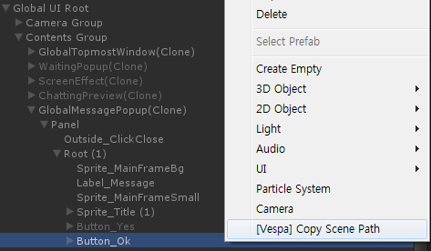
1 | Copy Scene Path를 통해 붙여넣으면 아래와 같다.
 | Global UI Root/Contents Group/GlobalMessagePopup(Clone)/Panel/Root (1)/Button_Ok
2 | GameUIRoot/Content Group/ 이하부터 입력하므로 이것을 지우면 아래와 같다.
 | GlobalMessagePopup(Clone)/Panel/Root (1)/Button_Ok
3 | GlobalMessagePopup(Clone)하위이며 Button_Ok의 상위 오브젝트는 /Panel/Root (1) 그런데 Panel과 Root 모두 동일한 계층의 다른 오브젝트가 없으므로 생략한다. 결과적으로 다음과 같다.
 | GlobalMessagePopup(Clone)/Button_Ok

