Accuracy test
PVC OLD DESIGN | Medium is air | Medium is water
Percentage | Capacitance at empty tank (pF) | Capacitance at full tank (pF) | Total Difference in Capacitance (F) | Change in Depth Perceptable for 3pf (m) | Tank Volume (l) | Volume Error (l) | Water Level at Percentage (%) | Accuracy Calculation (%)
10% | 30.60 | 324.00 | 2.93E+02 | 2.56E-02 | 24053 | 2.46E+02 | 2405.3 | 10.22%
PVC OLD DESIGN
15% | 30.60 | 324.00 | 2.93E+02 | 2.56E-02 | 24053 | 2.46E+02 | 3607.95 | 6.82%
20% | 30.60 | 324.00 | 2.93E+02 | 2.56E-02 | 24053 | 2.46E+02 | 4810.6 | 5.11%
25% | 30.60 | 324.00 | 2.93E+02 | 2.56E-02 | 24053 | 2.46E+02 | 6013.25 | 4.09%
30% | 30.60 | 324.00 | 2.93E+02 | 2.56E-02 | 24053 | 2.46E+02 | 7215.9 | 3.41%
35% | 30.60 | 324.00 | 2.93E+02 | 2.56E-02 | 24053 | 2.46E+02 | 8418.55 | 2.92%
40% | 30.60 | 324.00 | 2.93E+02 | 2.56E-02 | 24053 | 2.46E+02 | 9621.2 | 2.56%
45% | 30.60 | 324.00 | 2.93E+02 | 2.56E-02 | 24053 | 2.46E+02 | 10823.85 | 2.27%
50% | 30.60 | 324.00 | 2.93E+02 | 2.56E-02 | 24053 | 2.46E+02 | 12026.5 | 2.04%
55% | 30.60 | 324.00 | 2.93E+02 | 2.56E-02 | 24053 | 2.46E+02 | 13229.15 | 1.86%
60% | 30.60 | 324.00 | 2.93E+02 | 2.56E-02 | 24053 | 2.46E+02 | 14431.8 | 1.70%
65% | 30.60 | 324.00 | 2.93E+02 | 2.56E-02 | 24053 | 2.46E+02 | 15634.45 | 1.57%
70% | 30.60 | 324.00 | 2.93E+02 | 2.56E-02 | 24053 | 2.46E+02 | 16837.1 | 1.46%
75% | 30.60 | 324.00 | 2.93E+02 | 2.56E-02 | 24053 | 2.46E+02 | 18039.75 | 1.36%
80% | 30.60 | 324.00 | 2.93E+02 | 2.56E-02 | 24053 | 2.46E+02 | 19242.4 | 1.28%
85% | 30.60 | 324.00 | 2.93E+02 | 2.56E-02 | 24053 | 2.46E+02 | 20445.05 | 1.20%
90% | 30.60 | 324.00 | 2.93E+02 | 2.56E-02 | 24053 | 2.46E+02 | 21647.7 | 1.14%
95% | 30.60 | 324.00 | 2.93E+02 | 2.56E-02 | 24053 | 2.46E+02 | 22850.35 | 1.08%
100% | 30.60 | 324.00 | 2.93E+02 | 2.56E-02 | 24053 | 2.46E+02 | 24053 | 1.02%

PVC NEW DESIGN | Medium is air | Medium is water
Percentage | Capacitance at empty tank (pF) | Capacitance at full tank (pF) | Total Difference in Capacitance (pF) | Change in Depth Perceptable for 3 pF (m) | Tank Volume (l) | Volume Error (l) | Water Level at Percentage (%) | Accuracy Calculation (%)
10% | 38.53 | 361.45 | 322.92 | 0.023225566704 | 24053 | 223.45613855 | 2405.3 | 9.29%
15% | 38.53 | 361.45 | 322.92 | 0.023225566704 | 24053 | 223.45613855 | 3607.95 | 6.19%
PVC NEW DESIGN
20% | 38.53 | 361.45 | 322.92 | 0.023225566704 | 24053 | 223.45613855 | 4810.6 | 4.65%
25% | 38.53 | 361.45 | 322.92 | 0.023225566704 | 24053 | 223.45613855 | 6013.25 | 3.72%
30% | 38.53 | 361.45 | 322.92 | 0.023225566704 | 24053 | 223.45613855 | 7215.9 | 3.10%
35% | 38.53 | 361.45 | 322.92 | 0.023225566704 | 24053 | 223.45613855 | 8418.55 | 2.65%
40% | 38.53 | 361.45 | 322.92 | 0.023225566704 | 24053 | 223.45613855 | 9621.2 | 2.32%
45% | 38.53 | 361.45 | 322.92 | 0.023225566704 | 24053 | 223.45613855 | 10823.85 | 2.06%
50% | 38.53 | 361.45 | 322.92 | 0.023225566704 | 24053 | 223.45613855 | 12026.5 | 1.86%
55% | 38.53 | 361.45 | 322.92 | 0.023225566704 | 24053 | 223.45613855 | 13229.15 | 1.69%
60% | 38.53 | 361.45 | 322.92 | 0.023225566704 | 24053 | 223.45613855 | 14431.8 | 1.55%
65% | 38.53 | 361.45 | 322.92 | 0.023225566704 | 24053 | 223.45613855 | 15634.45 | 1.43%
70% | 38.53 | 361.45 | 322.92 | 0.023225566704 | 24053 | 223.45613855 | 16837.1 | 1.33%
75% | 38.53 | 361.45 | 322.92 | 0.023225566704 | 24053 | 223.45613855 | 18039.75 | 1.24%
80% | 38.53 | 361.45 | 322.92 | 0.023225566704 | 24053 | 223.45613855 | 19242.4 | 1.16%
85% | 38.53 | 361.45 | 322.92 | 0.023225566704 | 24053 | 223.45613855 | 20445.05 | 1.09%
90% | 38.53 | 361.45 | 322.92 | 0.023225566704 | 24053 | 223.45613855 | 21647.7 | 1.03%
95% | 38.53 | 361.45 | 322.92 | 0.023225566704 | 24053 | 223.45613855 | 22850.35 | 0.98%
100% | 38.53 | 361.45 | 322.92 | 0.023225566704 | 24053 | 223.45613855 | 24053 | 0.93%

SILICONE OLD DESIGN | Medium is air | Medium is water
Percentage | Capacitance at empty tank (pF) | Capacitance at full tank (pF) | Total Difference in Capacitance (pF) | Change in Depth Perceptable for 3pF (m) | Tank Volume (l) | Volume Error | Water Level at Percentage (%) | Accuracy Calculation (%)
10% | 21.80 | 140.00 | 118.20 | 0.06345177665 | 24053 | 610.47763335 | 2405.3 | 25.38%
15% | 21.80 | 140.00 | 118.20 | 0.06345177665 | 24053 | 610.47763335 | 3607.95 | 16.92%
20% | 21.80 | 140.00 | 118.20 | 0.06345177665 | 24053 | 610.47763335 | 4810.6 | 12.69%
25% | 21.80 | 140.00 | 118.20 | 0.06345177665 | 24053 | 610.47763335 | 6013.25 | 10.15%
30% | 21.80 | 140.00 | 118.20 | 0.06345177665 | 24053 | 610.47763335 | 7215.9 | 8.46%
35% | 21.80 | 140.00 | 118.20 | 0.06345177665 | 24053 | 610.47763335 | 8418.55 | 7.25%
40% | 21.80 | 140.00 | 118.20 | 0.06345177665 | 24053 | 610.47763335 | 9621.2 | 6.35%
45% | 21.80 | 140.00 | 118.20 | 0.06345177665 | 24053 | 610.47763335 | 10823.85 | 5.64%
50% | 21.80 | 140.00 | 118.20 | 0.06345177665 | 24053 | 610.47763335 | 12026.5 | 5.08%
55% | 21.80 | 140.00 | 118.20 | 0.06345177665 | 24053 | 610.47763335 | 13229.15 | 4.61%
60% | 21.80 | 140.00 | 118.20 | 0.06345177665 | 24053 | 610.47763335 | 14431.8 | 4.23%
65% | 21.80 | 140.00 | 118.20 | 0.06345177665 | 24053 | 610.47763335 | 15634.45 | 3.90%
70% | 21.80 | 140.00 | 118.20 | 0.06345177665 | 24053 | 610.47763335 | 16837.1 | 3.63%
75% | 21.80 | 140.00 | 118.20 | 0.06345177665 | 24053 | 610.47763335 | 18039.75 | 3.38%
80% | 21.80 | 140.00 | 118.20 | 0.06345177665 | 24053 | 610.47763335 | 19242.4 | 3.17%
85% | 21.80 | 140.00 | 118.20 | 0.06345177665 | 24053 | 610.47763335 | 20445.05 | 2.99%
90% | 21.80 | 140.00 | 118.20 | 0.06345177665 | 24053 | 610.47763335 | 21647.7 | 2.82%
95% | 21.80 | 140.00 | 118.20 | 0.06345177665 | 24053 | 610.47763335 | 22850.35 | 2.67%
100% | 21.80 | 140.00 | 118.20 | 0.06345177665 | 24053 | 610.47763335 | 24053 | 2.54%

SILICONE NEW DESIGN | Medium is air | Medium is water
Percentage | Capacitance at empty tank (pF) | Capacitance at full tank (pF) | Total Difference in Capacitance (pF) | Change in Depth Perceptable for 3 pF (m) | Tank Volume (l) | Volume Error (l) | Water Level at Percentage (l) | Accuracy Calculation (%)
10% | 28.20 | 147.00 | 118.80 | 0.063131313131 | 24053 | 607.39441298 | 2405.3 | 25.25%
Theoretical Accuracy for Silicone NEW DESIGN
15% | 28.20 | 147.00 | 118.80 | 0.063131313131 | 24053 | 607.39441298 | 3607.95 | 16.83%
20% | 28.20 | 147.00 | 118.80 | 0.063131313131 | 24053 | 607.39441298 | 4810.6 | 12.63%
25% | 28.20 | 147.00 | 118.80 | 0.063131313131 | 24053 | 607.39441298 | 6013.25 | 10.10%
30% | 28.20 | 147.00 | 118.80 | 0.063131313131 | 24053 | 607.39441298 | 7215.9 | 8.42%
35% | 28.20 | 147.00 | 118.80 | 0.063131313131 | 24053 | 607.39441298 | 8418.55 | 7.21%
40% | 28.20 | 147.00 | 118.80 | 0.063131313131 | 24053 | 607.39441298 | 9621.2 | 6.31%
45% | 28.20 | 147.00 | 118.80 | 0.063131313131 | 24053 | 607.39441298 | 10823.85 | 5.61%
50% | 28.20 | 147.00 | 118.80 | 0.063131313131 | 24053 | 607.39441298 | 12026.5 | 5.05%
55% | 28.20 | 147.00 | 118.80 | 0.063131313131 | 24053 | 607.39441298 | 13229.15 | 4.59%
60% | 28.20 | 147.00 | 118.80 | 0.063131313131 | 24053 | 607.39441298 | 14431.8 | 4.21%
65% | 28.20 | 147.00 | 118.80 | 0.063131313131 | 24053 | 607.39441298 | 15634.45 | 3.88%
70% | 28.20 | 147.00 | 118.80 | 0.063131313131 | 24053 | 607.39441298 | 16837.1 | 3.61%
75% | 28.20 | 147.00 | 118.80 | 0.063131313131 | 24053 | 607.39441298 | 18039.75 | 3.37%
80% | 28.20 | 147.00 | 118.80 | 0.063131313131 | 24053 | 607.39441298 | 19242.4 | 3.16%
85% | 28.20 | 147.00 | 118.80 | 0.063131313131 | 24053 | 607.39441298 | 20445.05 | 2.97%
90% | 28.20 | 147.00 | 118.80 | 0.063131313131 | 24053 | 607.39441298 | 21647.7 | 2.81%
95% | 28.20 | 147.00 | 118.80 | 0.063131313131 | 24053 | 607.39441298 | 22850.35 | 2.66%
100% | 28.20 | 147.00 | 118.80 | 0.063131313131 | 24053 | 607.39441298 | 24053 | 2.53%

Capacitance and Energy calc
Air level | Charge (Q) | Energy (wt) | Theoretical value of capacitance (Ct) | Practical value of capacitance (C = Q/V)
0% | 6.16E-14 | 1.23E-13 | 1.532625E-14 | 1.54E-14 | When the medium is Air in new design (PVC)
25% | 3.85E-11 | 7.66E-11 | 9.5788875E-12 | 9.63E-12
50% | 7.71E-11 | 1.53E-10 | 1.915775E-11 | 1.93E-11
75% | 1.16E-10 | 2.30E-10 | 2.87E-11 | 2.89E-11
100% | 1.54E-10 | 3.07E-10 | 3.83E-11 | 3.85E-11

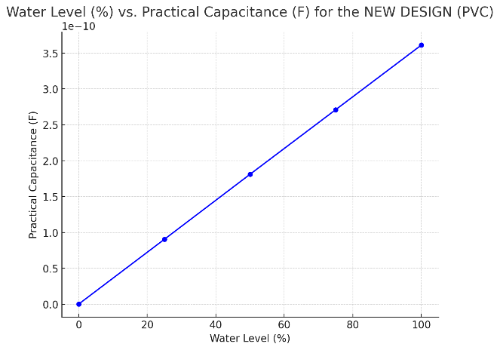
Water level | Charge (Q) | Energy (wt) | Theoretical value of capacitance (Ct) | Practical value of capacitance (C = Q/V) | When the medium is water in new design(PVC)
0% | 5.78E-13 | 1.16E-12 | 1.45E-13 | 1.45E-13
25% | 3.61E-10 | 7.23E-10 | 9.04E-11 | 9.04E-11
50% | 7.23E-10 | 1.45E-09 | 1.81E-10 | 1.81E-10
75% | 1.08E-09 | 2.17E-09 | 2.71E-10 | 2.71E-10
100% | 1.45E-09 | 2.89E-09 | 3.61E-10 | 3.61E-10

Air level | Charge (Q) | Energy (wt) | Theoretical value of capacitance (Ct) | Practical value of capacitance (C = Q/V) | When the medium is air in new design (Silicon)
0% | 4.51E-14 | 8.97E-14 | 1.12E-14 | 1.13E-14
25% | 2.82E-11 | 5.61E-11 | 7.01E-12 | 7.049675E-12
50% | 5.64E-11 | 1.12E-10 | 1.40E-11 | 1.41E-11
75% | 8.46E-11 | 1.68E-10 | 2.10E-11 | 2.11E-11
100% | 1.13E-10 | 2.24E-10 | 2.80E-11 | 2.82E-11

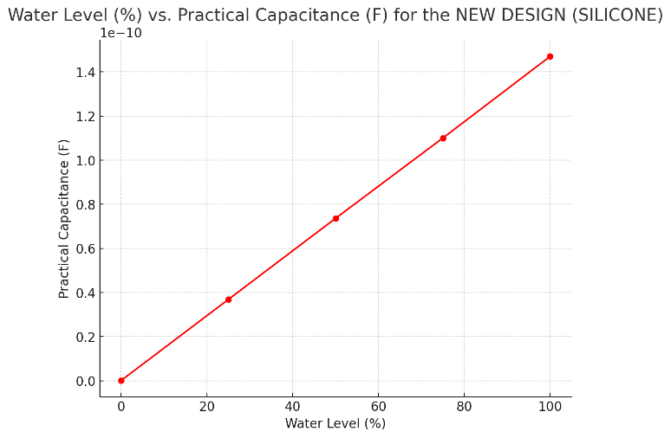
Water level | Charge (Q) | Energy (wt) | Theoretical value of capacitance (Ct) | Practical value of capacitance (C = Q/V) | When the medium is water in new design (Silicon)
0% | 2.36E-13 | 4.71E-13 | 5.89E-14 | 5.89E-14
25% | 1.47E-10 | 2.94E-10 | 3.68E-11 | 3.680975E-11
50% | 2.94E-10 | 5.89E-10 | 7.36E-11 | 7.36E-11
75% | 4.42E-10 | 8.83E-10 | 1.10E-10 | 1.10E-10
100% | 5.89E-10 | 1.18E-09 | 1.47E-10 | 1.47E-10

Air level | Charge (Q) | Energy (wt) | Theoretical value of capacitance (Ct) | Practical value of capacitance (C = Q/V) | When the medium is air in old design (PVC)
0% | 6.16E-14 | 9.80E-14 | 1.23E-14 | 1.54E-14
25% | 3.85E-11 | 6.13E-11 | 7.66E-12 | 9.63135E-12
50% | 7.71E-11 | 1.23E-10 | 1.53E-11 | 1.93E-11
75% | 1.16E-10 | 1.84E-10 | 2.30E-11 | 2.89E-11
100% | 1.54E-10 | 2.45E-10 | 3.06E-11 | 3.85E-11

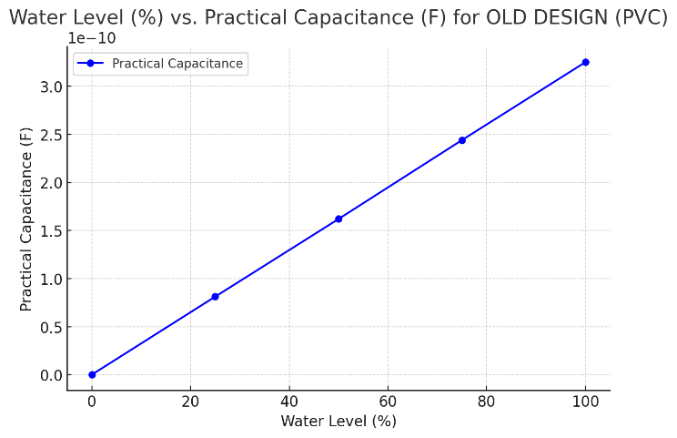
Water level | Charge (Q) | Energy (wt) | Theoretical value of capacitance (Ct) | Practical value of capacitance (C = Q/V) | When the medium is water in old design (PVC)
0% | 5.20E-13 | 1.04E-12 | 1.30E-13 | 1.30E-13
25% | 3.25E-10 | 6.48E-10 | 8.10E-11 | 8.12275E-11
50% | 6.50E-10 | 1.30E-09 | 1.62E-10 | 1.62E-10
75% | 9.75E-10 | 1.94E-09 | 2.43E-10 | 2.44E-10
100% | 1.30E-09 | 2.59E-09 | 3.24E-10 | 3.25E-10

Air level | Charge (Q) | Energy (wt) | Theoretical value of capacitance (Ct) | Practical value of capacitance (C = Q/V) | When the medium is air in old design (Silicone)
0% | 4.51E-14 | 6.99E-14 | 8.74E-15 | 1.127845E-14
25% | 2.82E-11 | 4.37E-11 | 5.46E-12 | 7.049025E-12
50% | 5.64E-11 | 8.74E-11 | 1.09E-11 | 1.41E-11
75% | 8.46E-11 | 1.31E-10 | 1.64E-11 | 2.11E-11
100% | 1.13E-10 | 1.75E-10 | 2.18E-11 | 2.82E-11

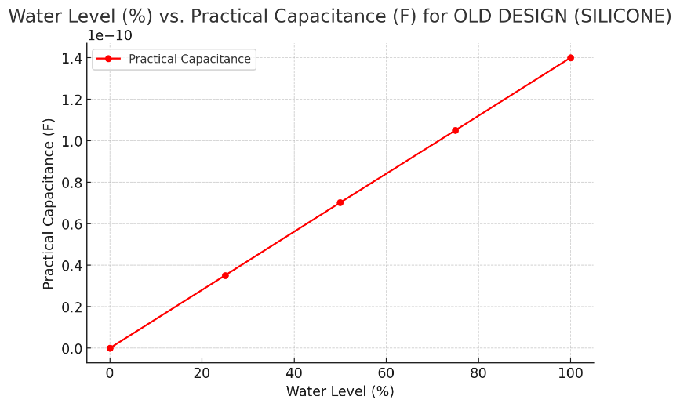
Water level | Charge (Q) | Energy (wt) | Theoretical value of capacitance (Ct) | Practical value of capacitance (C = Q/V) | When the medium is water in old design (Silicone)
0% | 2.25E-13 | 4.49E-13 | 5.61E-14 | 5.62E-14
25% | 1.40E-10 | 2.80E-10 | 3.50E-11 | 3.510275E-11
50% | 2.81E-10 | 5.61E-10 | 7.01E-11 | 7.02E-11
75% | 4.21E-10 | 8.41E-10 | 1.05E-10 | 1.05E-10
100% | 5.62E-10 | 1.12E-09 | 1.40E-10 | 1.40E-10

