Cover
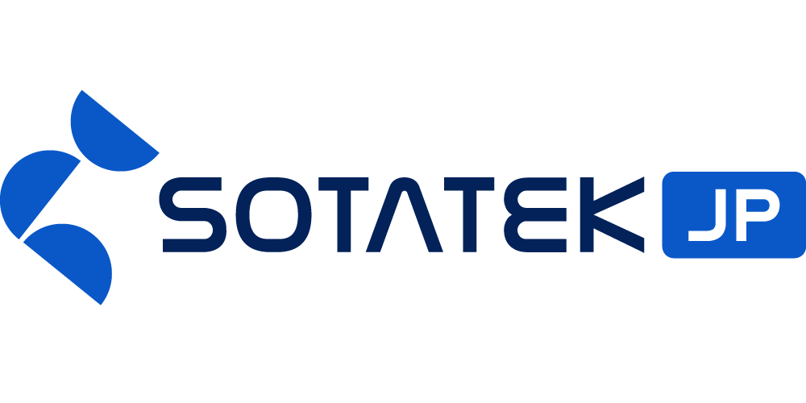
 |  | Asset Name |  |  | Author | Creation Date | Updated By | Update Date
 |  | Basic Design Document |  |  | SOTATEK JAPAN | 2026/05/07 | SOTATEK JAPAN | 2026/05/07

 | Confidential

AI Translation System Basic Design Document

 |  |  | Version | 1

 | NTT Data Intra-mart Corporation
 | NTTD IM AI Utilization Project

 | Created by: SOTATEK JAPAN
 | Creation Date: 2026/05/07

