TimerCalc
Populate yellow cells
 |  |  |  |  |  |  |  |  | 2000 | 200
HCLK | 80 | MHz |  |  |  |  |  |  | 500 | 50

Prescalar | 8 | Put 8-1 in Cube MX

Counter Period | 2000 | Put 2000-1 in Cube MX |  |  |  | Counter goes from from 0 to 1999
$$Time taken for 1 increment=\frac{Prescalar}{System freq}$$
$Time taken for 1 timer run=\frac{Prescalar}{System freq}∗Counter Period$
Time taken to increment the counter by 1 number | 0.1 | us
Time taken to go from 0 to 1999 | 200 | us
Time taken to go from 0 to 1999 | 0.2 | ms

$$Counter Period=\frac{System Freq}{Prescalar}∗2∗Requested ON Time (us)$$
ON time required | 100 | us | --User INPUT |  |  | 0.1 | us
 |  |  |  |  | total timer run | 200 | us
Condition Check value | 1000 | Put in while loop |  |  | counter period | 2000

PWM Frequency Generated | 5 | kHz

Timer complete 1 run required | 10000000 | us | --User INPUT
 | 10000 | ms
 | 10 | s |  |  |  |  |  |  |  |  | Timer 1 run complete time
Couner Period | 25000 | Put 25000-1 in Cube MX |  |  |  |  |  | Number of samples a second | 1000 | => | 1000 | us
 |  |  |  | 1ms to 10sec
Time for 1 number increment | 400 | us

Prescalar | 32000 | Put 32000-1 in Cube MX

OR

Prescalar | 16000 | Put 16000-1 in Cube MX

Couner Period | 50000 | Put 50000-1 in Cube MX

Timing
$$Speed=\frac{distance}{time}$$
 |  |  |  | 4294967296
Distance | 1 | mm | Total Time | 100000 | us | 0.1 | sec
 |  |  | 1 sample time | 64 | us
Speed | 20 | mm/sec |  | Running average of 4 times

Number of times | 10 | does't matter | Number of Times ADC has to run | 100
 |  |  | Total ADC Run Time | 6400 | us
Stretch hold | 0 | ms | Total Delay time | 93600 | us |  | 93600
 | 0 | s | Timer run time | 936 | us | 936
 |  |  |  | 0.000936 | s
Number of samples a test | 100 |  | Blue LED ON Time | 0.0936

 |  |  | Black Pill
2482.4242424 |  |  | HCLK | 80 | MHz

 |  |  | Timer Run Time required | 936 | us
 |  |  |  | 0.936 | ms
 |  |  |  | 0.000936 | s
 |  |  | Counter Period | 16000 | Put 16000-1 in Cube MX

 |  |  | Time for 1 number increment | 0.0585 | us

 |  |  | Prescalar | 4.68 | Put 4.68-1 in Cube MX

 |  |  | OR

 |  |  | Prescalar | 160 | Put 160-1 in Cube MX

 |  |  | Couner Period | 468 | Put 468-1 in Cube MX

ResistanceCalc
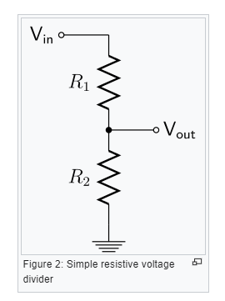
R1 | 100 | ohms
R2 | 117 | ohms
Vin | 3.3 | V
Vout | 1.7792626728

R1 | 47 | ohms
Vin | 3.3 | V
Vout | 1.67 | V
R2 | 48.153374233 | ohms

$$R2=\frac{R1}{(\frac{3.3}{\frac{ADC}{4095}∗3.3}−1)}$$

$$R2=\frac{R1}{(\frac{4095}{ADC}−1)}$$

Sheet2
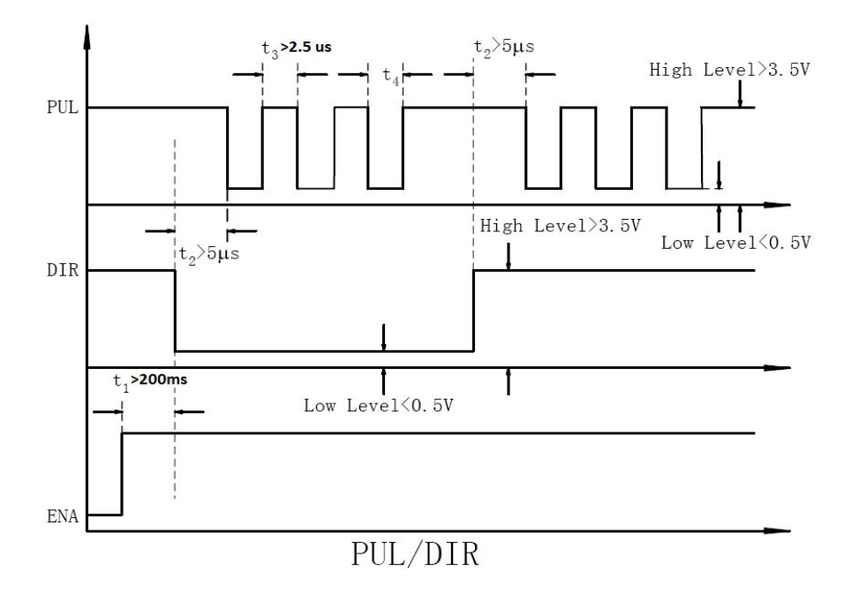

Init
1 | Pul HIGH
2 | Dir HIGH
3 | Ena LOW

MOVE
 | Input: Pul FREQ, Direction
1 | Ena HIGH
2 | Wait for 250ms
3 | Dir LOW/HIGH based on input
4 | Wait for 1ms
5 | Pulse Pul based on FREQ input
6 | Wait for 250ms
7 | Ena LOW

