Sheet1
 |  |  |  |  |  |  |  |  |  | TBL_ROLETYPE |  |  |  |  | TBL_IDENTIFICATION
 |  |  |  |  |  |  |  |  |  | RoleId | Roletype |  |  |  | ID | ID_TYPE
 |  |  |  |  |  |  |  |  |  |  |  |  |  |  | 1 | AADHAAR
TBL_ADMIN |  |  |  |  | TBL_SECURITYQUESTION |  |  |  |  |  |  |  |  |  | 2 | DRIVING LICENSE
ADMID | PASSWORD |  |  |  | SQID | QUESTION |  |  |  |  |  |  |  |  | 3 | PAN
 |  |  |  |  |  |  |  |  |  |  |  |  |  |  | 4 | VOTERID
 |  |  |  |  |  |  |  |  |  |  |  |  |  |  | 5 | PASSPORT
TBL_USER |  |  |  |  |  |  |  |  |  |  |  | TBL_USERDATA
USERID | FIRSTNAME | LASTNAME | DOB | GENDER | CONTACTNUMBER | EMAIL | PASSWORD | RoleId | USERSTATUS | SQID | ANSWER | UDATAID | USERID | ID |  | POLICYDOCUMENT | BILL
 |  |  |  |  |  |  |  |  | Approved by Admin

TBL_CLAIM |  |  |  |  |  |  |  |  | REPORT TO SHOW ALL POLICY
CLAIMID | USERID | TYPEOFCLAIM | POLICYID | AMOUNT | CLAIMSTATUS |  |  |  |  |  |  |  | TBL_FEEDBACK
 |  |  |  |  |  |  |  |  |  |  |  |  | FEEDBACKID | USERID | QESID | ANSWER
TBL_POLICY
POLICYID | USERID/AGENT | CODE | STARTDATE | ENDDATE/ MAUTRITY DATE |  |  |  |  |  |  |  |  | TBL_QUESTION
1 | 1001 | 1002 | 28/05/2021 | 27/05/2022 | DATE ADD MONTH FUNCTION |  |  |  |  |  |  |  | QESID | QUESTION

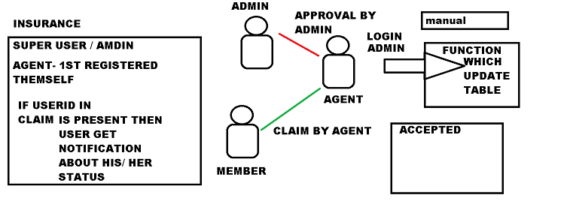
TBL_Notification |  |  |  |  | TBL_PLAN
NOTIFYID | CLAIMID | DATE |  |  | CODE | DURATION / YEARS IN MONTH /
After admin login every time table will cross verify auto with maturity date with current date |  |  |  |  | 1001 | 7
 |  |  |  |  | 1002 | 12

TBL_HELP
HELPID | USERID | ISSUE | DESCRIPTION | STATUS

