缺失值统计
 | Total | Percent
PoolQC | 2909 | 99.657417
MiscFeature | 2814 | 96.402878
Alley | 2721 | 93.216855
Fence | 2348 | 80.438506
FireplaceQu | 1420 | 48.646797
LotFrontage | 486 | 16.649538
GarageCond | 159 | 5.447071
GarageYrBlt | 159 | 5.447071
GarageFinish | 159 | 5.447071
GarageQual | 159 | 5.447071
GarageType | 157 | 5.378554
BsmtCond | 82 | 2.809181
BsmtExposure | 82 | 2.809181
BsmtQual | 81 | 2.774923
BsmtFinType2 | 80 | 2.740665
BsmtFinType1 | 79 | 2.706406
MasVnrType | 24 | 0.822199 | 通过他邻居的所属类别的众数填充
MasVnrArea | 23 | 0.787941
MSZoning | 4 | 0.137033 | MSZoning | 可用邻居所属类别的众数填充
Utilities | 2 | 0.068517
BsmtHalfBath | 2 | 0.068517
BsmtFullBath | 2 | 0.068517
Functional | 2 | 0.068517
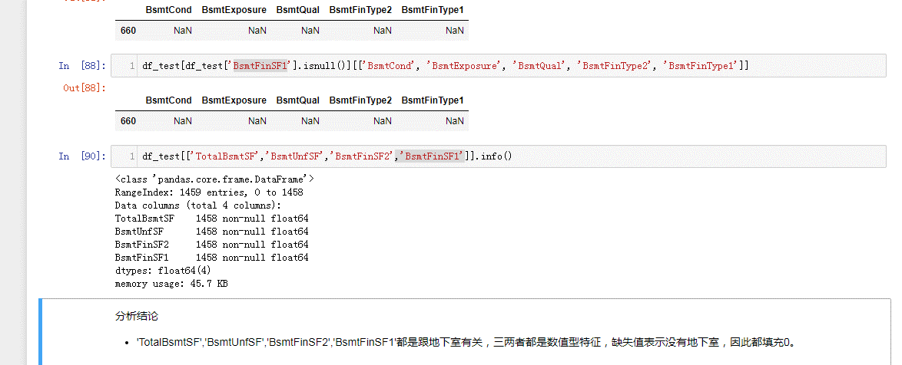
Exterior1st | 1 | 0.034258
TotalBsmtSF | 1 | 0.034258
BsmtUnfSF | 1 | 0.034258
BsmtFinSF2 | 1 | 0.034258
GarageArea | 1 | 0.034258
KitchenQual | 1 | 0.034258
GarageCars | 1 | 0.034258
BsmtFinSF1 | 1 | 0.034258
Exterior2nd | 1 | 0.034258
SaleType | 1 | 0.034258
Electrical | 1 | 0.034258

