Test Case-CaseStudy
Project Name: | Job Portal
Module Name: | End to End test | Date Updated: | 27/05/2026
Last Build Tested: |  | Reviewed By: | Raghavendra BN
Run No: | 08 Test Cases | Executed By: | Souvik Layek
Run Date: | 27/05/2026
Test Objectives: | Mapping Test Scenarios with Test Cases (apna.com)
Test Setup: | MS Excel Sheet (Online)
Req_Id | Test_Case ID | Test_Case_Description | Test_steps | Test_Data | Expected_Result | Actual_Result | Status | Screenshots
Req_1.0 | TC_01 | Verify user can register with valid details | 1.User should open Microsoft Edge Browser 2. User should navigate to https://www.apna.co/ 3. User should click on Login button on the home page. 4. User should enter valid Full Name, Email ID, Password and Mobile Number 5. User should enter City details 6. User should click on Submit / Save button | Url: https://www.apna.co/ Name: Souvik Email: souviklayek888@gmail.com Password: ****** Mobile: +91 12345678 City: Jamshedpur | User account should be created successfully and user should be redirected to OTP page | User account created successfully | Passed | 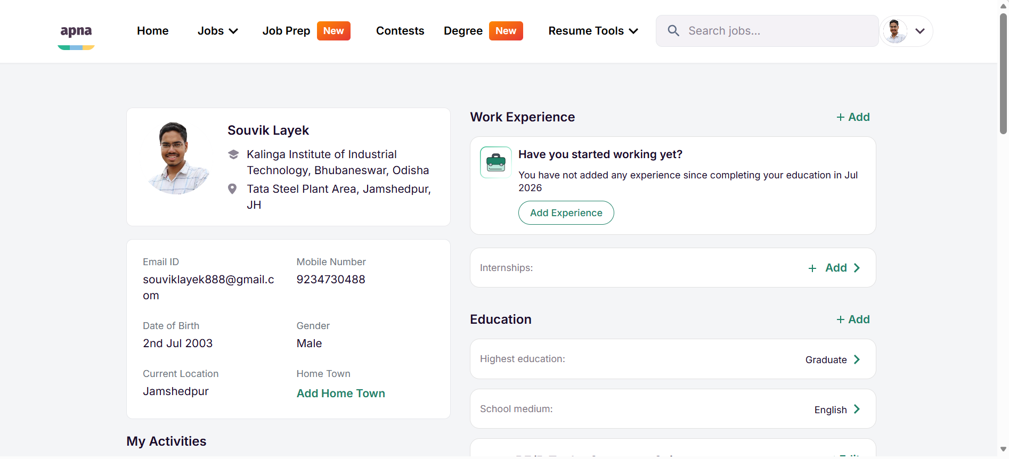
Req_1.1 | TC_02 | Verify user can login with valid credentials | 1.User should open Microsoft Edge browser 2. User should navigate to https://www.apna.com/ 3. User should click on Login option on the apna Homepage. 4. User should enter valid Phone number and OTP 5. User should click on submit | Url: https://www.apna.com/ Phone Number: 12345678 OTP: **** | User should be logged in successfully and Dashboard page should be displayed | User logged in successfully and Dashboard page should be displayed | Passed
Req_1.2 | TC_03 | Verify dashboard page is displayed after successful login | 1.User should open Microsoft Edge browser 2. User should navigate to https://www.apna.com/ 3. User should click on Login option on the apna Homepage. 4. User should enter valid Phone number and OTP 5. User should click on Submit 6. User should observe the landing page after login | Url: https://www.apna.com/ Email: souviklayek888@gmail.com Password: ****** | User should be redirected to Dashboard page and all dashboard elements should be displayed correctly | User redirected to Dashboard page and all dashboard elements should be displayed correctly | Passed | 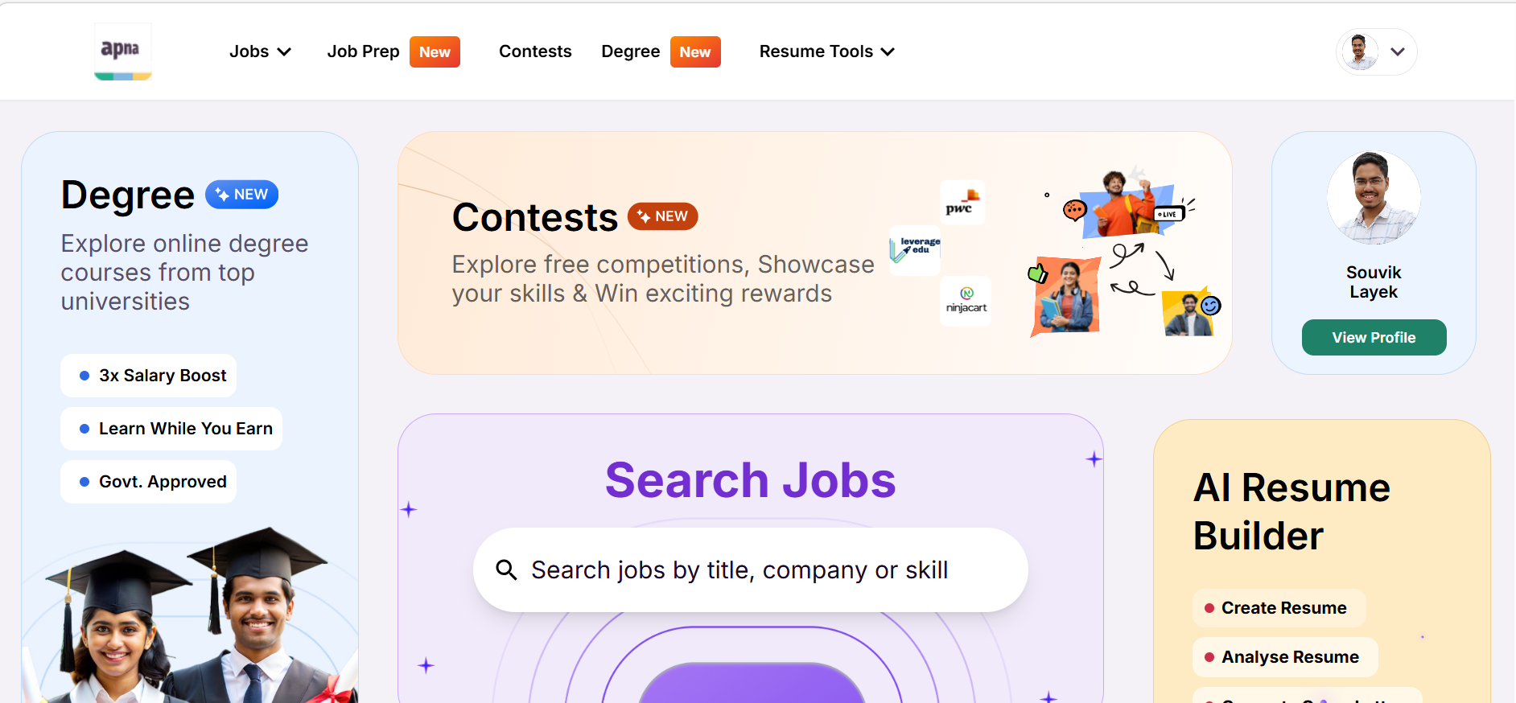
Req_1.3 | TC_04 | Verify user can navigate to Profile page from dashboard | 1.User should open Microsoft Edge browser 2. User should navigate to https://www.apna.com/ 3. User should click on Login option on the apna Homepage. 4. User should login using valid credentials 5. User should click on Profile icon from dashboard | Url: https://www.apna.com/ Email: souviklayek888@gmail.com Password: ****** | User should be navigated to Profile page successfully | User navigated to Profile page successfully | Passed
Req_1.4 | TC_05 | Verify user can add or update education and skill details | 1.User should open Microsoft Edge browser 2. User should navigate to https://www.apna.com/ 3. User should click on Login option on the apna Homepage. 4. User should login using valid credentials 5. User should navigate to Profile page 6. User should click on Education and skills section 7. User should enter valid education and skill details 8. User should click on Save and Continue button | Url: https://www.apna.com/ Email: souviklayek888@gmail.com Password: ****** Education: Graduation University: Kiit University Year: 2026 | Education details should be saved successfully and user should be navigated to next section | Education details saved successfully | Passed | 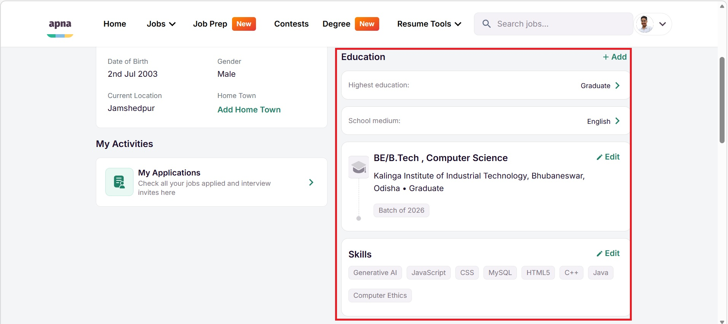
Req_1.5 | TC_06 | Verify job search with valid keyword | 1.User should open Microsoft Edge browser 2. User should navigate to https://www.apna.com/ 3. User should login to apna application 4. User should enter a valid keyword in job search field 5. User should click on Search button | Url: https://www.apna.com/ Email: souviklayek888@gmail.com Password: ****** Keyword: Sales | Relevant job listings should be displayed based on search keyword | Relevant job listings displayed based on search keyword | Passed | 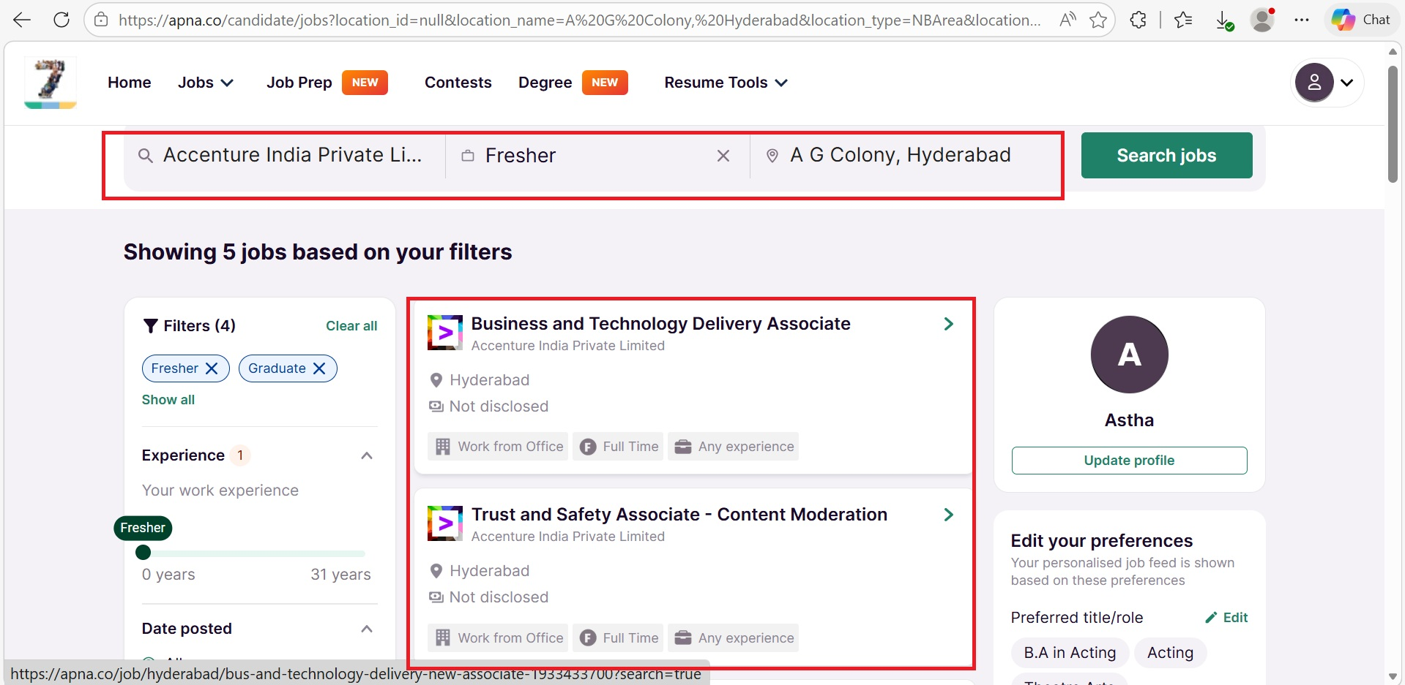
Req_1.6 | TC_07 | Verify validation when job search is performed without keyword | 1.User should open Microsoft Edge browser 2. User should navigate to https://www.apna.com/ 3. User should login to apna application with valid credentials 4. User should leave job search field empty 5. User should click on Search button | Url: https://www.apna.com/ Email: souviklayek888@gmail.com Password: ****** | System should display appropriate validation message | System display "Please enter a job title, company, skill or department" | Passed | 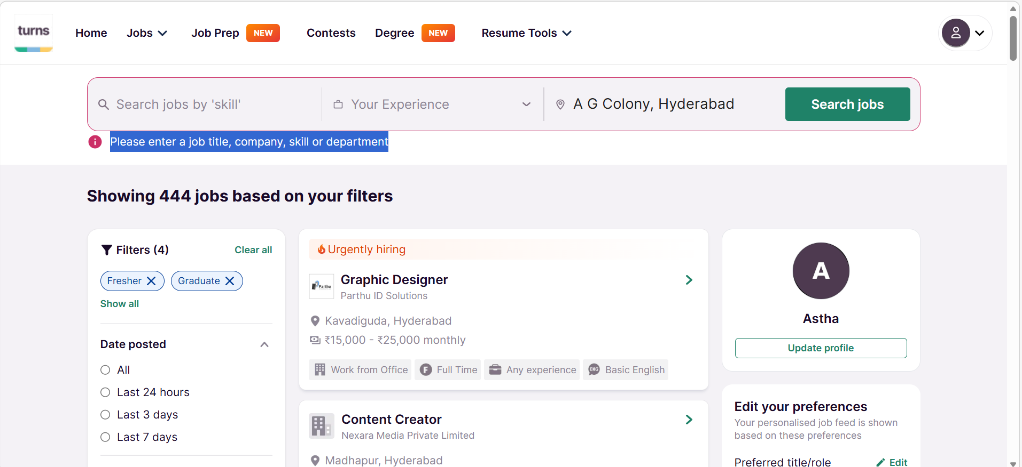
Req_1.7 | TC_08 | Verify user can logout successfully | 1.User should open Microsoft Edge browser 2. User should navigate to https://www.apna.com/ 3. User should login to apna application with valid credentials 4. User should click on Profile menu 5. User should click on Logout option | Url: https://www.apna.com/ Email: souviklayek888@gmail.com Password: ****** | User should be logged out successfully and redirected to Login page | User logged out successfully and redirected to Login page | Passed | 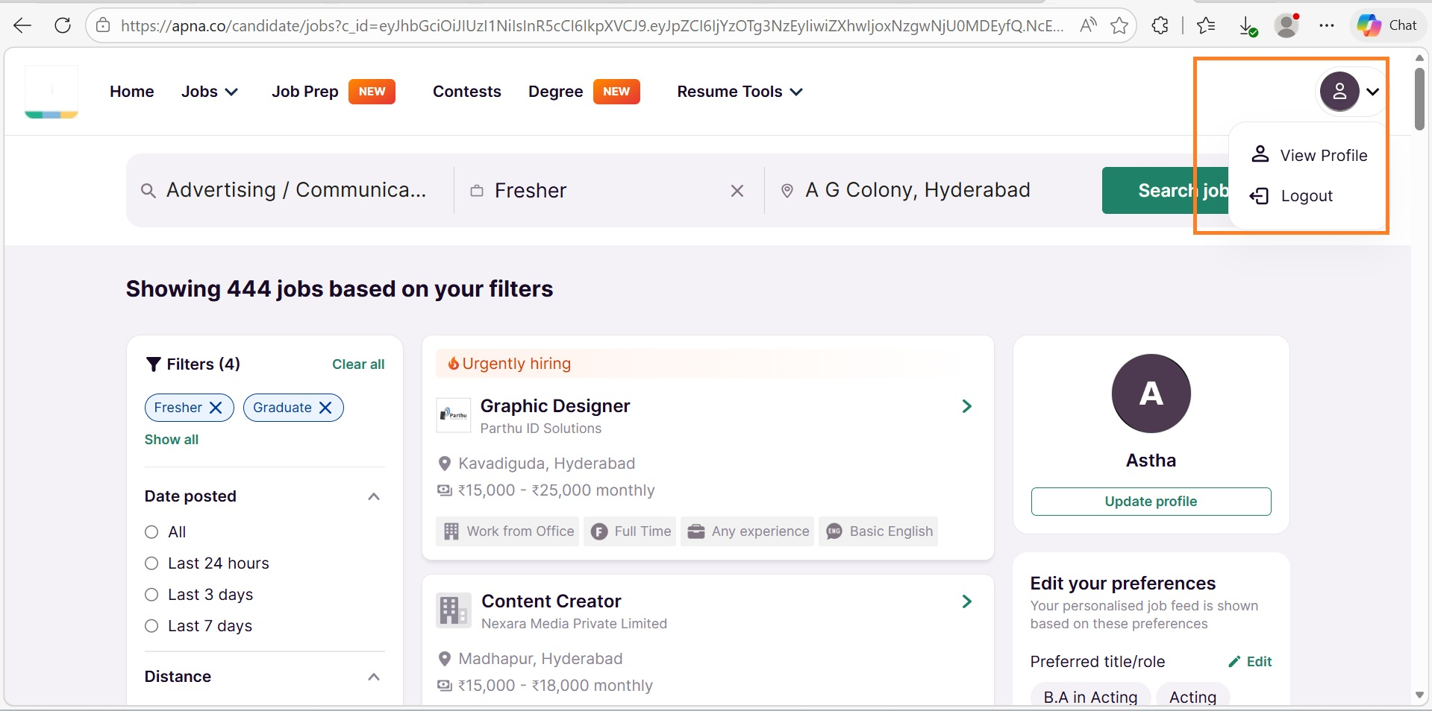

Defect Report-CaseStudy
Defect ID | Defect Description | Steps to Reproduce | Priority | Severity | Status | Created By | Assigned To | Screenshot
1 | The cart icon continues to display the previous item count even after all the items have been removed. | 1. Launch www.google.com 2. Search for https://www.hollandandbarrett.com/ 3. Search for any product. 4. Add one or more products to the cart 5. Click on the cart icon and remove all the items from the cart. 6. Observe the cart/item count is still displayed on the header. | High | Major | New | Souvik Layek | Raghavendra BN | 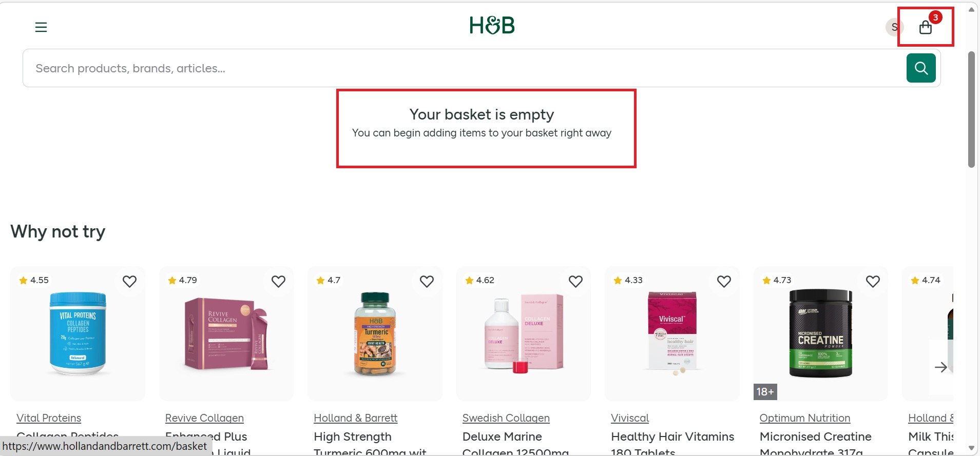
2 | The website accepts invalid email address and allows the subscription process to proceed without any validation. | 1. Launch www.google.com 2. Search for https://automationexercise.com/ 3.Scroll down to the Subscription section present at the footer. 4.Enter invalid email address 5.Click on Subscribe button. 6. Observe the system response. | Medium | Major | New | Souvik Layek | Raghavendra BN | 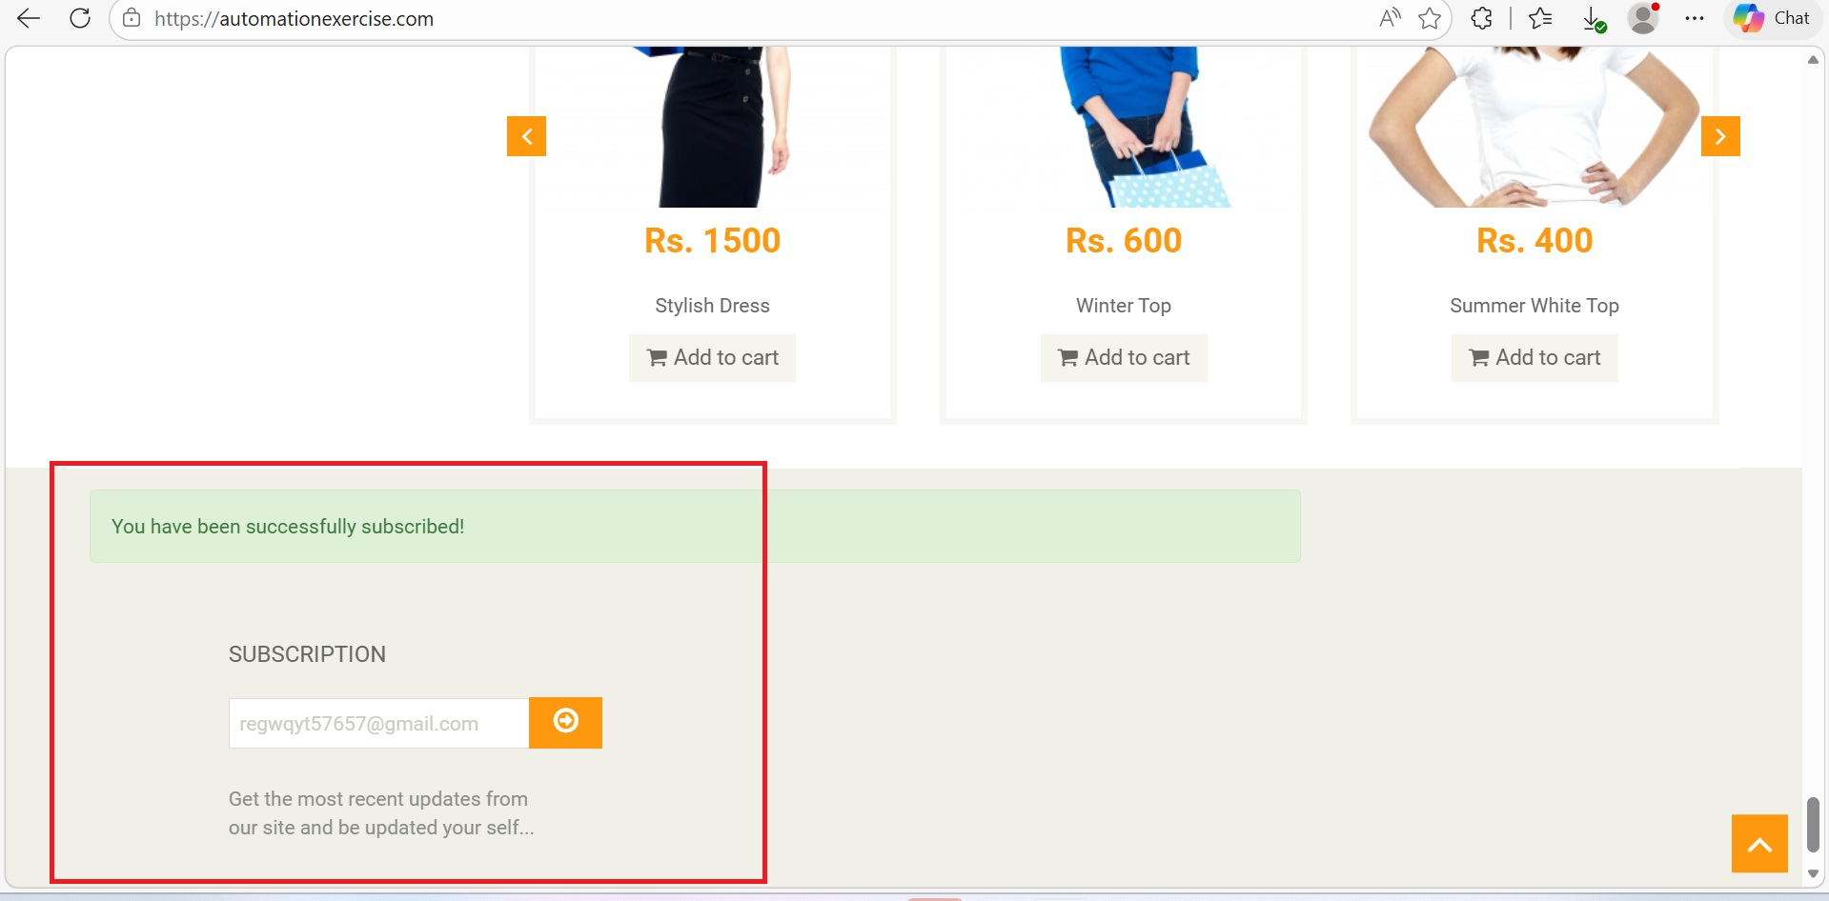
3 | The same product is added multiple times and displayed as seperate entries in the cart. | 1. Launch www.google.com 2. Search for https://www.demoblaze.com/ 3. Select any product from the home page and then click on Add to Cart 4. Navigate back to the home page. 5. Click on the same product again. 6.Click on Add to Cart once more. 7.Navigate to the cart page. 8.Observe the cart contains | High | Major | New | Souvik Layek | Raghavendra BN | 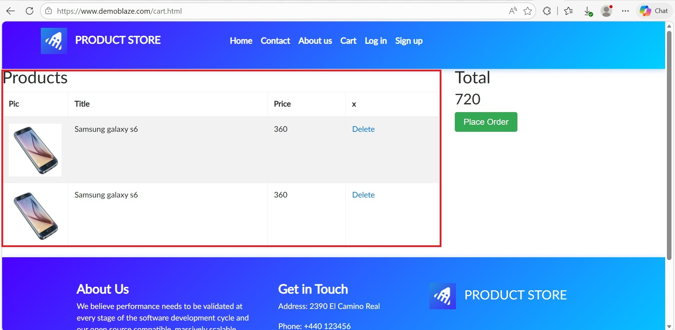
4 | The website accepts the weak password and allows the user to create an account successfully. | 1. Launch www.google.com 2. Search for https://www.demoblaze.com/ 3. Click on Sign up. 4. Enter a valid username 5. Enter a weak password( Eg.123) 6.Click on Sign up 7.Observe the system response. | High | Major | New | Souvik Layek | Raghavendra BN | 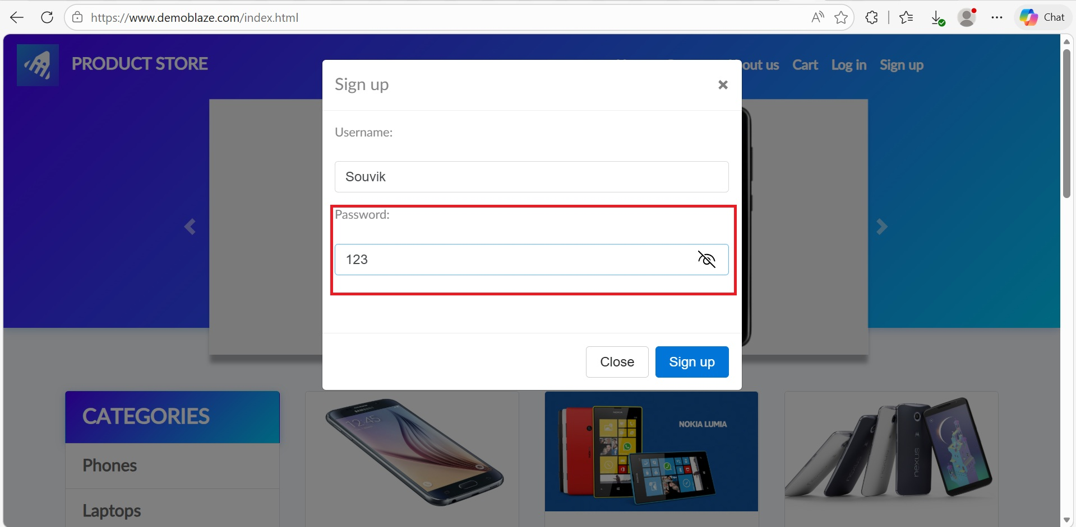
5 | The website accepts alphabetic characters in the Phone Number field and allows the registration process to complete. | 1. Launch www.google.com 2. Search for https://parabank.parasoft.com/parabank/register.htm 3. Click on Register 4.Fill the fields with valid data. 5.In the phone number field enter alphabetic characters( Eg.abcd) 6.Complete the remaining fields. 7. Observe the system response. | High | Major | New | Souvik Layek | Raghavendra BN | 