Dashboard
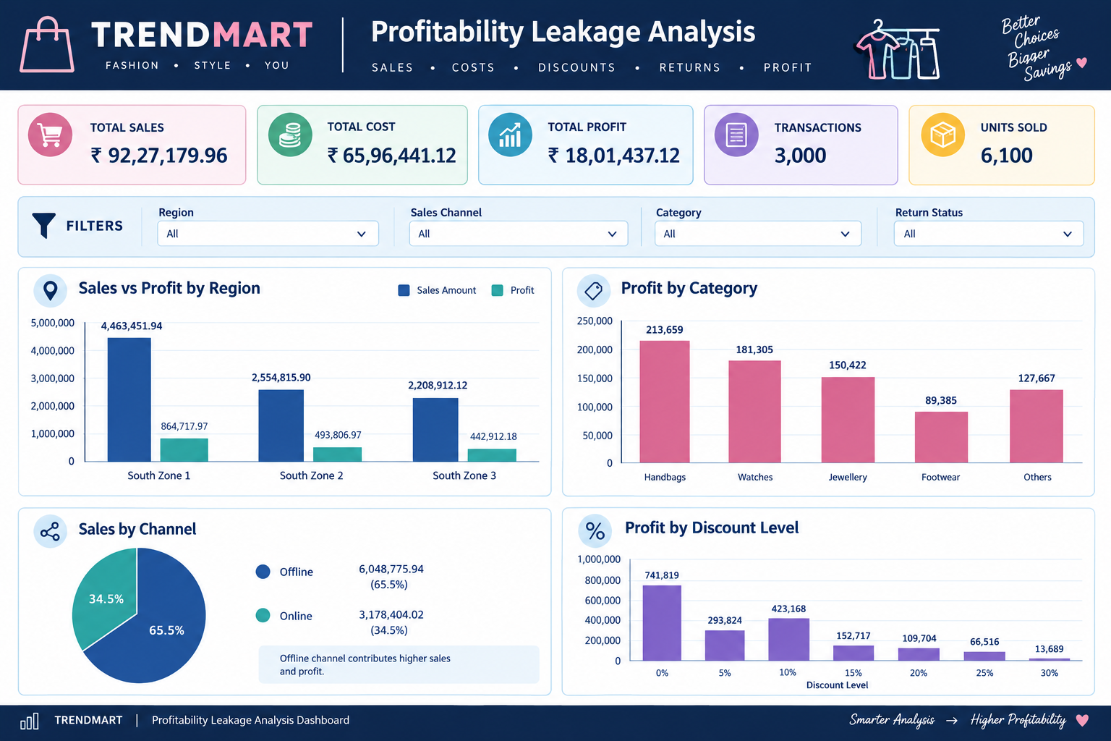

PROFIT MARGIN % 19.52%
Monthly Sales and Profit Trend
 | Sum of Sales Amount | Sum of Profit
Jan | 305785.71 | 54939.07
Feb | 655012.42 | 118923.49
Mar | 653554.07 | 140182.08
Apr | 683356.93 | 131910.18
May | 716615.74 | 143626.61
Jun | 705197.67 | 125032.19
Jul | 575940.09 | 110065.95
Aug | 624765.64 | 122773.23
Sep | 842808.66 | 177387.37
Oct | 1519147.06 | 301165.34
Nov | 1054251.36 | 194655.84
Dec | 890744.61 | 180775.77

₹92.27 L
₹65.96 L
₹18.01 L
3000
6100

Sales vs Profit by Region
 | Sum of Sales Amount | Sum of Profit
South Zone 1 | 4463451.94 | 864717.97
South Zone 2 | 2554815.9 | 493806.97
South Zone 3 | 2208912.12 | 442912.18
Profit by Category
 | Total
Wintr Wear | 3668.84
Kids Wear | 33376.6
Men Shirts | 35427.94
Belts | 36539.93
Men Jeans | 41174.84
Men Trousers | 42136.12
Wallets | 45490.94
Sportswear | 49595.82
Accessories | 54885.24
Women Tops | 64627.61
Winter Wear | 78331.7
Women Kurtis | 82676.47
Footwear | 89384.64
Women Jeans | 92155.45
Men T-Shirts | 94494.79
Men Ethnic | 96328.01
Women Dresses | 108303.11
Jewellery | 150422.21
Watches | 181304.56
Women Sarees | 202347.57
Handbags | 218764.73

Sales by Channel
 | Sum of Sales Amount | Sum of Profit
Offline | 6048775.94 | 1178961.76
Online | 3178404.02 | 622475.36
Profit by Discount Level
 | Total
0 | 741818.76
5 | 293823.9
10 | 423167.98
15 | 152717.32
20 | 109703.73
25 | 66516.42
30 | 13689.01

Sheet7


TOTAL SALES
₹92.27 L
PROFIT MARGIN %
19.52%
FALSE
TOTAL COST
₹65.96 L
TOTAL PROFIT
₹18.01 L
TRANSACTIONS
3000
UNITS SOLD
6100

Sales vs Profit by Region
 | Sum of Sales Amount | Sum of Profit
South Zone 1 | 4463451.94 | 864717.97
South Zone 2 | 2554815.9 | 493806.97
South Zone 3 | 2208912.12 | 442912.18
Profit by Category
 | Total
Wintr Wear | 3668.84
Kids Wear | 33376.6
Men Shirts | 35427.94
Belts | 36539.93
Men Jeans | 41174.84
Men Trousers | 42136.12
Wallets | 45490.94
Sportswear | 49595.82
Accessories | 54885.24
Women Tops | 64627.61
Winter Wear | 78331.7
Women Kurtis | 82676.47
Footwear | 89384.64
Women Jeans | 92155.45
Men T-Shirts | 94494.79
Men Ethnic | 96328.01
Women Dresses | 108303.11
Jewellery | 150422.21
Watches | 181304.56
Women Sarees | 202347.57
Handbags | 218764.73

Monthly Sales and Profit Trend
 | Sum of Sales Amount | Sum of Profit
Jan | 305785.71 | 54939.07
Feb | 655012.42 | 118923.49
Mar | 653554.07 | 140182.08
Apr | 683356.93 | 131910.18
May | 716615.74 | 143626.61
Jun | 705197.67 | 125032.19
Jul | 575940.09 | 110065.95
Aug | 624765.64 | 122773.23
Sep | 842808.66 | 177387.37
Oct | 1519147.06 | 301165.34
Nov | 1054251.36 | 194655.84
Dec | 890744.61 | 180775.77
Sales by Channel
 | Sum of Sales Amount | Sum of Profit
Offline | 6048775.94 | 1178961.76
Online | 3178404.02 | 622475.36
Profit by Discount Level
 | Total
0 | 741818.76
5 | 293823.9
10 | 423167.98
15 | 152717.32
20 | 109703.73
25 | 66516.42
30 | 13689.01

