Sheet1
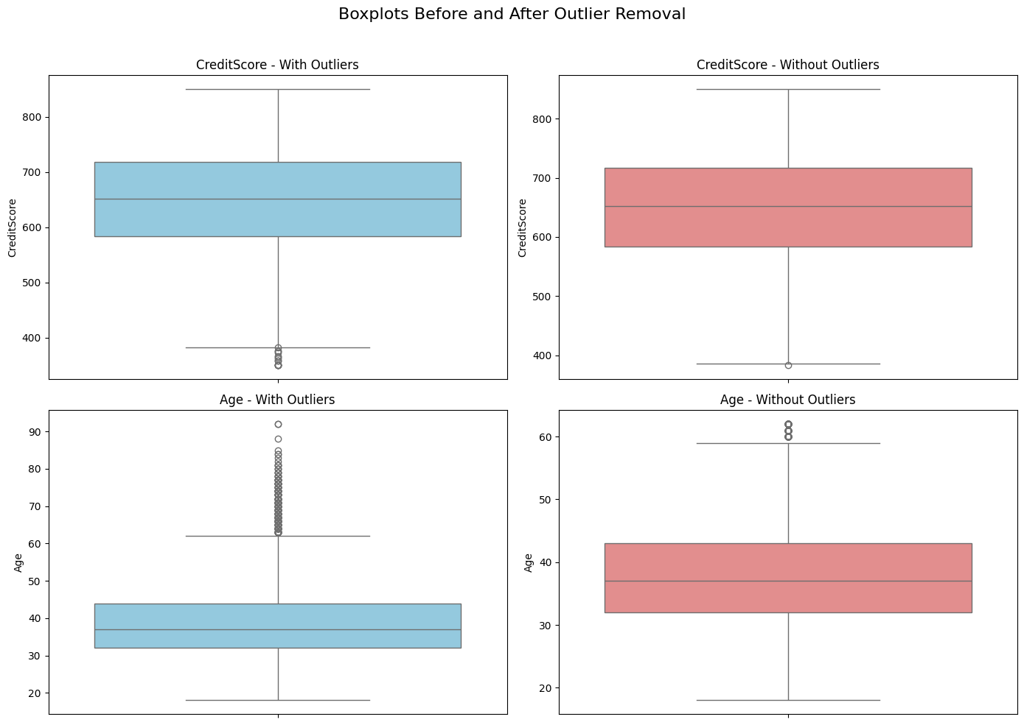
80-20 split for LOGISTIC REGRESSION
Metric | Class 0 (Not Exited) | Class 1 (Exited) | Accuracy | Macro Avg | Weighted Avg
Precision | 0.9 | 0.39 | 0.72 | 0.64 | 0.8
Recall | 0.73 | 0.68 |  | 0.7 | 0.72
F1-Score | 0.81 | 0.5 |  | 0.65 | 0.74
Support | 1593 | 407 | 2000 | 2000 | 2000

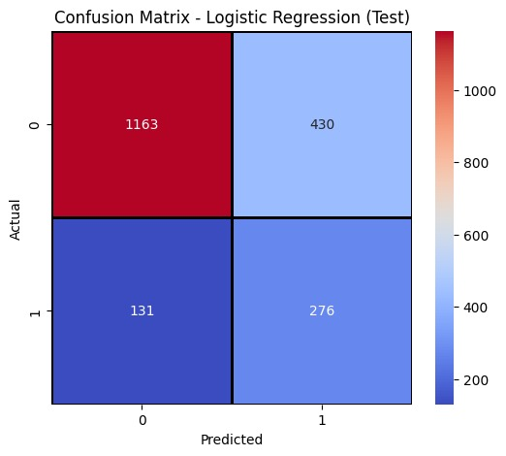 |  |  | 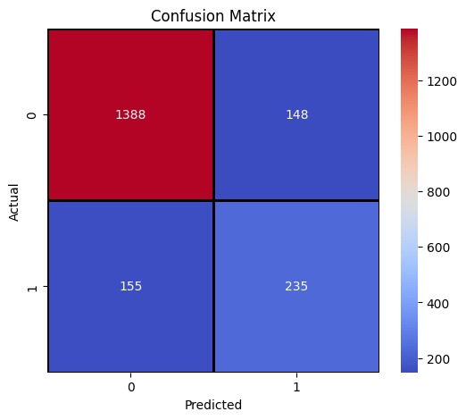
80-20 split for XGBoost

Metric | Class 0 (Not Exited) | Class 1 (Exited) | Accuracy | Macro Avg | Weighted Avg
Precision | 0.9 | 0.61 | 0.84 | 0.76 | 0.84
Recall | 0.9 | 0.6 |  | 0.75 | 0.84
F1-Score | 0.9 | 0.61 |  | 0.75 | 0.84
Support | 1536 | 390 | 1926 | 1926 | 1926

