Automation Testing
1 | Question | Imagine that we built this UI with the same functionality (Input field, close button, submit button) one hundred times, each having a slightly different user interface with it (adding/removing a logo at the top, the styling of the button changes, the additional input field for name, etc). Please write your solution (in the “Report” file) to automate the testing of these UI elements as much as possible
Solution |  | If we have slightly different UI based on Customers . For example : we have 100 Customers and based on their prefenerce the UI can be slightly customized. In this scenario, We can automate the UI validation of all Customers in the same test by adding conditions/business rules for each customer in the test Ex: (can use if/switch statements) if(Customer==Rayban){ validate "name" field } if(Customer==Lauren){ validate "brand" field } validate "discordId" field validate "Submit button"

2 | Question | What would you ask of the front-end developers to start/stop doing, to facilitate the automation of testing?
Solution |  | I would ask front end developers to add automation specific attribute for each element they are adding/introducing in the DOM. Ex : data-qa-id( attribute name) By adding automation specific identifiers for elements in the DOM , there will be less ot no impact when there is a change in the DOM structure or when there is a change in other attributes like class/id. The automation script maintenance efforts will be less and minimized

3 | Question | What sort of general unit tests would you write to ensure the consistency and stability of the application? What sort of tools would you use?
Solution |  | I'll include test cases for lots of different user interface (UI) elements. These include formatting, visible text, graphics, and style/layout (CSS) as well as all the functional aspects of the app such as buttons, submit forms, and clickable links. Tools: For Unit testing - Jest Regression testing - WebdriverIO/Cypress/Playwright

4 | Question | How would you improve this test?
Solution |  | I would improve the tests by adding scenarios like - How responsive these features are How quickly do they load what are the response times to user actions Are they fast enough at executing user requests

5 | Question | Write a unit test that validates that the input field adheres to the structure expected (DiscordName#3234).
Solution |  | 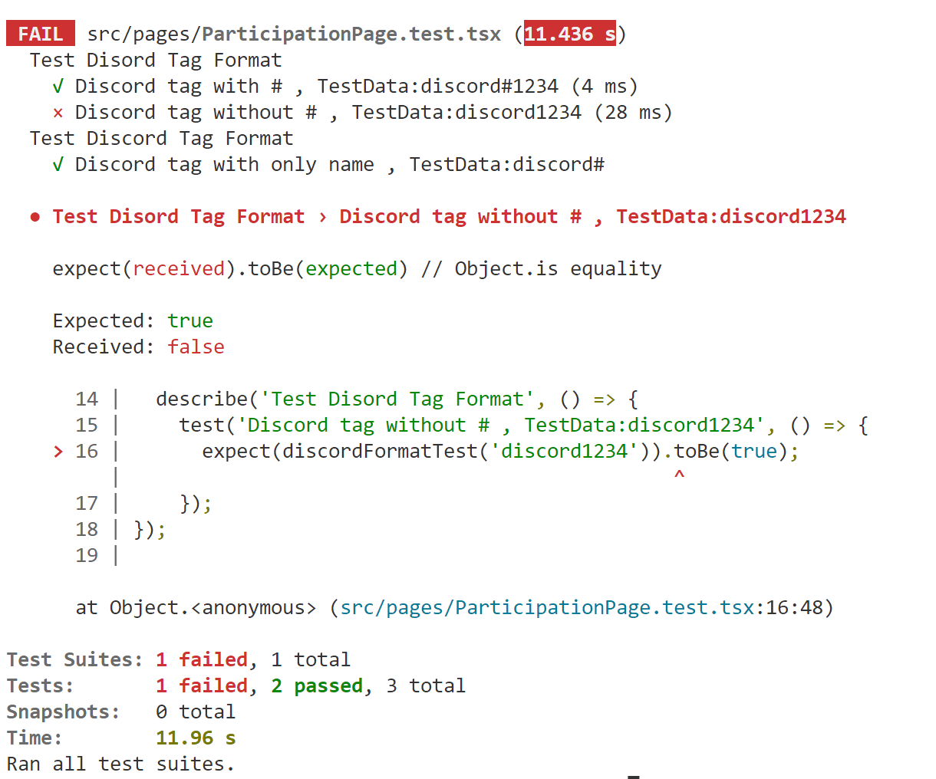 I have written a basic test that validates the error logic implemented in the ParticipationPage.tsx Unit test tools : Jest Unit Test file : ParticipationPage.test.tsx Note: I haven't written any front end unit test cases as part of QA automation. Hence the unit testing wan not done completely with mocking

