빅분기필기_교안답지
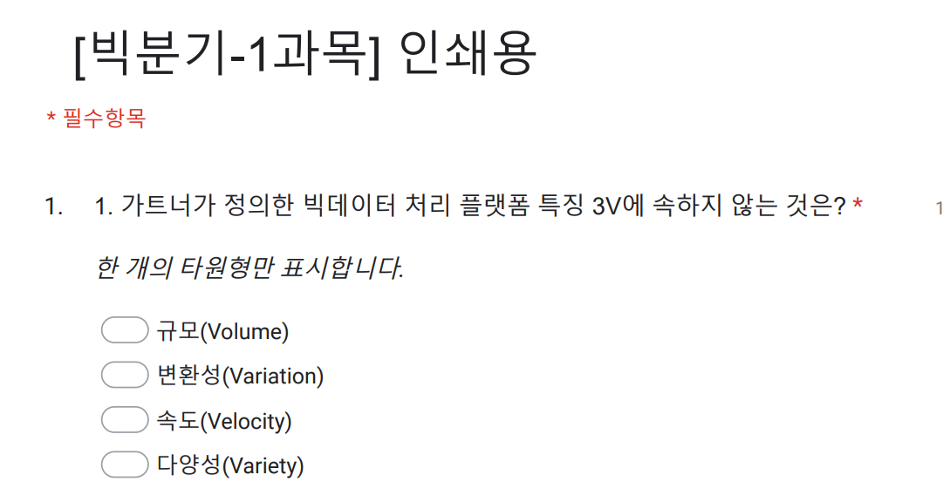
이것이 답지에서 사용한 문제 번호 입니다.
구글클래스룸
문제번호 | 교재 | 1과목 | 문제번호 | 교재 | 2과목 | 문제번호 | 교재 | 2과목 | 문제번호 | 교재 | 3과목 | 문제번호 | 교재 | 3과목 | 문제번호 | 교재 | 4과목
1 | S1-01 1Q-1 | 2 | 1 | S2-01 2Q-1 | 3 | 57 | S2-04 2Q-2 | 3 | 1 | S3-01 1Q-1 | 4 | 57 | S3-03 1Q-3 | 3 | 1 | S4-01 1Q-1 | 1
2 | S1-01 1Q-2 | 3 | 2 | S2-01 2Q-2 | 1 | 58 | S2-04 2Q-3 | 3 | 2 | S3-01 1Q-2 | 3 | 58 | S3-03 1Q-4 | 2 | 2 | S4-01 1Q-2 | 1
3 | S1-01 1Q-3 | 4 | 3 | S2-01 2Q-3 | 1 | 59 | S2-04 2Q-4 | 4 | 3 | S3-01 1Q-3 | 1 | 59 | S3-03 1Q-5 | 4 | 3 | S4-01 2Q-1 | 3
4 | S1-01 3Q-1 | 2 | 4 | S2-01 2Q-4 | 4 | 60 | S2-04 3Q-1 | 3 | 4 | S3-01 1Q-4 | 4 | 60 | S3-03 1Q-6 | 4 | 4 | S4-01 2Q-2 | 3
5 | S1-01 4Q-1 | 3 | 5 | S2-01 2Q-5 | 3 | 61 | S2-04 3Q-2 | 1 | 5 | S3-01 1Q-5 | 3 | 61 | S3-03 1Q-7 | 3 | 5 | S4-01 2Q-3 | 2
6 | S1-02 1Q-1 | 3 | 6 | S2-01 2Q-6 | 1 | 62 | S2-04-3Q-3 | 2 | 6 | S3-01 1Q-6 | 2 | 62 | S3-03 1Q-8 | 2 | 6 | S4-01 2Q-4 | 2
7 | S1-02 1Q-2 | 1 | 7 | S2-01 2Q-7 | 1 | 63 | S2-04-3Q-4 | 3 | 7 | S3-01 1Q-7 | 4 | 63 | S3-03 3Q-1 | 2 | 7 | S4-01 2Q-5 | 2
8 | S1-02 1Q-3 | 1 | 8 | S2-01 2Q-8 | 3 | 64 | S2-04-3Q-5 | 3 | 8 | S3-01 1Q-8 | 3 | 64 | S3-03 3Q-2 | 1 | 8 | S4-01 2Q-6 | 4
9 | S1-02 2Q-1 | 1 | 9 | S2-01 2Q-9 | 3 | 65 | S2-04-3Q-6 | 1 | 9 | S3-01 2Q-1 | 2 | 65 | S3-03 3Q-3 | 4 | 9 | S4-01 2Q-7 | 3
10 | S1-02 2Q-2 | 1 | 10 | S2-01 2Q-10 | 4 | 66 | S2-04 4Q-1 | 4 | 10 | S3-01 2Q-2 | 3 | 66 | S3-03 3Q-4 | 2 | 10 | S4-01 2Q-8 | 1
11 | S1-02 3Q-1 | 2 | 11 | S2-02 1Q-1 | 3 | 67 | S2-04 4Q-2 | 2 | 11 | S3-01 3Q-1 | 1 | 67 | S3-03 3Q-5 | 4 | 11 | S4-01 2Q-9 | 4
12 | S1-02 3Q-2 | 2 | 12 | S2-02 1Q-2 | 2 | 68 | S2-04 4Q-3 | 1 | 12 | S3-01 3Q-2 | 2 | 68 | S3-03 3Q-6 | 1 | 12 | S4-01 2Q-10 | 1
13 | S1-02 3Q-3 | 3 | 13 | S2-02 2Q-1 | 2 | 69 | S2-04 4Q-4 | 2 | 13 | S3-01 3Q-3 | 1 | 69 | S3-03 4Q-1 | 1 | 13 | S4-01 2Q-11 | 4
14 | S1-02 3Q-4 | 4 | 14 | S2-02 2Q-2 | 4 | 70 | S2-04 5Q-1 | 4 | 14 | S3-01 3Q-4 | 4 | 70 | S3-03 4Q-2 | 4 | 14 | S4-01 2Q-12 | 2
15 | S1-02 3Q-5 | 1 | 15 | S2-02 2Q-3 | 1 | 71 | S2-04 5Q-2 | 1 | 15 | S3-01 3Q-5 | 4 | 71 | S3-03 4Q-3 | 1 | 15 | S4-01 2Q-13 | 1
16 | S1-02 3Q-6 | 3 | 16 | S2-02 2Q-4 | 3 | 72 | S2-04 7Q-1 | 3 | 16 | S3-01 3Q-6 | 2 | 72 | S3-03 5Q-1 | 3 | 16 | S4-01 2Q-14 | 3
17 | S1-02 3Q-7 | 4 | 17 | S2-02 2Q-5 | 3 | 73 | S2-04 7Q-2 | 3 | 17 | S3-01 3Q-7 | 2 |  |  |  | 17 | S4-01 2Q-15 | 3
18 | S1-02 4Q-1 | 3 | 18 | S2-02 2Q-6 | 4 | 74 | S2-04 7Q-3 | 3 | 18 | S3-02 1Q-1 | 3 |  |  |  | 18 | S4-01 2Q-16 | 2
19 | S1-02 4Q-2 | 4 | 19 | S2-02 2Q-7 | 2 | 75 | S2-04 7Q-4 | 2 | 19 | S3-02 1Q-2 | 1 |  |  |  | 19 | S4-01 3Q-1 | 2
20 | S1-02 4Q-3 | 4 | 20 | S2-02 2Q-8 | 2 | 76 | S2-04 7Q-5 | 2 | 20 | S3-02 1Q-3 | 2 |  |  |  | 20 | S4-02 1Q-1 | 3
21 | S1-02 4Q-4 | 2 | 21 | S2-02 3Q-1 | 3 |  |  |  | 21 | S3-02 1Q-4 | 3 |  |  |  | 21 | S4-02 1Q-2 | 4
22 | S1-02 4Q-5 | 3 | 22 | S2-02 4Q-1 | 2 |  |  |  | 22 | S3-02 1Q-5 | 3 |  |  |  | 22 | S4-02 1Q-3 | 2
23 | S1-02 4Q-6 | 4 | 23 | S2-02 4Q-2 | 1 |  |  |  | 23 | S3-02 1Q-6 | 4 |  |  |  | 23 | S4-02 1Q-4 | 1
24 | S1-02 4Q-7 | 2 | 24 | S2-02 4Q-3 | 3 |  |  |  | 24 | S3-02 1Q-7 | 2 |  |  |  | 24 | S4-02 1Q-5 | 3
25 | S1-03 1Q-1 | 1 | 25 | S2-02 4Q-4 | 4 |  |  |  | 25 | S3-02 1Q-8 | 3 |  |  |  | 25 | S4-02 1Q-6 | 2
26 | S1-03 1Q-2 | 2 | 26 | S2-02 4Q-5 | 2 |  |  |  | 26 | S3-02 2Q-1 | 1 |  |  |  | 26 | S4-02 1Q-7 | 4
27 | S1-03 1Q-3 | 2 | 27 | S2-02 4Q-6 | 3 |  |  |  | 27 | S3-02 2Q-2 | 4 |  |  |  | 27 | S4-02 2Q-1 | 2
28 | S1-03 1Q-4 | 4 | 28 | S2-02 5Q-1 | 1 |  |  |  | 28 | S3-02 2Q-3 | 2 |  |  |  | 28 | S4-02 2Q-2 | 4
29 | S1-03 2Q-1 | 2 | 29 | S2-02 5Q-2 | 3 |  |  |  | 29 | S3-02 2Q-4 | 1 |  |  |  | 29 | S4-02 2Q-3 | 1
30 | S1-03 2Q-2 | 2 | 30 | S2-02 5Q-3 | 2 |  |  |  | 30 | S3-02 2Q-5 | 4 |  |  |  | 30 | S4-02 2Q-4 | 3
31 | S1-03 3Q-1 | 3 | 31 | S2-03 1Q-1 | 2 |  |  |  | 31 | S3-02 2Q-6 | 1
32 | S1-03 3Q-2 | 4 | 32 | S2-03 1Q-2 | 2 |  |  |  | 32 | S3-02 3Q-1 | 2
33 | S1-03 3Q-3 | 2 | 33 | S2-03 2Q-1 | 4 |  |  |  | 33 | S3-02 3Q-2 | 3
34 | S1-04 2Q-1 | 2 | 34 | S2-03 2Q-2 | 3 |  |  |  | 34 | S3-02 3Q-3 | 1
35 | S1-04 2Q-2 | 2 | 35 | S2-03 2Q-3 | 2 |  |  |  | 35 | S3-02 3Q-4 | 4
36 | S1-04 2Q-3 | 1 | 36 | S2-03 3Q-1 | 2 |  |  |  | 36 | S3-02 4Q-1 | 4
37 | S1-04 2Q-4 | 3 | 37 | S2-03 3Q-2 | 2 |  |  |  | 37 | S3-02 4Q-2 | 3
38 | S1-04 2Q-5 | 3 | 38 | S2-03 3Q-3 | 1 |  |  |  | 38 | S3-02 4Q-3 | 2
39 | S1-04 2Q-6 | 4 | 39 | S2-03 3Q-4 | 1 |  |  |  | 39 | S3-02 4Q-4 | 3
40 | S1-04 2Q-7 | 3 | 40 | S2-03 3Q-5 | 2 |  |  |  | 40 | S3-02 5Q-1 | 2
41 | S1-04 2Q-8 | 1 | 41 | S2-03 3Q-6 | 2 |  |  |  | 41 | S3-02 5Q-2 | 4
42 | S1-04 2Q-9 | 3 | 42 | S2-03 3Q-7 | 1 |  |  |  | 42 | S3-02 5Q-3 | 2
43 | S1-05 1Q-1 | 1 | 43 | S2-03 3Q-8 | 2 |  |  |  | 43 | S3-02 5Q-4 | 3
44 | S1-05 3Q-1 | 1 | 44 | S2-03 3Q-9 | 3 |  |  |  | 44 | S3-02 5Q-5 | 3
45 | S1-05 4Q-1 | 4 | 45 | S2-03 3Q-10 | 3 |  |  |  | 45 | S3-02 6Q-1 | 3
46 | S1-05 4Q-2 | 2 | 46 | S2-03 3Q-11 | 4 |  |  |  | 46 | S3-02 6Q-2 | 2
47 | S1-05 4Q-3 | 4 | 47 | S2-03 3Q-12 | 2 |  |  |  | 47 | S3-02 6Q-3 | 4
48 | S1-05 4Q-4 | 1 | 48 | S2-03 3Q-13 | 2 |  |  |  | 48 | S3-02 6Q-4 | 2
49 | S1-06 1Q-1 | 2 | 49 | S2-04 1Q-1 | 3 |  |  |  | 49 | S3-02 6Q-5 | 1
50 | S1-06 1Q-2 | 1 | 50 | S2-04 1Q-2 | 3 |  |  |  | 50 | S3-02 6Q-6 | 2
51 | S1-06 2Q-1 | 4 | 51 | S2-04 1Q-3 | 3 |  |  |  | 51 | S3-02 6Q-7 | 4
52 | S1-06 2Q-2 | 3 | 52 | S2-04 1Q-4 | 4 |  |  |  | 52 | S3-02 7Q-1 | 3
53 | S1-06 2Q-3 | 3 | 53 | S2-04 1Q-5 | 3 |  |  |  | 53 | S3-02 7Q-2 | 2
54 | S1-06 2Q-4 | 3 | 54 | S2-04 1Q-6 | 2 |  |  |  | 54 | S3-02 8Q-1 | 3
55 | S1-06 2Q-5 | 1 | 55 | S2-04 1Q-7 | 4 |  |  |  | 55 | S3-03 1Q-1 | 1
56 | S1-06 2Q-6 | 3 | 56 | S2-04 2Q-1 | 3 |  |  |  | 56 | S3-03 1Q-2 | 2

