Components Log
Component ID | Description | Material | Image
CMP001 | Component 1 | Steel | 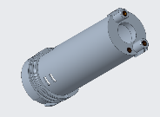
CMP002 | Component 2 | Aluminum | 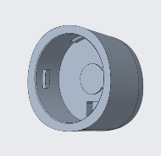
CMP003 | Component 3 | Titanium | 