Components Log
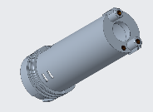
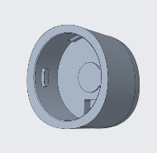
Component ID | Description | Material | Image
CMP001 | Component 1 | Steel
CMP002 | Component 2 | Aluminum
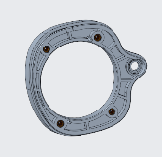
CMP003 | Component 3 | Titanium

