指标
序号 | 日期 | M2
 | 指标名称 | M2
 | 指标ID | EMM00087085
 | 频率 | 月
 | 单位 | 亿元
 | 时间区间 | 1990-12~2025-01
 | 来源 | 中国人民银行
 | 国家 | 中国
 | 更新时间 | 2025-02-14
 | 表名 | 货币供应量(月)
1 | 1990-12 | 15,293.40
2 | 1991-12 | 19,349.90
3 | 1992-12 | 25,402.20
4 | 1993-01 | 27,243.07
5 | 1993-02 | 27,678.33
6 | 1993-03 | 28,113.60
7 | 1993-04 | 28,548.87
8 | 1993-05 | 28,984.13
9 | 1993-06 | 29,419.40
10 | 1993-07 | 29,730.67
11 | 1993-08 | 29,834.42
12 | 1993-09 | 30,353.20
13 | 1993-10 | 31,334.07
14 | 1993-11 | 31,661.02
15 | 1993-12 | 33,295.80
16 | 1994-01 | 34,010.27
17 | 1994-02 | 34,248.42
18 | 1994-03 | 35,439.20
19 | 1994-04 | 36,390.33
20 | 1994-05 | 36,707.38
21 | 1994-06 | 38,292.60
22 | 1994-07 | 39,369.77
23 | 1994-08 | 39,728.82
24 | 1994-09 | 41,524.10
25 | 1994-10 | 42,625.13
26 | 1994-11 | 42,992.14
27 | 1994-12 | 44,827.20
28 | 1995-01 | 45,875.90
29 | 1995-02 | 46,225.47
30 | 1995-03 | 47,973.30
31 | 1995-04 | 48,878.10
32 | 1995-05 | 49,179.70
33 | 1995-06 | 50,687.70
34 | 1995-07 | 51,872.73
35 | 1995-08 | 52,267.74
36 | 1995-09 | 54,242.80
37 | 1995-10 | 55,579.20
38 | 1995-11 | 56,024.67
39 | 1995-12 | 58,252.00
40 | 1996-01 | 58,401.00
41 | 1996-02 | 63,778.00
42 | 1996-03 | 64,511.00
43 | 1996-04 | 65,723.00
44 | 1996-05 | 66,880.00
45 | 1996-06 | 68,132.00
46 | 1996-07 | 69,346.00
47 | 1996-08 | 72,309.00
48 | 1996-09 | 69,643.00
49 | 1996-10 | 73,152.20
50 | 1996-11 | 74,142.00
51 | 1996-12 | 76,094.90
52 | 1997-01 | 78,648.00
53 | 1997-02 | 78,998.00
54 | 1997-03 | 79,889.00
55 | 1997-04 | 80,818.00
56 | 1997-05 | 81,151.00
57 | 1997-06 | 82,789.00
58 | 1997-07 | 83,460.00
59 | 1997-08 | 84,746.00
60 | 1997-09 | 85,892.00
61 | 1997-10 | 86,644.00
62 | 1997-11 | 87,590.00
63 | 1997-12 | 90,995.30
64 | 1998-01 | 92,211.40
65 | 1998-02 | 92,024.00
66 | 1998-03 | 92,015.00
67 | 1998-04 | 92,662.00
68 | 1998-05 | 93,936.00
69 | 1998-06 | 94,658.00
70 | 1998-07 | 96,314.00
71 | 1998-08 | 97,299.00
72 | 1998-09 | 99,795.00
73 | 1998-10 | 100,875.20
74 | 1998-11 | 102,229.00
75 | 1998-12 | 104,498.50
76 | 1999-01 | 105,500.00
77 | 1999-02 | 107,778.00
78 | 1999-03 | 108,438.00
79 | 1999-04 | 109,218.00
80 | 1999-05 | 110,061.00
81 | 1999-06 | 111,363.00
82 | 1999-07 | 111,414.00
83 | 1999-08 | 112,827.00
84 | 1999-09 | 115,079.00
85 | 1999-10 | 115,390.00
86 | 1999-11 | 116,559.00
87 | 1999-12 | 117,638.10
88 | 2000-01 | 118,907.80
89 | 2000-02 | 119,353.60
90 | 2000-03 | 120,399.58
91 | 2000-04 | 121,914.77
92 | 2000-05 | 121,902.65
93 | 2000-06 | 124,486.78
94 | 2000-07 | 124,192.78
95 | 2000-08 | 125,673.26
96 | 2000-09 | 128,352.61
97 | 2000-10 | 127,432.53
98 | 2000-11 | 128,887.40
99 | 2000-12 | 132,487.52
100 | 2001-01 | 135,685.99
101 | 2001-02 | 134,390.49
102 | 2001-03 | 136,915.12
103 | 2001-04 | 138,121.03
104 | 2001-05 | 137,219.27
105 | 2001-06 | 141,885.60
106 | 2001-07 | 140,076.48
107 | 2001-08 | 143,787.30
108 | 2001-09 | 151,822.60
109 | 2001-10 | 146,157.58
110 | 2001-11 | 154,088.30
111 | 2001-12 | 152,888.50
112 | 2002-01 | 157,853.45
113 | 2002-02 | 159,182.97
114 | 2002-03 | 162,300.93
115 | 2002-04 | 162,825.22
116 | 2002-05 | 164,268.36
117 | 2002-06 | 167,869.41
118 | 2002-07 | 169,122.95
119 | 2002-08 | 171,524.20
120 | 2002-09 | 175,254.87
121 | 2002-10 | 175,534.74
122 | 2002-11 | 178,018.43
123 | 2002-12 | 183,246.94
124 | 2003-01 | 188,918.38
125 | 2003-02 | 188,444.37
126 | 2003-03 | 192,832.44
127 | 2003-04 | 194,476.98
128 | 2003-05 | 197,811.96
129 | 2003-06 | 203,071.74
130 | 2003-07 | 204,381.10
131 | 2003-08 | 208,692.40
132 | 2003-09 | 211,611.50
133 | 2003-10 | 212,505.40
134 | 2003-11 | 214,358.84
135 | 2003-12 | 219,226.81
136 | 2004-01 | 225,101.93
137 | 2004-02 | 227,050.72
138 | 2004-03 | 231,654.60
139 | 2004-04 | 233,627.86
140 | 2004-05 | 234,842.40
141 | 2004-06 | 238,427.49
142 | 2004-07 | 234,842.40
143 | 2004-08 | 239,729.19
144 | 2004-09 | 243,757.00
145 | 2004-10 | 243,740.00
146 | 2004-11 | 247,135.58
147 | 2004-12 | 253,207.70
148 | 2005-01 | 257,708.47
149 | 2005-02 | 259,357.29
150 | 2005-03 | 264,588.94
151 | 2005-04 | 266,992.66
152 | 2005-05 | 269,240.49
153 | 2005-06 | 275,785.53
154 | 2005-07 | 276,966.28
155 | 2005-08 | 281,288.22
156 | 2005-09 | 287,438.27
157 | 2005-10 | 287,591.61
158 | 2005-11 | 292,350.39
159 | 2005-12 | 298,755.48
160 | 2006-01 | 303,571.65
161 | 2006-02 | 304,516.27
162 | 2006-03 | 310,490.65
163 | 2006-04 | 313,702.34
164 | 2006-05 | 316,709.81
165 | 2006-06 | 322,756.35
166 | 2006-07 | 324,010.76
167 | 2006-08 | 327,885.67
168 | 2006-09 | 331,865.36
169 | 2006-10 | 332,747.17
170 | 2006-11 | 337,504.15
171 | 2006-12 | 345,577.91
172 | 2007-01 | 351,498.77
173 | 2007-02 | 358,659.25
174 | 2007-03 | 364,104.66
175 | 2007-04 | 367,326.45
176 | 2007-05 | 369,718.15
177 | 2007-06 | 377,832.15
178 | 2007-07 | 383,884.88
179 | 2007-08 | 387,205.04
180 | 2007-09 | 393,098.91
181 | 2007-10 | 394,204.17
182 | 2007-11 | 399,757.91
183 | 2007-12 | 403,401.30
184 | 2008-01 | 417,846.17
185 | 2008-02 | 421,037.84
186 | 2008-03 | 423,054.53
187 | 2008-04 | 429,313.72
188 | 2008-05 | 436,221.60
189 | 2008-06 | 443,141.02
190 | 2008-07 | 446,362.17
191 | 2008-08 | 448,846.68
192 | 2008-09 | 452,898.71
193 | 2008-10 | 453,133.32
194 | 2008-11 | 458,644.66
195 | 2008-12 | 475,166.60
196 | 2009-01 | 496,135.31
197 | 2009-02 | 506,708.07
198 | 2009-03 | 530,626.71
199 | 2009-04 | 540,481.21
200 | 2009-05 | 548,263.51
201 | 2009-06 | 568,916.20
202 | 2009-07 | 573,102.85
203 | 2009-08 | 576,698.95
204 | 2009-09 | 585,405.34
205 | 2009-10 | 586,643.29
206 | 2009-11 | 594,604.72
207 | 2009-12 | 610,224.52
208 | 2010-01 | 625,609.29
209 | 2010-02 | 636,072.26
210 | 2010-03 | 649,947.46
211 | 2010-04 | 656,561.22
212 | 2010-05 | 663,351.37
213 | 2010-06 | 673,921.72
214 | 2010-07 | 674,051.48
215 | 2010-08 | 687,506.92
216 | 2010-09 | 696,471.50
217 | 2010-10 | 699,776.74
218 | 2010-11 | 710,339.03
219 | 2010-12 | 725,851.79
220 | 2011-01 | 733,884.83
221 | 2011-02 | 736,130.86
222 | 2011-03 | 758,130.88
223 | 2011-04 | 757,384.56
224 | 2011-05 | 763,409.22
225 | 2011-06 | 780,820.85
226 | 2011-07 | 772,923.65
227 | 2011-08 | 780,852.30
228 | 2011-09 | 787,406.20
229 | 2011-10 | 816,829.25
230 | 2011-11 | 825,493.94
231 | 2011-12 | 851,590.90
232 | 2012-01 | 855,898.89
233 | 2012-02 | 867,171.42
234 | 2012-03 | 895,565.50
235 | 2012-04 | 889,604.04
236 | 2012-05 | 900,048.77
237 | 2012-06 | 924,991.20
238 | 2012-07 | 919,072.40
239 | 2012-08 | 924,894.59
240 | 2012-09 | 943,688.75
241 | 2012-10 | 936,404.28
242 | 2012-11 | 944,832.40
243 | 2012-12 | 974,148.80
244 | 2013-01 | 992,129.25
245 | 2013-02 | 998,600.83
246 | 2013-03 | 1,035,858.37
247 | 2013-04 | 1,032,551.90
248 | 2013-05 | 1,042,169.16
249 | 2013-06 | 1,054,403.69
250 | 2013-07 | 1,052,212.34
251 | 2013-08 | 1,061,256.43
252 | 2013-09 | 1,077,379.16
253 | 2013-10 | 1,070,242.17
254 | 2013-11 | 1,079,257.06
255 | 2013-12 | 1,106,524.98
256 | 2014-01 | 1,123,521.21
257 | 2014-02 | 1,131,760.83
258 | 2014-03 | 1,160,687.38
259 | 2014-04 | 1,168,812.67
260 | 2014-05 | 1,182,293.96
261 | 2014-06 | 1,209,587.20
262 | 2014-07 | 1,194,249.24
263 | 2014-08 | 1,197,499.08
264 | 2014-09 | 1,202,051.41
265 | 2014-10 | 1,199,236.31
266 | 2014-11 | 1,208,605.95
267 | 2014-12 | 1,228,374.81
268 | 2015-01 | 1,242,710.22
269 | 2015-02 | 1,257,380.48
270 | 2015-03 | 1,275,332.78
271 | 2015-04 | 1,280,779.14
272 | 2015-05 | 1,307,357.63
273 | 2015-06 | 1,333,375.36
274 | 2015-07 | 1,353,210.92
275 | 2015-08 | 1,356,907.98
276 | 2015-09 | 1,359,824.06
277 | 2015-10 | 1,361,020.70
278 | 2015-11 | 1,373,956.01
279 | 2015-12 | 1,392,278.11
280 | 2016-01 | 1,416,319.55
281 | 2016-02 | 1,424,618.68
282 | 2016-03 | 1,446,198.03
283 | 2016-04 | 1,445,209.59
284 | 2016-05 | 1,461,695.11
285 | 2016-06 | 1,490,491.83
286 | 2016-07 | 1,491,558.72
287 | 2016-08 | 1,510,982.91
288 | 2016-09 | 1,516,360.50
289 | 2016-10 | 1,519,485.40
290 | 2016-11 | 1,530,432.06
291 | 2016-12 | 1,550,066.67
292 | 2017-01 | 1,584,194.56
293 | 2017-02 | 1,589,857.00
294 | 2017-03 | 1,607,938.98
295 | 2017-04 | 1,603,918.84
296 | 2017-05 | 1,609,740.77
297 | 2017-06 | 1,639,497.05
298 | 2017-07 | 1,636,341.11
299 | 2017-08 | 1,652,947.30
300 | 2017-09 | 1,663,666.05
301 | 2017-10 | 1,662,449.96
302 | 2017-11 | 1,679,156.64
303 | 2017-12 | 1,690,235.31
304 | 2018-01 | 1,720,814.46
305 | 2018-02 | 1,729,070.12
306 | 2018-03 | 1,739,859.48
307 | 2018-04 | 1,737,683.73
308 | 2018-05 | 1,743,063.79
309 | 2018-06 | 1,770,178.37
310 | 2018-07 | 1,776,196.11
311 | 2018-08 | 1,788,670.43
312 | 2018-09 | 1,801,665.58
313 | 2018-10 | 1,795,561.60
314 | 2018-11 | 1,813,175.07
315 | 2018-12 | 1,826,744.22
316 | 2019-01 | 1,865,935.33
317 | 2019-02 | 1,867,427.45
318 | 2019-03 | 1,889,412.14
319 | 2019-04 | 1,884,670.33
320 | 2019-05 | 1,891,153.70
321 | 2019-06 | 1,921,360.19
322 | 2019-07 | 1,919,410.82
323 | 2019-08 | 1,935,492.43
324 | 2019-09 | 1,952,250.49
325 | 2019-10 | 1,945,600.55
326 | 2019-11 | 1,961,429.56
327 | 2019-12 | 1,986,488.82
328 | 2020-01 | 2,023,066.49
329 | 2020-02 | 2,030,830.42
330 | 2020-03 | 2,080,923.41
331 | 2020-04 | 2,093,533.83
332 | 2020-05 | 2,100,183.74
333 | 2020-06 | 2,134,948.66
334 | 2020-07 | 2,125,458.46
335 | 2020-08 | 2,136,836.91
336 | 2020-09 | 2,164,084.80
337 | 2020-10 | 2,149,720.42
338 | 2020-11 | 2,172,002.55
339 | 2020-12 | 2,186,795.89
340 | 2021-01 | 2,213,047.33
341 | 2021-02 | 2,236,030.26
342 | 2021-03 | 2,276,488.45
343 | 2021-04 | 2,262,107.12
344 | 2021-05 | 2,275,538.07
345 | 2021-06 | 2,317,788.36
346 | 2021-07 | 2,302,153.82
347 | 2021-08 | 2,312,267.68
348 | 2021-09 | 2,342,829.70
349 | 2021-10 | 2,336,160.48
350 | 2021-11 | 2,356,012.76
351 | 2021-12 | 2,382,899.56
352 | 2022-01 | 2,431,022.72
353 | 2022-02 | 2,441,488.90
354 | 2022-03 | 2,497,688.34
355 | 2022-04 | 2,499,710.90
356 | 2022-05 | 2,527,026.15
357 | 2022-06 | 2,581,451.20
358 | 2022-07 | 2,578,078.57
359 | 2022-08 | 2,595,068.27
360 | 2022-09 | 2,626,600.92
361 | 2022-10 | 2,612,914.57
362 | 2022-11 | 2,647,008.48
363 | 2022-12 | 2,664,320.84
364 | 2023-01 | 2,738,072.06
365 | 2023-02 | 2,755,249.23
366 | 2023-03 | 2,814,566.31
367 | 2023-04 | 2,808,469.34
368 | 2023-05 | 2,820,504.68
369 | 2023-06 | 2,873,023.83
370 | 2023-07 | 2,854,031.56
371 | 2023-08 | 2,869,343.25
372 | 2023-09 | 2,896,659.11
373 | 2023-10 | 2,882,276.07
374 | 2023-11 | 2,912,014.22
375 | 2023-12 | 2,922,713.33
376 | 2024-01 | 2,976,250.20
377 | 2024-02 | 2,995,572.97
378 | 2024-03 | 3,047,952.16
379 | 2024-04 | 3,011,941.98
380 | 2024-05 | 3,018,506.73
381 | 2024-06 | 3,050,161.54
382 | 2024-07 | 3,033,060.78
383 | 2024-08 | 3,050,461.27
384 | 2024-09 | 3,094,798.24
385 | 2024-10 | 3,097,092.01
386 | 2024-11 | 3,119,587.27
387 | 2024-12 | 3,135,322.30
388 | 2025-01 | 3,185,247.18

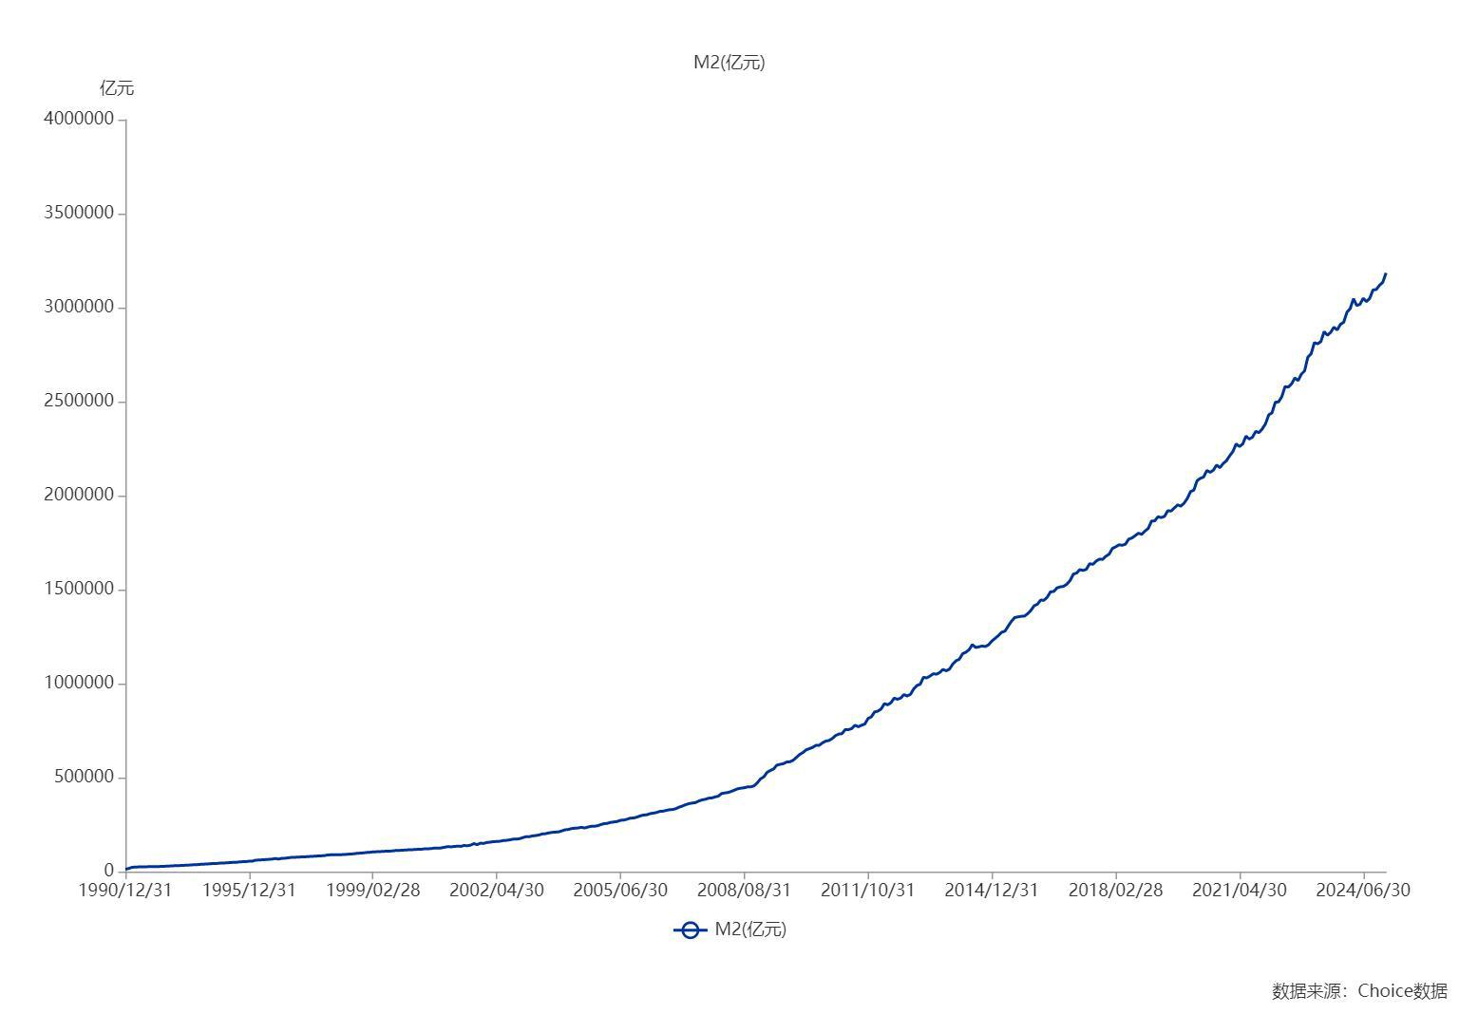

数据来源：东方财富Choice数据

