指标
序号 | 日期 | 美元指数
 | 指标名称 | 美元指数
 | 指标ID | EMG00001435
 | 频率 | 日
 | 单位 | 1973年3月=100
 | 时间区间 | 1971-01-04~2025-02-21
 | 来源 | NYCE
 | 国家 | 美国
 | 更新时间 | 2025-02-22
 | 表名 | 美元指数(日)
1 | 1971-01-04 | 120.530
2 | 1971-01-05 | 120.520
3 | 1971-01-06 | 120.490
4 | 1971-01-07 | 120.550
5 | 1971-01-08 | 120.530
6 | 1971-01-11 | 120.530
7 | 1971-01-12 | 120.490
8 | 1971-01-13 | 120.470
9 | 1971-01-14 | 120.440
10 | 1971-01-15 | 120.440
11 | 1971-01-18 | 120.410
12 | 1971-01-19 | 120.370
13 | 1971-01-20 | 120.340
14 | 1971-01-21 | 120.330
15 | 1971-01-22 | 120.310
16 | 1971-01-25 | 120.270
17 | 1971-01-26 | 120.260
18 | 1971-01-27 | 120.250
19 | 1971-01-28 | 120.250
20 | 1971-01-29 | 120.240
21 | 1971-02-01 | 120.260
22 | 1971-02-02 | 120.280
23 | 1971-02-03 | 120.240
24 | 1971-02-04 | 120.240
25 | 1971-02-05 | 120.260
26 | 1971-02-08 | 120.260
27 | 1971-02-09 | 120.250
28 | 1971-02-10 | 120.280
29 | 1971-02-11 | 120.290
30 | 1971-02-16 | 120.220
31 | 1971-02-17 | 120.210
32 | 1971-02-18 | 120.210
33 | 1971-02-19 | 120.180
34 | 1971-02-22 | 120.140
35 | 1971-02-23 | 120.120
36 | 1971-02-24 | 120.180
37 | 1971-02-25 | 120.200
38 | 1971-02-26 | 120.260
39 | 1971-03-01 | 120.250
40 | 1971-03-02 | 120.210
41 | 1971-03-03 | 120.190
42 | 1971-03-04 | 120.200
43 | 1971-03-05 | 120.170
44 | 1971-03-08 | 120.130
45 | 1971-03-09 | 120.140
46 | 1971-03-10 | 120.140
47 | 1971-03-11 | 120.160
48 | 1971-03-12 | 120.180
49 | 1971-03-15 | 120.190
50 | 1971-03-16 | 120.190
51 | 1971-03-17 | 120.160
52 | 1971-03-18 | 120.180
53 | 1971-03-19 | 120.180
54 | 1971-03-22 | 120.180
55 | 1971-03-23 | 120.170
56 | 1971-03-24 | 120.160
57 | 1971-03-25 | 120.170
58 | 1971-03-26 | 120.170
59 | 1971-03-29 | 120.180
60 | 1971-03-30 | 120.180
61 | 1971-03-31 | 120.170
62 | 1971-04-01 | 120.180
63 | 1971-04-02 | 120.180
64 | 1971-04-05 | 120.190
65 | 1971-04-06 | 120.160
66 | 1971-04-07 | 120.200
67 | 1971-04-08 | 120.220
68 | 1971-04-12 | 120.220
69 | 1971-04-13 | 120.310
70 | 1971-04-14 | 120.290
71 | 1971-04-15 | 120.230
72 | 1971-04-16 | 120.230
73 | 1971-04-19 | 120.290
74 | 1971-04-20 | 120.270
75 | 1971-04-21 | 120.230
76 | 1971-04-22 | 120.230
77 | 1971-04-23 | 120.270
78 | 1971-04-26 | 120.270
79 | 1971-04-27 | 120.250
80 | 1971-04-28 | 120.180
81 | 1971-04-29 | 120.180
82 | 1971-04-30 | 120.190
83 | 1971-05-03 | 120.170
84 | 1971-05-04 | 120.160
85 | 1971-05-05 | 119.650
86 | 1971-05-06 | 119.620
87 | 1971-05-07 | 119.440
88 | 1971-05-10 | 119.120
89 | 1971-05-11 | 119.560
90 | 1971-05-12 | 119.460
91 | 1971-05-13 | 119.270
92 | 1971-05-14 | 119.340
93 | 1971-05-17 | 119.330
94 | 1971-05-18 | 119.310
95 | 1971-05-19 | 119.200
96 | 1971-05-20 | 118.990
97 | 1971-05-21 | 118.910
98 | 1971-05-24 | 118.980
99 | 1971-05-25 | 119.260
100 | 1971-05-26 | 119.330
101 | 1971-05-27 | 119.350
102 | 1971-05-28 | 119.430
103 | 1971-06-01 | 119.690
104 | 1971-06-02 | 119.500
105 | 1971-06-03 | 119.320
106 | 1971-06-04 | 119.270
107 | 1971-06-07 | 119.230
108 | 1971-06-08 | 119.250
109 | 1971-06-09 | 119.190
110 | 1971-06-10 | 119.240
111 | 1971-06-11 | 119.240
112 | 1971-06-14 | 119.290
113 | 1971-06-15 | 119.340
114 | 1971-06-16 | 119.310
115 | 1971-06-17 | 119.320
116 | 1971-06-18 | 119.290
117 | 1971-06-21 | 119.320
118 | 1971-06-22 | 119.280
119 | 1971-06-23 | 119.160
120 | 1971-06-24 | 119.190
121 | 1971-06-25 | 119.210
122 | 1971-06-28 | 119.250
123 | 1971-06-29 | 119.210
124 | 1971-06-30 | 119.160
125 | 1971-07-01 | 119.170
126 | 1971-07-02 | 119.160
127 | 1971-07-06 | 119.210
128 | 1971-07-07 | 119.180
129 | 1971-07-08 | 119.180
130 | 1971-07-09 | 119.170
131 | 1971-07-12 | 119.170
132 | 1971-07-13 | 119.160
133 | 1971-07-14 | 119.050
134 | 1971-07-15 | 119.010
135 | 1971-07-16 | 118.920
136 | 1971-07-19 | 118.920
137 | 1971-07-20 | 118.910
138 | 1971-07-21 | 118.850
139 | 1971-07-22 | 118.790
140 | 1971-07-23 | 118.760
141 | 1971-07-26 | 118.800
142 | 1971-07-27 | 118.810
143 | 1971-07-28 | 118.830
144 | 1971-07-29 | 118.790
145 | 1971-07-30 | 118.760
146 | 1971-08-02 | 118.790
147 | 1971-08-03 | 118.810
148 | 1971-08-04 | 118.610
149 | 1971-08-05 | 118.540
150 | 1971-08-06 | 118.580
151 | 1971-08-09 | 118.030
152 | 1971-08-10 | 118.100
153 | 1971-08-11 | 118.040
154 | 1971-08-12 | 117.820
155 | 1971-08-13 | 117.840
156 | 1971-08-16 | 117.840
157 | 1971-08-17 | 117.840
158 | 1971-08-18 | 117.840
159 | 1971-08-19 | 117.840
160 | 1971-08-20 | 117.840
161 | 1971-08-23 | 117.840
162 | 1971-08-24 | 117.840
163 | 1971-08-25 | 117.840
164 | 1971-08-26 | 117.840
165 | 1971-08-27 | 117.840
166 | 1971-08-30 | 117.840
167 | 1971-08-31 | 116.470
168 | 1971-09-01 | 116.580
169 | 1971-09-02 | 116.350
170 | 1971-09-03 | 116.380
171 | 1971-09-07 | 116.420
172 | 1971-09-08 | 116.420
173 | 1971-09-09 | 116.390
174 | 1971-09-10 | 116.320
175 | 1971-09-13 | 116.290
176 | 1971-09-14 | 116.030
177 | 1971-09-15 | 115.950
178 | 1971-09-16 | 115.930
179 | 1971-09-17 | 115.910
180 | 1971-09-20 | 115.520
181 | 1971-09-21 | 115.560
182 | 1971-09-22 | 115.420
183 | 1971-09-23 | 115.030
184 | 1971-09-24 | 114.960
185 | 1971-09-27 | 115.030
186 | 1971-09-28 | 115.060
187 | 1971-09-29 | 114.930
188 | 1971-09-30 | 114.930
189 | 1971-10-01 | 114.810
190 | 1971-10-04 | 114.840
191 | 1971-10-05 | 114.830
192 | 1971-10-06 | 114.740
193 | 1971-10-07 | 114.710
194 | 1971-10-08 | 114.700
195 | 1971-10-12 | 114.660
196 | 1971-10-13 | 114.760
197 | 1971-10-14 | 114.880
198 | 1971-10-15 | 114.820
199 | 1971-10-18 | 114.640
200 | 1971-10-19 | 114.660
201 | 1971-10-20 | 114.620
202 | 1971-10-21 | 114.580
203 | 1971-10-22 | 114.600
204 | 1971-10-26 | 114.530
205 | 1971-10-27 | 114.640
206 | 1971-10-28 | 114.600
207 | 1971-10-29 | 114.650
208 | 1971-11-01 | 114.630
209 | 1971-11-03 | 114.620
210 | 1971-11-04 | 114.680
211 | 1971-11-05 | 114.570
212 | 1971-11-08 | 114.620
213 | 1971-11-09 | 114.640
214 | 1971-11-10 | 114.680
215 | 1971-11-11 | 114.640
216 | 1971-11-12 | 114.590
217 | 1971-11-15 | 114.540
218 | 1971-11-16 | 114.540
219 | 1971-11-17 | 114.540
220 | 1971-11-18 | 114.580
221 | 1971-11-19 | 114.370
222 | 1971-11-22 | 114.310
223 | 1971-11-23 | 114.190
224 | 1971-11-24 | 113.980
225 | 1971-11-26 | 113.930
226 | 1971-11-29 | 113.930
227 | 1971-11-30 | 114.010
228 | 1971-12-01 | 113.860
229 | 1971-12-02 | 113.580
230 | 1971-12-03 | 113.250
231 | 1971-12-06 | 113.110
232 | 1971-12-07 | 113.130
233 | 1971-12-08 | 113.040
234 | 1971-12-09 | 112.970
235 | 1971-12-10 | 112.940
236 | 1971-12-13 | 112.930
237 | 1971-12-14 | 112.690
238 | 1971-12-15 | 112.550
239 | 1971-12-16 | 112.530
240 | 1971-12-17 | 112.380
241 | 1971-12-21 | 111.160
242 | 1971-12-22 | 111.180
243 | 1971-12-23 | 111.270
244 | 1971-12-24 | 111.290
245 | 1971-12-27 | 111.390
246 | 1971-12-28 | 111.450
247 | 1971-12-29 | 111.470
248 | 1971-12-30 | 111.210
249 | 1972-01-03 | 111.190
250 | 1972-01-04 | 111.270
251 | 1972-01-05 | 111.220
252 | 1972-01-06 | 111.020
253 | 1972-01-07 | 111.040
254 | 1972-01-10 | 110.940
255 | 1972-01-11 | 110.970
256 | 1972-01-12 | 110.680
257 | 1972-01-13 | 110.440
258 | 1972-01-14 | 110.030
259 | 1972-01-17 | 109.860
260 | 1972-01-18 | 110.020
261 | 1972-01-19 | 109.940
262 | 1972-01-20 | 109.970
263 | 1972-01-21 | 110.040
264 | 1972-01-24 | 109.860
265 | 1972-01-25 | 109.690
266 | 1972-01-26 | 109.710
267 | 1972-01-27 | 109.650
268 | 1972-01-28 | 109.650
269 | 1972-01-31 | 109.600
270 | 1972-02-01 | 109.430
271 | 1972-02-02 | 109.010
272 | 1972-02-03 | 109.140
273 | 1972-02-04 | 109.350
274 | 1972-02-07 | 109.200
275 | 1972-02-08 | 109.170
276 | 1972-02-09 | 108.930
277 | 1972-02-10 | 108.890
278 | 1972-02-11 | 108.900
279 | 1972-02-14 | 108.940
280 | 1972-02-15 | 108.930
281 | 1972-02-16 | 108.560
282 | 1972-02-17 | 108.660
283 | 1972-02-18 | 108.600
284 | 1972-02-22 | 108.670
285 | 1972-02-23 | 108.620
286 | 1972-02-24 | 108.570
287 | 1972-02-25 | 108.770
288 | 1972-02-28 | 108.800
289 | 1972-02-29 | 108.680
290 | 1972-03-01 | 108.650
291 | 1972-03-02 | 108.640
292 | 1972-03-03 | 108.580
293 | 1972-03-06 | 108.370
294 | 1972-03-07 | 108.200
295 | 1972-03-08 | 108.010
296 | 1972-03-09 | 107.760
297 | 1972-03-10 | 107.900
298 | 1972-03-13 | 108.120
299 | 1972-03-14 | 108.130
300 | 1972-03-15 | 108.200
301 | 1972-03-16 | 108.220
302 | 1972-03-17 | 109.190
303 | 1972-03-20 | 108.510
304 | 1972-03-21 | 108.280
305 | 1972-03-22 | 108.340
306 | 1972-03-23 | 108.500
307 | 1972-03-24 | 108.650
308 | 1972-03-27 | 108.460
309 | 1972-03-28 | 108.380
310 | 1972-03-29 | 108.380
311 | 1972-03-30 | 108.370
312 | 1972-03-31 | 108.400
313 | 1972-04-03 | 108.400
314 | 1972-04-04 | 108.480
315 | 1972-04-05 | 108.500
316 | 1972-04-06 | 108.530
317 | 1972-04-07 | 108.460
318 | 1972-04-10 | 108.270
319 | 1972-04-11 | 108.400
320 | 1972-04-12 | 108.390
321 | 1972-04-13 | 108.660
322 | 1972-04-14 | 108.540
323 | 1972-04-17 | 108.550
324 | 1972-04-18 | 108.780
325 | 1972-04-19 | 108.850
326 | 1972-04-20 | 108.630
327 | 1972-04-21 | 108.650
328 | 1972-04-24 | 108.620
329 | 1972-04-25 | 108.560
330 | 1972-04-26 | 108.590
331 | 1972-04-27 | 108.590
332 | 1972-04-28 | 108.620
333 | 1972-05-01 | 108.580
334 | 1972-05-02 | 108.580
335 | 1972-05-03 | 108.540
336 | 1972-05-04 | 108.490
337 | 1972-05-05 | 108.520
338 | 1972-05-08 | 108.520
339 | 1972-05-09 | 108.390
340 | 1972-05-10 | 108.270
341 | 1972-05-11 | 108.330
342 | 1972-05-12 | 108.370
343 | 1972-05-15 | 108.460
344 | 1972-05-16 | 108.520
345 | 1972-05-17 | 108.390
346 | 1972-05-18 | 108.380
347 | 1972-05-19 | 108.380
348 | 1972-05-22 | 108.370
349 | 1972-05-23 | 108.340
350 | 1972-05-24 | 108.250
351 | 1972-05-25 | 108.310
352 | 1972-05-26 | 108.290
353 | 1972-05-30 | 108.270
354 | 1972-05-31 | 108.170
355 | 1972-06-01 | 108.120
356 | 1972-06-02 | 108.110
357 | 1972-06-05 | 108.130
358 | 1972-06-06 | 108.160
359 | 1972-06-07 | 108.110
360 | 1972-06-08 | 108.070
361 | 1972-06-09 | 108.050
362 | 1972-06-12 | 108.060
363 | 1972-06-13 | 107.980
364 | 1972-06-14 | 107.970
365 | 1972-06-15 | 108.020
366 | 1972-06-16 | 108.200
367 | 1972-06-19 | 108.250
368 | 1972-06-20 | 108.450
369 | 1972-06-21 | 108.560
370 | 1972-06-22 | 108.770
371 | 1972-06-23 | 108.220
372 | 1972-06-26 | 108.360
373 | 1972-06-27 | 108.560
374 | 1972-06-28 | 108.180
375 | 1972-06-29 | 108.470
376 | 1972-06-30 | 108.510
377 | 1972-07-03 | 108.610
378 | 1972-07-05 | 108.510
379 | 1972-07-06 | 108.600
380 | 1972-07-07 | 108.580
381 | 1972-07-10 | 108.590
382 | 1972-07-11 | 108.610
383 | 1972-07-12 | 108.520
384 | 1972-07-13 | 108.460
385 | 1972-07-14 | 108.480
386 | 1972-07-17 | 108.530
387 | 1972-07-18 | 108.570
388 | 1972-07-19 | 108.710
389 | 1972-07-20 | 108.670
390 | 1972-07-21 | 108.720
391 | 1972-07-24 | 108.790
392 | 1972-07-25 | 108.760
393 | 1972-07-26 | 108.730
394 | 1972-07-27 | 108.730
395 | 1972-07-28 | 108.760
396 | 1972-07-31 | 108.760
397 | 1972-08-01 | 108.770
398 | 1972-08-02 | 108.820
399 | 1972-08-03 | 108.790
400 | 1972-08-04 | 108.760
401 | 1972-08-07 | 108.760
402 | 1972-08-08 | 108.770
403 | 1972-08-09 | 108.780
404 | 1972-08-10 | 108.800
405 | 1972-08-11 | 108.810
406 | 1972-08-14 | 108.790
407 | 1972-08-15 | 108.820
408 | 1972-08-16 | 108.890
409 | 1972-08-17 | 108.960
410 | 1972-08-18 | 108.960
411 | 1972-08-21 | 109.030
412 | 1972-08-22 | 108.960
413 | 1972-08-23 | 108.900
414 | 1972-08-24 | 108.910
415 | 1972-08-25 | 108.990
416 | 1972-08-28 | 108.960
417 | 1972-09-01 | 108.980
418 | 1972-09-05 | 109.000
419 | 1972-09-06 | 108.960
420 | 1972-09-07 | 108.910
421 | 1972-09-08 | 108.950
422 | 1972-09-11 | 108.990
423 | 1972-09-12 | 108.990
424 | 1972-09-13 | 108.960
425 | 1972-09-14 | 108.970
426 | 1972-09-15 | 109.000
427 | 1972-09-18 | 109.060
428 | 1972-09-19 | 109.100
429 | 1972-09-20 | 109.060
430 | 1972-09-21 | 109.060
431 | 1972-09-22 | 109.090
432 | 1972-09-25 | 109.120
433 | 1972-09-26 | 109.190
434 | 1972-09-27 | 109.200
435 | 1972-09-28 | 109.330
436 | 1972-09-29 | 109.390
437 | 1972-10-02 | 109.510
438 | 1972-10-03 | 109.540
439 | 1972-10-04 | 109.360
440 | 1972-10-05 | 109.220
441 | 1972-10-06 | 109.250
442 | 1972-10-10 | 109.350
443 | 1972-10-11 | 109.430
444 | 1972-10-12 | 109.470
445 | 1972-10-13 | 109.480
446 | 1972-10-16 | 109.550
447 | 1972-10-17 | 109.520
...
序号 | 日期 | 美元指数
13,977 | 2025-02-14 | 106.790
13,978 | 2025-02-17 | 106.733
13,979 | 2025-02-18 | 107.053
13,980 | 2025-02-19 | 107.198
13,981 | 2025-02-20 | 106.357
13,982 | 2025-02-21 | 106.651

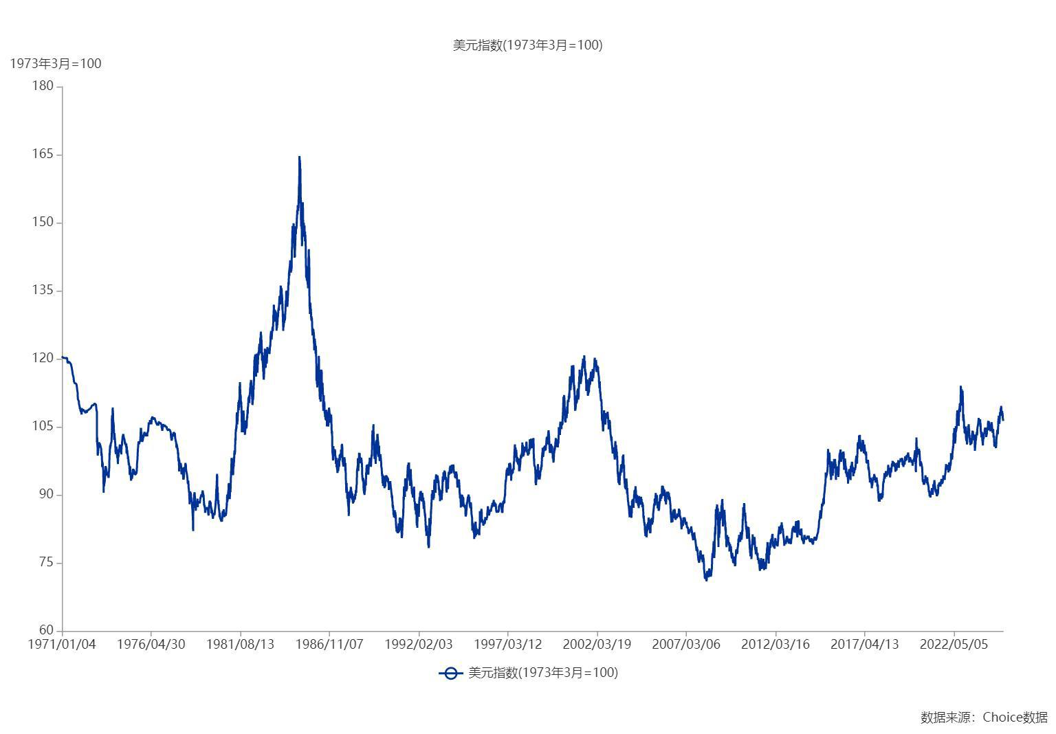

数据来源：东方财富Choice数据

