指标
序号 | 日期 | 财政预算赤字:当月值
 | 指标名称 | 财政预算赤字:当月值
 | 指标ID | EMM00611255
 | 频率 | 月
 | 单位 | 亿元
 | 时间区间 | 1990-01~2024-12
 | 来源 | 财政部
 | 国家 | 中国
 | 更新时间 | 2025-01-24
 | 表名 | 国家财政预算赤字(月)
1 | 1990-01 | 0.24
2 | 1990-02 | 9.62
3 | 1990-03 | -26.59
4 | 1990-04 | 1.06
5 | 1990-05 | 10.80
6 | 1990-06 | 15.85
7 | 1990-07 | 9.56
8 | 1990-08 | 32.60
9 | 1990-09 | -18.94
10 | 1990-10 | -52.63
11 | 1990-11 | 82.09
12 | 1990-12 | 82.83
13 | 1991-01 | -45.94
14 | 1991-02 | 2.38
15 | 1991-03 | -26.08
16 | 1991-04 | 10.62
17 | 1991-05 | -2.67
18 | 1991-06 | 31.86
19 | 1991-07 | 53.66
20 | 1991-08 | 42.98
21 | 1991-09 | -8.50
22 | 1991-10 | -47.94
23 | 1991-11 | 71.14
24 | 1991-12 | 155.63
25 | 1992-01 | -29.30
26 | 1992-02 | -32.26
27 | 1992-03 | -51.98
28 | 1992-04 | -65.45
29 | 1992-05 | -38.67
30 | 1992-06 | 34.33
31 | 1992-07 | 54.06
32 | 1992-08 | 38.14
33 | 1992-09 | 41.50
34 | 1992-10 | 94.20
35 | 1992-11 | 79.34
36 | 1992-12 | 134.92
37 | 1993-01 | 6.06
38 | 1993-02 | 17.91
39 | 1993-03 | -63.93
40 | 1993-04 | -7.09
41 | 1993-05 | 35.73
42 | 1993-06 | 391.97
43 | 1993-07 | 213.72
44 | 1993-08 | 142.10
45 | 1993-09 | 84.06
46 | 1993-10 | 143.54
47 | 1993-11 | -967.68
48 | 1993-12 | 296.96
49 | 1994-01 | -50.87
50 | 1994-02 | 35.36
51 | 1994-03 | -62.14
52 | 1994-04 | -7.30
53 | 1994-05 | 22.56
54 | 1994-06 | 56.25
55 | 1994-07 | 45.25
56 | 1994-08 | 66.56
57 | 1994-09 | -1.21
58 | 1994-10 | -5.66
59 | 1994-11 | 125.06
60 | 1994-12 | 350.66
61 | 1995-01 | 85.58
62 | 1995-02 | 29.10
63 | 1995-03 | -112.97
64 | 1995-04 | 73.95
65 | 1995-05 | 15.47
66 | 1995-06 | -89.90
67 | 1995-07 | -2.74
68 | 1995-08 | 100.83
69 | 1995-09 | -22.24
70 | 1995-10 | -8.77
71 | 1995-11 | 124.63
72 | 1995-12 | 388.58
73 | 1996-01 | -98.76
74 | 1996-02 | 47.68
75 | 1996-03 | -81.69
76 | 1996-04 | -108.55
77 | 1996-05 | 86.74
78 | 1996-06 | 53.41
79 | 1996-07 | -24.31
80 | 1996-08 | 78.04
81 | 1996-09 | 56.18
82 | 1996-10 | -12.35
83 | 1996-11 | 161.59
84 | 1996-12 | 371.70
85 | 1997-01 | -112.05
86 | 1997-02 | -60.34
87 | 1997-03 | -128.18
88 | 1997-04 | -91.74
89 | 1997-05 | -23.00
90 | 1997-06 | 26.83
91 | 1997-07 | -72.08
92 | 1997-08 | 68.64
93 | 1997-09 | 79.21
94 | 1997-10 | -96.52
95 | 1997-11 | 177.77
96 | 1997-12 | 813.90
97 | 1998-01 | -100.94
98 | 1998-02 | -54.23
99 | 1998-03 | -121.05
100 | 1998-04 | -133.70
101 | 1998-05 | 99.56
102 | 1998-06 | 60.98
103 | 1998-07 | -57.74
104 | 1998-08 | 158.20
105 | 1998-09 | 202.93
106 | 1998-10 | -34.81
107 | 1998-11 | 172.79
108 | 1998-12 | 730.17
109 | 1999-01 | -306.36
110 | 1999-02 | -49.29
111 | 1999-03 | -128.55
112 | 1999-04 | -189.64
113 | 1999-05 | 45.87
114 | 1999-06 | -17.49
115 | 1999-07 | -80.12
116 | 1999-08 | 91.32
117 | 1999-09 | 445.00
118 | 1999-10 | 60.24
119 | 1999-11 | 176.93
120 | 1999-12 | 1,693.88
121 | 2000-01 | -290.07
122 | 2000-02 | -15.87
123 | 2000-03 | -196.06
124 | 2000-04 | -98.97
125 | 2000-05 | 73.97
126 | 2000-06 | 125.17
127 | 2000-07 | -147.90
128 | 2000-08 | 244.87
129 | 2000-09 | 197.11
130 | 2000-10 | -165.43
131 | 2000-11 | 269.66
132 | 2000-12 | 2,494.77
133 | 2001-01 | -513.38
134 | 2001-02 | -91.53
135 | 2001-03 | -244.11
136 | 2001-04 | -372.67
137 | 2001-05 | 83.34
138 | 2001-06 | 310.64
139 | 2001-07 | -91.25
140 | 2001-08 | 219.65
141 | 2001-09 | 306.63
142 | 2001-10 | -278.93
143 | 2001-11 | 508.24
144 | 2001-12 | 2,680.12
145 | 2002-01 | -470.76
146 | 2002-02 | 148.63
147 | 2002-03 | 25.68
148 | 2002-04 | -1,199.50
149 | 2002-05 | 769.03
150 | 2002-06 | 424.64
151 | 2002-07 | -33.02
152 | 2002-08 | 265.32
153 | 2002-09 | 397.64
154 | 2002-10 | -309.02
155 | 2002-11 | 404.68
156 | 2002-12 | 2,726.23
157 | 2003-01 | -699.39
158 | 2003-02 | -401.99
159 | 2003-03 | -211.43
160 | 2003-04 | -330.57
161 | 2003-05 | -81.00
162 | 2003-06 | 435.24
163 | 2003-07 | -151.85
164 | 2003-08 | 274.87
165 | 2003-09 | 299.16
166 | 2003-10 | -334.70
167 | 2003-11 | 359.70
168 | 2003-12 | 3,776.65
169 | 2004-01 | -1,166.01
170 | 2004-02 | -743.50
171 | 2004-03 | -532.68
172 | 2004-04 | -754.42
173 | 2004-05 | -453.31
174 | 2004-06 | 145.99
175 | 2004-07 | -567.69
176 | 2004-08 | 309.45
177 | 2004-09 | 547.45
178 | 2004-10 | -338.00
179 | 2004-11 | 716.05
180 | 2004-12 | 4,927.34
181 | 2005-01 | -1,549.43
182 | 2005-02 | -684.79
183 | 2005-03 | -339.62
184 | 2005-04 | -897.81
185 | 2005-05 | -484.40
186 | 2005-06 | -14.25
187 | 2005-07 | -728.27
188 | 2005-08 | 356.67
189 | 2005-09 | 523.79
190 | 2005-10 | -764.55
191 | 2005-11 | 967.04
192 | 2005-12 | 5,896.35
193 | 2006-01 | -1,643.10
194 | 2006-02 | -974.93
195 | 2006-03 | -390.28
196 | 2006-04 | -1,542.00
197 | 2006-05 | -894.18
198 | 2006-06 | 39.69
199 | 2006-07 | -1,518.34
200 | 2006-08 | -91.63
201 | 2006-09 | 549.41
202 | 2006-10 | -1,130.06
203 | 2006-11 | 1,123.05
204 | 2006-12 | 8,135.01
205 | 2007-01 | -3,325.15
206 | 2007-02 | -501.83
207 | 2007-03 | -667.89
208 | 2007-04 | -2,611.94
209 | 2007-05 | -1,185.30
210 | 2007-06 | 94.26
211 | 2007-07 | -1,975.76
212 | 2007-08 | -68.75
213 | 2007-09 | 341.79
214 | 2007-10 | -1,786.87
215 | 2007-11 | 595.09
216 | 2007-12 | 9,551.92
217 | 2008-01 | -4,382.56
218 | 2008-02 | -1,202.90
219 | 2008-03 | -879.14
220 | 2008-04 | -2,746.44
221 | 2008-05 | -2,243.52
222 | 2008-06 | -471.61
223 | 2008-07 | -1,512.08
224 | 2008-08 | 187.81
225 | 2008-09 | 731.72
226 | 2008-10 | -1,185.78
227 | 2008-11 | 1,461.63
228 | 2008-12 | 13,353.00
229 | 2009-01 | -2,138.16
230 | 2009-02 | -298.15
231 | 2009-03 | 605.18
232 | 2009-04 | -819.10
233 | 2009-05 | -1,961.46
234 | 2009-06 | -461.89
235 | 2009-07 | -1,710.24
236 | 2009-08 | -500.35
237 | 2009-09 | 968.08
238 | 2009-10 | -2,161.67
239 | 2009-11 | 1,320.63
240 | 2009-12 | 14,554.13
241 | 2010-01 | -5,192.86
242 | 2010-02 | -4.76
243 | 2010-03 | -99.49
244 | 2010-04 | -2,350.11
245 | 2010-05 | -2,130.96
246 | 2010-06 | 239.75
247 | 2010-07 | -1,972.31
248 | 2010-08 | 794.34
249 | 2010-09 | 2,181.85
250 | 2010-10 | -1,372.01
251 | 2010-11 | 4,758.95
252 | 2010-12 | 11,642.61
253 | 2011-01 | -5,088.56
254 | 2011-02 | -2,922.26
255 | 2011-03 | -61.35
256 | 2011-04 | -2,777.61
257 | 2011-05 | -2,344.26
258 | 2011-06 | 753.36
259 | 2011-07 | -2,914.18
260 | 2011-08 | 530.59
261 | 2011-09 | 2,641.50
262 | 2011-10 | -1,109.31
263 | 2011-11 | 4,938.86
264 | 2011-12 | 13,543.22
265 | 2012-01 | -5,885.78
266 | 2012-02 | -1,108.36
267 | 2012-03 | 1,135.94
268 | 2012-04 | -2,888.22
269 | 2012-05 | -2,839.80
270 | 2012-06 | 1,683.96
271 | 2012-07 | -1,144.07
272 | 2012-08 | 1,156.33
273 | 2012-09 | 3,420.63
274 | 2012-10 | -1,826.69
275 | 2012-11 | 4,288.38
276 | 2012-12 | 12,509.68
277 | 2013-01 | -5,288.60
278 | 2013-02 | -1,032.66
279 | 2013-03 | 1,324.11
280 | 2013-04 | -2,122.86
281 | 2013-05 | -2,483.99
282 | 2013-06 | 727.47
283 | 2013-07 | -2,494.10
284 | 2013-08 | 1,019.44
285 | 2013-09 | 3,494.49
286 | 2013-10 | -1,629.06
287 | 2013-11 | 3,532.57
288 | 2013-12 | 15,554.19
289 | 2014-01 | -5,281.23
290 | 2014-02 | -2,574.59
291 | 2014-03 | 3,262.56
292 | 2014-04 | -3,071.45
293 | 2014-05 | -880.14
294 | 2014-06 | 3,060.93
295 | 2014-07 | -2,405.39
296 | 2014-08 | 1,094.31
297 | 2014-09 | 4,072.74
298 | 2014-10 | -3,370.42
299 | 2014-11 | 2,805.67
300 | 2014-12 | 14,599.01
301 | 2015-01 | -8,066.64
302 | 2015-02 | 1,215.30
303 | 2015-03 | 3,259.49
304 | 2015-04 | -967.59
305 | 2015-05 | -1,231.34
306 | 2015-06 | 3,478.78
307 | 2015-07 | -1,516.99
308 | 2015-08 | 3,172.18
309 | 2015-09 | 6,906.85
310 | 2015-10 | -943.66
311 | 2015-11 | 4,982.05
312 | 2015-12 | 13,262.57
313 | 2016-01 | -7,032.20
314 | 2016-02 | 817.70
315 | 2016-03 | 5,276.80
316 | 2016-04 | -2,413.70
317 | 2016-05 | -0.30
318 | 2016-06 | 7,002.90
319 | 2016-07 | -2,001.90
320 | 2016-08 | 4,292.70
321 | 2016-09 | 8,614.20
322 | 2016-10 | -3,540.50
323 | 2016-11 | 6,573.30
324 | 2016-12 | 10,700.00
325 | 2017-01 | -6,272.70
326 | 2017-02 | -321.10
327 | 2017-03 | 8,145.00
328 | 2017-04 | -3,148.70
329 | 2017-05 | 841.30
330 | 2017-06 | 9,933.50
331 | 2017-07 | -2,960.40
332 | 2017-08 | 3,994.90
333 | 2017-09 | 7,532.40
334 | 2017-10 | -5,112.20
335 | 2017-11 | 5,180.00
336 | 2017-12 | 12,951.00
337 | 2018-01 | -10,693.50
338 | 2018-02 | 3,202.00
339 | 2018-03 | 7,942.40
340 | 2018-04 | -3,777.00
341 | 2018-05 | -629.00
342 | 2018-06 | 11,216.00
343 | 2018-07 | -3,515.00
344 | 2018-08 | 4,059.00
345 | 2018-09 | 9,653.00
346 | 2018-10 | -3,696.00
347 | 2018-11 | 5,656.00
348 | 2018-12 | 18,136.00
349 | 2019-03 | 10,763.00
350 | 2019-04 | -1,957.00
351 | 2019-05 | 88.00
352 | 2019-06 | 12,588.00
353 | 2019-07 | -3,352.00
354 | 2019-08 | 3,668.00
355 | 2019-09 | 11,926.00
356 | 2019-10 | -5,051.00
357 | 2019-11 | 4,613.00
358 | 2019-12 | 20,996.00
359 | 2020-03 | 12,182.00
360 | 2020-04 | 2,163.00
361 | 2020-05 | 1,146.00
362 | 2020-06 | 7,626.00
363 | 2020-07 | -1,461.00
364 | 2020-08 | 4,383.00
365 | 2020-09 | 11,026.00
366 | 2020-10 | -3,277.00
367 | 2020-11 | 7,451.00
368 | 2020-12 | 24,336.00
369 | 2021-03 | 7,660.00
370 | 2021-04 | -3,200.00
371 | 2021-05 | -1,289.00
372 | 2021-06 | 7,461.00
373 | 2021-07 | -4,348.00
374 | 2021-08 | 5,071.00
375 | 2021-09 | 9,990.00
376 | 2021-10 | -2,838.00
377 | 2021-11 | 10,237.00
378 | 2021-12 | 21,111.00
379 | 2022-03 | 9,526.00
380 | 2022-04 | 5,090.00
381 | 2022-05 | 5,680.00
382 | 2022-06 | 11,346.00
383 | 2022-07 | -1,896.00
384 | 2022-08 | 5,364.00
385 | 2022-09 | 10,104.00
386 | 2022-10 | -4,301.00
387 | 2022-11 | 8,800.00
388 | 2022-12 | 15,169.00
389 | 2023-03 | 10,318.00
390 | 2023-04 | -2,327.00
391 | 2023-05 | 1,882.00
392 | 2023-06 | 9,561.00
393 | 2023-07 | -2,401.00
394 | 2023-08 | 7,297.00
395 | 2023-09 | 11,598.00
396 | 2023-10 | -2,944.00
397 | 2023-11 | 10,091.00
398 | 2023-12 | 19,459.00
399 | 2024-03 | 9,940.00
400 | 2024-04 | -422.00
401 | 2024-05 | 2,890.00
402 | 2024-06 | 9,211.00
403 | 2024-07 | -858.00
404 | 2024-08 | 6,322.00
405 | 2024-09 | 12,598.00
406 | 2024-10 | -2,236.00
407 | 2024-11 | 9,559.00
408 | 2024-12 | 18,867.00

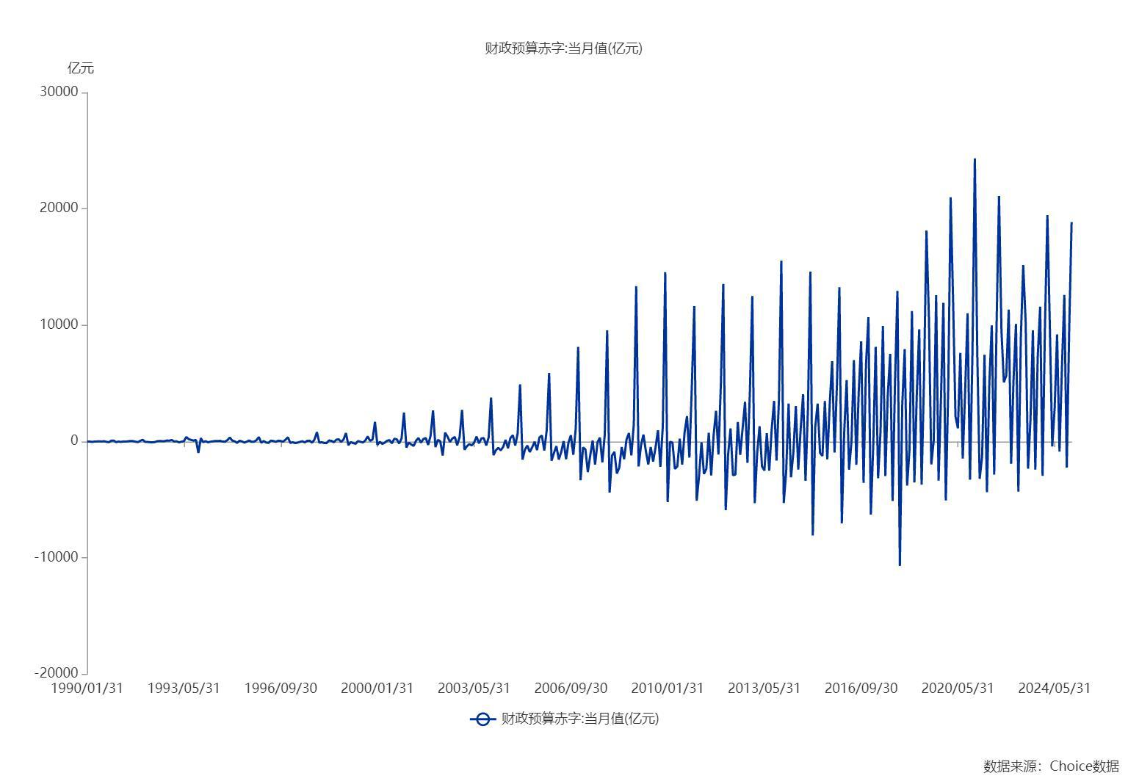

数据来源：东方财富Choice数据

