README_说明
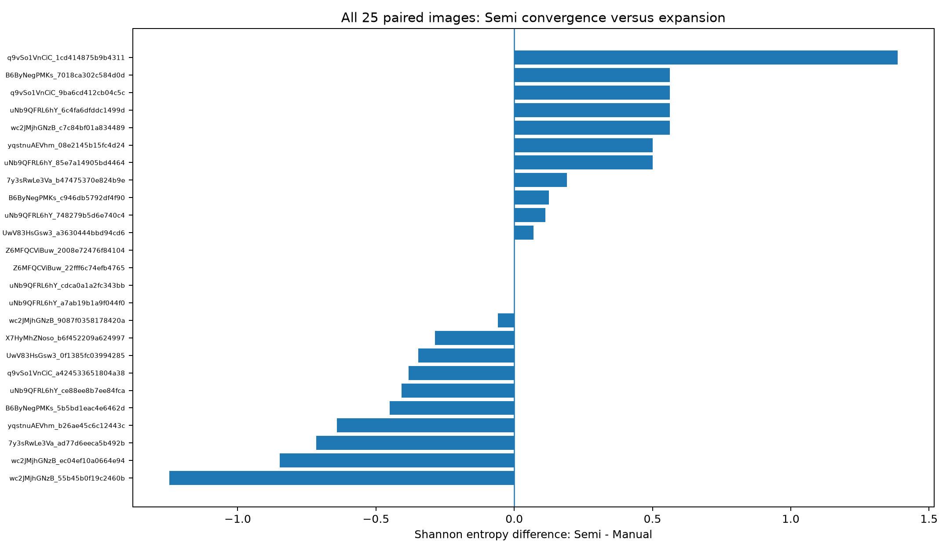
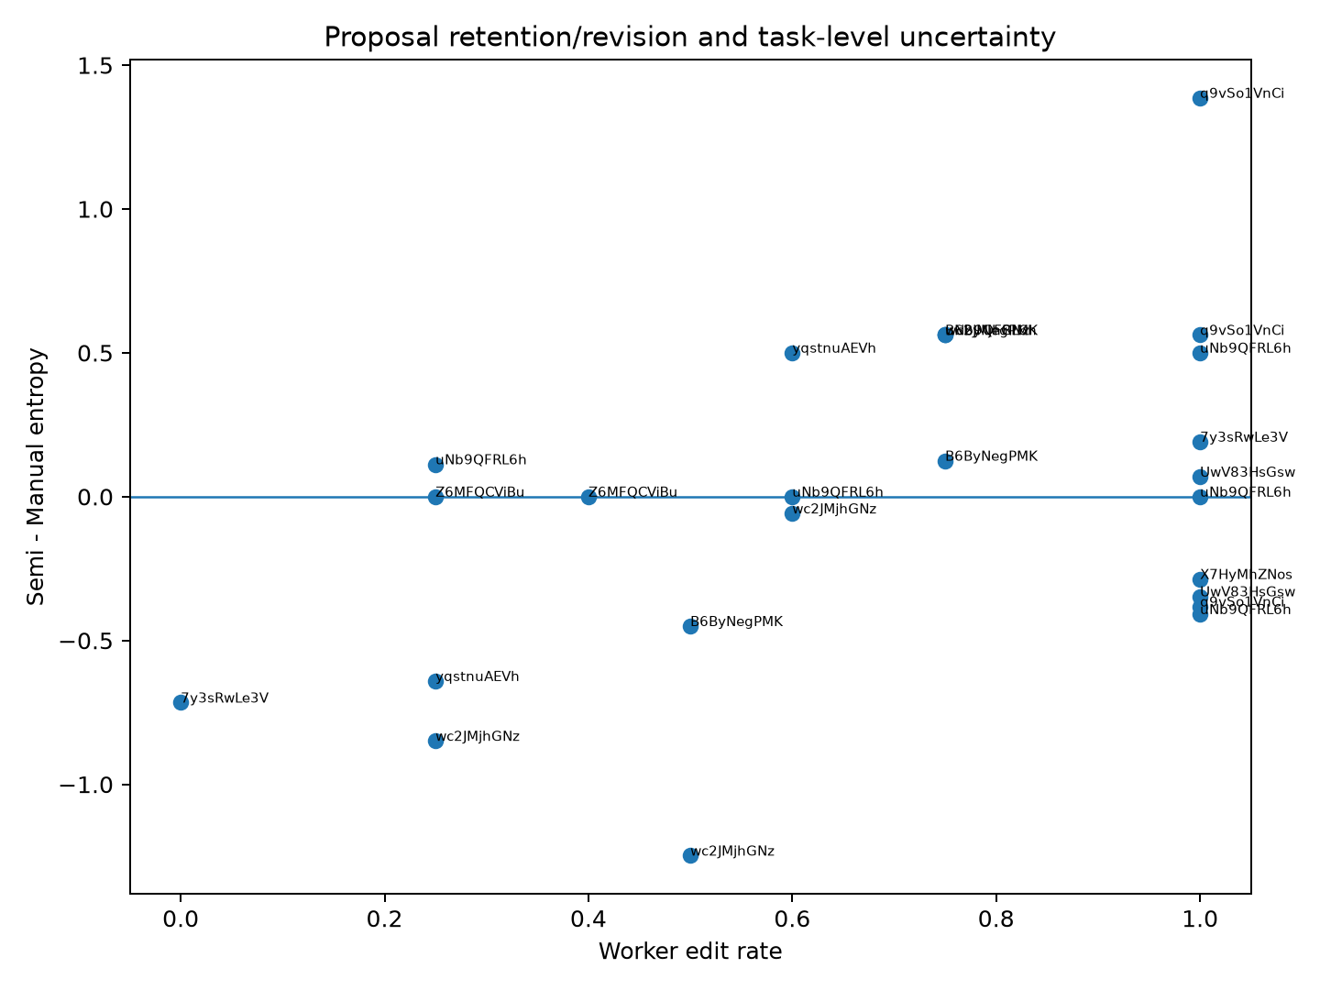
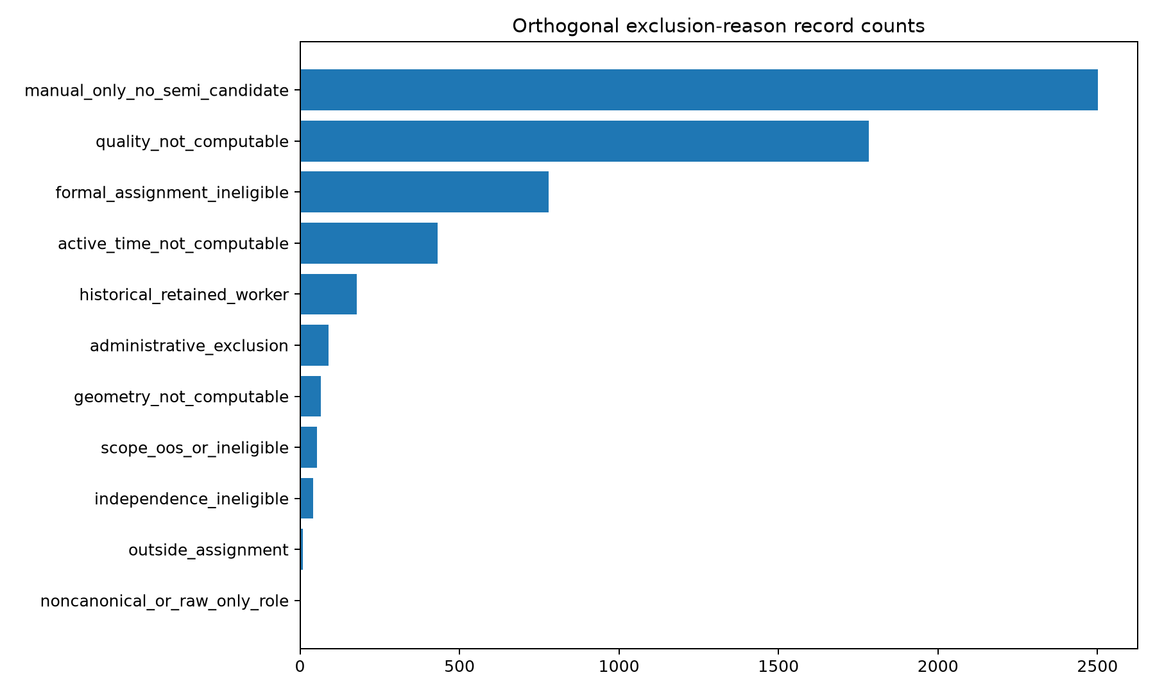
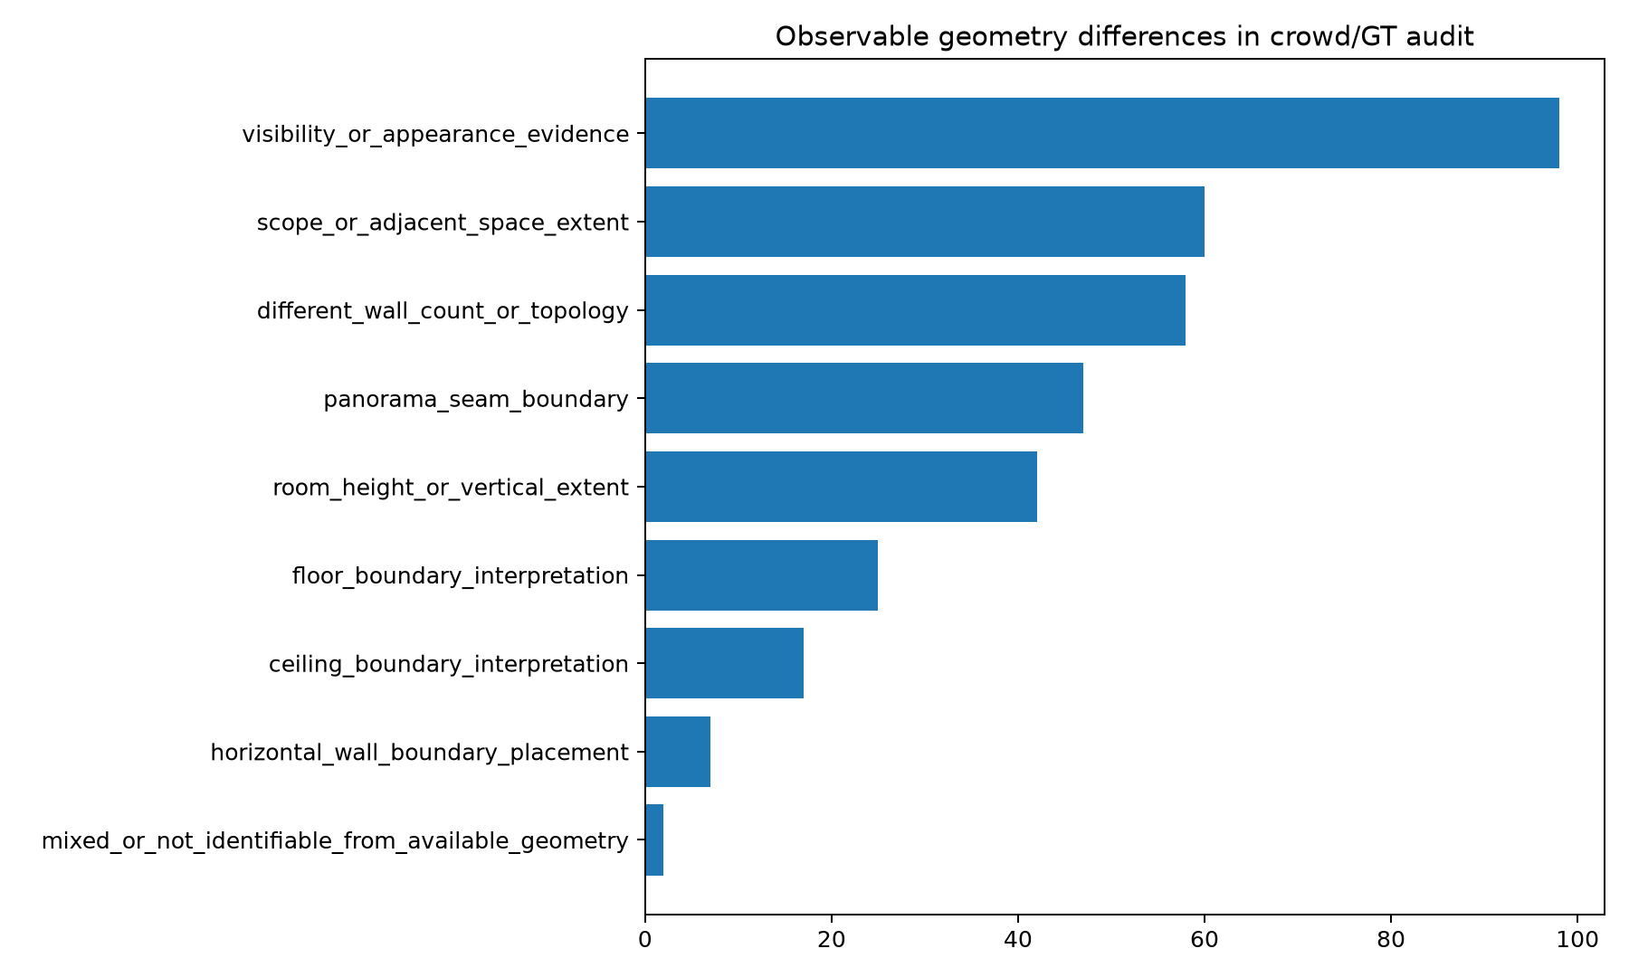
section | description_zh
population | 全部可计算记录保留；旧资格和排除原因作为正交描述字段。
metric terminology | GT/效用下降记为 negative_metric_change，不据此判断真实几何修改是否不合理。
Semi convergence | 仅表示工人间模式熵下降，不等于质量提升。
GT101 | 101个 crowd–GT task-condition 全量列出；多数簇不自动替换 GT。
Dual annotator | 两人任务只作 pairwise 敏感性，不形成多数共识。
Image instances | 所有匹配实例均列出 base_task_id 和 image_reference；原图存在时另生成缩略图。

