country summary
<country> | Global Summary
Date generated: <date>
Species: <species>
Date: <date>

<country> | Global habitat Area for <species> over time
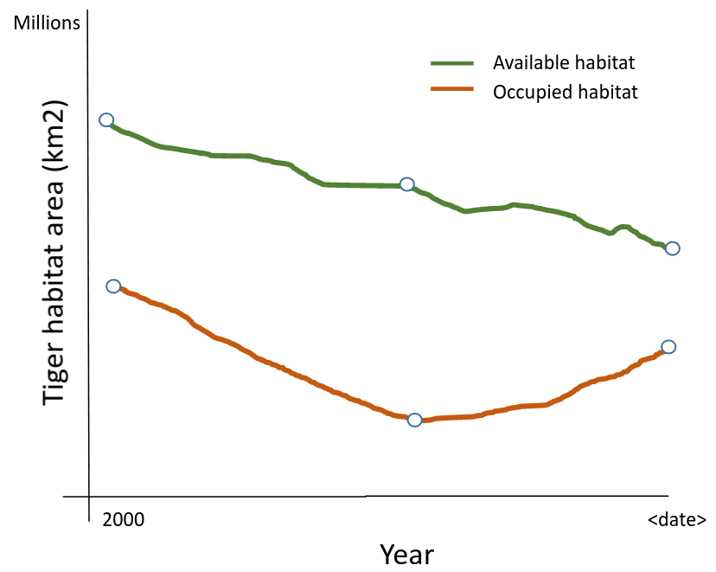

<country> | Global habitat Area for <species> in <date>
Habitat Area | <species> Landscape Types | Number of landscapes | Habitat Area (km2) | % Protected | % KBA | % Total Habitat | % Indigenous Range
Known Occupied Habitat | <species> Conservation Landscapes | xx | x,xxx.x | xx % | xx % | xx % | xx %
 | Fragments with <species> | xx | x,xxx.x | xx % | xx % | xx % | xx %
 | Total occupied habitat | xx | x,xxx.x | xx % | xx % | xx % | xx %
Available Habitat | Survey Landscapes | xx | x,xxx.x | xx % | xx % | xx % | xx %
 | Fragments for Survey | xx | x,xxx.x | xx % | xx % | xx % | xx %
 | Restoration Landscapes | xx | x,xxx.x | xx % | xx % | xx % | xx %
 | Fragments for Restoration | xx | x,xxx.x | xx % | xx % | xx % | xx %
 | Total available habitat | xx | x,xxx.x | xx % | xx % | xx % | xx %
Total Habitat | Available + occupied habitats | xx | x,xxx.x | xx % | xx % | xx % | xx %
Total Indigenous Range |  | -- | x,xxx.x | xx % | xx % | xx % | xx %

Ratio of occupied / available habitat: x.xx

Definitions
<species> Conservation Landscape | An interconnected region defined by the likely presence of <species>s with suitable vegetative cover, low human footprint and sufficient area to maintain at least a minimal <species> population
Restoration landscape | An interconnected region defined by the absence of <species>s but otherwise with suitable vegetative cover, low human footprint and sufficient area to maintain at least a minimal <species> population
Survey landscape | An interconnected region defined by the uncertain presence of <species>s with suitable vegetative cover, low human footprint and sufficient area to maintain at least a minimal <species> population
Fragment with <species> | An interconnected region defined by the likely presence of <species>s with suitable vegetative cover, low human footprint but insufficient area to maintain at least a minimal <species> population
Fragment for survey | An interconnected region defined by the uncertain presence of <species>s with suitable vegetative cover, low human footprint but insufficient area to maintain at least a minimal <species> population
Fragment for restoration | An interconnected region defined by the likely absence of <species>s with suitable vegetative cover, low human footprint but insufficient area to maintain at least a minimal <species> population

% Protected | The total percentage of area of the landscape type within Protected Areas (IUCN Classes I - VI), as defined in the World Database of Protected Areas as “not proposed” and as of the most recent version available for the report date
% KBA | The total percentage of area of the landscape type within Key Biodiversity Areas (https://www.keybiodiversityareas.org/)
% Total Habitat | The area of the landscape type as a percentage of all habitat in the country or globally
% Indigenous Range | The area of the landscape type as a percentage of all of the indigenous range for <species> in the country or globally

