country summary
<Country> Summary
Date generated: <today>
Species: <Species> (<specieslatin>)
Date: <date>

<Country> habitat area for <species>s over time
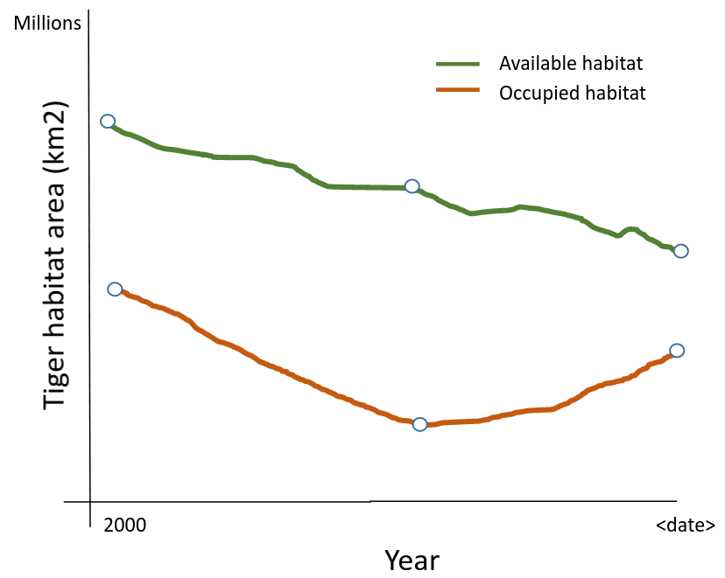

<Country> habitat area for <species>s (<specieslatin>) in <date>
Habitat Area | <Species> Landscape Types | Number of Landscapes | Habitat Area (km2) | % Protected, of Landscape Type | % KBA, of Landscape Type | % Total Habitat | % Indigenous Range
Known Occupied Habitat | <Species> Conservation Landscapes | xx | x,xxx.x | xx % | xx % | xx % | xx %
 | Fragments with <Species>s | xx | x,xxx.x | xx % | xx % | xx % | xx %
 | Total Occupied Habitat | xx | x,xxx.x | xx % | xx % | xx % | xx %
Available Habitat | Survey Landscapes | xx | x,xxx.x | xx % | xx % | xx % | xx %
 | Fragments for Survey | xx | x,xxx.x | xx % | xx % | xx % | xx %
 | Restoration Landscapes | xx | x,xxx.x | xx % | xx % | xx % | xx %
 | Fragments for Restoration | xx | x,xxx.x | xx % | xx % | xx % | xx %
 | Total Available Habitat | xx | x,xxx.x | xx % | xx % | xx % | xx %
Total Habitat | Available + Occupied Habitats | xx | x,xxx.x | xx % | xx % | xx % | xx %
Total Indigenous Range |  |  | x,xxx.x | xx % | xx %

Definitions
<Species> Conservation Landscape | An interconnected region defined by the likely presence of <species>s with suitable vegetative cover, low human footprint and sufficient area to maintain at least a minimal <species> population
Restoration Landscape | An interconnected region defined by the absence of <species>s but otherwise with suitable vegetative cover, low human footprint and sufficient area to maintain at least a minimal <species> population
Survey Landscape | An interconnected region defined by the uncertain presence of <species>s with suitable vegetative cover, low human footprint and sufficient area to maintain at least a minimal <species> population
Fragment with <Species> | An interconnected region defined by the likely presence of <species>s with suitable vegetative cover, low human footprint but insufficient area to maintain at least a minimal <species> population
Fragment for Survey | An interconnected region defined by the uncertain presence of <species>s with suitable vegetative cover, low human footprint but insufficient area to maintain at least a minimal <species> population
Fragment for Restoration | An interconnected region defined by the likely absence of <species>s with suitable vegetative cover, low human footprint but insufficient area to maintain at least a minimal <species> population

% Protected, of Landscape Type | The total percentage of area of the landscape type within Protected Areas (IUCN Classes I - VI), as defined in the World Database of Protected Areas as “not proposed” and as of the most recent version available for the report date
% KBA, of Landscape Type | The total percentage of area of the landscape type within Key Biodiversity Areas (https://www.keybiodiversityareas.org/)
% Total Habitat | The area of the landscape type as a percentage of all habitat in the country or globally
% Indigenous Range | The area of the landscape type as a percentage of all of the indigenous range for <species>s in the country or globally

