Overview
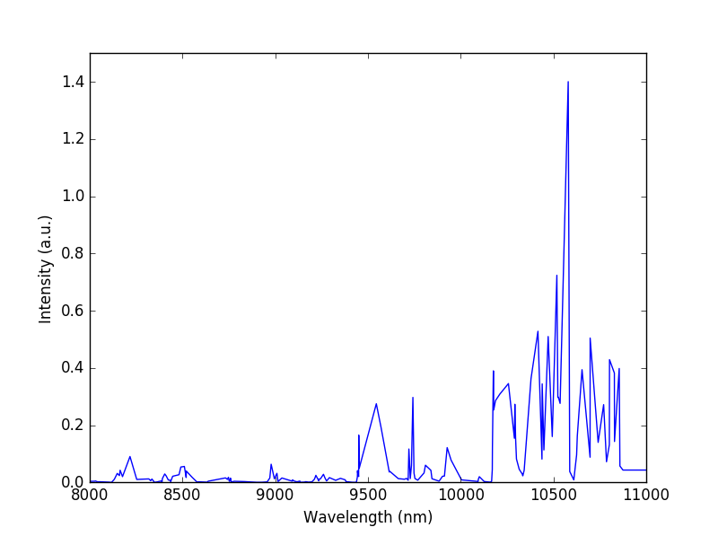
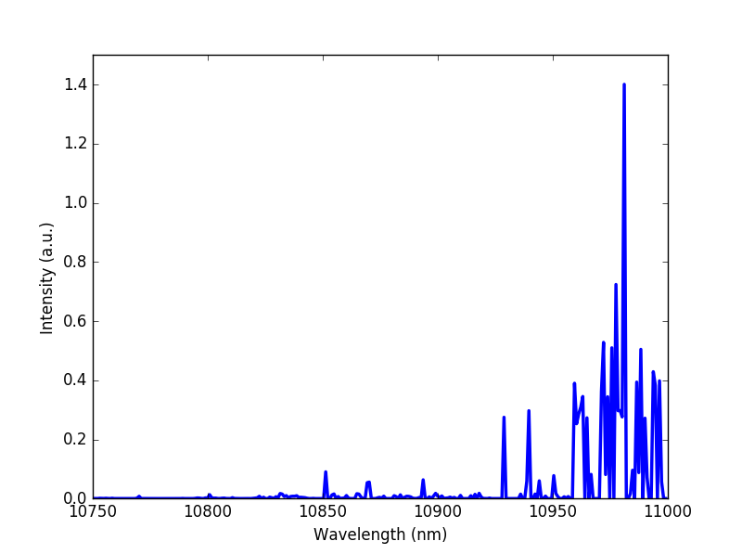
Temperature (K) | mean values | 4800 - 8600 K
 | maximum | 9500 - 11500 K
 | afterglow | 1200 - 6300 K
Electron density (cm-3) | mean values | 1,7E+12 - 7,08E+13
 | maximum | 8.28E+13
 | afterglow | 1,05E+10 - 1,48E+10
Inner radius (m) | mean values | 0,1 - 0,3
 | maximum | 0,9 - 2,2
Comma length (m) | mean values | 82,6 - 350,0
 | maximum | 816.90
Height (m) | mean values | 1,75 - 8,2
 | maximum | 38.00
Spectra | measured | given using the radio reflection and ionospheric model behaviour
 | simulated | narrow infrared are most contributing within the energy distribution

KV_1
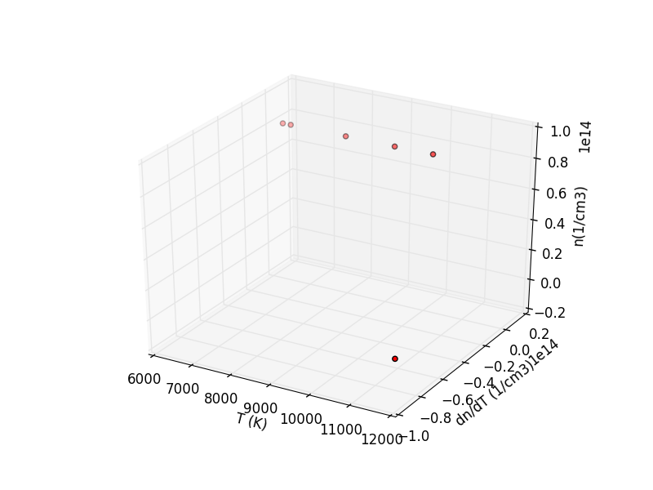
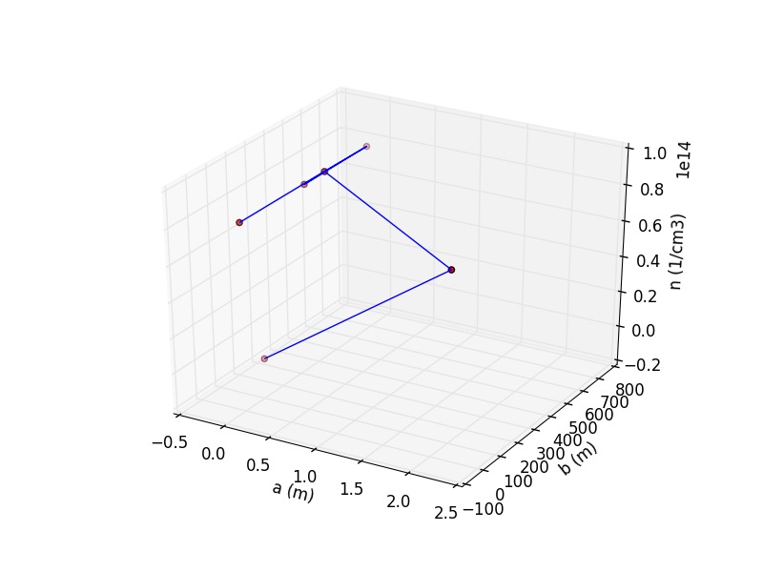
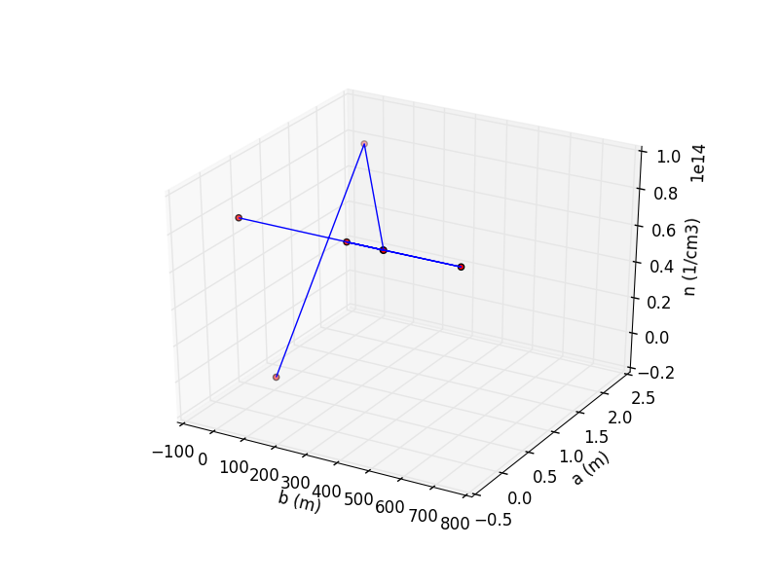
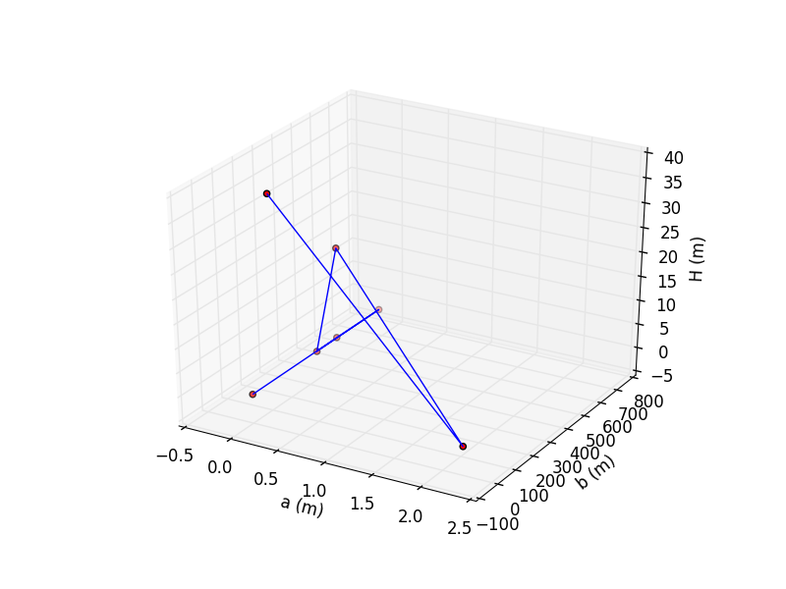
Karlovy Vary 1 | Temperature (K) | Electron density (cm-3) | Inner radius a (m) | Outer radius b (m) | Descent height (m)
 | 6531.12 | 8.28E+13 | 0.00 | 0.00 | 0.15
 | 6321.43 | 8.27E+13 | -0.01 | 450.71 | 0.11
 | 7957.50 | 8.27E+13 | 0.00 | 684.98 | 0.13
 | 9203.25 | 8.25E+13 | 0.00 | 338.09 | 0.14
 | 10161.30 | 8.25E+13 | 0.00 | 452.03 | 18.93
 | ? | 8.25E+13 | 2.21 | 0.00 | 0.05
 | 11539.38 | 1.48E+11 | 0.00 | 103.91 | 38.04
mean | 8619.00 | 7.08E+13 | 0.31 | 289.96 | 8.22

KV_2
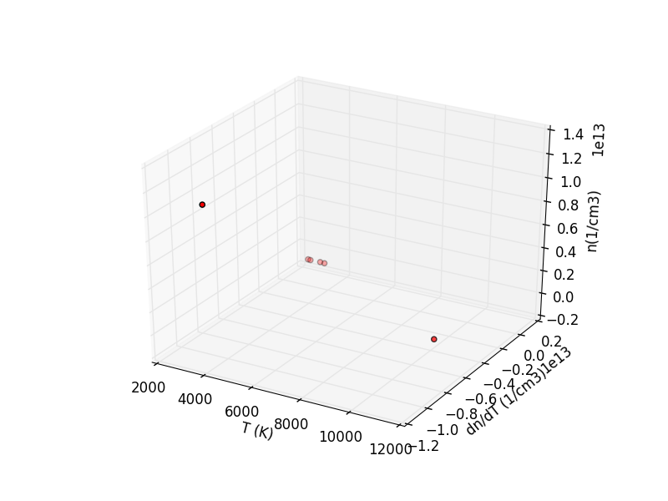
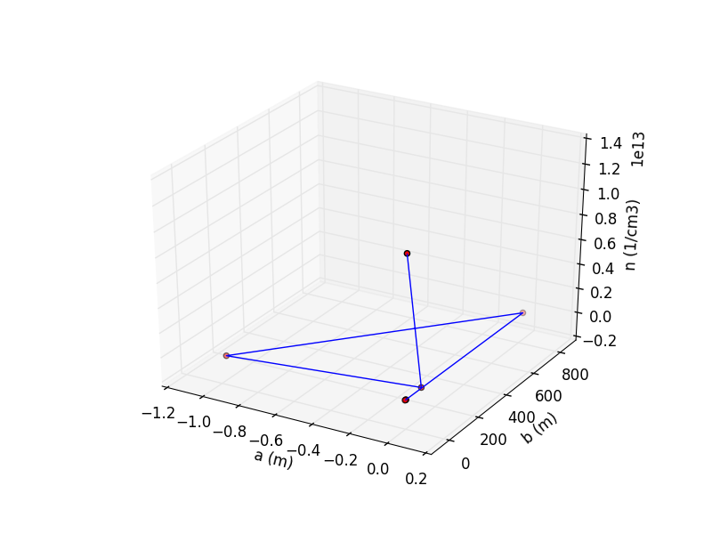
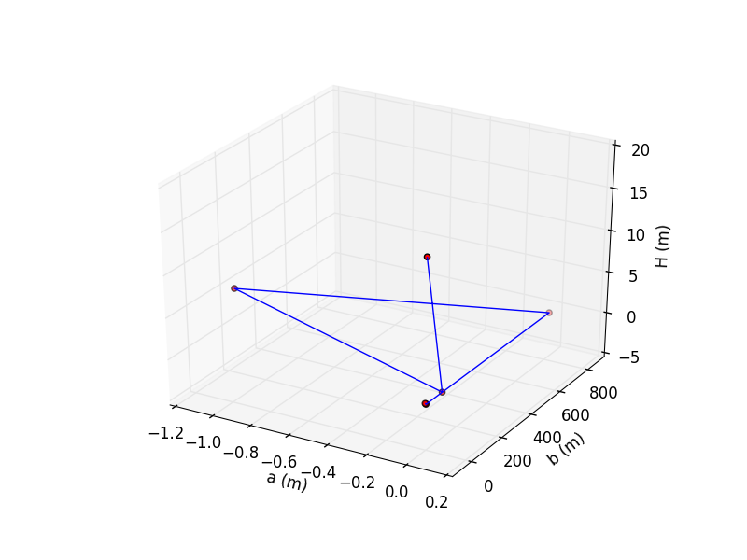
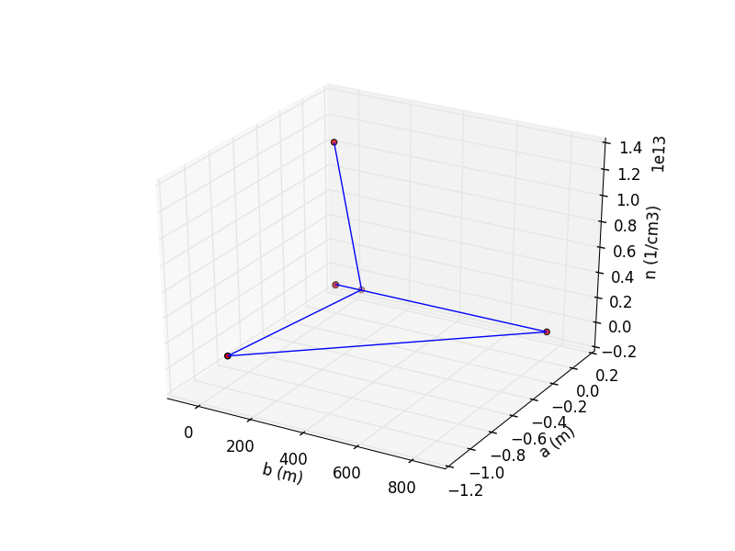
Karlovy Vary 2 | Temperature (K) | Electron density (cm-3) | Inner radius (m) | Outer radius (m) | Descent height (m)
 | 3760.39 | 1.14E+13 | 0.00 | 0.00 | 16.98
 | 10770.17 | 1.16E+11 | 0.00 | 103.23 | 0.02
 | 3858.96 | 6.61E+10 | -0.97 | 0.00 | 8.38
 | 3663.50 | 6.61E+10 | 0.01 | 816.93 | 0.14
 | 3130.26 | 6.61E+10 | 0.00 | 0.00 | 0.00
 | 3245.75 | 6.61E+10 | 0.00 | 0.00 | 0.08
 | ? | 1.05E+10 | 0.00 | 0.00 | 0.09
mean | 4738.17 | 1.69E+12 | -0.14 | 131.45 | 3.67

OSTROV_1
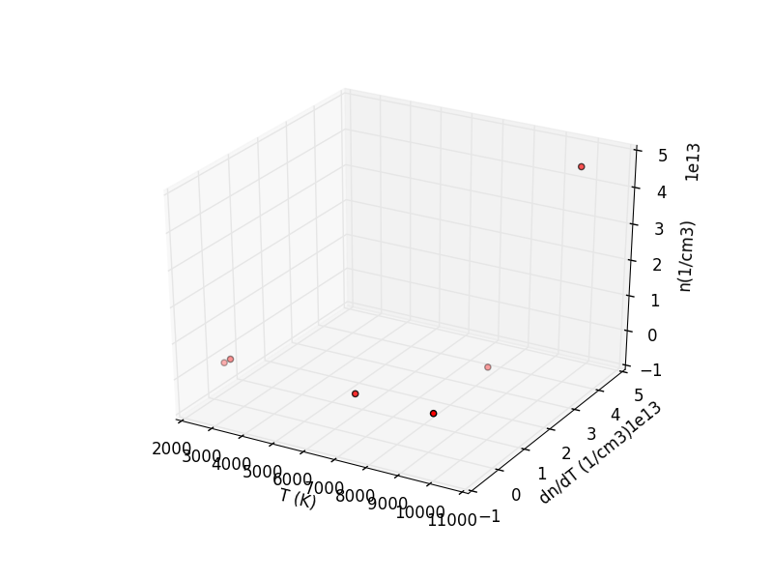
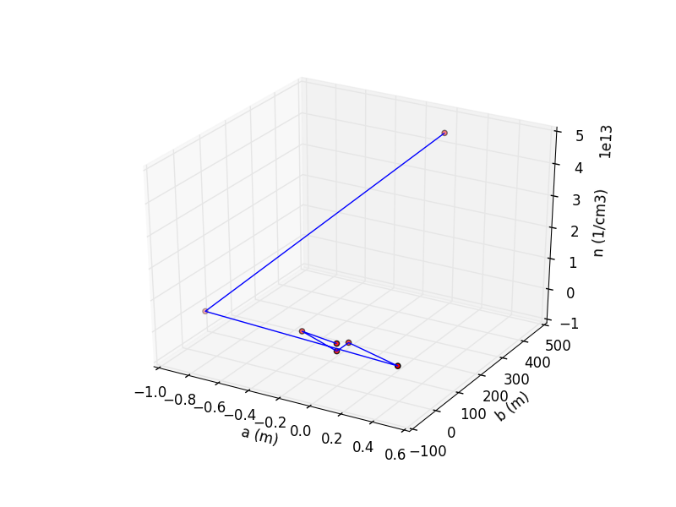
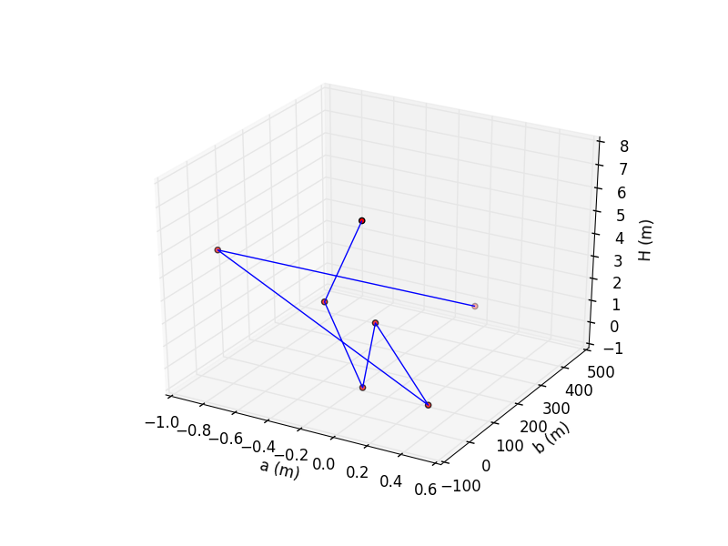
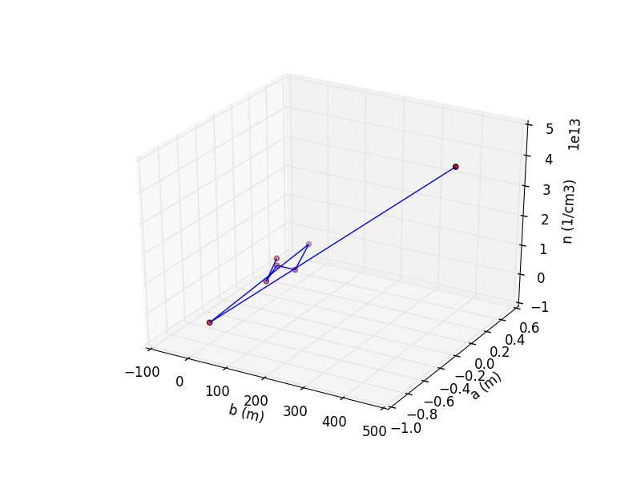
Ostrov n. Ohří 1 | Temperature (K) | Electron density (cm-3) | Inner radius (m) | Outer radius (m) | Descent height (m)
 | 2734.89 | 2.45E+10 | 0.00 | 0.00 | 7.26
 | 6784.75 | 1.12E+10 | -0.28 | 35.34 | 3.10
 | ? | 1.94E+10 | 0.00 | 0.00 | 0.08
 | 9149.98 | 1.94E+10 | 0.00 | 49.43 | 2.54
 | 2389.67 | 1.94E+10 | 0.39 | 0.00 | 0.01
 | 8953.10 | 1.94E+10 | -0.93 | 35.58 | 4.30
 | 9919.32 | 4.58E+13 | 0.00 | 457.95 | 0.09
mean | 6002.48 | 6.56E+12 | -0.12 | 82.62 | 2.48

SVAKOV_1
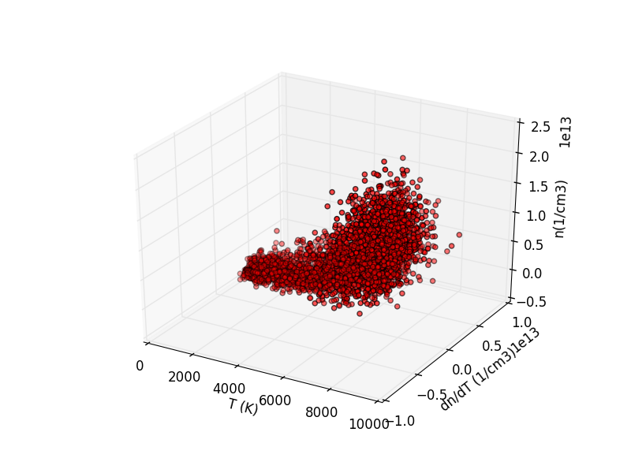
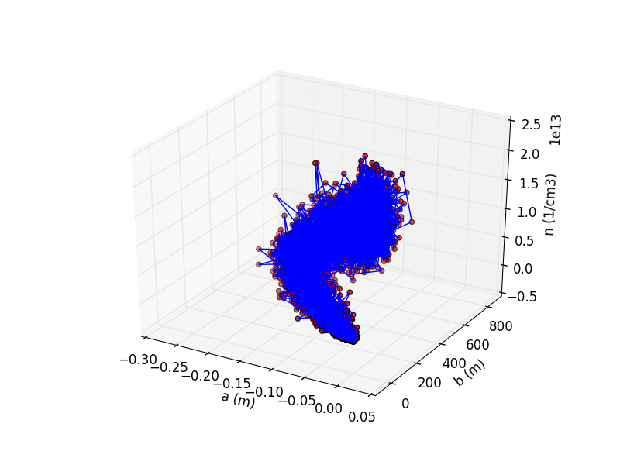
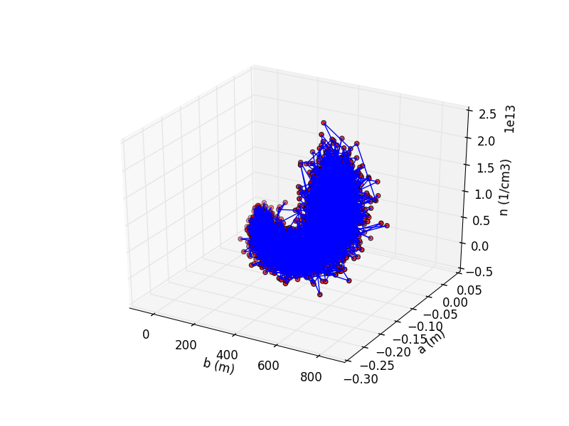
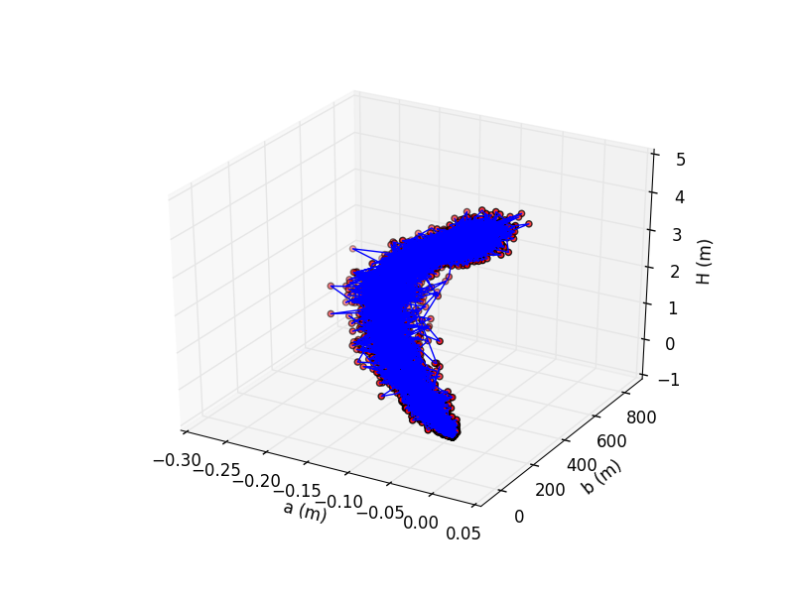
Svákov 1 | Temperature (K) | Electron density (cm-3) | Inner radius (m) | Outer radius (m) | Descent height (m)
 | 7556.77 | 1.16E+13 | -0.08 | 496.24 | 3.61
...
mean | 4915.47 | 5.11E+12 | -0.09 | 349.79 | 1.75

