KV_1
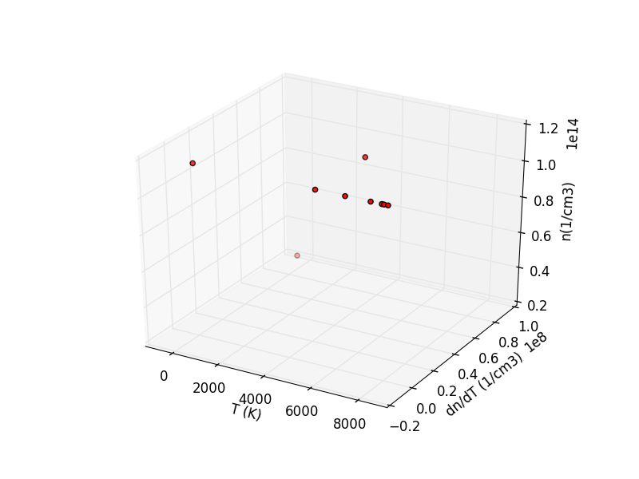
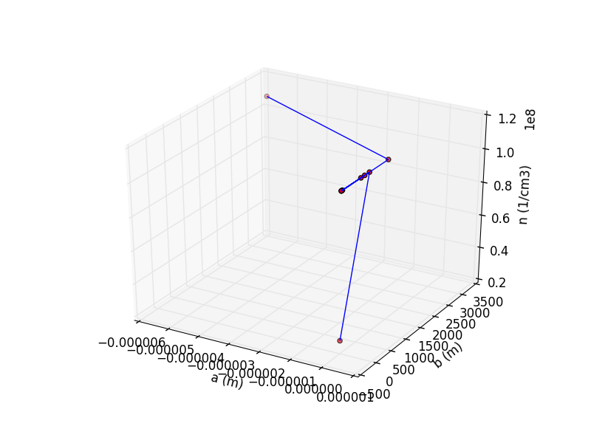
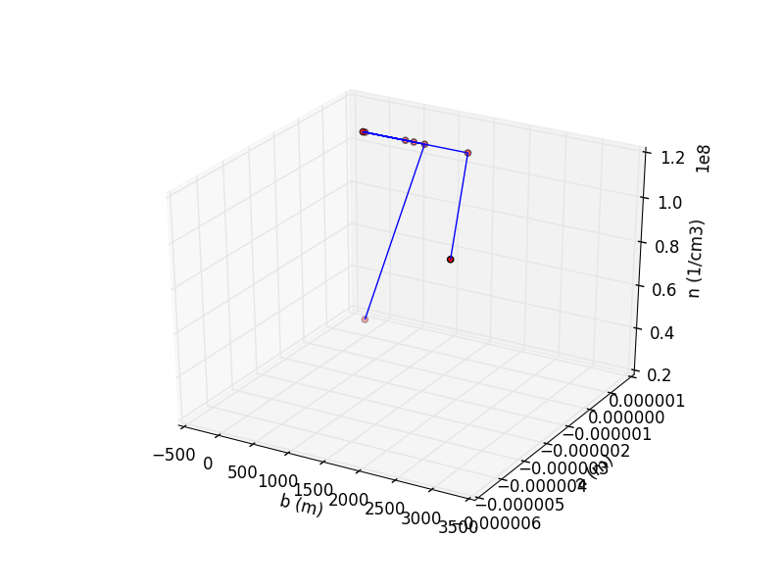
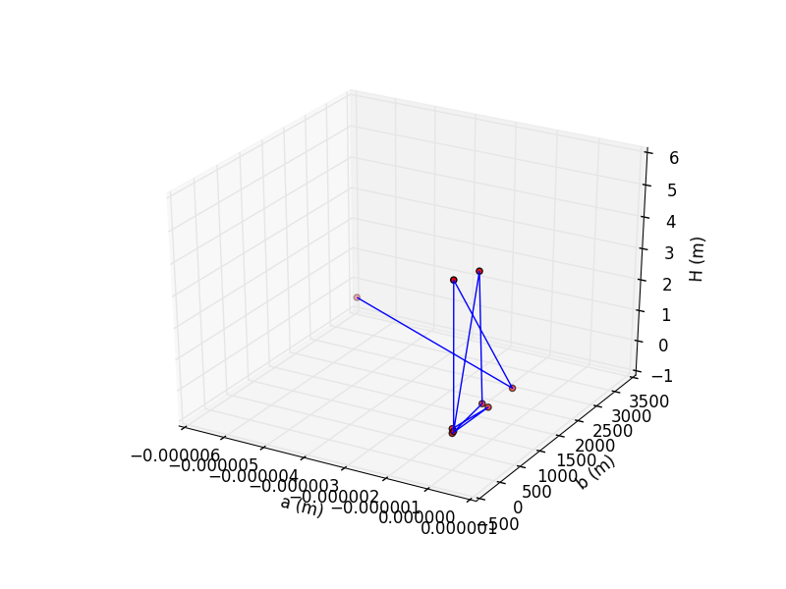
Karlovy Vary 1 | Temperature (K) | Electron density (cm-3) | Inner radius a (m) | Outer radius b (m) | Descent height (m)
 | 0.00 | 2.589609E+13 | 0.00 | 0.00 | 0.19
 | 5121.11 | 1.135848E+14 | 0.00 | 883.17 | 0.02
 | 5146.06 | 1.135848E+14 | 0.00 | 0.00 | 0.05
 | 6368.46 | 1.135848E+14 | 0.00 | 729.26 | 0.28
 | 7401.52 | 1.135848E+14 | 0.00 | 609.64 | 4.51
 | 0.00 | 1.135848E+14 | 0.00 | 32.65 | 0.08
 | 7850.83 | 1.135848E+14 | 0.00 | 0.00 | 4.78
 | ? | 1.135848E+14 | 0.00 | 1493.22 | 0.05
 | 7941.65 | 1.135848E+14 | 0.00 | 2993.92 | 0.03
mean | 4978.70 | 1.04E+14 | 0.00 | 749.10 | 1.11

OSTROV_1
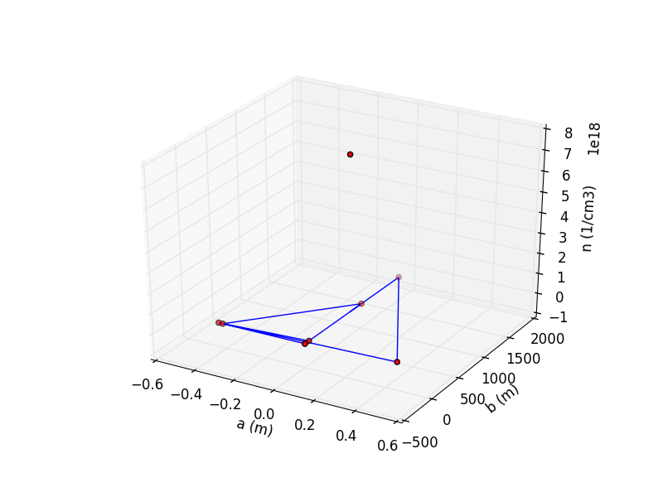
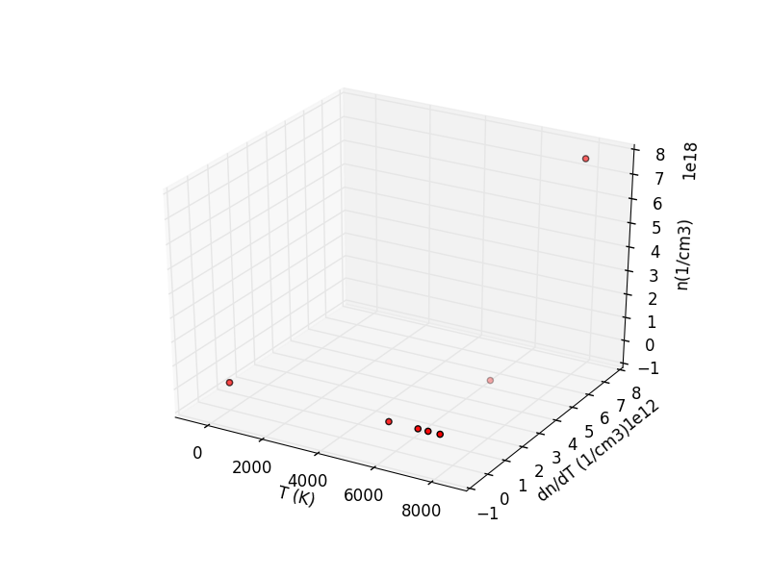
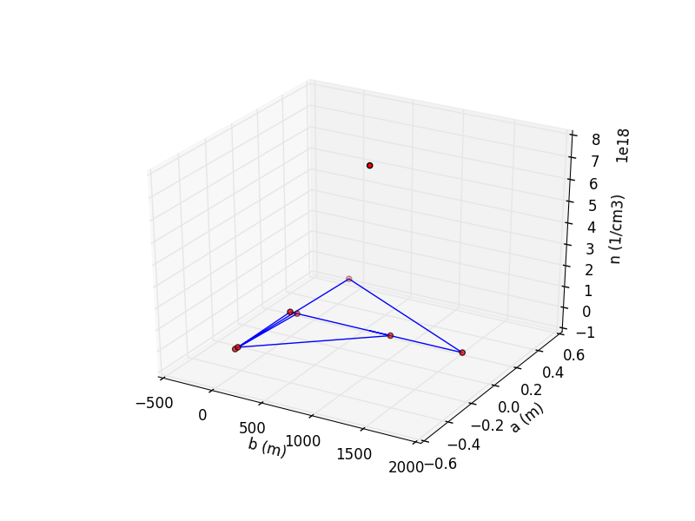
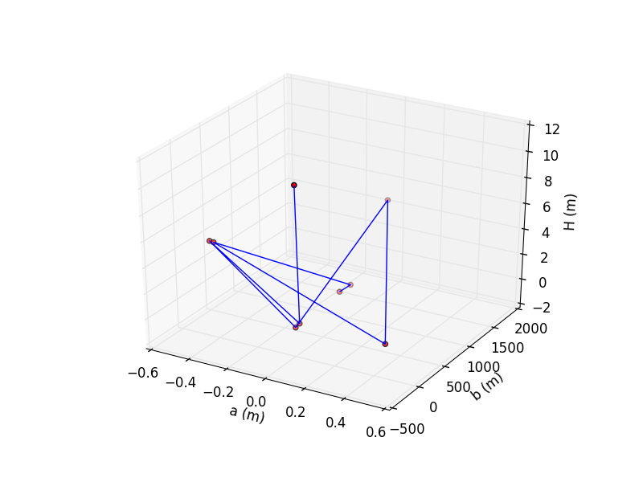
Ostrov n. Ohří 1 | Temperature (K) | Electron density (cm-3) | Inner radius (m) | Outer radius (m) | Descent height (m)
 | 7549.47 | 9.98E+14 | 0.00 | 0.00 | 10.86
 | 0.00 | 1.50E+14 | 0.00 | 71.22 | 0.11
 | 7131.88 | 1.63E+15 | -0.44 | 0.00 | 5.23
 | 5757.39 | 1.63E+15 | 0.00 | 0.00 | 0.02
 | 6779.67 | 1.63E+15 | 0.00 | 1732.94 | 5.09
 | 0.00 | 1.63E+15 | 0.43 | 76.05 | 0.11
 | 0.00 | 1.63E+15 | -0.42 | 0.00 | 5.19
 | 6975.16 | 1.63E+15 | 0.00 | 1021.15 | 0.35
 | 7895.36 | 7.59E+18 | 0.00 | 811.48 | 0.41
mean | 4536.40 | 1.33E+15 | -0.06 | 268.60 | 3.80

SVAKOV_1
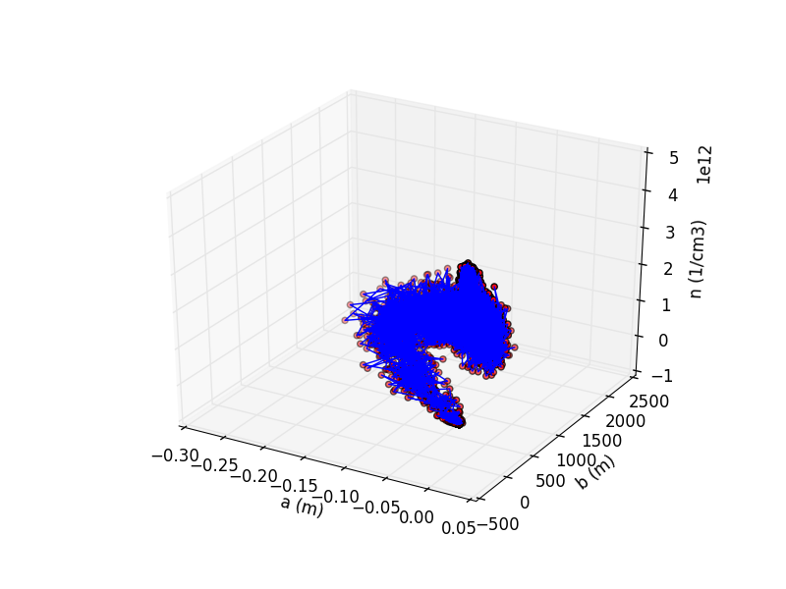
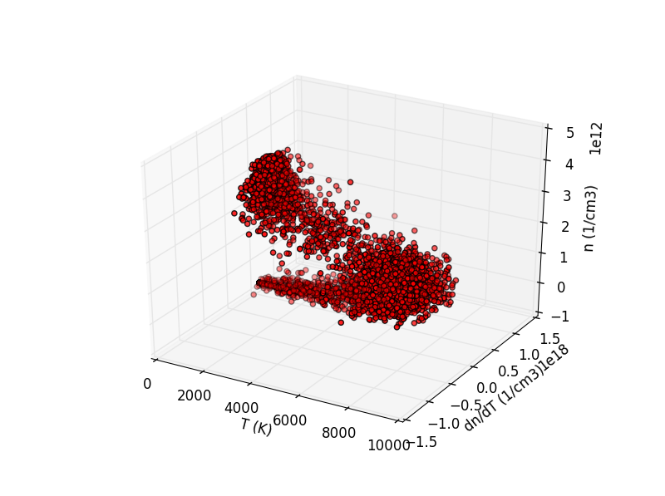
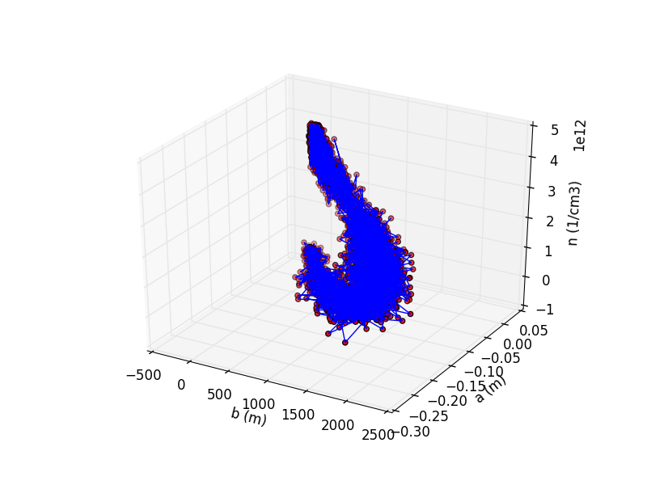
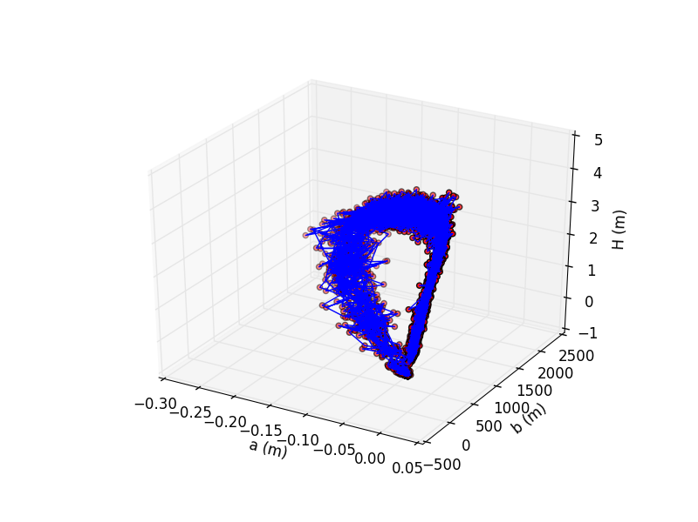
Svákov 1 | Temperature (K) | Electron density (cm-3) | Inner radius (m) | Outer radius (m) | Descent height (m)
 | 6766.95 | 1.10E+12 | -0.03 | 730.57 | 3.44
 | 7499.27 | 1.29E+12 | -0.01 | 692.55 | 3.72
 | 6772.24 | 1.68E+12 | -0.02 | 977.29 | 3.74
 | 6769.88 | 6.51E+11 | -0.04 | 1243.51 | 3.92
 | 7384.64 | 8.85E+11 | -0.05 | 1168.66 | 3.86
 | 7285.46 | 1.23E+12 | -0.04 | 884.43 | 3.73
 | 7822.45 | 1.19E+12 | -0.03 | 1232.44 | 3.45
 | 7043.82 | 1.20E+12 | -0.10 | 1191.38 | 3.15
 | 6868.06 | 3.77E+11 | -0.13 | 1701.46 | 2.72
 | 7250.54 | 4.95E+11 | -0.17 | 1726.94 | 2.43
 | 8198.60 | 9.75E+11 | -0.07 | 1410.69 | 3.25
 | 7553.48 | 9.57E+11 | -0.03 | 1366.31 | 3.88
 | 6768.09 | 9.70E+11 | -0.01 | 847.77 | 3.68
 | 7111.78 | 1.17E+12 | -0.02 | 889.80 | 4.03
 | 6419.35 | 1.45E+12 | -0.02 | 566.17 | 3.91
 | 6514.63 | 7.31E+11 | -0.04 | 888.60 | 3.55
 | 7608.94 | 7.56E+11 | -0.02 | 770.55 | 3.80
 | 7313.64 | 6.00E+11 | -0.03 | 921.76 | 3.54
 | 6833.26 | 1.01E+12 | -0.03 | 908.61 | 3.47
 | 7102.48 | 1.02E+12 | -0.06 | 1108.14 | 3.34
 | 6633.97 | 2.02E+11 | -0.13 | 1463.39 | 3.18
 | 7574.28 | 9.27E+11 | -0.10 | 1630.31 | 3.21
 | 6328.06 | 8.68E+11 | -0.06 | 1028.59 | 3.38
 | 6543.76 | 8.71E+11 | -0.04 | 1070.38 | 3.60
 | 6541.98 | 1.14E+12 | -0.09 | 1450.45 | 3.18
 | 7764.82 | 2.05E+11 | -0.17 | 1505.66 | 2.51
 | 7143.82 | 4.56E+11 | -0.15 | 1638.97 | 2.74
 | 7184.18 | 6.77E+11 | -0.04 | 1089.94 | 3.55
 | 6558.53 | 1.29E+12 | -0.03 | 762.75 | 3.74
 | 6679.67 | 1.21E+12 | -0.02 | 666.85 | 3.99
 | 7166.50 | 1.30E+12 | -0.02 | 925.38 | 4.14
 | 6993.65 | 1.21E+12 | -0.02 | 772.17 | 3.61
 | 6340.04 | 1.14E+12 | -0.02 | 815.88 | 3.89
 | 5707.22 | 9.71E+11 | -0.01 | 1055.95 | 3.98
 | 5775.16 | 1.17E+12 | -0.02 | 841.33 | 3.64
 | 7393.27 | 1.67E+12 | -0.03 | 868.75 | 3.25
 | 7625.44 | 7.53E+11 | -0.04 | 992.14 | 3.38
 | 6710.26 | 3.32E+11 | -0.06 | 1266.39 | 3.53
 | 8459.26 | 5.46E+11 | -0.06 | 1232.84 | 3.16
 | 7441.18 | 1.06E+12 | -0.03 | 878.70 | 3.58
 | 7930.59 | 1.20E+12 | -0.04 | 990.34 | 3.60
 | 7096.60 | 1.23E+12 | -0.09 | 1219.28 | 3.02
 | 6936.52 | 9.48E+11 | -0.16 | 1895.22 | 2.39
 | 7539.01 | 7.07E+11 | -0.12 | 1673.53 | 2.59
 | 7486.89 | 1.21E+12 | -0.08 | 1062.35 | 3.36
 | 5723.74 | 1.40E+12 | -0.04 | 1175.69 | 3.59
 | 6187.09 | 1.60E+12 | -0.02 | 1076.86 | 3.78
 | 7379.16 | 1.29E+12 | -0.03 | 655.87 | 3.37
 | 5840.56 | 1.47E+12 | -0.04 | 1106.30 | 3.46
 | 7079.15 | 1.20E+12 | -0.04 | 1052.12 | 3.72
 | 7213.27 | 1.35E+12 | -0.04 | 1268.35 | 3.89
 | 6811.63 | 1.23E+12 | -0.04 | 1004.54 | 3.50
 | 6345.52 | 1.82E+12 | -0.04 | 770.41 | 3.63
 | 7296.52 | 8.83E+11 | -0.04 | 1057.08 | 3.21
 | 7581.97 | 5.73E+11 | -0.11 | 1073.39 | 3.21
 | 7505.46 | 1.31E+12 | -0.09 | 1768.45 | 3.04
 | 6208.91 | 1.36E+12 | -0.05 | 1163.20 | 3.42
 | 6038.37 | 1.71E+12 | -0.05 | 1226.78 | 3.40
 | 7416.92 | 6.63E+11 | -0.09 | 1074.89 | 2.93
 | 6625.93 | 7.51E+11 | -0.13 | 1295.05 | 2.85
 | 8933.95 | 5.41E+11 | -0.15 | 1529.10 | 2.28
 | 6598.13 | 1.02E+12 | -0.09 | 1433.15 | 3.23
 | 8231.04 | 1.62E+12 | -0.03 | 761.86 | 3.35
 | 6462.14 | 1.55E+12 | -0.03 | 754.47 | 3.88
 | 6900.09 | 1.14E+12 | -0.03 | 776.27 | 3.67
 | 6931.31 | 1.32E+12 | -0.03 | 926.92 | 3.50
 | 6503.94 | 1.09E+12 | -0.03 | 851.04 | 3.61
 | 5620.29 | 8.53E+11 | -0.03 | 864.69 | 3.88
 | 6259.10 | 8.75E+11 | -0.02 | 1066.64 | 3.67
 | 7068.85 | 6.43E+11 | -0.02 | 631.01 | 3.80
 | 6952.50 | 1.36E+12 | -0.05 | 878.98 | 3.48
 | 7470.76 | 7.92E+11 | -0.07 | 1359.17 | 3.13
 | 7049.98 | 6.41E+11 | -0.08 | 1502.24 | 3.13
 | 6900.56 | 5.33E+11 | -0.06 | 1161.53 | 3.97
 | 6747.71 | 1.00E+12 | -0.03 | 1050.08 | 3.77
 | 8190.35 | 8.85E+11 | -0.07 | 1387.43 | 3.13
 | 6950.52 | 5.92E+11 | -0.14 | 1697.11 | 2.81
 | 6644.40 | 5.56E+11 | -0.17 | 1412.59 | 2.56
 | 7214.95 | 5.70E+11 | -0.06 | 1031.64 | 3.35
 | 6683.53 | 9.25E+11 | -0.01 | 877.19 | 3.95
 | 7382.18 | 1.71E+12 | -0.02 | 902.16 | 3.44
 | 6747.66 | 1.35E+12 | -0.02 | 763.23 | 3.89
 | 5926.98 | 1.13E+12 | -0.02 | 1024.60 | 3.80
 | 6525.85 | 1.21E+12 | -0.01 | 904.98 | 3.64
 | 7780.23 | 1.18E+12 | -0.03 | 870.74 | 3.36
 | 6432.97 | 1.25E+12 | -0.02 | 770.03 | 3.79
 | 6960.14 | 6.79E+11 | -0.01 | 788.23 | 4.12
 | 7428.53 | 7.89E+11 | -0.05 | 1044.45 | 3.71
 | 8406.13 | 6.27E+11 | -0.11 | 1245.10 | 2.86
 | 7074.28 | 9.50E+11 | -0.09 | 1623.94 | 3.10
 | 6458.79 | 6.81E+11 | -0.05 | 1080.91 | 3.87
 | 6279.32 | 1.07E+12 | -0.05 | 835.42 | 3.89
 | 6603.61 | 1.19E+12 | -0.08 | 1001.15 | 3.34
 | 7123.50 | 5.35E+11 | -0.12 | 1241.48 | 2.78
 | 6496.27 | 1.18E+12 | -0.14 | 1652.00 | 2.69
 | 7967.93 | 1.20E+12 | -0.10 | 1133.93 | 2.93
 | 6489.40 | 1.32E+12 | -0.04 | 1041.75 | 3.52
 | 7443.60 | 1.21E+12 | -0.02 | 739.13 | 3.49
 | 7050.60 | 1.59E+12 | -0.02 | 796.47 | 3.72
 | 8146.61 | 1.72E+12 | -0.02 | 846.17 | 3.76
 | 6829.07 | 1.57E+12 | -0.05 | 1117.26 | 3.34
 | 6728.65 | 1.20E+12 | -0.04 | 913.02 | 3.60
 | 6628.57 | 1.52E+12 | -0.05 | 817.93 | 3.50
 | 6545.22 | 1.40E+12 | -0.04 | 993.69 | 3.86
 | 6268.97 | 7.23E+11 | -0.06 | 1145.45 | 3.83
 | 7594.94 | 8.31E+11 | -0.09 | 1453.44 | 3.07
 | 8668.09 | 5.95E+11 | -0.12 | 1791.57 | 3.06
 | 6847.47 | 7.25E+11 | -0.08 | 1296.00 | 3.38
 | 6457.26 | 9.86E+11 | -0.05 | 1265.20 | 3.72
 | 6974.32 | 8.10E+11 | -0.06 | 1327.53 | 3.60
 | 8174.89 | 7.33E+11 | -0.12 | 1418.58 | 2.94
 | 7673.24 | 5.77E+11 | -0.13 | 1617.20 | 2.77
 | 6451.57 | 7.73E+11 | -0.10 | 1032.42 | 3.30
 | 8063.93 | 1.08E+12 | -0.04 | 1280.01 | 3.57
 | 6684.26 | 1.05E+12 | -0.02 | 883.52 | 3.93
 | 7242.97 | 4.01E+11 | -0.02 | 1269.73 | 3.61
 | 6947.17 | 8.54E+11 | -0.02 | 678.35 | 3.68
 | 5768.69 | 1.54E+12 | -0.04 | 992.58 | 3.77
 | 6337.27 | 1.77E+12 | -0.04 | 1225.14 | 3.55
 | 7202.01 | 8.36E+11 | -0.05 | 905.87 | 3.62
 | 7496.38 | 1.71E+12 | -0.03 | 859.58 | 3.60
 | 6636.03 | 6.37E+11 | -0.04 | 925.44 | 3.99
 | 7897.31 | 5.86E+11 | -0.09 | 1226.84 | 3.34
 | 8423.84 | 6.50E+11 | -0.09 | 1259.83 | 2.92
 | 6584.58 | 1.18E+12 | -0.07 | 1376.22 | 3.54
 | 6464.07 | 1.24E+12 | -0.05 | 1065.63 | 3.32
 | 7221.33 | 8.02E+11 | -0.09 | 1117.42 | 3.47
 | 7819.93 | 6.80E+11 | -0.13 | 1291.20 | 2.82
 | 7930.08 | 6.31E+11 | -0.15 | 1873.36 | 2.36
 | 6388.62 | 1.02E+12 | -0.10 | 1104.28 | 3.04
 | 7272.43 | 1.36E+12 | -0.06 | 915.47 | 3.47
 | 7514.64 | 6.12E+11 | -0.04 | 723.70 | 3.64
 | 6927.15 | 3.79E+11 | -0.04 | 804.66 | 3.59
 | 7212.87 | 1.14E+12 | -0.02 | 721.87 | 3.72
 | 7186.25 | 1.42E+12 | -0.01 | 722.90 | 3.76
 | 5937.36 | 9.40E+11 | -0.04 | 953.80 | 3.60
 | 6400.72 | 1.80E+12 | -0.04 | 916.25 | 3.37
 | 5864.33 | 1.25E+12 | -0.03 | 758.39 | 3.90
 | 6680.14 | 1.35E+12 | -0.03 | 753.22 | 3.61
 | 6731.83 | 1.05E+12 | -0.04 | 1461.67 | 3.43
 | 7933.98 | 1.19E+12 | -0.05 | 1064.91 | 3.48
 | 8059.26 | 1.28E+12 | -0.06 | 1213.50 | 3.35
 | 8238.37 | 7.46E+11 | -0.06 | 1244.84 | 3.54
 | 7340.33 | 1.15E+12 | -0.07 | 1061.87 | 3.47
 | 7677.07 | 7.31E+11 | -0.11 | 1263.80 | 2.74
 | 6889.54 | 3.40E+11 | -0.14 | 1166.01 | 2.55
 | 6877.86 | 5.05E+11 | -0.10 | 1342.11 | 3.11
 | 6881.34 | 1.25E+12 | -0.06 | 1122.22 | 3.62
 | 7314.88 | 1.06E+12 | -0.04 | 868.09 | 3.36
 | 7243.06 | 9.79E+11 | -0.02 | 947.87 | 3.46
 | 6705.44 | 1.16E+12 | -0.03 | 1022.11 | 3.84
 | 7605.11 | 1.65E+12 | -0.03 | 846.51 | 3.52
 | 6748.70 | 1.10E+12 | -0.04 | 873.32 | 3.74
 | 6775.95 | 5.42E+11 | -0.04 | 1171.43 | 3.56
 | 7156.80 | 1.22E+12 | -0.05 | 1214.72 | 3.40
 | 6603.45 | 9.50E+11 | -0.04 | 1122.79 | 3.67
 | 7512.90 | 1.69E+12 | -0.08 | 1181.43 | 3.37
 | 7527.16 | 1.27E+12 | -0.10 | 1380.90 | 3.31
 | 6743.69 | 1.41E+12 | -0.08 | 1525.96 | 3.42
 | 7836.22 | 1.25E+12 | -0.06 | 1087.76 | 3.24
 | 7704.66 | 1.45E+12 | -0.08 | 944.91 | 3.36
 | 5976.45 | 9.61E+11 | -0.13 | 1392.28 | 2.96
 | 6310.05 | 8.84E+11 | -0.17 | 1670.52 | 2.19
 | 7658.35 | 1.17E+12 | -0.13 | 1320.20 | 2.90
 | 7516.16 | 2.16E+12 | -0.10 | 1085.08 | 2.96
 | 6606.14 | 1.43E+12 | -0.04 | 754.44 | 3.53
 | 5840.29 | 9.11E+11 | -0.04 | 1054.96 | 3.78
 | 7192.79 | 6.84E+11 | -0.06 | 851.71 | 3.45
 | 7027.86 | 1.24E+12 | -0.04 | 829.00 | 3.56
 | 6638.25 | 1.19E+12 | -0.03 | 766.68 | 3.92
 | 6730.09 | 1.27E+12 | -0.02 | 887.06 | 4.11
 | 7021.95 | 1.71E+12 | -0.03 | 1060.03 | 3.92
 | 7108.94 | 1.99E+12 | -0.05 | 1040.68 | 3.34
 | 6944.75 | 1.59E+12 | -0.08 | 1131.89 | 3.39
 | 6994.04 | 1.03E+12 | -0.12 | 1567.51 | 3.24
 | 7425.03 | 7.00E+11 | -0.11 | 1642.85 | 3.08
 | 7023.39 | 1.51E+12 | -0.06 | 1106.06 | 3.59
 | 8218.15 | 1.20E+12 | -0.06 | 1276.39 | 3.16
 | 7302.09 | 9.81E+11 | -0.11 | 1493.39 | 2.67
 | 7057.69 | 1.04E+12 | -0.15 | 1242.42 | 2.63
 | 7137.70 | 8.14E+11 | -0.12 | 1361.65 | 2.53
 | 6609.22 | 1.04E+12 | -0.07 | 1211.32 | 3.34
 | 7367.61 | 1.21E+12 | -0.04 | 1085.56 | 3.62
 | 7131.38 | 9.37E+11 | -0.06 | 1043.41 | 3.60
 | 7100.90 | 5.89E+11 | -0.05 | 1077.66 | 3.67
 | 7544.61 | 1.17E+12 | -0.06 | 904.76 | 3.54
 | 5363.42 | 1.71E+12 | -0.05 | 1118.17 | 3.69
 | 6766.94 | 2.03E+12 | -0.05 | 890.69 | 3.37
 | 7183.71 | 1.67E+12 | -0.04 | 1075.87 | 3.83
 | 7940.82 | 8.11E+11 | -0.05 | 1133.19 | 3.64
 | 6345.58 | 1.39E+12 | -0.14 | 1366.97 | 2.94
 | 6083.26 | 1.86E+11 | -0.15 | 1469.66 | 2.67
 | 6970.79 | 5.36E+11 | -0.16 | 1888.92 | 2.23
 | 6729.26 | 6.65E+11 | -0.08 | 1095.46 | 3.53
 | 6900.45 | 1.22E+12 | -0.05 | 1404.18 | 3.54
 | 7526.47 | 1.12E+12 | -0.11 | 1487.36 | 2.80
 | 7337.42 | 5.44E+11 | -0.15 | 1604.80 | 2.43
 | 6374.75 | 6.12E+11 | -0.14 | 1328.07 | 3.13
 | 7448.75 | 1.16E+12 | -0.08 | 1230.35 | 3.06
 | 6600.79 | 1.65E+12 | -0.06 | 949.74 | 3.47
 | 8123.76 | 1.26E+12 | -0.06 | 1067.47 | 3.43
 | 7868.00 | 1.47E+12 | -0.04 | 1166.34 | 3.62
 | 7949.65 | 1.44E+12 | -0.06 | 1052.56 | 3.25
 | 6893.92 | 1.20E+12 | -0.09 | 1154.74 | 3.42
 | 7298.94 | 1.31E+12 | -0.07 | 1487.57 | 3.26
 | 8054.27 | 1.30E+12 | -0.07 | 1254.23 | 3.19
 | 7454.15 | 1.46E+12 | -0.06 | 1149.65 | 3.50
 | 6759.63 | 8.97E+11 | -0.05 | 900.70 | 3.78
 | 7392.00 | 1.21E+12 | -0.07 | 1001.75 | 3.39
 | 8031.15 | 8.42E+11 | -0.06 | 1453.63 | 3.07
 | 6891.36 | 8.78E+11 | -0.06 | 865.32 | 3.41
 | 6458.30 | 1.41E+12 | -0.07 | 1138.38 | 3.55
 | 7347.80 | 1.53E+12 | -0.10 | 1270.99 | 2.86
 | 7266.27 | 8.77E+11 | -0.16 | 1546.89 | 2.30
 | 7395.89 | 1.04E+12 | -0.15 | 1428.07 | 2.61
 | 5966.47 | 1.01E+12 | -0.12 | 1557.19 | 3.27
 | 8162.83 | 1.04E+12 | -0.07 | 1539.41 | 3.12
 | 7983.85 | 1.22E+12 | -0.07 | 1233.51 | 3.47
 | 8374.01 | 1.32E+12 | -0.06 | 1112.12 | 2.84
 | 6024.39 | 9.30E+11 | -0.07 | 1094.70 | 3.49
 | 7921.18 | 9.38E+11 | -0.07 | 1375.28 | 3.24
 | 6867.74 | 1.12E+12 | -0.07 | 974.48 | 3.23
 | 7060.97 | 1.30E+12 | -0.07 | 1045.04 | 3.45
 | 6844.78 | 5.52E+11 | -0.08 | 1220.74 | 3.31
 | 7194.65 | 7.21E+11 | -0.13 | 1555.05 | 2.55
 | 6894.93 | 3.63E+11 | -0.19 | 1657.92 | 1.97
 | 6584.72 | 1.91E+11 | -0.17 | 1699.10 | 2.25
 | 7758.30 | 6.43E+11 | -0.10 | 1321.93 | 2.94
 | 8267.79 | 1.50E+12 | -0.09 | 1056.58 | 3.10
 | 7671.62 | 5.72E+11 | -0.14 | 1585.15 | 2.51
 | 6596.51 | 2.96E+11 | -0.17 | 2052.59 | 2.33
 | 6239.34 | 2.48E+11 | -0.18 | 1804.37 | 2.20
 | 5961.78 | 1.01E+12 | -0.14 | 1388.79 | 2.84
 | 8644.98 | 1.49E+12 | -0.08 | 1119.34 | 3.14
 | 7508.02 | 1.49E+12 | -0.09 | 1279.60 | 2.98
 | 8329.21 | 9.58E+11 | -0.10 | 984.47 | 2.91
 | 7778.80 | 1.29E+12 | -0.10 | 1228.96 | 3.05
 | 7375.04 | 1.01E+12 | -0.10 | 1171.73 | 3.01
 | 7773.89 | 1.39E+12 | -0.10 | 1616.86 | 3.14
 | 8609.38 | 1.31E+12 | -0.08 | 1252.24 | 3.08
 | 7616.25 | 1.17E+12 | -0.10 | 1031.44 | 2.95
 | 6698.73 | 6.06E+11 | -0.11 | 1310.37 | 3.30
 | 7169.10 | 9.34E+11 | -0.15 | 1563.76 | 2.44
 | 6959.20 | 6.45E+11 | -0.15 | 1477.98 | 2.78
 | 7332.75 | 7.79E+11 | -0.10 | 1571.90 | 2.82
 | 6469.43 | 1.20E+12 | -0.11 | 1430.55 | 3.21
 | 8072.73 | 7.81E+11 | -0.14 | 1673.07 | 2.58
 | 7825.17 | 7.12E+11 | -0.16 | 1717.68 | 2.21
 | 6268.93 | 4.42E+11 | -0.17 | 1623.20 | 2.30
 | 7173.16 | 5.91E+11 | -0.11 | 1495.83 | 2.97
 | 7067.22 | 1.08E+12 | -0.12 | 1337.20 | 2.84
 | 6590.48 | 7.12E+11 | -0.10 | 1204.60 | 3.17
 | 6709.04 | 9.16E+11 | -0.09 | 1550.69 | 2.98
 | 7357.50 | 1.14E+12 | -0.13 | 1472.73 | 3.01
 | 8108.24 | 5.48E+11 | -0.11 | 1398.70 | 2.90
 | 7070.65 | 6.42E+11 | -0.12 | 1519.67 | 3.16
 | 8580.33 | 7.57E+11 | -0.10 | 1377.23 | 2.87
 | 8267.12 | 1.44E+12 | -0.09 | 1575.71 | 2.92
 | 6658.94 | 6.79E+11 | -0.14 | 1508.97 | 2.84
 | 7007.50 | 8.73E+10 | -0.24 | 1435.74 | 1.63
 | 5920.79 | 7.20E+11 | -0.22 | 1800.60 | 1.57
 | 7061.98 | 1.37E+12 | -0.12 | 1298.64 | 2.83
 | 7648.23 | 1.20E+12 | -0.07 | 1249.12 | 2.98
 | 6861.80 | 1.04E+12 | -0.14 | 1490.78 | 2.77
 | 6075.50 | 3.29E+11 | -0.17 | 1364.50 | 2.52
 | 6923.18 | 2.39E+11 | -0.17 | 1790.90 | 2.41
 | 7978.61 | 9.97E+11 | -0.13 | 1547.18 | 2.69
 | 7423.74 | 8.90E+11 | -0.10 | 1600.15 | 3.00
 | 7355.42 | 1.07E+12 | -0.08 | 1419.18 | 3.15
 | 7041.91 | 5.34E+11 | -0.07 | 1283.60 | 3.46
 | 7597.43 | 6.30E+11 | -0.05 | 1343.93 | 3.58
 | 7594.23 | 6.74E+11 | -0.08 | 1363.45 | 3.32
 | 6779.12 | 1.27E+12 | -0.08 | 1249.62 | 3.22
 | 7038.23 | 1.01E+12 | -0.08 | 1138.99 | 3.21
 | 8036.00 | 1.03E+12 | -0.07 | 1419.58 | 3.28
 | 7527.92 | 8.24E+11 | -0.07 | 1268.20 | 3.84
 | 7241.97 | 1.66E+12 | -0.08 | 1303.28 | 2.88
 | 6984.02 | 9.90E+11 | -0.10 | 1074.13 | 3.42
 | 7044.81 | 8.03E+11 | -0.08 | 1078.40 | 3.36
 | 7271.36 | 5.83E+11 | -0.08 | 1207.66 | 3.12
 | 6380.36 | 3.70E+11 | -0.10 | 1181.18 | 3.07
 | 6830.86 | 3.10E+11 | -0.14 | 1455.90 | 2.53
 | 6637.63 | 4.51E+11 | -0.14 | 1605.35 | 3.15
 | 7422.93 | 3.34E+11 | -0.12 | 1164.88 | 3.08
 | 8648.00 | 9.60E+11 | -0.09 | 1314.04 | 3.02
 | 7042.11 | 1.22E+12 | -0.09 | 1338.84 | 3.06
 | 6896.99 | 1.13E+12 | -0.12 | 1390.95 | 3.05
 | 7154.76 | 8.40E+11 | -0.10 | 1394.89 | 3.31
 | 7833.60 | 5.36E+11 | -0.09 | 1162.32 | 3.04
 | 7727.70 | 5.98E+11 | -0.12 | 1238.58 | 3.05
 | 7401.42 | 6.89E+11 | -0.07 | 1349.27 | 2.96
 | 6612.09 | 1.05E+12 | -0.07 | 1357.15 | 3.46
 | 7940.85 | 9.49E+11 | -0.12 | 1438.04 | 2.85
 | 7449.48 | 3.81E+11 | -0.17 | 1565.39 | 2.10
 | 7658.40 | 5.27E+11 | -0.18 | 1741.15 | 2.38
 | 6106.93 | 1.34E+12 | -0.12 | 1363.94 | 2.94
 | 6352.45 | 1.43E+12 | -0.09 | 1410.59 | 3.28
 | 7032.89 | 1.09E+12 | -0.12 | 1508.11 | 2.90
 | 6907.49 | 3.38E+11 | -0.16 | 1731.84 | 2.37
 | 6954.74 | 4.41E+11 | -0.17 | 1613.45 | 2.18
 | 7520.64 | 3.15E+11 | -0.13 | 1486.86 | 2.68
 | 8263.44 | 1.21E+12 | -0.09 | 1132.96 | 3.09
 | 6482.81 | 1.20E+12 | -0.08 | 1231.00 | 3.35
 | 8140.72 | 5.04E+11 | -0.09 | 1357.75 | 2.91
 | 7203.16 | 9.02E+11 | -0.09 | 1264.86 | 3.24
 | 7292.78 | 4.47E+11 | -0.08 | 1335.43 | 3.26
 | 7048.08 | 1.31E+12 | -0.11 | 1592.17 | 3.19
 | 6002.37 | 1.16E+12 | -0.10 | 1411.03 | 3.34
 | 6787.22 | 5.17E+11 | -0.08 | 1395.23 | 3.22
 | 8198.34 | 8.16E+11 | -0.09 | 1225.75 | 3.01
 | 7318.23 | 9.32E+11 | -0.12 | 1497.41 | 2.63
 | 7266.54 | 6.63E+11 | -0.15 | 1618.46 | 2.58
 | 7796.57 | 1.18E+12 | -0.10 | 1451.81 | 2.62
 | 6989.74 | 9.78E+11 | -0.10 | 1305.94 | 3.32
 | 7212.61 | 9.11E+11 | -0.09 | 1222.08 | 3.14
 | 8266.15 | 7.86E+11 | -0.15 | 1470.60 | 2.33
 | 6619.03 | 1.51E+12 | -0.15 | 1735.16 | 2.51
 | 6908.97 | 9.87E+11 | -0.12 | 1459.97 | 2.90
 | 7143.99 | 8.36E+11 | -0.11 | 1574.62 | 3.04
 | 6833.19 | 8.54E+11 | -0.10 | 1337.67 | 3.16
 | 7957.63 | 1.48E+12 | -0.07 | 1336.06 | 3.35
 | 8231.35 | 9.08E+11 | -0.09 | 1446.09 | 2.93
 | 6847.62 | 6.33E+11 | -0.09 | 1485.93 | 3.39
 | 6603.44 | 1.01E+12 | -0.10 | 1274.25 | 3.32
 | 7172.29 | 1.61E+12 | -0.09 | 1245.04 | 3.21
 | 7746.60 | 1.22E+12 | -0.06 | 870.49 | 3.55
 | 7244.66 | 2.08E+12 | -0.05 | 1051.17 | 3.73
 | 7355.07 | 1.52E+12 | -0.08 | 1287.82 | 3.17
 | 8240.19 | 1.29E+12 | -0.09 | 1273.88 | 2.98
 | 8127.88 | 1.15E+12 | -0.09 | 1498.32 | 2.95
 | 8252.01 | 1.41E+12 | -0.07 | 1077.26 | 3.31
 | 8055.02 | 9.22E+11 | -0.09 | 1222.02 | 3.00
 | 6370.17 | 7.63E+11 | -0.18 | 1524.73 | 2.50
 | 7048.21 | 8.48E+11 | -0.14 | 1300.82 | 2.58
 | 6803.46 | 8.19E+11 | -0.11 | 1651.69 | 3.01
 | 7031.46 | 7.35E+11 | -0.09 | 1276.46 | 3.40
 | 7549.31 | 1.65E+12 | -0.08 | 1263.81 | 3.10
 | 5889.78 | 7.36E+11 | -0.07 | 1251.01 | 3.49
 | 6776.60 | 1.04E+12 | -0.03 | 934.38 | 3.58
 | 6481.91 | 1.29E+12 | -0.05 | 1145.04 | 3.71
 | 6852.70 | 1.07E+12 | -0.06 | 1087.89 | 3.61
 | 5953.47 | 1.21E+12 | -0.04 | 1155.12 | 3.61
 | 6447.15 | 1.53E+12 | -0.04 | 733.46 | 3.64
 | 6117.53 | 1.18E+12 | -0.05 | 1126.19 | 3.95
 | 7824.85 | 1.30E+12 | -0.10 | 1144.94 | 2.90
 | 8388.44 | 1.06E+12 | -0.09 | 1252.30 | 2.90
 | 7352.63 | 1.41E+12 | -0.06 | 1255.45 | 3.71
 | 6947.91 | 1.60E+12 | -0.05 | 1143.81 | 3.64
 | 8082.96 | 1.49E+12 | -0.05 | 1075.22 | 3.68
 | 7847.77 | 6.54E+11 | -0.10 | 1332.31 | 3.22
 | 6645.92 | 7.35E+11 | -0.13 | 1786.02 | 2.90
 | 7055.75 | 7.92E+11 | -0.13 | 1140.47 | 2.94
 | 7612.43 | 8.23E+11 | -0.08 | 1402.08 | 3.23
 | 6779.36 | 1.16E+12 | -0.05 | 985.08 | 3.46
 | 7719.78 | 1.82E+12 | -0.02 | 1158.96 | 3.81
 | 7933.19 | 8.99E+11 | -0.01 | 880.16 | 3.64
 | 7345.36 | 9.08E+11 | -0.04 | 1130.17 | 3.57
 | 6990.13 | 8.69E+11 | -0.06 | 1059.28 | 3.36
 | 7076.05 | 1.00E+12 | -0.06 | 846.10 | 3.49
 | 5831.73 | 1.07E+12 | -0.04 | 816.74 | 3.85
 | 6933.67 | 1.99E+12 | -0.04 | 845.71 | 3.62
 | 6744.65 | 9.58E+11 | -0.05 | 1247.64 | 3.48
 | 6995.26 | 9.31E+11 | -0.05 | 784.88 | 3.64
 | 5729.57 | 7.32E+11 | -0.05 | 1041.34 | 3.91
 | 7179.32 | 1.41E+12 | -0.04 | 746.21 | 3.61
 | 6337.78 | 1.22E+12 | -0.07 | 974.66 | 3.51
 | 6837.01 | 9.85E+11 | -0.11 | 1584.32 | 2.93
 | 7093.96 | 6.54E+11 | -0.15 | 1491.16 | 2.61
 | 7478.62 | 1.62E+12 | -0.13 | 1291.55 | 2.75
 | 7965.97 | 1.52E+12 | -0.08 | 1190.99 | 3.44
 | 6852.91 | 1.22E+12 | -0.05 | 879.04 | 3.54
 | 6563.58 | 9.46E+11 | -0.04 | 782.88 | 4.00
 | 7115.83 | 1.60E+12 | -0.04 | 802.21 | 3.78
 | 6327.46 | 1.32E+12 | -0.02 | 644.79 | 3.81
 | 6256.69 | 9.62E+11 | -0.01 | 807.08 | 3.77
 | 6640.88 | 1.43E+12 | -0.02 | 823.11 | 3.56
 | 5206.92 | 1.58E+12 | -0.03 | 738.74 | 3.90
 | 6252.05 | 1.47E+12 | -0.02 | 801.21 | 3.71
 | 6989.87 | 1.61E+12 | -0.03 | 1126.80 | 3.75
 | 6828.11 | 9.99E+11 | -0.04 | 982.76 | 3.75
 | 7254.43 | 1.72E+12 | -0.05 | 860.64 | 3.63
 | 6428.85 | 1.43E+12 | -0.05 | 1061.07 | 3.61
 | 7140.68 | 1.17E+12 | -0.04 | 1130.59 | 3.37
 | 6859.05 | 1.03E+12 | -0.09 | 1305.53 | 3.17
 | 7896.32 | 1.11E+12 | -0.13 | 1584.09 | 2.71
 | 7118.58 | 8.30E+11 | -0.13 | 1731.70 | 2.71
 | 7243.25 | 1.50E+12 | -0.07 | 1439.58 | 3.55
 | 6992.59 | 1.53E+12 | -0.03 | 1025.51 | 3.59
 | 6687.51 | 6.22E+11 | -0.03 | 686.26 | 3.87
 | 6288.18 | 1.11E+12 | -0.02 | 738.86 | 3.90
 | 6290.80 | 1.63E+12 | -0.01 | 625.40 | 3.91
 | 5776.56 | 1.55E+12 | -0.01 | 697.78 | 3.65
 | 6954.58 | 1.90E+12 | -0.02 | 726.78 | 3.49
 | 6210.85 | 1.61E+12 | -0.02 | 824.71 | 3.84
 | 6587.61 | 1.30E+12 | -0.02 | 894.98 | 3.73
 | 6368.39 | 1.51E+12 | -0.02 | 924.74 | 3.86
 | 8094.67 | 1.74E+12 | -0.04 | 998.40 | 3.26
 | 6336.37 | 1.56E+12 | -0.03 | 975.18 | 3.78
 | 6415.86 | 1.04E+12 | -0.04 | 1072.34 | 3.55
 | 7085.34 | 4.98E+11 | -0.05 | 771.91 | 3.37
 | 7962.89 | 4.76E+11 | -0.09 | 1438.26 | 2.77
 | 7253.90 | 8.11E+11 | -0.13 | 1509.61 | 2.97
 | 7397.34 | 1.38E+12 | -0.09 | 1505.80 | 2.81
 | 7123.66 | 6.69E+11 | -0.05 | 1193.10 | 3.73
 | 7379.36 | 1.17E+12 | -0.03 | 714.28 | 3.61
 | 6055.72 | 1.14E+12 | -0.02 | 780.53 | 4.09
 | 7711.07 | 1.33E+12 | -0.02 | 818.51 | 3.08
 | 6843.57 | 7.24E+11 | -0.04 | 1123.65 | 3.81
 | 6508.14 | 8.28E+11 | -0.04 | 811.16 | 3.76
 | 6026.54 | 1.03E+12 | -0.02 | 846.23 | 3.86
 | 5674.20 | 1.45E+12 | -0.02 | 585.33 | 3.52
 | 6189.39 | 1.45E+12 | -0.02 | 719.06 | 3.92
 | 6217.85 | 1.78E+12 | -0.01 | 455.71 | 3.85
 | 7209.08 | 1.26E+12 | -0.01 | 759.23 | 3.94
 | 6505.85 | 1.84E+12 | -0.04 | 862.48 | 3.59
 | 7029.27 | 1.04E+12 | -0.02 | 669.50 | 3.60
 | 7107.65 | 1.62E+12 | -0.04 | 1002.67 | 3.11
 | 6780.63 | 7.07E+11 | -0.09 | 1403.34 | 3.28
 | 8354.99 | 2.61E+11 | -0.10 | 1786.70 | 2.90
 | 7795.47 | 6.60E+11 | -0.12 | 1618.37 | 2.82
 | 6757.62 | 1.31E+12 | -0.05 | 1088.07 | 3.81
 | 6244.99 | 1.01E+12 | -0.03 | 999.16 | 3.78
 | 6727.06 | 1.67E+12 | -0.03 | 989.58 | 3.66
 | 6656.03 | 1.19E+12 | -0.03 | 894.46 | 3.91
 | 7379.39 | 1.59E+12 | -0.03 | 1065.20 | 3.55
 | 6469.01 | 1.33E+12 | -0.03 | 838.82 | 3.70
 | 6631.38 | 1.33E+12 | -0.01 | 916.40 | 3.69
 | 6719.24 | 1.08E+12 | -0.01 | 696.65 | 3.43
 | 6701.40 | 1.05E+12 | -0.01 | 706.39 | 3.85
 | 6146.72 | 1.85E+12 | -0.01 | 502.82 | 3.83
 | 6557.10 | 1.45E+12 | 0.00 | 747.28 | 3.85
 | 7001.87 | 1.34E+12 | -0.03 | 907.13 | 3.72
 | 7467.81 | 1.99E+12 | -0.03 | 725.67 | 3.52
 | 6922.69 | 1.61E+12 | -0.02 | 784.00 | 3.83
 | 5741.39 | 9.28E+11 | -0.08 | 1476.34 | 3.50
 | 6672.68 | 6.92E+11 | -0.14 | 1542.82 | 2.91
 | 6259.42 | 9.30E+11 | -0.11 | 1356.69 | 3.25
 | 6753.58 | 1.71E+12 | -0.08 | 1400.49 | 3.13
 | 7061.22 | 1.66E+12 | -0.04 | 883.32 | 3.50
 | 6815.47 | 8.74E+11 | -0.04 | 1070.89 | 3.57
 | 5907.19 | 1.07E+12 | -0.03 | 1002.87 | 3.77
 | 6440.99 | 1.20E+12 | -0.03 | 877.20 | 3.32
 | 7139.49 | 1.44E+12 | -0.01 | 794.23 | 3.64
 | 6499.15 | 1.50E+12 | -0.02 | 856.60 | 3.68
 | 7142.97 | 1.86E+12 | -0.01 | 680.25 | 3.69
 | 6383.95 | 5.56E+11 | -0.01 | 688.41 | 4.05
 | 5999.13 | 1.65E+12 | -0.02 | 714.09 | 3.83
 | 5806.39 | 1.45E+12 | -0.03 | 928.63 | 3.57
 | 6172.46 | 1.30E+12 | -0.03 | 883.92 | 3.73
 | 6953.42 | 1.48E+12 | -0.01 | 747.76 | 3.94
 | 7249.23 | 1.25E+12 | -0.03 | 826.40 | 3.59
 | 7090.26 | 9.79E+11 | -0.06 | 1118.07 | 3.30
 | 6811.20 | 1.13E+12 | -0.10 | 1130.17 | 3.21
 | 8020.67 | 7.86E+11 | -0.11 | 1396.33 | 2.87
 | 7097.65 | 1.21E+12 | -0.10 | 1150.31 | 3.59
 | 7204.93 | 1.11E+12 | -0.04 | 907.42 | 3.52
 | 6732.25 | 1.18E+12 | -0.02 | 674.94 | 3.92
 | 6678.03 | 1.57E+12 | -0.01 | 855.34 | 3.73
 | 6499.37 | 1.48E+12 | -0.02 | 696.95 | 3.65
 | 6656.89 | 1.12E+12 | -0.03 | 909.66 | 3.99
 | 8116.69 | 1.05E+12 | -0.05 | 998.77 | 3.27
 | 7513.72 | 9.60E+11 | -0.06 | 1377.36 | 3.31
 | 6842.52 | 1.82E+12 | -0.02 | 878.16 | 3.58
 | 6112.72 | 1.91E+12 | -0.01 | 930.74 | 3.75
 | 6739.02 | 1.57E+12 | -0.02 | 604.30 | 3.78
 | 6529.09 | 1.59E+12 | -0.02 | 755.26 | 3.45
 | 7436.39 | 1.24E+12 | -0.01 | 662.05 | 3.44
 | 6881.05 | 1.66E+12 | -0.05 | 891.60 | 3.05
 | 7339.56 | 9.36E+11 | -0.08 | 1100.06 | 3.45
 | 6561.38 | 5.52E+11 | -0.15 | 1267.18 | 2.87
 | 7918.49 | 7.66E+11 | -0.14 | 1551.91 | 2.75
 | 6876.47 | 8.91E+11 | -0.08 | 1403.51 | 3.32
 | 7615.84 | 1.24E+12 | -0.04 | 980.64 | 3.33
 | 6340.05 | 8.36E+11 | -0.03 | 806.18 | 3.93
 | 6337.79 | 1.00E+12 | -0.01 | 658.67 | 3.48
 | 6973.93 | 9.62E+11 | -0.01 | 644.45 | 3.75
 | 5588.06 | 1.37E+12 | -0.02 | 993.09 | 3.85
 | 6080.76 | 1.15E+12 | -0.03 | 678.48 | 3.53
 | 6254.51 | 2.18E+12 | -0.01 | 586.17 | 3.49
 | 7415.73 | 1.36E+12 | -0.02 | 925.64 | 3.32
 | 6999.33 | 9.35E+11 | -0.02 | 933.68 | 3.32
 | 7068.60 | 8.20E+11 | -0.02 | 1082.96 | 3.62
 | 6683.83 | 9.33E+11 | -0.03 | 957.17 | 3.51
 | 6156.62 | 1.29E+12 | -0.01 | 722.45 | 4.15
 | 5876.06 | 1.30E+12 | -0.01 | 1098.78 | 4.16
 | 6312.88 | 9.39E+11 | -0.06 | 1138.16 | 3.42
 | 7399.58 | 1.19E+12 | -0.09 | 1373.33 | 3.09
 | 7296.77 | 1.52E+12 | -0.11 | 1561.95 | 3.18
 | 6585.76 | 1.11E+12 | -0.09 | 1211.29 | 3.42
 | 6440.83 | 9.58E+11 | -0.05 | 977.68 | 3.35
 | 6890.82 | 9.23E+11 | -0.01 | 594.05 | 3.75
 | 6073.46 | 1.29E+12 | -0.01 | 693.72 | 3.87
 | 6454.03 | 1.41E+12 | -0.02 | 751.27 | 3.79
 | 5593.44 | 1.78E+12 | -0.02 | 765.25 | 3.36
 | 5180.24 | 2.18E+12 | -0.01 | 722.22 | 3.73
 | 6117.84 | 1.38E+12 | 0.00 | 719.18 | 4.14
 | 5515.26 | 1.08E+12 | -0.02 | 891.43 | 4.07
 | 6257.62 | 1.60E+12 | 0.00 | 646.19 | 3.87
 | 7526.88 | 1.93E+12 | -0.01 | 714.63 | 3.43
 | 5299.37 | 1.89E+12 | 0.00 | 779.01 | 3.86
 | 6491.56 | 1.73E+12 | -0.01 | 883.48 | 3.80
 | 6126.72 | 1.25E+12 | -0.02 | 805.68 | 3.41
 | 6409.17 | 1.07E+12 | -0.05 | 637.61 | 3.83
 | 7576.36 | 9.00E+11 | -0.09 | 1603.10 | 2.92
 | 8075.51 | 1.22E+12 | -0.12 | 1691.12 | 2.66
 | 7024.03 | 1.25E+12 | -0.07 | 1079.56 | 3.37
 | 7130.39 | 1.12E+12 | -0.02 | 923.27 | 3.63
 | 6780.74 | 1.02E+12 | -0.02 | 752.87 | 3.45
 | 6293.42 | 1.17E+12 | -0.02 | 972.87 | 3.79
 | 6784.24 | 1.60E+12 | -0.02 | 984.94 | 3.81
 | 6508.20 | 1.96E+12 | -0.03 | 804.57 | 3.59
 | 4963.97 | 9.96E+11 | -0.01 | 987.93 | 4.43
 | 6305.41 | 1.84E+12 | -0.02 | 950.19 | 3.69
 | 6506.70 | 1.60E+12 | -0.01 | 676.89 | 3.69
 | 5834.05 | 1.46E+12 | -0.01 | 819.56 | 4.08
 | 6578.33 | 6.24E+11 | 0.00 | 704.05 | 3.73
 | 6586.07 | 7.59E+11 | -0.01 | 719.61 | 3.60
 | 6576.97 | 1.49E+12 | -0.03 | 803.04 | 3.82
 | 7314.67 | 1.61E+12 | -0.01 | 753.36 | 3.71
 | 7417.42 | 1.41E+12 | -0.04 | 756.67 | 3.45
 | 6934.40 | 7.23E+11 | -0.09 | 1266.50 | 3.23
 | 6807.29 | 1.02E+12 | -0.11 | 1533.90 | 2.71
 | 6937.87 | 1.18E+12 | -0.08 | 1513.94 | 3.33
 | 6561.62 | 5.31E+11 | -0.03 | 1066.52 | 3.94
 | 6057.16 | 7.64E+11 | -0.02 | 825.50 | 3.86
 | 5951.00 | 1.10E+12 | -0.02 | 732.47 | 3.92
 | 6812.64 | 1.55E+12 | -0.03 | 870.30 | 3.46
 | 6790.12 | 1.41E+12 | -0.03 | 1148.52 | 3.39
 | 7189.48 | 1.08E+12 | -0.02 | 697.31 | 4.01
 | 6620.73 | 4.95E+11 | -0.01 | 689.09 | 4.18
 | 5781.53 | 8.86E+11 | 0.00 | 716.21 | 3.56
 | 5849.52 | 1.51E+12 | -0.01 | 588.82 | 3.72
 | 7386.62 | 1.44E+12 | -0.01 | 643.45 | 3.61
 | 6807.05 | 9.41E+11 | -0.02 | 791.85 | 3.97
 | 6492.01 | 1.33E+12 | -0.03 | 942.92 | 3.39
 | 5599.86 | 1.51E+12 | -0.04 | 983.16 | 3.54
 | 7322.21 | 2.02E+12 | -0.05 | 1060.15 | 3.35
 | 6617.37 | 6.96E+11 | -0.10 | 1459.03 | 2.93
 | 7302.93 | 5.13E+11 | -0.16 | 1628.17 | 2.49
 | 7201.40 | 4.71E+11 | -0.10 | 1274.76 | 2.92
 | 8122.82 | 1.11E+12 | -0.07 | 931.43 | 3.24
 | 6855.24 | 1.51E+12 | -0.02 | 812.09 | 3.76
 | 5904.60 | 1.31E+12 | -0.03 | 713.96 | 3.87
 | 6051.51 | 7.11E+11 | -0.03 | 900.28 | 3.80
 | 6205.50 | 1.15E+12 | -0.03 | 978.95 | 3.87
 | 6677.26 | 1.55E+12 | -0.03 | 735.34 | 3.70
 | 6704.36 | 9.75E+11 | -0.01 | 872.74 | 3.66
 | 6070.15 | 1.47E+12 | -0.01 | 739.46 | 3.93
 | 5347.81 | 9.61E+11 | -0.02 | 606.81 | 3.97
 | 6679.65 | 9.15E+11 | -0.02 | 558.15 | 3.97
 | 7011.78 | 1.63E+12 | -0.03 | 757.98 | 3.73
 | 7435.35 | 1.47E+12 | -0.02 | 874.24 | 3.79
 | 6984.39 | 1.83E+12 | -0.02 | 715.98 | 3.59
 | 7699.43 | 1.15E+12 | -0.04 | 1126.34 | 3.50
 | 7662.32 | 1.25E+12 | -0.09 | 1141.97 | 3.08
 | 7533.64 | 9.17E+11 | -0.12 | 1488.64 | 2.80
 | 7961.23 | 9.08E+11 | -0.11 | 1283.74 | 2.94
 | 6667.72 | 1.17E+12 | -0.05 | 899.76 | 3.39
 | 5818.21 | 1.69E+12 | -0.03 | 757.80 | 3.69
 | 6961.91 | 1.48E+12 | -0.04 | 818.26 | 3.36
 | 6138.04 | 1.40E+12 | -0.02 | 1111.61 | 3.71
 | 6278.81 | 1.35E+12 | -0.01 | 744.92 | 3.61
 | 6606.00 | 1.65E+12 | -0.02 | 728.64 | 3.67
 | 8130.04 | 1.23E+12 | -0.04 | 883.30 | 3.76
 | 7784.88 | 1.64E+12 | -0.01 | 811.64 | 3.48
 | 5455.42 | 6.09E+11 | -0.02 | 775.69 | 3.87
 | 6555.59 | 7.20E+11 | -0.01 | 821.82 | 3.65
 | 6705.33 | 5.70E+11 | -0.01 | 791.74 | 3.65
 | 6354.79 | 1.69E+12 | -0.01 | 751.80 | 3.70
 | 6297.05 | 1.30E+12 | -0.02 | 877.63 | 3.54
 | 8142.46 | 1.31E+12 | -0.04 | 920.66 | 3.20
 | 7034.43 | 1.21E+12 | -0.11 | 1222.10 | 2.92
 | 6801.67 | 7.46E+11 | -0.15 | 1633.21 | 2.87
 | 8033.46 | 5.72E+11 | -0.10 | 1237.39 | 3.12
 | 6571.23 | 1.43E+12 | -0.07 | 1031.74 | 3.18
 | 6385.82 | 8.06E+11 | -0.01 | 717.63 | 3.94
 | 6290.31 | 1.11E+12 | -0.01 | 657.48 | 3.96
 | 5713.40 | 8.67E+11 | -0.01 | 791.43 | 3.98
 | 7331.31 | 1.64E+12 | -0.02 | 820.53 | 3.57
 | 7301.90 | 1.57E+12 | -0.01 | 704.32 | 3.70
 | 6079.17 | 1.43E+12 | 0.00 | 729.69 | 4.08
 | 5503.63 | 1.29E+12 | -0.01 | 658.31 | 3.94
 | 5574.40 | 1.75E+12 | -0.01 | 617.57 | 4.25
 | 5581.40 | 2.07E+12 | -0.01 | 519.48 | 3.89
 | 6184.45 | 1.63E+12 | -0.02 | 682.63 | 3.78
 | 6912.35 | 1.65E+12 | -0.01 | 850.51 | 3.76
 | 6496.79 | 1.96E+12 | -0.02 | 970.62 | 3.61
 | 8352.44 | 1.57E+12 | -0.05 | 1168.07 | 3.27
 | 7190.59 | 1.32E+12 | -0.11 | 1366.67 | 2.96
 | 7206.11 | 9.49E+11 | -0.11 | 1366.33 | 2.85
 | 6993.84 | 7.08E+11 | -0.09 | 1366.06 | 3.45
 | 6256.91 | 1.14E+12 | -0.06 | 1106.36 | 3.50
 | 6659.40 | 9.52E+11 | -0.01 | 968.47 | 3.80
 | 6936.24 | 1.17E+12 | -0.01 | 617.40 | 3.44
 | 6784.74 | 1.19E+12 | -0.02 | 740.75 | 3.74
 | 6903.00 | 9.97E+11 | -0.02 | 566.97 | 3.64
 | 6324.09 | 1.11E+12 | -0.05 | 888.97 | 3.50
 | 7320.84 | 1.03E+12 | -0.03 | 1221.62 | 3.60
 | 6080.86 | 9.05E+11 | -0.03 | 862.98 | 3.89
 | 5581.33 | 1.79E+12 | -0.02 | 860.36 | 3.69
 | 5780.29 | 1.89E+12 | -0.02 | 890.73 | 3.94
 | 5106.54 | 1.51E+12 | -0.01 | 779.22 | 3.85
 | 5157.84 | 1.29E+12 | -0.02 | 650.81 | 3.66
 | 7456.92 | 1.21E+12 | -0.02 | 896.40 | 3.77
 | 7082.01 | 5.86E+11 | -0.05 | 1177.63 | 3.72
 | 8779.34 | 7.25E+11 | -0.09 | 1271.76 | 3.34
 | 8050.49 | 7.93E+11 | -0.12 | 1528.17 | 2.85
 | 7427.31 | 9.17E+11 | -0.10 | 1419.61 | 3.14
 | 7509.11 | 2.15E+11 | -0.05 | 1156.94 | 3.36
 | 6572.35 | 1.32E+12 | -0.04 | 984.57 | 3.74
 | 6023.55 | 1.53E+12 | -0.03 | 809.19 | 3.82
 | 5025.70 | 1.25E+12 | -0.02 | 873.79 | 4.16
 | 7091.11 | 1.78E+12 | -0.01 | 768.99 | 3.67
 | 6949.26 | 9.54E+11 | -0.01 | 992.63 | 3.61
 | 6789.00 | 1.67E+12 | -0.02 | 953.15 | 3.37
 | 6953.05 | 1.58E+12 | -0.02 | 946.65 | 3.82
 | 5723.54 | 1.30E+12 | -0.01 | 723.43 | 4.08
 | 6634.57 | 1.08E+12 | -0.02 | 622.13 | 3.70
 | 6901.11 | 1.66E+12 | -0.02 | 988.65 | 3.80
 | 7178.49 | 1.47E+12 | -0.02 | 847.99 | 3.93
 | 6415.32 | 1.71E+12 | -0.01 | 703.49 | 3.75
 | 6356.30 | 1.01E+12 | -0.03 | 628.69 | 4.03
 | 7145.86 | 4.33E+11 | -0.07 | 1134.82 | 3.51
 | 7498.23 | 8.12E+11 | -0.10 | 1220.08 | 2.84
 | 8070.91 | 1.37E+12 | -0.10 | 1234.31 | 3.17
 | 6697.66 | 1.62E+12 | -0.06 | 988.84 | 3.60
 | 6869.08 | 1.60E+12 | -0.05 | 812.42 | 3.25
 | 6834.74 | 1.56E+12 | -0.04 | 731.63 | 3.37
 | 6717.70 | 1.39E+12 | -0.03 | 825.02 | 3.47
 | 6052.38 | 1.18E+12 | -0.02 | 814.69 | 3.84
 | 6544.46 | 1.92E+12 | -0.01 | 695.36 | 3.73
 | 5813.58 | 9.74E+11 | -0.01 | 579.61 | 4.04
 | 6341.99 | 1.74E+12 | -0.01 | 745.06 | 3.72
 | 5983.77 | 1.47E+12 | 0.00 | 865.98 | 3.90
 | 6105.12 | 1.87E+12 | -0.02 | 961.35 | 3.57
 | 5942.30 | 1.21E+12 | -0.02 | 706.44 | 4.01
 | 6184.55 | 1.30E+12 | -0.02 | 863.11 | 3.63
 | 7770.84 | 1.06E+12 | -0.02 | 779.44 | 3.36
 | 7496.12 | 9.95E+11 | -0.04 | 890.29 | 3.41
 | 7773.31 | 1.20E+12 | -0.10 | 1091.92 | 3.16
 | 7017.49 | 9.10E+11 | -0.15 | 1489.92 | 2.83
 | 6777.07 | 5.36E+11 | -0.11 | 1725.68 | 2.91
 | 7832.58 | 6.82E+11 | -0.04 | 1027.96 | 3.31
 | 6528.97 | 1.99E+12 | -0.02 | 966.22 | 4.03
 | 6163.98 | 2.00E+12 | -0.03 | 768.67 | 3.33
 | 5468.94 | 1.67E+12 | -0.01 | 820.05 | 3.75
 | 6968.83 | 1.17E+12 | -0.01 | 776.11 | 3.85
 | 6562.80 | 1.25E+12 | -0.03 | 859.50 | 3.45
 | 6404.25 | 1.63E+12 | -0.02 | 982.27 | 3.99
 | 6186.50 | 1.08E+12 | -0.01 | 701.06 | 3.90
 | 6925.62 | 1.94E+12 | -0.01 | 660.76 | 3.66
 | 6569.56 | 7.85E+11 | -0.03 | 810.87 | 3.84
 | 7225.30 | 1.38E+12 | -0.05 | 994.45 | 3.57
 | 6980.42 | 1.50E+12 | -0.04 | 1365.52 | 3.41
 | 7477.51 | 1.69E+12 | -0.03 | 832.02 | 3.44
 | 6558.77 | 8.53E+11 | -0.02 | 847.91 | 3.67
 | 5833.19 | 1.31E+12 | -0.05 | 944.75 | 3.61
 | 6981.98 | 6.67E+11 | -0.07 | 1362.54 | 3.64
 | 6385.44 | 8.43E+11 | -0.08 | 1385.44 | 3.20
 | 5877.64 | 8.98E+11 | -0.06 | 968.93 | 3.68
 | 6471.87 | 1.46E+12 | -0.03 | 673.01 | 3.91
 | 6383.00 | 1.52E+12 | -0.02 | 561.14 | 4.04
 | 6611.05 | 1.36E+12 | -0.01 | 729.81 | 3.82
 | 6347.49 | 9.89E+11 | -0.03 | 884.13 | 3.75
 | 7119.37 | 1.31E+12 | -0.04 | 927.74 | 3.46
 | 7474.02 | 1.19E+12 | -0.04 | 908.82 | 3.57
 | 6663.39 | 1.41E+12 | -0.05 | 1046.01 | 3.60
 | 6817.06 | 1.72E+12 | -0.04 | 621.37 | 3.75
 | 6528.75 | 1.74E+12 | -0.02 | 904.06 | 3.60
 | 6649.20 | 9.66E+11 | -0.02 | 687.09 | 4.04
 | 7293.28 | 1.19E+12 | -0.01 | 875.18 | 3.66
 | 7338.07 | 1.19E+12 | -0.01 | 692.50 | 3.79
 | 6759.27 | 1.31E+12 | -0.03 | 814.55 | 3.86
 | 7108.89 | 1.23E+12 | -0.08 | 1374.66 | 3.31
 | 6988.15 | 4.49E+11 | -0.11 | 1781.22 | 3.12
 | 6678.69 | 5.75E+11 | -0.11 | 1263.19 | 3.09
 | 6229.17 | 1.19E+12 | -0.08 | 1212.56 | 3.37
 | 6933.64 | 1.06E+12 | -0.02 | 800.89 | 3.63
 | 6383.73 | 1.39E+12 | 0.00 | 540.91 | 4.13
 | 7185.77 | 7.68E+11 | -0.01 | 603.89 | 4.00
 | 6220.22 | 8.18E+11 | -0.03 | 794.13 | 3.86
 | 5861.28 | 7.96E+11 | -0.01 | 1165.95 | 3.85
 | 6682.54 | 9.07E+11 | -0.03 | 837.40 | 3.85
 | 5827.84 | 1.33E+12 | -0.03 | 998.12 | 3.84
 | 6733.68 | 1.71E+12 | -0.02 | 983.82 | 3.79
 | 7245.58 | 1.62E+12 | -0.02 | 881.14 | 3.41
 | 6733.55 | 1.60E+12 | -0.06 | 1200.68 | 3.50
 | 6607.13 | 1.89E+12 | -0.05 | 1110.06 | 3.81
 | 7352.39 | 9.21E+11 | -0.03 | 1011.48 | 3.60
 | 6951.25 | 8.78E+11 | -0.03 | 1003.12 | 3.75
 | 6344.39 | 8.96E+11 | -0.07 | 1121.18 | 3.44
 | 6790.36 | 4.36E+11 | -0.10 | 1281.52 | 3.13
 | 6835.27 | 1.68E+12 | -0.11 | 1412.56 | 3.15
 | 6950.59 | 7.89E+11 | -0.08 | 1369.54 | 3.52
 | 6853.96 | 1.20E+12 | -0.04 | 894.95 | 3.91
 | 6574.36 | 1.41E+12 | -0.03 | 950.83 | 3.68
 | 6320.21 | 1.14E+12 | -0.02 | 968.47 | 3.73
 | 5536.94 | 1.61E+12 | -0.02 | 686.97 | 3.51
 | 6071.95 | 1.47E+12 | -0.02 | 702.11 | 3.59
 | 6421.81 | 9.41E+11 | -0.02 | 825.96 | 4.07
 | 7439.75 | 6.34E+11 | -0.01 | 782.34 | 3.89
 | 6161.89 | 8.89E+11 | 0.00 | 913.66 | 4.46
 | 7270.69 | 1.08E+12 | -0.03 | 766.72 | 3.80
 | 6180.96 | 1.43E+12 | -0.04 | 683.21 | 3.77
 | 7031.69 | 1.19E+12 | -0.03 | 899.34 | 3.56
 | 7021.56 | 1.34E+12 | -0.04 | 968.80 | 3.58
 | 7104.72 | 1.30E+12 | -0.04 | 984.78 | 3.59
 | 7409.84 | 1.09E+12 | -0.06 | 1078.76 | 3.18
 | 7651.27 | 1.19E+12 | -0.09 | 1198.00 | 2.91
 | 8121.20 | 5.58E+11 | -0.10 | 1526.31 | 2.95
 | 7451.87 | 3.43E+11 | -0.08 | 1307.82 | 3.52
 | 6525.12 | 2.56E+11 | -0.04 | 1070.85 | 3.80
 | 5782.60 | 1.69E+12 | -0.02 | 694.41 | 4.04
 | 6486.73 | 9.97E+11 | -0.01 | 622.18 | 3.84
 | 7010.05 | 1.53E+12 | -0.02 | 866.85 | 3.48
 | 6240.50 | 1.31E+12 | -0.02 | 665.15 | 3.84
 | 7238.21 | 1.47E+12 | -0.03 | 996.00 | 3.95
 | 7239.91 | 7.86E+11 | -0.03 | 842.11 | 3.76
 | 7068.75 | 1.42E+12 | -0.02 | 640.63 | 3.78
 | 7029.73 | 1.47E+12 | -0.04 | 1146.58 | 3.43
 | 6821.87 | 1.56E+12 | -0.03 | 824.18 | 3.64
 | 7839.66 | 1.37E+12 | -0.05 | 1197.98 | 3.74
 | 6962.75 | 1.34E+12 | -0.04 | 1019.94 | 3.38
 | 7649.22 | 1.19E+12 | -0.03 | 1145.31 | 3.58
 | 7976.65 | 9.56E+11 | -0.05 | 1301.18 | 3.34
 | 6768.32 | 9.20E+11 | -0.12 | 1251.14 | 2.96
 | 7118.36 | 6.57E+11 | -0.11 | 1654.39 | 2.97
 | 7675.24 | 1.34E+12 | -0.11 | 1497.95 | 3.14
 | 7085.43 | 1.05E+12 | -0.09 | 1473.73 | 3.72
 | 7196.04 | 1.05E+12 | -0.07 | 1244.36 | 3.21
 | 7681.84 | 1.39E+12 | -0.05 | 1291.87 | 3.34
 | 7277.83 | 5.49E+11 | -0.07 | 1326.26 | 3.36
 | 6772.02 | 6.41E+11 | -0.09 | 1196.35 | 3.27
 | 7421.69 | 6.02E+11 | -0.07 | 1566.87 | 3.29
 | 7311.06 | 8.45E+11 | -0.09 | 1297.30 | 3.04
 | 6759.01 | 8.88E+11 | -0.08 | 1291.57 | 3.55
 | 6783.87 | 8.38E+11 | -0.11 | 1297.90 | 3.55
 | 8003.24 | 8.96E+11 | -0.10 | 1558.50 | 2.71
 | 8424.03 | 3.41E+11 | -0.12 | 1219.38 | 2.88
 | 7249.27 | 3.78E+11 | -0.11 | 1100.83 | 3.34
 | 6584.61 | 8.91E+11 | -0.09 | 1608.48 | 3.07
 | 6972.06 | 1.20E+12 | -0.14 | 1682.60 | 2.67
 | 6659.08 | 9.49E+11 | -0.18 | 1830.76 | 2.26
 | 6450.59 | 7.85E+11 | -0.16 | 1685.01 | 2.28
 | 7225.14 | 4.46E+11 | -0.13 | 1629.52 | 2.61
 | 7512.21 | 9.38E+11 | -0.13 | 1642.55 | 2.90
 | 6957.67 | 9.35E+11 | -0.14 | 1674.88 | 2.54
 | 7185.23 | 8.76E+11 | -0.14 | 1320.16 | 2.79
 | 7597.08 | 6.63E+11 | -0.12 | 1610.70 | 2.95
 | 6908.42 | 6.25E+11 | -0.11 | 1509.03 | 3.09
 | 7941.61 | 4.13E+11 | -0.14 | 1301.59 | 2.98
 | 6971.75 | 7.20E+11 | -0.11 | 1536.25 | 2.82
 | 7608.08 | 9.51E+11 | -0.10 | 1486.56 | 2.89
 | 7315.74 | 5.20E+11 | -0.11 | 1451.39 | 2.57
 | 6883.48 | 3.39E+11 | -0.16 | 1588.73 | 2.67
 | 7660.32 | 5.66E+11 | -0.13 | 1565.44 | 2.42
 | 7506.11 | 5.05E+11 | -0.16 | 1909.23 | 2.35
 | 7258.16 | 4.55E+11 | -0.17 | 1462.09 | 2.36
 | 6966.82 | 6.94E+11 | -0.19 | 1639.83 | 2.21
 | 7190.94 | 6.51E+11 | -0.18 | 1511.62 | 2.15
 | 6233.89 | 4.01E+11 | -0.19 | 1714.78 | 2.27
 | 6802.80 | 3.43E+11 | -0.19 | 1807.94 | 2.04
 | 7502.98 | 6.49E+11 | -0.15 | 1841.83 | 2.17
 | 7206.81 | 7.66E+11 | -0.18 | 1397.67 | 2.36
 | 7424.20 | 7.64E+11 | -0.17 | 1784.43 | 2.42
 | 8043.43 | 8.07E+11 | -0.15 | 1561.10 | 2.62
 | 7468.68 | 1.07E+12 | -0.14 | 1490.51 | 2.73
 | 7757.01 | 1.06E+12 | -0.13 | 1357.50 | 2.53
 | 8662.78 | 9.32E+11 | -0.13 | 1704.75 | 2.28
 | 6575.27 | 4.61E+11 | -0.15 | 1707.47 | 2.77
 | 7435.04 | 1.00E+12 | -0.11 | 1427.58 | 2.93
 | 6764.49 | 5.60E+11 | -0.12 | 1405.69 | 3.11
 | 7166.11 | 5.99E+11 | -0.16 | 1865.44 | 2.77
 | 7255.02 | 9.87E+11 | -0.13 | 1428.96 | 2.93
 | 7715.21 | 1.06E+12 | -0.12 | 1522.63 | 2.86
 | 7178.64 | 5.42E+11 | -0.12 | 1692.74 | 3.22
 | 6690.98 | 1.18E+12 | -0.15 | 1723.65 | 2.73
 | 7483.04 | 1.05E+12 | -0.14 | 1709.25 | 2.40
 | 7899.62 | 3.04E+11 | -0.15 | 1752.32 | 2.66
 | 6797.44 | 2.93E+11 | -0.14 | 1696.46 | 2.96
 | 7126.82 | 1.09E+12 | -0.09 | 1130.61 | 2.88
 | 7578.88 | 1.25E+12 | -0.06 | 1434.27 | 3.10
 | 6447.99 | 1.61E+12 | -0.08 | 979.10 | 3.53
 | 7374.44 | 1.48E+12 | -0.07 | 1079.96 | 3.48
 | 7237.44 | 1.22E+12 | -0.07 | 1136.19 | 3.57
 | 6940.30 | 8.17E+11 | -0.06 | 1166.36 | 3.66
 | 7403.56 | 1.50E+12 | -0.07 | 1057.89 | 3.56
 | 7605.85 | 1.67E+12 | -0.04 | 905.40 | 3.21
 | 6476.45 | 1.47E+12 | -0.05 | 1072.90 | 3.43
 | 7954.62 | 6.00E+11 | -0.06 | 905.20 | 3.42
 | 6509.71 | 5.36E+11 | -0.06 | 1126.46 | 3.47
 | 7136.22 | 7.90E+11 | -0.04 | 914.72 | 3.47
 | 7441.46 | 1.33E+12 | -0.03 | 1080.06 | 3.67
 | 6671.98 | 1.12E+12 | -0.08 | 1045.61 | 3.36
 | 7210.01 | 1.45E+12 | -0.09 | 1261.68 | 3.40
 | 8345.02 | 1.55E+12 | -0.09 | 1301.15 | 2.97
 | 7502.91 | 1.07E+12 | -0.04 | 962.56 | 3.63
 | 6026.18 | 8.65E+11 | -0.02 | 779.35 | 3.91
 | 5690.34 | 1.15E+12 | -0.03 | 729.22 | 3.93
 | 6213.94 | 1.46E+12 | -0.02 | 759.45 | 3.94
 | 6049.10 | 1.08E+12 | -0.02 | 836.15 | 3.91
 | 6220.86 | 8.36E+11 | -0.02 | 859.70 | 4.10
 | 6891.07 | 6.65E+11 | -0.03 | 718.07 | 3.68
 | 6051.29 | 9.60E+11 | -0.04 | 930.65 | 3.52
 | 6659.91 | 1.16E+12 | -0.02 | 815.76 | 3.69
 | 7819.02 | 1.14E+12 | -0.02 | 1010.87 | 3.55
 | 6947.84 | 1.28E+12 | -0.04 | 1058.07 | 3.77
 | 6748.49 | 8.75E+11 | -0.02 | 913.96 | 3.77
 | 7397.49 | 1.77E+12 | -0.04 | 872.43 | 3.52
 | 7404.90 | 1.12E+12 | -0.05 | 1066.91 | 3.60
 | 7570.19 | 8.02E+11 | -0.10 | 1226.02 | 3.17
 | 7036.19 | 7.77E+11 | -0.14 | 1459.67 | 2.88
 | 6876.24 | 5.23E+11 | -0.16 | 1628.90 | 2.65
 | 7038.27 | 5.15E+11 | -0.09 | 1276.07 | 3.12
 | 7544.57 | 1.28E+12 | -0.04 | 962.38 | 3.36
 | 6908.96 | 1.24E+12 | -0.03 | 1197.80 | 3.74
 | 7320.56 | 1.69E+12 | -0.02 | 990.16 | 3.79
 | 6822.61 | 1.65E+12 | -0.03 | 971.14 | 3.71
 | 6708.19 | 1.93E+12 | -0.04 | 845.43 | 3.85
 | 6981.72 | 1.62E+12 | -0.02 | 844.52 | 3.68
 | 7933.93 | 1.46E+12 | -0.04 | 1089.20 | 3.65
 | 7589.19 | 1.32E+12 | -0.03 | 1043.33 | 3.62
 | 7451.26 | 9.78E+11 | -0.06 | 991.71 | 3.41
 | 7257.26 | 8.62E+11 | -0.06 | 1169.64 | 3.37
 | 7041.99 | 1.11E+12 | -0.07 | 1020.52 | 3.51
 | 6194.73 | 1.19E+12 | -0.05 | 903.29 | 3.88
 | 7289.00 | 9.41E+11 | -0.04 | 900.87 | 3.72
 | 7164.34 | 7.66E+11 | -0.10 | 1205.65 | 3.34
 | 7469.90 | 7.16E+11 | -0.11 | 1173.71 | 3.01
 | 8435.01 | 4.13E+11 | -0.09 | 1271.57 | 3.23
 | 7859.48 | 8.17E+11 | -0.08 | 1013.61 | 3.36
 | 7671.96 | 9.90E+11 | -0.05 | 864.31 | 3.56
 | 8036.41 | 1.21E+12 | -0.05 | 1306.15 | 3.30
 | 7004.75 | 8.12E+11 | -0.04 | 1093.69 | 3.73
 | 6006.11 | 1.57E+12 | -0.05 | 819.36 | 3.64
 | 7288.18 | 1.39E+12 | -0.05 | 1037.81 | 3.38
 | 8134.77 | 1.47E+12 | -0.05 | 1054.28 | 3.16
 | 7207.92 | 1.67E+12 | -0.04 | 870.51 | 3.54
 | 6175.74 | 1.15E+12 | -0.04 | 1075.78 | 3.54
 | 6415.77 | 9.67E+11 | -0.04 | 1009.35 | 3.75
 | 7514.89 | 1.67E+12 | -0.05 | 1293.34 | 3.44
 | 7513.20 | 1.45E+12 | -0.06 | 1119.34 | 3.44
 | 6721.52 | 1.70E+12 | -0.04 | 1027.30 | 3.66
 | 6753.17 | 1.30E+12 | -0.06 | 1253.71 | 3.80
 | 6826.78 | 1.59E+12 | -0.12 | 1526.06 | 3.17
 | 7179.29 | 1.19E+12 | -0.14 | 1616.78 | 2.57
 | 6697.48 | 7.36E+11 | -0.18 | 1390.49 | 2.68
 | 7849.42 | 8.31E+11 | -0.12 | 1297.92 | 2.74
 | 7168.54 | 1.04E+12 | -0.07 | 1455.46 | 3.52
 | 8159.62 | 9.70E+11 | -0.07 | 1221.82 | 3.24
 | 6601.46 | 1.03E+12 | -0.09 | 1262.02 | 3.37
 | 7509.95 | 8.85E+11 | -0.10 | 1325.32 | 3.02
 | 7559.43 | 9.80E+11 | -0.10 | 1474.67 | 3.00
 | 7633.50 | 5.93E+11 | -0.13 | 1276.70 | 2.80
 | 7377.11 | 7.56E+11 | -0.11 | 1127.32 | 3.07
 | 7084.94 | 5.54E+11 | -0.17 | 1483.63 | 2.13
 | 5622.97 | 1.12E+12 | -0.21 | 1708.26 | 1.75
 | 5519.04 | 4.37E+11 | -0.17 | 1461.34 | 1.83
 | 6136.25 | 6.45E+11 | -0.20 | 1716.13 | 1.53
 | 5505.04 | 3.00E+11 | -0.18 | 1664.24 | 1.57
 | 5317.43 | 2.93E+11 | -0.18 | 1335.09 | 1.50
 | 4655.04 | 3.40E+11 | -0.18 | 1300.38 | 1.31
 | 4427.46 | 1.99E+11 | -0.14 | 1003.75 | 1.22
 | 4522.87 | 4.03E+11 | -0.15 | 1415.31 | 1.00
 | 4659.42 | 2.10E+11 | -0.11 | 1285.68 | 1.60
 | 4357.13 | 6.01E+10 | -0.16 | 1129.65 | 1.12
 | 4675.67 | 4.98E+11 | -0.15 | 1194.09 | 0.80
 | 3527.54 | 5.63E+11 | -0.17 | 877.89 | 0.79
 | 3998.76 | 5.36E+10 | -0.17 | 1085.74 | 0.99
 | 3748.94 | 7.90E+10 | -0.12 | 951.98 | 0.79
 | 3142.00 | 6.37E+10 | -0.12 | 756.16 | 1.00
 | 3362.31 | 5.92E+10 | -0.11 | 754.30 | 0.61
 | 3135.89 | 2.67E+11 | -0.13 | 1150.38 | 0.68
 | 3087.48 | 5.44E+10 | -0.15 | 606.76 | 0.65
 | 4182.58 | 1.46E+11 | -0.13 | 975.94 | 0.76
 | 3306.77 | 2.09E+11 | -0.15 | 783.10 | 0.66
 | 3496.06 | 7.91E+09 | -0.09 | 795.12 | 0.63
 | 3234.13 | 2.05E+11 | -0.10 | 809.56 | 0.80
 | 2595.41 | 3.62E+11 | -0.08 | 755.85 | 0.54
 | 2902.05 | 4.47E+10 | -0.10 | 573.29 | 0.59
 | 2983.43 | 4.67E+10 | -0.11 | 889.33 | 0.58
 | 2954.76 | 9.07E+09 | -0.09 | 586.96 | 0.69
 | 3211.96 | 2.62E+11 | -0.09 | 499.68 | 0.49
 | 2836.70 | 4.03E+09 | -0.09 | 412.24 | 0.57
 | 2640.76 | 1.93E+11 | -0.09 | 700.85 | 0.50
 | 2875.39 | 5.76E+08 | -0.09 | 695.45 | 0.38
 | 3068.93 | 1.21E+10 | -0.06 | 679.04 | 0.45
 | 2897.69 | 3.34E+11 | -0.10 | 550.27 | 0.43
 | 3054.39 | 4.65E+08 | -0.10 | 650.60 | 0.56
 | 2780.97 | 4.72E+09 | -0.08 | 648.53 | 0.49
 | 2430.62 | 5.51E+08 | -0.09 | 638.04 | 0.44
 | 2534.63 | 4.10E+10 | -0.10 | 596.52 | 0.41
 | 3060.27 | 2.53E+11 | -0.09 | 648.97 | 0.36
 | 2242.43 | 5.46E+10 | -0.09 | 669.46 | 0.82
 | 3311.28 | 2.20E+11 | -0.11 | 850.23 | 0.54
 | 2430.33 | 1.96E+08 | -0.08 | 724.96 | 0.47
 | 2613.34 | 7.00E+10 | -0.08 | 842.88 | 0.38
 | 2615.83 | 2.29E+10 | -0.09 | 472.81 | 0.43
 | 2897.94 | 6.56E+10 | -0.06 | 717.27 | 0.82
 | 2581.03 | 3.70E+11 | -0.09 | 712.47 | 0.56
 | 2819.29 | 1.02E+10 | -0.08 | 453.70 | 0.43
 | 2468.58 | 3.26E+10 | -0.11 | 609.42 | 0.53
 | 2703.05 | 1.05E+11 | -0.10 | 604.62 | 0.55
 | 2923.80 | 1.24E+11 | -0.11 | 854.71 | 0.76
 | 3338.33 | 3.12E+10 | -0.13 | 810.23 | 0.67
 | 3585.28 | 8.16E+10 | -0.12 | 1025.99 | 0.52
 | 3001.21 | 1.99E+11 | -0.12 | 1046.31 | 0.65
 | 2649.65 | 6.82E+11 | -0.11 | 693.32 | 0.68
 | 3180.79 | 3.08E+10 | -0.11 | 823.97 | 0.67
 | 3065.57 | 1.05E+11 | -0.11 | 959.46 | 0.92
 | 3657.86 | 1.12E+10 | -0.15 | 1182.65 | 0.77
 | 2955.26 | 1.08E+11 | -0.16 | 973.78 | 0.71
 | 3379.33 | 6.12E+10 | -0.15 | 918.71 | 1.07
 | 4341.81 | 2.49E+11 | -0.13 | 1120.43 | 0.81
 | 3458.18 | 1.60E+11 | -0.16 | 990.88 | 1.15
 | 3906.22 | 4.48E+11 | -0.15 | 875.21 | 0.95
 | 4113.93 | 2.04E+11 | -0.14 | 1182.03 | 1.27
 | 4226.80 | 3.04E+11 | -0.17 | 1127.26 | 1.24
 | 5632.82 | 3.13E+11 | -0.18 | 1672.46 | 1.28
 | 5258.33 | 1.96E+11 | -0.20 | 1107.77 | 1.75
 | 5381.99 | 4.50E+11 | -0.22 | 1663.68 | 1.83
 | 6106.75 | 3.82E+11 | -0.17 | 1346.84 | 1.75
 | 5676.18 | 4.51E+11 | -0.19 | 1540.69 | 1.99
 | 7354.89 | 1.08E+11 | -0.20 | 1298.83 | 1.88
 | 6486.63 | 2.19E+11 | -0.17 | 1545.09 | 2.29
 | 6607.31 | 4.79E+11 | -0.17 | 1616.88 | 2.07
 | 7112.21 | 6.14E+11 | -0.21 | 1807.58 | 1.88
 | 6495.00 | 7.70E+11 | -0.18 | 1676.20 | 2.05
 | 6450.92 | 5.59E+11 | -0.15 | 1604.81 | 2.37
 | 6901.04 | 9.62E+11 | -0.15 | 1600.35 | 2.02
 | 6479.20 | 4.94E+11 | -0.15 | 1435.14 | 2.00
 | 5805.28 | 1.37E+11 | -0.18 | 1436.29 | 1.94
 | 5526.03 | 3.89E+11 | -0.20 | 1843.32 | 1.92
 | 5736.04 | 5.37E+11 | -0.20 | 1629.41 | 1.84
 | 5970.35 | 5.93E+11 | -0.19 | 1456.92 | 2.04
 | 5733.68 | 1.60E+11 | -0.17 | 1502.92 | 1.93
 | 4817.90 | 2.08E+11 | -0.16 | 1401.79 | 2.06
 | 6170.27 | 2.27E+11 | -0.20 | 1435.33 | 1.68
 | 5526.25 | 6.36E+11 | -0.17 | 1264.41 | 1.77
 | 6453.41 | 2.30E+11 | -0.17 | 1266.38 | 1.87
 | 5405.56 | 1.32E+11 | -0.18 | 1451.06 | 1.55
 | 4749.76 | 1.79E+11 | -0.16 | 1321.32 | 1.64
 | 5568.53 | 9.95E+10 | -0.18 | 1498.40 | 1.43
 | 5011.02 | 7.83E+10 | -0.16 | 1682.96 | 1.50
 | 4985.99 | 2.21E+11 | -0.16 | 1460.47 | 1.54
 | 5052.83 | 2.35E+11 | -0.18 | 1357.62 | 1.48
 | 4319.27 | 5.43E+11 | -0.18 | 1404.88 | 1.41
 | 5078.79 | 9.53E+10 | -0.16 | 1131.80 | 1.33
 | 5007.19 | 3.42E+11 | -0.16 | 1469.23 | 1.32
 | 4655.70 | 3.22E+11 | -0.16 | 1378.01 | 1.28
 | 5370.84 | 3.10E+11 | -0.17 | 1614.83 | 1.09
 | 5561.25 | 1.63E+11 | -0.16 | 1104.01 | 1.24
 | 5381.57 | 5.32E+11 | -0.18 | 1275.97 | 1.06
 | 3746.38 | 5.08E+11 | -0.18 | 1150.21 | 1.06
 | 5045.50 | 5.35E+11 | -0.16 | 1018.56 | 1.08
 | 5513.88 | 1.51E+11 | -0.19 | 1501.60 | 0.99
 | 4572.28 | 9.48E+10 | -0.16 | 1510.25 | 1.35
 | 4298.78 | 4.76E+11 | -0.14 | 1026.42 | 1.42
 | 4474.87 | 3.04E+10 | -0.19 | 1206.76 | 1.16
 | 4752.29 | 3.28E+11 | -0.18 | 1485.81 | 1.19
 | 4950.14 | 4.98E+11 | -0.16 | 1463.43 | 0.99
 | 5110.99 | 3.46E+11 | -0.17 | 1241.09 | 1.05
 | 4813.70 | 1.60E+11 | -0.16 | 1618.27 | 1.08
 | 4683.47 | 1.16E+11 | -0.21 | 1307.22 | 1.03
 | 5033.63 | 2.95E+11 | -0.17 | 1577.49 | 1.11
 | 4902.62 | 4.13E+10 | -0.17 | 1584.49 | 1.27
 | 5707.13 | 6.79E+10 | -0.18 | 1140.57 | 1.11
 | 4590.48 | 9.50E+11 | -0.18 | 1208.64 | 1.22
 | 4832.36 | 3.59E+11 | -0.15 | 1290.66 | 1.58
 | 5307.46 | 1.17E+11 | -0.15 | 1486.00 | 1.64
 | 5944.70 | 2.68E+11 | -0.18 | 1221.97 | 1.51
 | 5986.14 | 5.71E+11 | -0.16 | 1554.43 | 1.57
 | 5281.91 | 4.99E+11 | -0.16 | 1262.90 | 1.72
 | 4974.27 | 3.80E+11 | -0.15 | 1106.75 | 1.19
 | 5787.44 | 3.14E+11 | -0.18 | 1206.69 | 1.15
 | 5615.19 | 2.68E+11 | -0.19 | 1549.19 | 1.46
 | 6135.01 | 9.98E+10 | -0.16 | 1436.25 | 1.89
 | 5741.73 | 2.96E+11 | -0.20 | 1233.70 | 1.98
 | 6875.97 | 1.58E+11 | -0.17 | 1197.09 | 2.07
 | 6714.14 | 2.74E+11 | -0.17 | 1600.39 | 1.83
 | 6503.70 | 6.72E+11 | -0.18 | 1779.55 | 1.56
 | 5946.17 | 2.14E+11 | -0.19 | 1379.34 | 1.66
 | 5581.88 | 2.30E+11 | -0.18 | 1338.85 | 1.83
 | 6522.70 | 5.10E+11 | -0.18 | 1435.83 | 2.01
 | 5849.51 | 2.07E+11 | -0.18 | 1372.49 | 2.43
 | 7121.33 | 4.15E+11 | -0.15 | 1799.71 | 2.32
 | 7234.88 | 2.89E+11 | -0.18 | 1707.16 | 1.94
 | 7479.52 | 3.71E+11 | -0.17 | 1599.96 | 2.51
 | 7995.65 | 6.72E+11 | -0.15 | 1445.34 | 2.71
 | 7373.52 | 1.03E+12 | -0.11 | 1375.14 | 2.98
 | 7306.38 | 1.42E+12 | -0.14 | 1627.40 | 2.79
 | 7818.02 | 1.57E+12 | -0.08 | 1426.02 | 2.86
 | 6743.07 | 1.16E+12 | -0.13 | 1542.10 | 3.02
 | 7315.57 | 6.88E+11 | -0.12 | 1409.74 | 2.97
 | 6859.71 | 1.25E+11 | -0.16 | 1281.08 | 2.89
 | 7020.61 | 5.33E+11 | -0.10 | 1612.09 | 2.97
 | 6625.17 | 1.20E+12 | -0.08 | 1165.42 | 3.41
 | 7421.70 | 9.92E+11 | -0.08 | 1401.98 | 3.14
 | 7403.89 | 9.59E+11 | -0.11 | 1614.80 | 3.01
...
Svákov 1 | Temperature (K) | Electron density (cm-3) | Inner radius (m) | Outer radius (m) | Descent height (m)
 | 1609.80 | 3.50E+12 | 0.00 | 14.04 | 0.66
 | 1515.14 | 3.99E+12 | 0.00 | 23.53 | 0.79
 | 1545.14 | 3.60E+12 | 0.00 | 67.55 | 0.73
 | 1667.92 | 4.04E+12 | 0.00 | 5.59 | 0.50
 | 1860.19 | 3.75E+12 | 0.00 | 3.95 | 0.54
 | 1896.77 | 4.07E+12 | 0.00 | 17.96 | 0.48
 | 1693.10 | 3.71E+12 | 0.00 | 74.67 | 0.51
 | 1715.33 | 3.97E+12 | 0.00 | 64.90 | 0.59
 | 1615.42 | 3.71E+12 | 0.00 | 7.19 | 0.56
 | 1711.92 | 3.49E+12 | 0.00 | 4.23 | 0.70
 | 1701.94 | 3.30E+12 | 0.00 | 4.95 | 0.75
 | 1683.61 | 3.68E+12 | 0.00 | 11.83 | 0.79
 | 1810.16 | 3.65E+12 | 0.01 | 68.54 | 0.92
 | 1746.47 | 4.01E+12 | 0.00 | 5.69 | 0.75
 | 1730.94 | 3.78E+12 | 0.00 | 4.59 | 0.61
 | 1669.28 | 3.90E+12 | 0.00 | 34.21 | 0.50
 | 1865.09 | 3.52E+12 | 0.01 | 57.87 | 0.60
 | 1694.54 | 3.84E+12 | 0.01 | 23.54 | 0.62
 | 1840.93 | 3.45E+12 | 0.00 | 27.43 | 0.64
 | 1961.22 | 3.97E+12 | 0.00 | 4.37 | 0.60
 | 1665.18 | 3.67E+12 | 0.00 | 62.46 | 0.57
 | 1739.22 | 4.15E+12 | 0.00 | 8.99 | 0.63
 | 1633.21 | 3.81E+12 | 0.00 | 14.73 | 0.57
 | 1786.47 | 4.17E+12 | 0.01 | 2.82 | 0.63
 | 1651.70 | 3.81E+12 | 0.01 | 9.25 | 0.61
 | 1841.30 | 3.74E+12 | 0.01 | 15.24 | 0.60
 | 1870.62 | 3.26E+12 | 0.00 | 18.11 | 0.67
 | 1633.46 | 3.80E+12 | 0.00 | 18.00 | 0.77
 | 1598.65 | 3.84E+12 | 0.00 | 21.28 | 0.77
 | 1580.10 | 3.97E+12 | 0.01 | 18.82 | 0.76
 | 1529.99 | 3.61E+12 | 0.00 | 14.91 | 0.65
 | 1736.44 | 4.02E+12 | 0.00 | 27.88 | 0.58
 | 1741.77 | 3.85E+12 | 0.00 | 25.79 | 0.41
 | 1843.12 | 3.80E+12 | 0.00 | 13.38 | 0.43
 | 1659.20 | 3.39E+12 | 0.00 | 30.15 | 0.60
 | 1652.34 | 4.08E+12 | 0.00 | 18.37 | 0.59
 | 1844.22 | 3.84E+12 | 0.00 | 6.29 | 0.48
 | 1710.39 | 3.84E+12 | 0.00 | 14.69 | 0.37
 | 1765.73 | 3.83E+12 | 0.00 | 36.98 | 0.31
 | 1914.95 | 4.15E+12 | 0.00 | 10.24 | 0.38
 | 1718.91 | 3.86E+12 | 0.00 | 20.44 | 0.62
 | 2109.06 | 4.15E+12 | 0.00 | 39.13 | 0.52
 | 1838.20 | 3.46E+12 | 0.00 | 13.03 | 0.57
 | 1550.17 | 3.73E+12 | 0.01 | 3.89 | 0.69
 | 1899.97 | 3.77E+12 | 0.01 | 6.32 | 0.70
 | 1702.45 | 4.08E+12 | 0.01 | 12.53 | 0.84
 | 1577.64 | 3.60E+12 | 0.01 | 35.90 | 0.79
 | 1619.46 | 4.05E+12 | 0.00 | 0.49 | 0.76
 | 1529.70 | 3.71E+12 | 0.00 | 20.20 | 0.74
 | 4340.81 | 1.81E+12 | -0.05 | 653.17 | 2.12

