KV_1
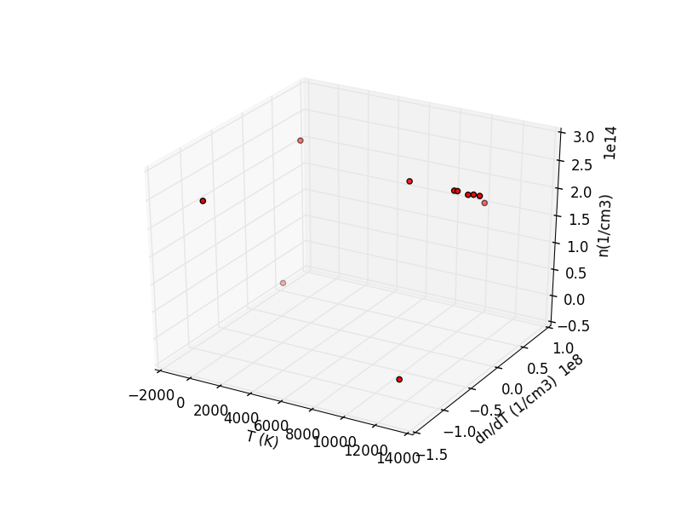
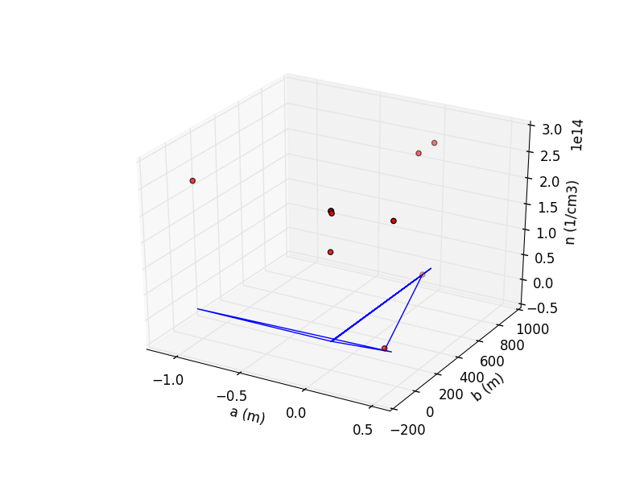
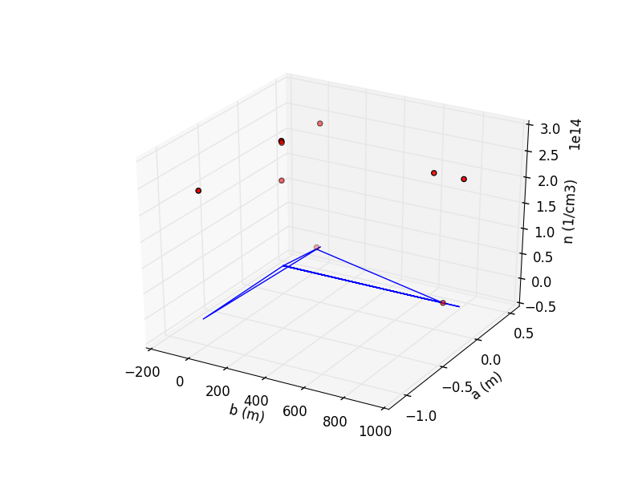
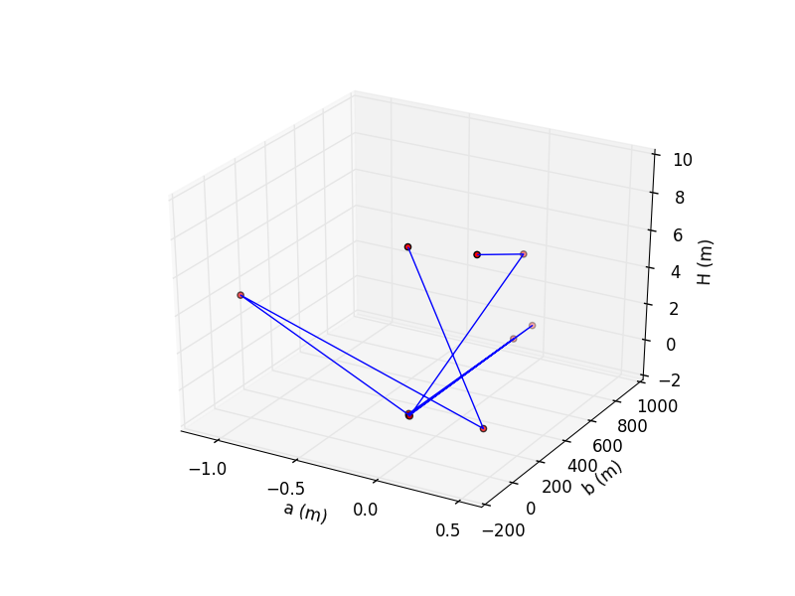
Karlovy Vary 1 | Temperature (K) | Electron density (cm-3) | Inner radius a (m) | Outer radius b (m) | Descent height (m)
 | 10678.66 | 1.71E+14 | 0.00 | 0.00 | 8.85
 | 0.00 | 2.47E+14 | 0.43 | 37.11 | 0.02
 | 11278.48 | 2.47E+14 | -1.04 | 0.00 | 4.39
 | 8480.17 | 2.47E+14 | 0.01 | 0.00 | 0.05
 | 12470.69 | 2.47E+14 | 0.00 | 781.13 | 0.05
 | 11474.29 | 2.47E+14 | 0.00 | 0.00 | 0.02
 | 12861.08 | 2.47E+14 | 0.00 | 929.00 | 0.03
 | 12204.76 | 2.46E+14 | 0.00 | 0.00 | 0.13
 | 0.00 | 2.43E+14 | 0.01 | 0.00 | 0.00
 | ? | 4.34E+10 | 0.00 | 844.97 | 4.40
 | 12213.50 | 3.88E+12 | 0.38 | 35.80 | 8.98
mean | 9166.16 | 1.95E+14 | -0.02 | 238.91 | 2.45

