KV_1
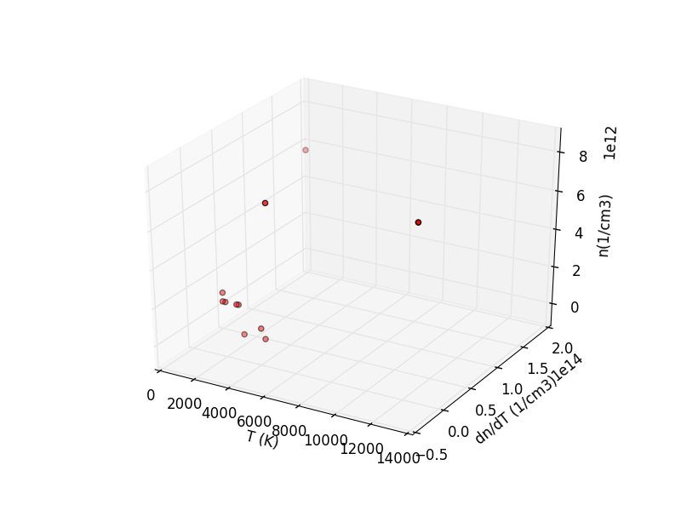
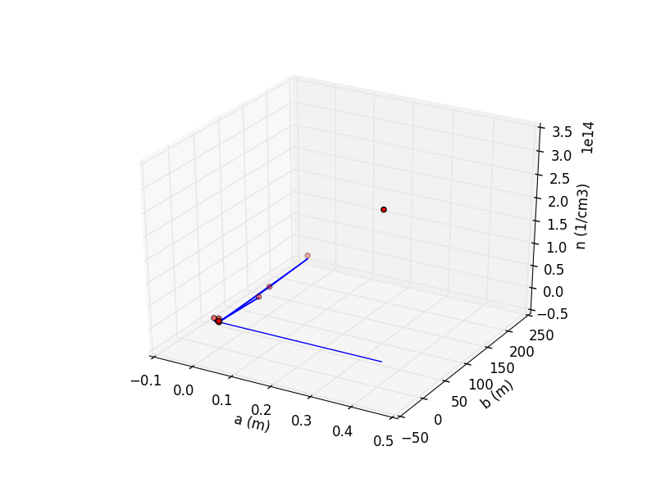
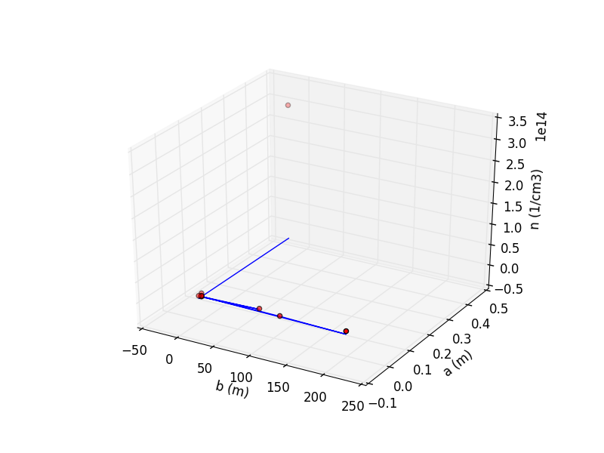
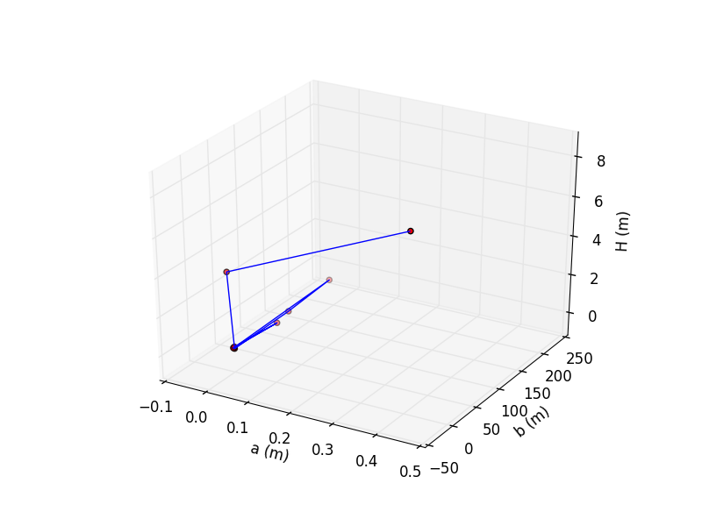
Karlovy Vary 1 | Temperature (K) | Electron density (cm-3) | Inner radius a (m) | Outer radius b (m) | Descent height (m)
 | 12753.95 | 8.05E+12 | 0.00 | 0.00 | 0.09
 | 4557.15 | 7.44E+12 | -0.01 | 201.60 | 0.07
 | 4153.33 | 8.71E+11 | 0.00 | 109.74 | 0.02
 | 4283.23 | 2.69E+11 | 0.00 | 0.00 | 0.03
 | 3015.61 | 2.15E+11 | 0.00 | 0.00 | 0.05
 | 2724.57 | 1.73E+12 | 0.00 | 0.00 | 0.06
 | 1983.03 | 1.73E+12 | 0.00 | 0.00 | 0.06
 | 1828.20 | 1.73E+12 | 0.00 | 0.00 | 0.04
 | 2621.02 | 1.73E+12 | 0.01 | 78.74 | 0.00
 | 1746.48 | 2.13E+12 | 0.00 | 0.00 | 0.13
 | 1323.61 | 6.52E+12 | -0.01 | 0.00 | 3.91
 | ? | 3.21E+14 | 0.41 | 0.00 | 7.94
mean | 3726.38 | 2.94E+13 | 0.03 | 32.51 | 1.03

