KV_1
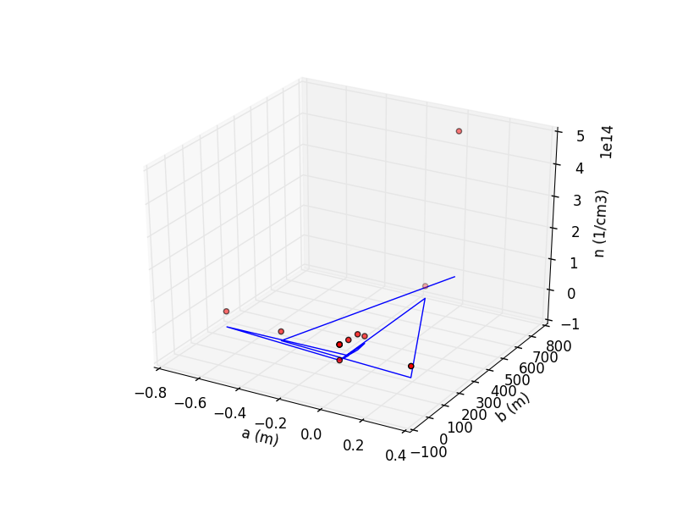
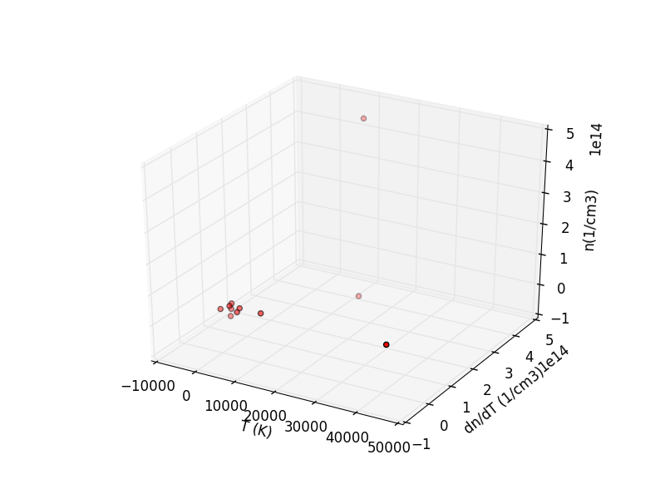
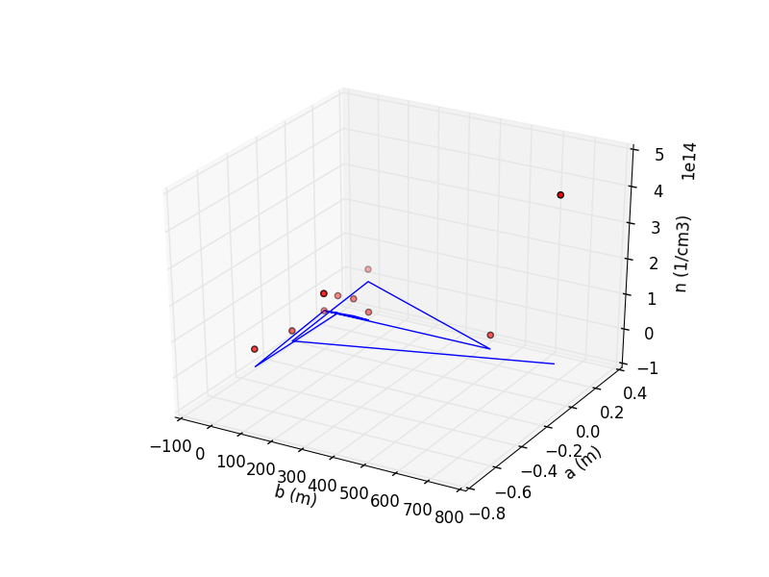
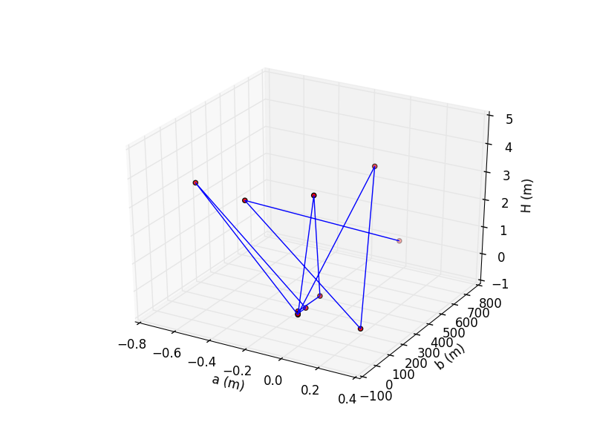
Karlovy Vary 1 | Temperature (K) | Electron density (cm-3) | Inner radius a (m) | Outer radius b (m) | Descent height (m)
 | 846.83 | 1.96E+10 | 0.00 | 0.00 | 0.16
 | 943.32 | 2.33E+13 | 0.01 | 148.16 | 0.18
 | 1812.39 | 4.99E+13 | 0.01 | 94.79 | 3.93
 | ? | 4.99E+13 | 0.00 | 0.00 | 0.03
 | 2129.81 | 4.99E+13 | -0.58 | 38.80 | 3.71
 | 4681.83 | 4.99E+13 | 0.01 | 43.63 | 0.13
 | 10008.97 | 4.99E+13 | 0.00 | 0.00 | 0.08
 | 41139.56 | 4.99E+13 | 0.00 | 0.00 | 0.05
 | 4416.72 | 3.99E+13 | 0.00 | 552.83 | 3.46
 | 124.37 | 3.64E+13 | 0.34 | 0.00 | 0.08
 | 21951.32 | 2.94E+13 | -0.31 | 35.00 | 3.49
 | 10449.10 | 4.64E+14 | 0.00 | 759.63 | 0.05
mean | 8954.93 | 7.44E+13 | -0.04 | 139.40 | 1.28

OSTROV_1
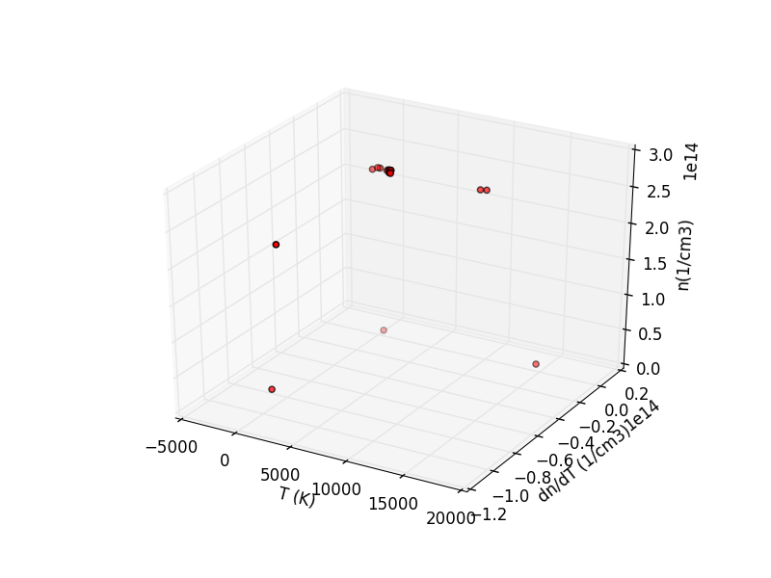
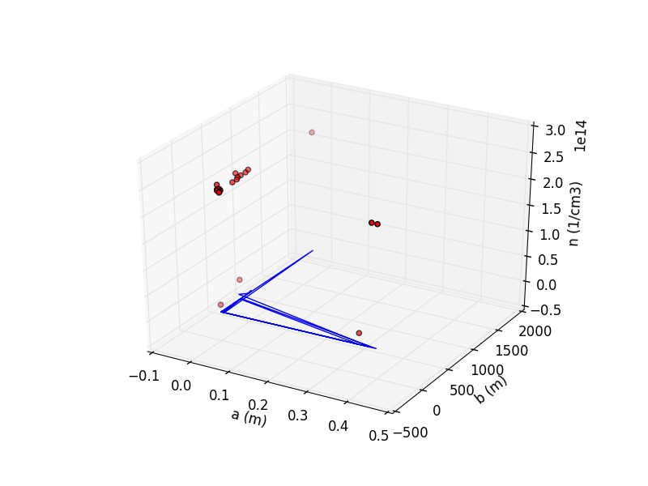
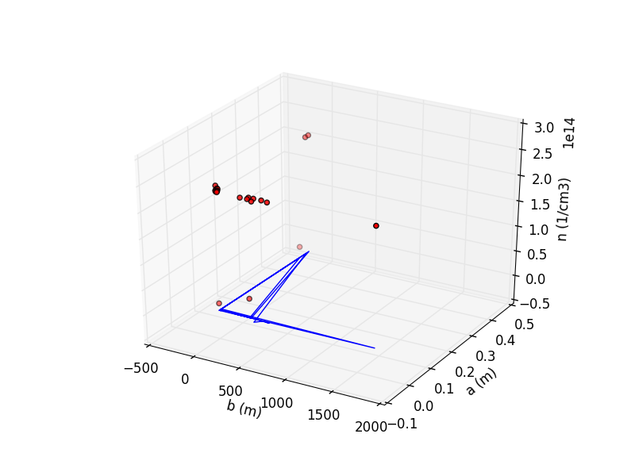
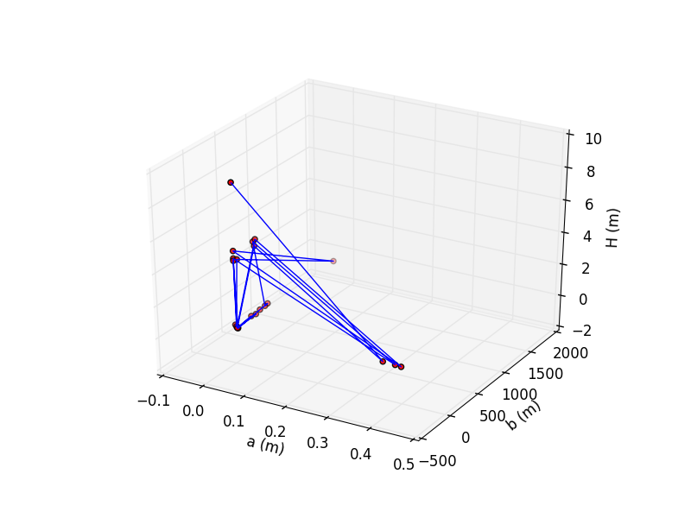
Ostrov n. Ohří 1 | Temperature (K) | Electron density (cm-3) | Inner radius a (m) | Outer radius b (m) | Descent height (m)
 | 959.36 | 2.43E+14 | 0.00 | 0.00 | 0.20
 | 0.00 | 2.36E+14 | 0.01 | 0.00 | 0.01
 | 962.16 | 2.34E+14 | 0.00 | 405.93 | 0.12
 | 958.38 | 2.34E+14 | 0.00 | 559.77 | 0.11
 | 1072.35 | 2.34E+14 | 0.00 | 489.43 | 0.15
 | 1136.14 | 2.34E+14 | -0.02 | 424.85 | 4.26
 | 9876.90 | 2.34E+14 | 0.38 | 17.50 | 0.04
 | 1172.46 | 2.34E+14 | 0.00 | 0.00 | 4.33
 | 1142.09 | 2.34E+14 | 0.00 | 0.00 | 0.05
 | 1214.60 | 2.34E+14 | 0.00 | 353.47 | 4.67
 | 0.00 | 2.34E+14 | 0.40 | 15.36 | 0.01
 | 1204.59 | 2.34E+14 | 0.00 | 0.00 | 4.79
 | 1233.15 | 2.34E+14 | 0.00 | 1682.04 | 0.10
 | 1145.84 | 2.34E+14 | 0.01 | 0.00 | 4.33
 | 9416.40 | 2.34E+14 | 0.00 | 17.97 | 0.06
 | 1184.34 | 2.32E+14 | 0.00 | 0.00 | 4.19
 | 1133.14 | 2.31E+14 | 0.01 | 0.00 | 0.03
 | 1213.63 | 2.31E+14 | 0.00 | 337.91 | 0.01
 | 1146.66 | 2.31E+14 | 0.01 | 0.00 | 0.06
 | 1258.12 | 2.31E+14 | 0.00 | 261.07 | 0.08
 | 1207.24 | 2.29E+14 | 0.00 | 0.00 | 0.03
 | 1280.32 | 3.80E+13 | 0.00 | 338.35 | 4.29
 | 15769.17 | 2.20E+13 | 0.35 | 16.10 | 0.06
 | 1324.66 | 1.41E+13 | 0.00 | 0.00 | 8.91
mean | 2375.49 | 2.08E+14 | 0.05 | 204.99 | 1.71

