KV_1
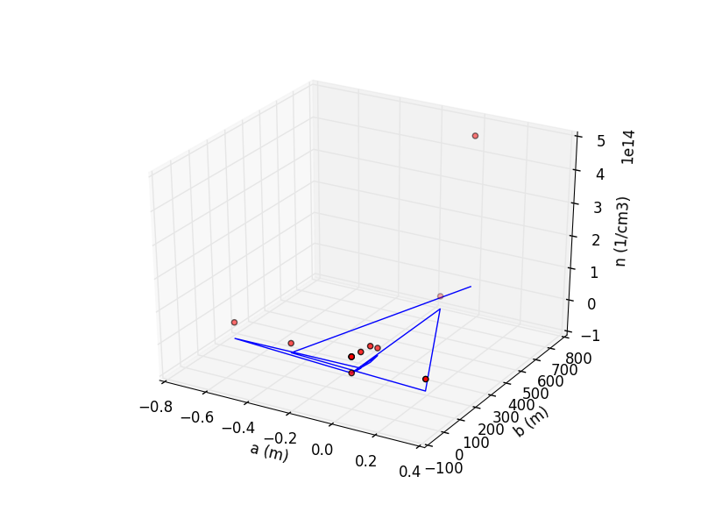
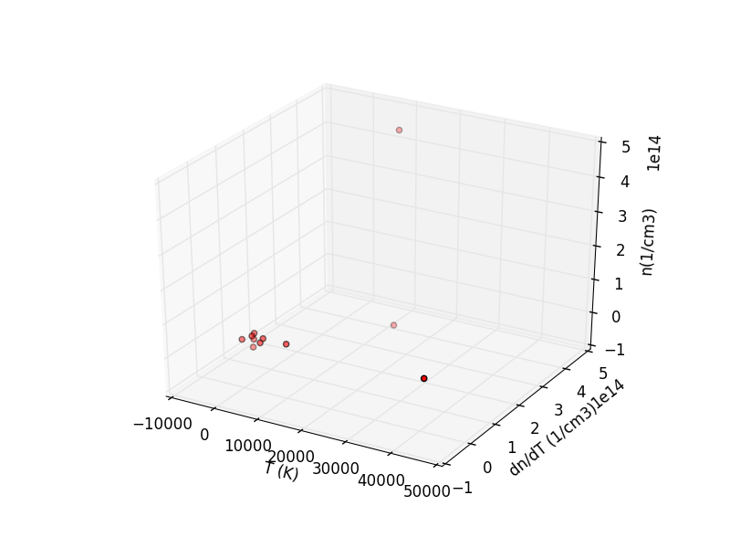
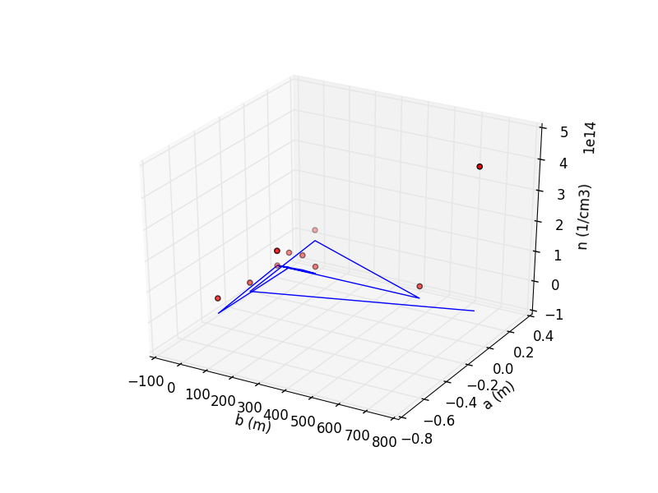
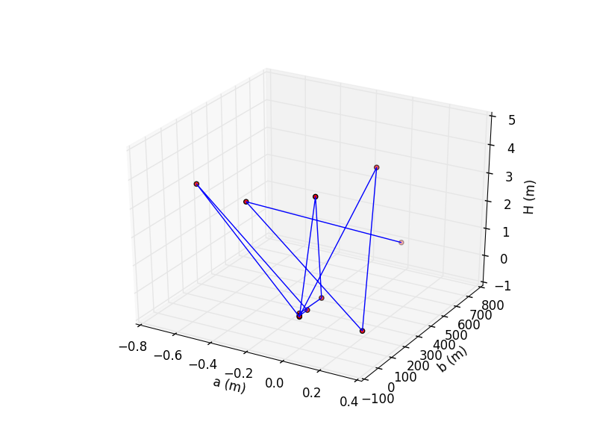
Karlovy Vary 1 | Temperature (K) | Electron density (cm-3) | Inner radius a (m) | Outer radius b (m) | Descent height (m)
 | NO DATA.

mean | #DIV/0! | #DIV/0! | #DIV/0! | #DIV/0! | #DIV/0!

OSTROV_1
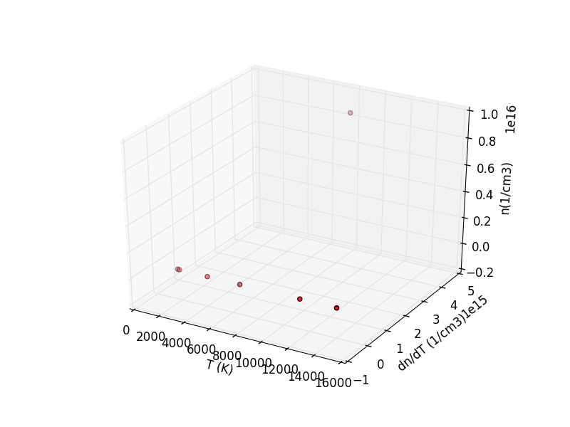
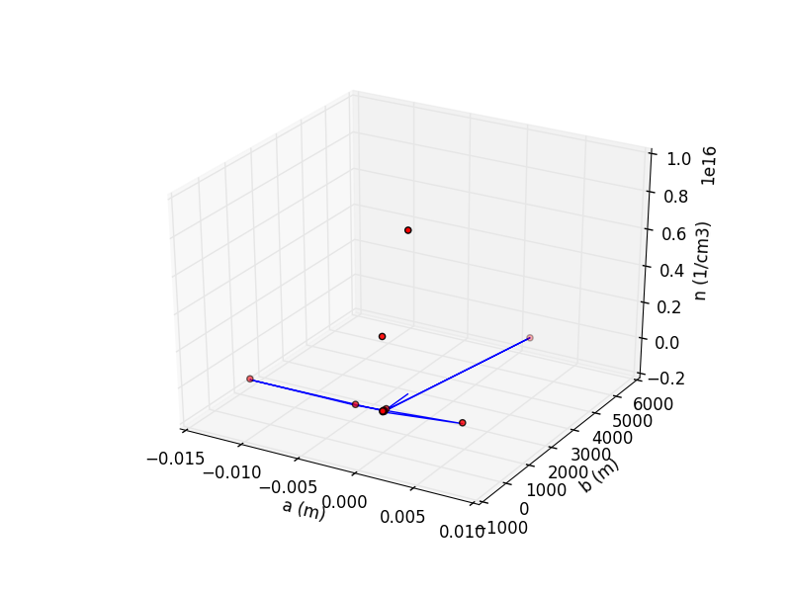
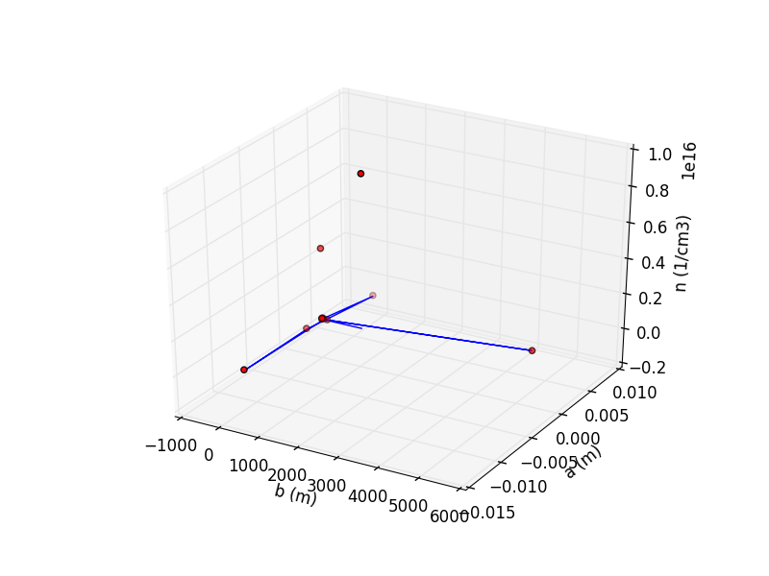
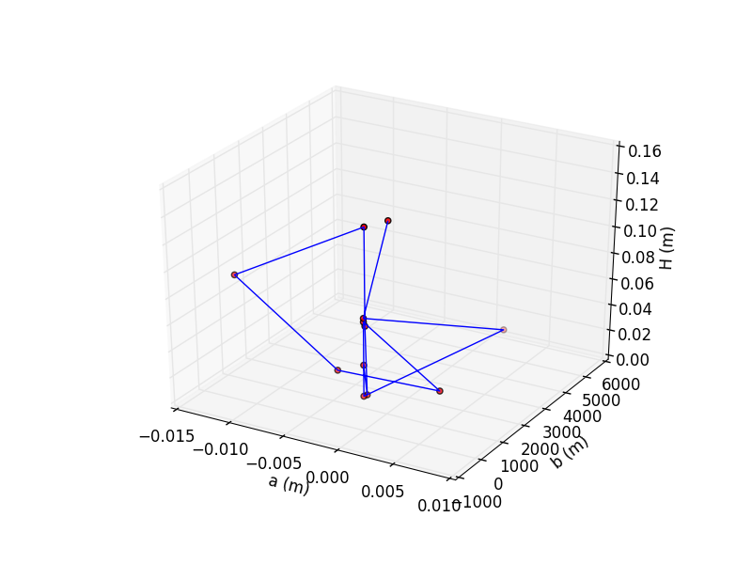
Ostrov n. Ohří 1 | Temperature (K) | Electron density (cm-3) | Inner radius a (m) | Outer radius b (m) | Descent height (m)
 | ? | 7.18E+12 | 0.00 | 0.00 | 0.05
 | 1648.37 | 3.66E+13 | 0.00 | 144.47 | 0.02
 | 1808.91 | 4.77E+13 | 0.00 | 0.00 | 0.08
 | 4040.19 | 4.77E+13 | 0.00 | 49.85 | 0.15
 | 13989.57 | 4.77E+13 | -0.01 | 0.00 | 0.09
 | ? | 4.77E+13 | 0.00 | 0.00 | 0.04
 | 6588.95 | 4.77E+13 | 0.01 | 326.27 | 0.04
 | 11210.42 | 4.77E+13 | 0.00 | 0.00 | 0.08
 | ? | 4.77E+13 | 0.00 | 0.00 | 0.02
 | ? | 5.22E+09 | 0.00 | 4937.56 | 0.02
 | ? | 4.06E+15 | 0.00 | 0.00 | 0.08
 | 8050.75 | 8.69E+15 | 0.00 | 1061.82 | 0.14
mean | 6762.45 | 1.09E+15 | 0.00 | 543.33 | 0.07

