Sheet1
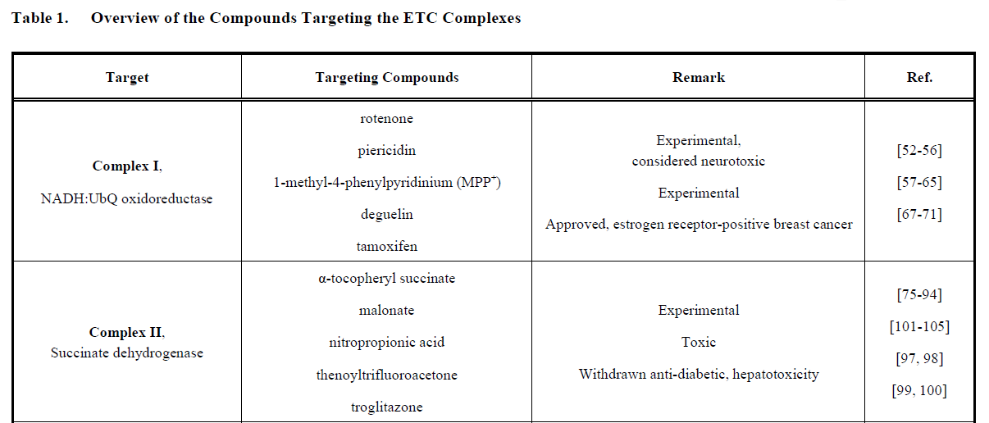
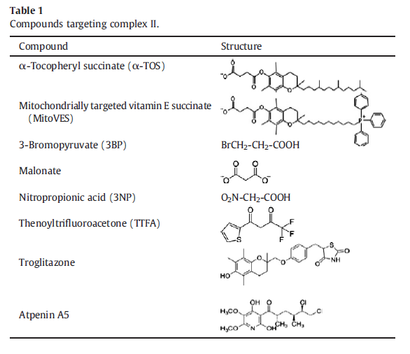
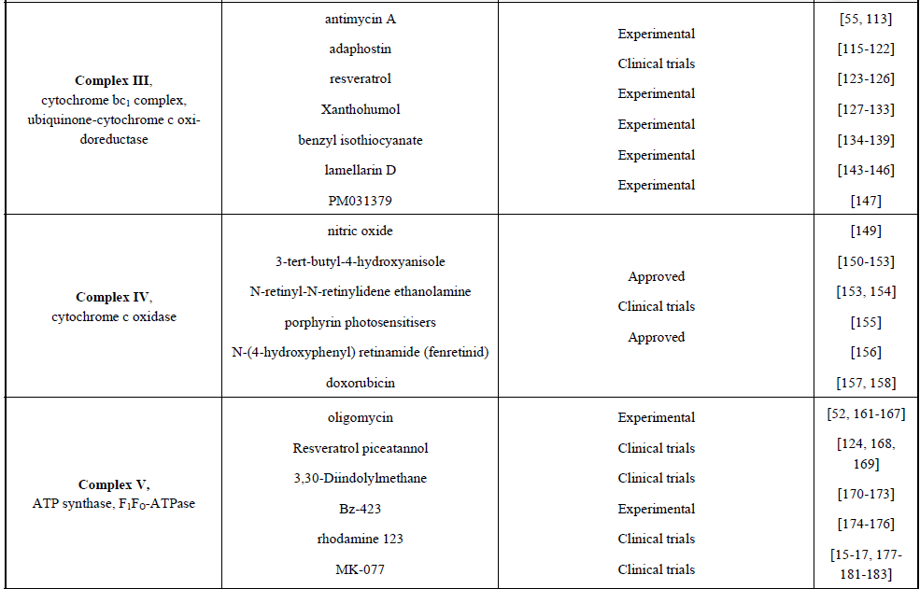
UCC or non UCC | article | all active CID | CID (Best potency) | compound name | 2D | target site | active group | Reference | PMID |  | antitumor | Bioassay

 | 1 | 76323410 76330652 76308850 67110937 76312553 76323409 76334248 67110937 76316054 | 76316054 | HU1(hybrid ubiquinones1) , 4-(4-Tert-butylphenoxy)-N-[(4,5-dimethoxy-2-methyl-3,6-dioxocyclohexa-1,4-dien-1-yl)methyl]-N-methylbenzamide | 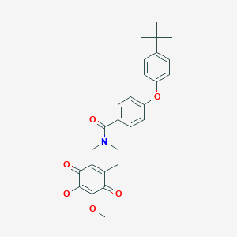 | complex I | phenoxybenzamide unit , N-methyl-4-(4-tert-butylphenoxy)benzamide unit | https://www.ncbi.nlm.nih.gov/pubmed/12460667 | 12460667 |  | NA
 | 2 | 76312388 11696279 11696536 | 76312388 | 52-Heptyl-6,7-dihydro-3-methyl-4H-pyrrole[2,1-b]-[1.3]oxazine- 4,8(8aH)-dione 8-Oxime (5b). | 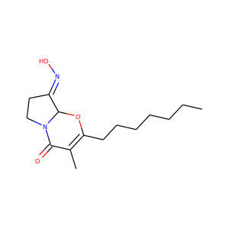 | complex I |  | https://www.ncbi.nlm.nih.gov/pubmed/16218678 | 16218678
 | 4 | 5281526 5318627 | 5281526 | Petasin | 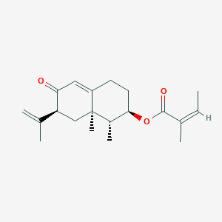 | complex I |  | https://www.ncbi.nlm.nih.gov/pubmed/19798697 | 19798697 |  | NO, treatment of metabolic diseases in humans.

 | mentioned in article 4 | 2353 | 2353 | berberine |  | complex I |  | (34) Brunmair, B.; Staniek, K.; Gras, F.; Scharf, N.; Althaym, A.;Clara, R.; Roden, M.; Gnaiger, E.; Nohl, H.; Waldhausl, W.; Furnsinn,C. Diabetes 2004, 53, 1052−1059. (35) Turner, N.; Li, J. Y.; Gosby, A.; To, S. W.; Cheng, Z.; Miyoshi,H.; Taketo, M. M.; Cooney, G. J.; Kraegen, E. W.; James, D. E.; Hu, L.H.; Li, J.; Ye, J. M. Diabetes 2008, 57, 1414−1418 | 15047621
 |  | 4091 | 4091 | metformin |  | complex I
 |  | 77999 | 77999 | rosiglitazone |  | complex I |  |  | 18285556
 | Annonaceous acetogenins（ACGor AGEs) |  |  |  |  | complex I （PSST subunit） | r-lactone moiety and THF ring | Historic Perspectives on Annonaceous Acetogenins from the Chemical Bench to Preclinical Trials | 20577943 |  | YES
 |  |  | note | study structural factor of the acetogenins that determines the inhibitory potency against | 在双四氢呋喃乙酰胆碱的烷基链上加入不同基团 | Most of the annonaceous acetogenins are characterized by two functional units: an hydroxylated mono-THF or bis-THF ring system in the core of a long hydrocarbon chain ； an a,b-unsaturated g-lactone ring at one end of the alkyl chain.

 | 24 | 441612 44307147 9960732 10579719 10724271 10580086 10557540 10794141 10555859 10724272 10556060 10603957 10675319 11802006 10009264 127149 10747635 10531927 9873339 10723766 10795148 10699880 46905041 | 10009264 | 4-dehydroxy-4 hydroxyliminorolliniastatin-1，Rolliniastatin-1 Derivative | 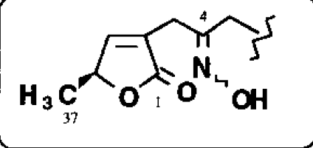 | complex I |  | https://www.ncbi.nlm.nih.gov/pubmed/11123988 | 11123988

 | 25 | 44306490 44316261 46905041 | 44316261 | Ubiquinone–Acetogenin Hybrid | 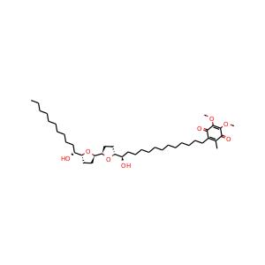 | Complex I（the ubiquinone reduction site ） |  | https://www.ncbi.nlm.nih.gov/pubmed/12824040 | 12824040
 | 26 | 44353764 44353868 9960732 | 44353868 | 2c（mono-THF acetogenin derivative） |  | complex I |  | https://www.ncbi.nlm.nih.gov/pubmed/14592516 | 14592516
 |  |  | 44353764 | 1d（mono-THF acetogenin derivative） |  | complex I
 | 27 | 9960732 44374014 | only two cids？ | 1b（ |  | complex I |  | https://www.ncbi.nlm.nih.gov/pubmed/11266168 | 11266168
 |  |  | 44374014 | 1d（ |  | complex I
 |  |  | 9960732 | 1e（ |  | complex I
 |  |  | 234412(unspecified) | natural compound 3 laherradurin |  | complex I
 |  |  | 101949518(mentioned) | natural compound 4 itrabin |  | complex I
 | 28 | 44306490 44378208 44378209 44378386 | 44378208 | 双THF环上-OH基作用 |  | complex I |  | https://www.ncbi.nlm.nih.gov/pubmed/14741288 | 14741288
 |  |  | 44378209 |  |  | complex I
 |  |  | 44378386 |  |  | complex I
 | 29 | 10254592 44306490 | 10254592 | 1 |  | complex I |  | https://www.ncbi.nlm.nih.gov/pubmed/12127510 | 12127510
 |  |  | 44306490 | 2 |  | complex I
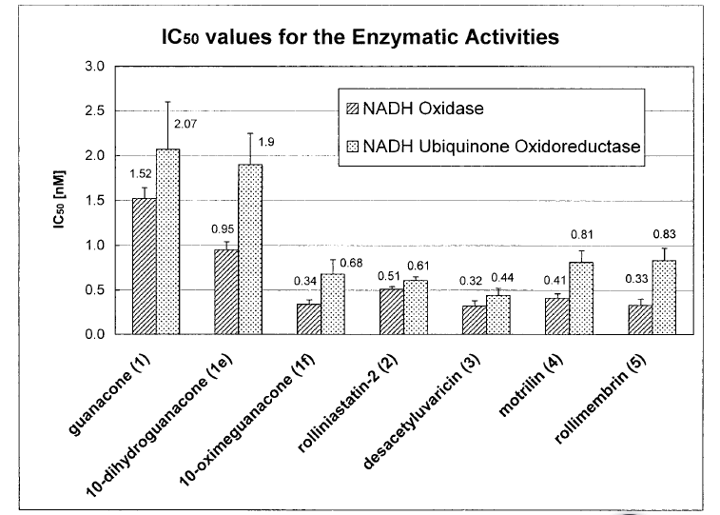
 | 31 | 10531927 44423797 44423798 10604803 | 10604803 | Guanacone (1) is a 10-keto bis-THF ACG，and its derivatives（2-4），其中Di-acetyl-guanacone（4）best |  | complex I（ reduced nicotinamide-adenine dinucleotide NADH:ubiquinone oxidoreductase in complex I |  | https://www.ncbi.nlm.nih.gov/pubmed/17482824 | 17482824

 | 35 | 44307147 10556060 10603957 127149 10531927 44559069 5319146 | 10556060 | guanacone (1) derivatives,其中1f：10-Oximeguanacone | 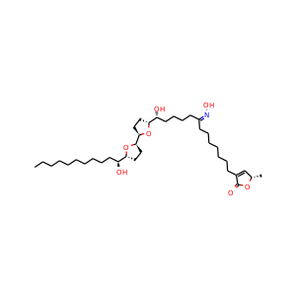 | complex I |  | https://www.ncbi.nlm.nih.gov/pubmed/9722484 | 9722484
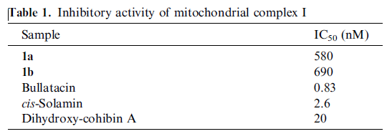
 | 32 | 3083512 | 3083512 | tonkinelin（1a，1b），属ACG | 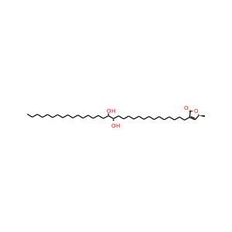 | complex I |  | https://www.ncbi.nlm.nih.gov/pubmed/17321744 | 17321744
 |  | 44428689 | 44428689
 | 45 | 114749 | 114749 | bullatacin | 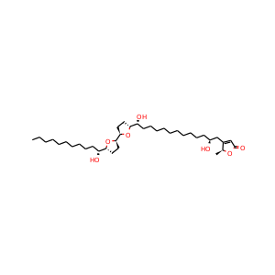 | complex I |  | https://www.ncbi.nlm.nih.gov/pubmed/14741257 | 14741257
 |  | 44371657 | 44371657 | (2S)-4-[(13R,14R,17S,18S)-13-Hydroxy-14,17,18-tris(methoxymethoxy)triacontyl]-2-methyl-2H-furan-5-one |  | complex I
 |  | 10438260 | 10438260 | dihydroxy-cohibin A | 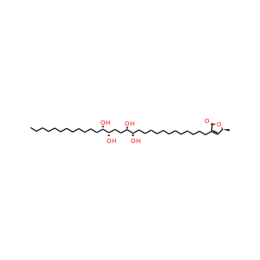 | complex I
 | 59 | 11813755 | 11813755 | (2S)-4-[(13R)-13-Hydroxy-13-[(2R,5R)-5-[(1R)-1-hydroxytridecyl]oxolan-2-yl]tridecyl]-2-methyl-2H-furan-5-one(Amideconnected analog 2) |  | Complex I |  | https://www.ncbi.nlm.nih.gov/pubmed/23587837 | 23587837

 | mentioned in article 32,45 | 42607501 | 42607501 | rolliniastatin-1 |  | Complex I

 |  | 44559069 | 44559069 | rollimembrin |  | Complex I
 |  | 44593482 | 44593482 | membranacin |  | Complex I
 |  | 11124994 | 11124994 | bullatacin（best potency ACG?)也叫rolliniastatin-2 |  | Complex I
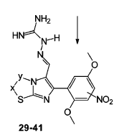
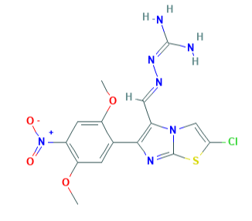
 |  |  | 以上均是ACGs
 | 30 | 11235579 | 11235579 | guanylhydrazone of 2-chloro-6-(2,5-dimethoxy-4-nitrophenyl)imidazo[2,1-b]- thiazole-5-carbaldehyde(41) |  | complex III | guanidino groups | https://www.ncbi.nlm.nih.gov/pubmed/15828848 | 15828848 | AID 249842,249843………249853
 |  |  |  |  |  |  |  |  |  |  | test 2 compounds,both were unspecified,but in article active

 | 38 | 45268154 15487888 45273302 | 45268154 | 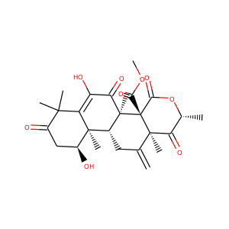 terretonin F |  | complex I |  | https://www.ncbi.nlm.nih.gov/pubmed/19719247 | 19719247
 | 39 | 5326018 | 5326018 | caulerpin | 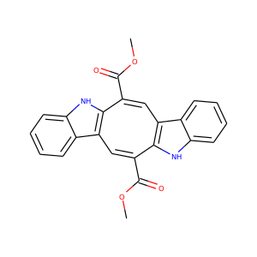 | complex I |  | https://www.ncbi.nlm.nih.gov/pubmed/19921787 | 19921787
 | 41 | 16115403 11542064 10259181 | 16115403 | 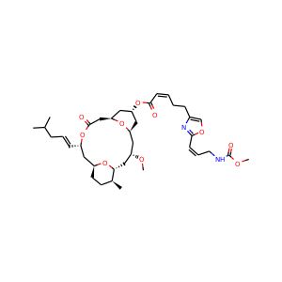 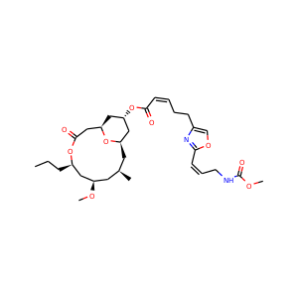 Leucascandrolide A (1) neopeltolide(2) (BEST? Vs 3) leucascandrolide A congener (3) |  | complex III |  | https://www.ncbi.nlm.nih.gov/pubmed/18516048 | 18516048
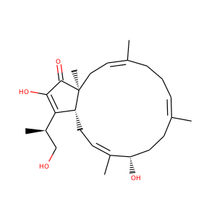
 | 63 | 73346392 73349430 73350996 12173922 73355482 | 73350996 | Isoquinoline alkaloids are a large family of natural products，isoquinoline-containing compounds，(1g)best | 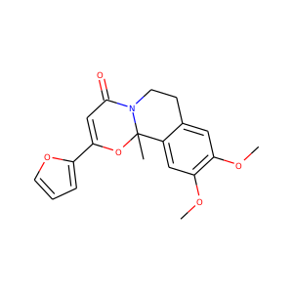 | complex I |  | https://www.ncbi.nlm.nih.gov/pubmed/24012711 | 24012711
 | 46 | 6475118 | 6475118 | Terpestacin |  | complex III |  | https://www.ncbi.nlm.nih.gov/pubmed/21215626 | 21215626
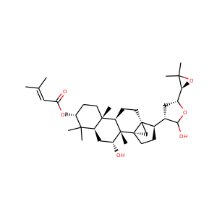
 | 49 | 57395543 | 57395543 | protolimonoids： skimmiarepin A (1) and skimmiarepin C (2) |  | complex I |  | https://www.ncbi.nlm.nih.gov/pubmed/21875114 | 21875114

 | 52? | 71454859 10364986 122838 | 71454859 10364986 122838 | 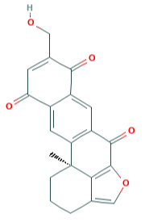 14-hydroxymethylxestoquinone(1) adociaquinones A (5) xestoquinone (4) | 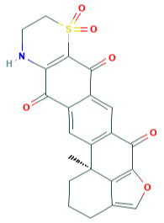 | Mitochondrial respiration uncoupling |  | https://www.ncbi.nlm.nih.gov/pubmed/22938093 | 22938093
 | 57 | 3686 71583322 71583323 | 3686 | idebenone |  | complex I |  | https://www.ncbi.nlm.nih.gov/pubmed/23473946 | 23473946

 | mentioned in articles | https://www.ncbi.nlm.nih.gov/pubmed/22201598 |  | Targeting the Mitochondrial Electron Transport Chain Complexes for the Induction of Apoptosis and Cancer Treatment |  |  |  |  | 22201598
 | mentioned in articles | ? | ? | DT‑010 |  | complex II |  | A novel agent exerts antitumor activity in breast cancer cells by targeting mitochondrial complex II | 27081033
 |  | ? | ? | VLX600 | 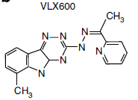 | complex I/II/IV |  | 13. Zhang X, Fryknas M, Hernlund E, Fayad W, De Milito A,Olofsson MH, Gogvadze V, Dang L, Pahlman S, Schughart LA,Rickardson L, D’Arcy P, Gullbo J, et al. Induction of mitochondrial dysfunction as a strategy for targeting tumourcells in metabolically compromised microenvironments. NatCommun. 2014; 5:3295. | 24548894
 |  | 3339 | 3339 | Fenofibrate |  | complex I |  | 26. Wilk A, Wyczechowska D, Zapata A, Dean M, Mullinax J,Marrero L, Parsons C, Peruzzi F, Culicchia F, Ochoa A,Grabacka M, Reiss K. Molecular mechanisms offenofibrate‑induced metabolic catastrophe and glioblastomacell death. Mol Cell Biol. 2015; 35:182–198. | 25332241
 |  | 107935 | 107935 | deguelin（One of the analogues of rotenone） |  | complex I | without major toxic effects | Targeting the Mitochondrial Electron Transport Chain Complexes for the Induction of Apoptosis and Cancer Treatment | 22201598
 |  | 2733526 | 2733526 | tamoxifen | 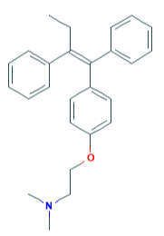 | complex I (at the flavin site) |  |  | 22201598
 |  | 6758 | 6758 | rotenone | 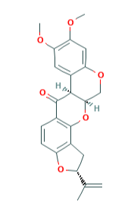 | complex I | neurotoxicity
 |  | 39484 | 39484 | 1-methyl-4-phenylpyridinium (MPP+) |  | complex I | neurotoxicity
 |  | 5601 | 5601 | thenoyltrifluoroacetone | 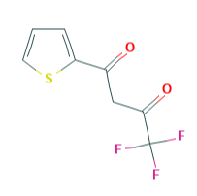 | complex II（UbQ binding site in SDHC and SDHD units） | toxic to non-cancerous cells such as hepatocytes，作为抗癌药不太可能
 |  | 5591 | 5591 | troglitazone(containsα-tocopheryl moiety similar to α-TOS) |  | complex II（UbQ binding site in SDHC and SDHD units） | liver toxicity被从临床使用中召回
 |  | 9084 | 9084 | malonate |  | complex II（succinyl dehydrogenase activity in SDHA subunit） | neurotoxicity，不能作为抗癌药物
 |  | 14598772 | 14598772 | nitropropionic acid |  | complex II（succinyl dehydrogenase activity in SDHA subunit） | neurotoxicity，不能作为抗癌药物
 | non-UCC article 6 | 20353 | 20353 | α-TOS（α-tocopheryl succinate），an ester analogue of α􀀁-tocopherol (vitamin E) | 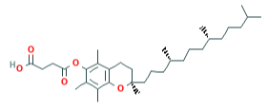 | complex II（UbQ binding site in SDHC and SDHD units） | without adverse effects and toxicity | [76] Dong, L. F.; Suppression of tumor growth in vivoby the mitocan alpha-tocopheryl succinate requires respiratory complex II. Clin. Cancer Res., 2009, 15, 1593-1600. [77] Dong, L. F.;Alpha-tocopheryl succinate apoptosis by targeting ubiquinone-binding sites in mitochondrialrespiratory complex II. Oncogene, 2008, 27, 4324-4335. (18)dos Santos, G. A.(+)a-Tocopheryl succinate inhibits the mitochondrial respiratory chain complex I and is as effective as arsenic trioxide or ATRA against acute promyelocytic leukemia in vivo.Leukemia2012,26,451. https://www.ncbi.nlm.nih.gov/pubmed/24393721 | 19223492, 18372923 ,21869839,24393721
 | mentioned in articles | 14957 | 14957 | antimycin A | 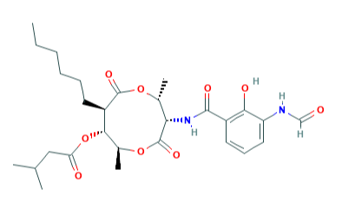 | complex III (UbQi site) |  | (2) Von Jagow, G.; Link, T. A. Use of specific inhibitors on the mitochondrial bc1 complex. Methods Enzymol. 1986, 126 (Pt. N), 253-271. | 2856132
 |  | 387042 | 387042 | adaphostin (a dihydroquinone derivative) |  | complex III (UbQi site) |  | [115]Le, S. B.;Inhibition of mitochondrial respiration as a source of adaphostin-induced reactive oxygen species and cytotoxicity, J.Biol. Chem., 2007, 282, 8860-8872. | 17213201
 |  | 445154 | 445154 | resveratrol (trans-3,4',5-trihydroxystilbene),属polyphenols | 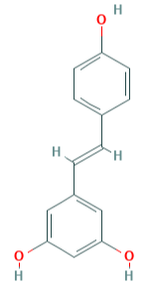 | several ETC complexes, especially Complex III |  | [124] Zini, R.;Effects of resveratrol on the rat brain respiratory chain. Drugs Exp.Clin. Res., 1999, 25, 87-97. [125] Tinhofer, I.; Resveratrol, a tumor-suppressive compound from grapes, induces apoptosis via a novel mitochondrial pathway controlled by Bcl-2. FASEB J., 2001,15, 1613-1615. | 10370869, 11427503
 |  | 639665 | 639665 | Xanthohumol,属polyphenols | 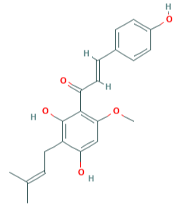 | complex I and complex III and electron transfer between CI and CIII |  | [128] Strathmann, J.;Xanthohumol-induced transient superoxide anionradical formation triggers cancer cells into apoptosis via a mitochondria-mediated mechanism. FASEB J.2010. | 20335224
 |  | 2346 | 2346 | benzyl isothiocyanate (BITC)，属Isothiocyanates |  | copmlex III |  | [135] Xiao, D.; Powolny, A. A.; Singh, S. V. Benzyl isothiocyanate targets mitochondrial respiratory chain to trigger reactive oxygen speciesdependent apoptosis in human breast cancer cells. J.Biol.Chem., 2008, 283, 30151-30163. | 18768478
 |  | 9892144 | 9892144 | lamellarin D (a hexacyclic pyrrol alkaloid) | 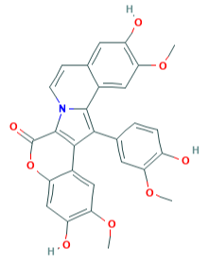 | complex III |  | [145] Kluza, J.;Cancer cell mitochondriaare direct proapoptotic targets for the marine antitumordrug lamellarin D. Cancer Res., 2006, 66, 3177-3187. | 16540669
 |  |  |  | PM031379, (lamellarin D derivative) | 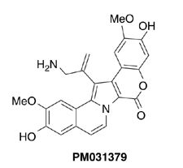 | complex III |  | [148] Gallego, M. A.;Overcoming chemoresistance of non-smallcell lung carcinoma through restoration of an AIF-dependent apoptotic pathway. Oncogene, 2008, 27, 1981-1992 | 17906690
 |  | 145068 | 145068 | nitric oxide |  | complex IV (oxygen binding site) |  |  | 22201598
 |  | 8456 | 8456 | 3-tert-butyl-4-hydroxyanisole | 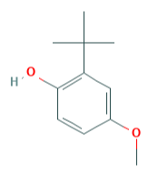 | complex IV
 |  |  |  | N-retinyl-N-retinylidene ethanolamine (A2E) | 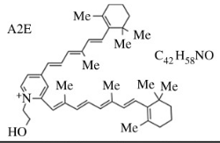 | complex IV
 |  | 66868 | 66868 | porphyrin photosensitisers | 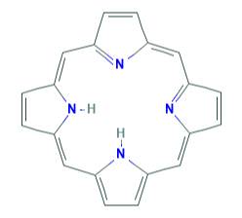 | complex IV
 |  | 5288209 | 5288209 | N-(4-hydroxyphenyl) retinamide (fenretinid) |  | complex IV
 |  |  | 31703 | doxorubicin | 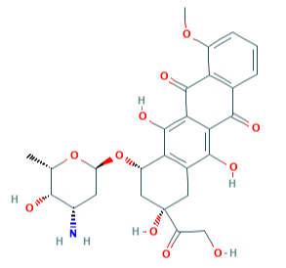 | complex IV
 |  |  | 78358496 | oligomycin | 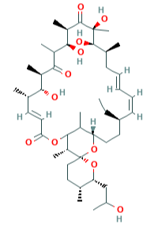 | complex V
 |  |  | 445154 | Resveratrol ? piceatannol |  | complex V
 |  |  |  | 3,30-Diindolylmethane |  | complex V
 |  |  |  | Bz-423 |  | complex V
 |  |  |  | rhodamine 123 |  | complex V
 |  |  |  | MK-077 |  | complex V

 | 55? | 16111893 16111879 | curcumin analogs 2a 2b | not test complex activity |  |  |  | https://www.ncbi.nlm.nih.gov/pubmed/23305919 | 23305919
 | non-UCC
 |  |  |  |  |  | complex I |  | 7. Esposti, M. D. Biochim. Biophys. Inhibitors of NADH–ubiquinone reductase: an overview. Acta 1998, 1364, 222. | 9593904
 | mentioned in article 89,70 | 107935 | 107935 | deguelin |  | complex I
 |  | 6437838 | 6437838 | piericidin |  | complex I | 13. Schnermann, M. J.; Romero, F. A.; Hwang, I.; Nakamaru-Ogiso, E.; Yagi, T.; Boger, D. L. J. Am. Chem. Soc.2006, 128, 11799–11807. |  | 16953619
 |  | 91754 | 91754 | pyridaben |  | complex I
 | 82 | 36314 | 36314 | paclitaxel or TAXO | 没检测，只检测了5种ACGs，表中却只有一个CID36314，Bioassay也不是检测线粒体复合物活性，而是检测肿瘤抑制作用
 | 82 | 70685345 | 70685345 | squamostatin E |  | complex I |  | https://www.ncbi.nlm.nih.gov/pubmed/22446092 | 22446092
 |  | 56683045 | 56683045 | squamostatin A |  | complex I
 |  | 46905041 | 46905041 | bullatacin，也叫Rolliniastatin 2 |  | complex I
 |  | 44559041 | 44559041 | 4-deoxyannoreticuin |  | complex I
 |  | 127149 | 127149 | desacetyluvaricin |  | complex I

 | 71 | 681 | 681 | dopamine | 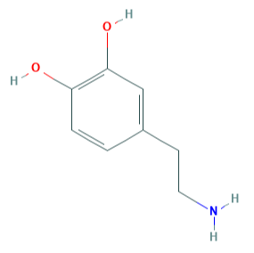 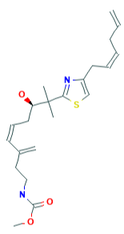 | complex I ( target site located between the binding site for NADH and the iron-sulfur clusters ) |  | (46) Ben-Shachar, D.; Zuk, R.; Glinka, Y. Dopamine neurotoxicity:inhibition of mitochondrial respiration. J. Neurochem. 1995, 64,718–723. (47) Ben-Shachar, D.; Zuk, R.; Gazawi, H.; Ljubuncic, P. Dopaminetoxicity involves mitochondrial complex I inhibition: implications to dopamine-related neuropsychiatric disorders. Biochem. Pharmacol.2004, 67, 1965–1974. (48) Brenner-Lavie, H.; Klein, E.; Zuk, R.; Gazawi, H.; Ljubuncic, P.;Ben-Shachar, D. Dopamine modulates mitochondrial function in viable SH-SY5Y cells possibly via its interaction with complex I: relevance to dopamine pathology in schizophrenia. Biochim.Biophys. Acta 2008, 1777, 173–185. | 7830065, 15130772, 17996721
 | 73 | 11632806 | 11632806 | Mycothiazole |  | complex I |  | https://www.ncbi.nlm.nih.gov/pubmed/20637638 | 20637638
UCC | 70 | 10149757 | 10149757 | verticipyrone | 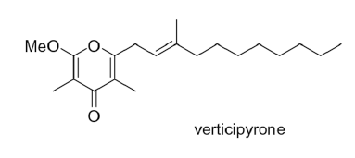 | complex I | γ-pyrone core | 2. Shimamura H; Sunazuka T; Izuhara T; Hirose T; Shiomi K; Omura S Org. Lett 2007, 9, 65. [PubMed: 17192086]. https://www.ncbi.nlm.nih.gov/pubmed/20456960 | 17192086
 | 70 | 16101044 54734323 54734324 54734325 46888474 46845152 46845153 46888475 46845154 46845155 | 46845155 | verticipyrone analogues(30) | 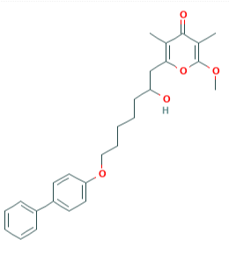 | complex I |  |  | 20456960

 | mentioned in article 70 | 5975 | 5975 | cyanide |  | complex IV |  | https://www.ncbi.nlm.nih.gov/pubmed/19845338 | 19845338
 | 69 | 44604735 44604736 | 44604735 44604736 | 2,5-Disubstituted Pyrroles (from the Marine Sponge Mycale sp.)(coppound 6,7) |  | comlpex I |  |  | 19845338
 | 68 | 135976586 213013 135976587 46880860 54738543 46880902 54738544 46880903 54738545 46880905 46880253 46880906 46880296 46880907 54676868 54738546 54738549 54738547 54738550 54738548 54738551 | 213013 | Boscalid(属carboxamide agrochemical） |  | complex II |  |  | 20137945
 |  |  | 54676868（atpenin A5） | Atpenins( atpenin B ,atpenin A5)isolated from Penicillium sp. |  | complex II（Q site）
 |  |  | 同左 | Atpenin analogs | 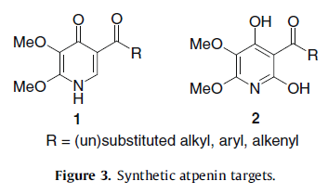 | complex II

 | mentioned in article 68 | ？ | ？ | carboxin(属carboxamide agrochemical) |  | complex II |  | 7.Matsson, M.; Hederstedt, L. J. Bioenergetics Biomembranes 2001, 33, 99. 8. Huang, L.; Sun, G.; Cobessi, D.; Wang, A. C.; Shen, J. T.; Tung, E. Y.; Anderson, V.E.; Berry, E. A. J. Biol. Chem. 2006, 281, 5965. | 11456223, 16371358
 |  | 11388558 | 11388558 | penthiopyrad | 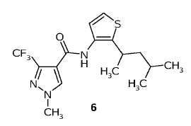 | complex II
 |  | 11434448 | 11434448 | bixafen | 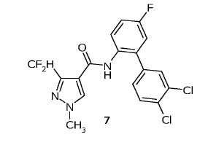 | complex II
 |  | 54697782 | 54697782 | Harzianopyridone (initially isolated from Trichoderma harzianum and later obtained from the soil fungus Trichoderma sp.),与 atpenin B and atpenin A5 (both isolated from Penicillium sp.) are representative of the atpenin class of penta-substituted pyridinebased natural products that were reported to be potent inhibitors of SQR |  | complex II |  | 3. Miyadera, H.;Atpenins, potent and specific inhibitors of mitochondrial complex II (succinate-ubiquinone oxidoreductase). Proc. Natl. Acad. Sci. U.S.A. 2003, 100, 473. | 12515859
 | 67 | 4829 | 4829 | pioglitazone | 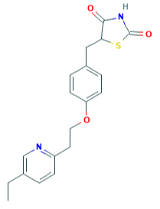 | complex I |  |  | 20064719
 |  | 9819104 | 9819104 | NL-1 即 5-[3,5-bis(1,1-dimethylethyl)-4-hydroxyphenyl]methyl-2,4-thiazolidinedione | 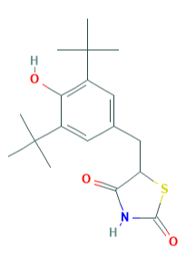 | complex I
 |  | 77999 | 77999 | rosiglitazone |  | complex I
 | 66 | 91754 | 91754 | pyridaben |  | complex I |  |  | 20056551
 |  | 46231422 | 46231422 | pyridaben analogue |  | complex I
 | 64 | 6758 24864466 24864645 44365473 13852614 24864646 91754 13373239 24864647 86356 22358070 22358062 11617356 44576630 13825121 24864464 24864642 24864282 13246210 24864648 11151464 24864465 24864643 13246205 44576650 | 6758 24864466 24864645 44365473 13852614 24864646 91754 13373239 24864647 86356 22358070 22358062 11617356 44576630 13825121 24864464 24864642 24864282 13246210 24864648 11151464 24864465 24864643 13246205 44576650 | Pyridazinone Analogues |  | complex I |  |  | 18422306

 | mentioned in 64 | 86356 | 86356 | fenazaquin |  | complex I |  | (31) Okun, J. G.; Luemmen, P.; Brandt, U. Three Classes of Inhibitors share a Common Binding Domain in Mitochondrial Complex I (NADH:Ubiquinone Oxidoreductase). J. Biol. Chem. 1999, 274, 2625– 2630. | 9915790
 |  | ？ | ？ | S-chromone |  | complex I
 |  | 86354 | 86354 | tebufenpyrad |  | complex I
 | 63 | 10457969 42636880 44581548 11456435 |  | ACG Δ lac-acetogenins,1 and 3 exhibit significantly stronger activities than inhibitors 2 and 4， The mode of inhibitory action of Δlac-acetogenins differs from that of ordinary acetogenins | 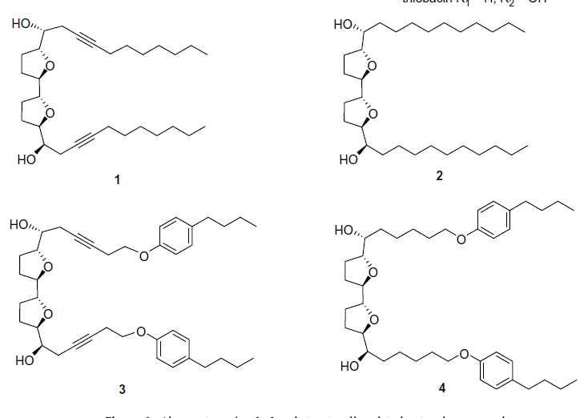 | complex I |  |  | 19027304


 | mentioned in article 63 | 178099 | 178099 | trilobin，属ACG |  | complex I
 |  | 130056 | 130056 | trilobacin，属ACG |  | complex I

 | 56 | 54732495 54732497 54712756 54732498 16742458 54732499 54708418 54732501 54696388 | iromycin SO， iromycin S， iromycin M， iromycin MO， iromycin AM， iromycin AH， iromycin C， iromycin A， iromycin B， | iromycins (natural or synthesis） 其中iromycin S（best one） |    |  |  | https://www.ncbi.nlm.nih.gov/pubmed/18054490 | 18054490


 | mentioned in article 56 | 9576412 | 9576412 | fenpyroximate（是一种pesticides） |  | complex I |  | 8. Lu¨mmen, P.Complex I inhibitors as insecticides and acaricides.Biochim. Biophys. Acta 1998, 1364, 287–296. | 9593947
 | 55 | 1388 | 1388 | MPTP |  | complex I |  | 10. Lannuzel, A.; Michel, P. P.; Ho¨ glinger, G. U.; Champy,P.; Jousset, A.; Medja, F.; Lombes, A.; Darios, F.; Gleye,C.; Laurens, A.; Hocquemiller, R.; Hisch, E. C.; Ruberg,M.The mitochondrial complex I inhibitor annonacin is toxic to mesencephalic dopaminergic neurons by impairment of energy metabolism. Neuroscience 2003, 121, 287–296. | 14521988
 |  |  |  |  |  |  |  | https://www.ncbi.nlm.nih.gov/pubmed/18220329 | 18220329
 | mentioned in article 56 |  | ？ | Annonacin（属acetogenin family） |  | complex I |  | 9. Dauer, W.; Kholodilov, N.; Vila, M.; Trillat, A.-C.; Goodchild, R.; Larsen, K. E.; Staal, R.; Tieu, K.; Schmitz,Y.; Yuan, C. A.; Rocha, M.; Jackson-Lewis, V.; Hersch,S.; Sulzer, D.; Przedborski, S.; Burke, R.; Hen, R. Resistance of alpha -synuclein null mice to the parkinsonian neurotoxin MPTP.Proc.Natl. Acad. Sci. U.S.A. 2002, 99, 14524–14529. | 12376616
 |  | 6440913 | 6440913 | Myxalamid A |  | complex I |  | 12. Beyer, S.; Kunze, B.; Silakowski, B.; Mu¨ ller, R. Biochim.Biophys. Acta 1999, 1445, 185–195. | 10320771
 |  | 10149757 | 10149757 | Verticipyrone |  | complex I |  | 14. Ui, H.; Shiomi, K.; Suzuki, H.; Hatano, H.; Morimoto,H.; Yamaguchi, Y.; Masuma, R.; Sunazuka, T.; Shimamura, H.; Sakamoto, K.; Kita, K.; Miyoshi, H.; Tomoda, H.; Omura, S. J. Verticipyrone, a new NADH-fumarate reductase inhibitor, produced by Verticillium sp. FKI-1083.Antibiot. 2006, 59, 785–790. | 17323645
 | 54 | 44441988 44441989 44441990 44441991 44441992 44441993 44441994 44441995 | 44441990 | Quinazoline derivatives（compound 4, is most potent) . 4 is named 4-[2-[4-(5-Fluoropentyl)phenyl]ethoxy]quinazoline |  | complex I |  | https://www.ncbi.nlm.nih.gov/pubmed/17604167 | 17604167
 |  | 86356 | 86356 | Fenazaquin(better than compound 4) |  | complex I |  | 6. Latli, B.; Wood, E.; Casida, J. E. Insecticidal quinazoline derivatives with (trifluoromethyl)diazirinyl and azido substituents as NADH:ubiquinone oxidoreductase inhibitors and candidate photoaffinity probes.Chem. Res. Toxicol. 1996, 9, 445. 7. Okun, J. G.; lumen, P.; Brandt, U. Three classes of inhibitors share a common binding domain in mitochondrial complex I (NADH:ubiquinone oxidoreductase).J. Biol. Chem. 1999, 274, 2625. 8. Wood, E.; Latli, B.; Casida, J. E.Pest.Insecticidal quinazoline derivatives with (trifluoromethyl)diazirinyl and azido substituents as NADH:ubiquinone oxidoreductase inhibitors and candidate photoaffinity probes. Biochem. Physiol. 1996, 54, 135. | 8839048, 9915790, 8839048
 | 52 | 17755832 44365473 17756171 17755955 17756068 17756172 17755830 17756065 17756069 17756067 |  |  chromone analogs |  | complex I （and complex III？） |  | (35) Lindell, S. D.; Ort, O.; Luemmen, P.; Klein, R. The design and synthesis of novel inhibitors of NADH:ubiquinone oxidoreductase. Bioorg. Med. Chem. Lett. 2004, 14, 511-514. | 17696417

 | mentioned in article 52 |  |  | ubicidin-3 |  |  |  | (32) Motoyama, T.; Yabunaka, H.; Miyoshi, H. Essential structural factors of acetogenins, potent inhibitors of mitochondrial complex I. Bioorg.Med. Chem. Lett. 2002, 12, 2089-2092. (33) Tormo, J. R.; Estornell, E.; Gallardo, T.; Gonzalez, M. C.; Cave, A.;Granell, S.; Cortes, D.;Zafra-Polo, M. C. ç-Lactone-functionalized Mitochondrial Complex I Bioorg. Med. Chem. Lett. 2001, 11, 681-684. (34) Nicolaou, K. C.; Pfeffercorn, J. A.;Schueler, F.; Roecker, A. J.; Cao,G. Q.; Casida, J. E. Combinatorial synthesis of novel and potent inhibitors of NADH:ubiquinone oxidoreductase. Chem. Biol. 2000,7, 979-992. | 12127510
 |  |  |  | capsaicin |  |  |  |  | 11266168
 |  |  |  | substituted quinolones and quinolines |  |  |  |  | 11137820

 | 49 | 135423827 136043838 135423828 135423848 54680356 |  |  azole-fused salicylamides（analogues of antimycin）(8a,8b,12a,12b,28） |  | complex III（Qi site） |  | https://www.ncbi.nlm.nih.gov/pubmed/16854082 | 16854082

 | mentioned in article 49 | 16219676 | 16219676 | myxothiazole |  | complex III（Qo site） |  | (5) (a) Clough, J. M. The strobilurins, oudemansins, and myxothiazols,fungicidal derivatives of â-methoxyacrylic acids. Nat. Prod. Rep.1993, 10 (6), 565-574. (b) Sauter, H.; Steglich, W.; Anke, T.Strobilurins: volution of a new class of active substances. Angew.Chem., Int. Ed. 1999, 38 (10), 1329-1349. | 8121648, 29711574
 |  | 12805869 | 12805869 | strobilurins |  | complex III（Qo site）
 |  | 130804 | 130804 | hydroxyquinoline N-oxides |  | complex III（Qi site, weakly bind Qo site） |  | (10) (a) Gao, X.; Wen, X.; Esser, L.; Quinn, B.; Yu, L.; Yu, C.-A.; Xia,D. Structural basis for the quinone reduction in the bc1 complex: a comparative analysis of crystal structures of mitochondrial cytochrome bc1 with bound substrate and inhibitors at the Qi site.Biochemistry 2003, 42 (30), 9067-9080. | 12885240
 | 47 | 44315889 44315910 | 44315889 44315910 | stolonoxides（a new class of powerful cytotoxic acetogenins from the Mediterranean tunicate Stolonica socialis，are structurally related to Annonaceous acetogenins ACGs） |  | complex II and complex III（in the ubiquinone junction ） |  | https://www.ncbi.nlm.nih.gov/pubmed/11428930 | 11428930 |  | Y
 | 46 | 9840225 10454124 | 9840225 10454124 |  (+)-almuheptolide-A (1) and its diacetated derivative (1a) ，are styryl lactone derivatives from Annonaceous plants |  | complex I |  | https://www.ncbi.nlm.nih.gov/pubmed/9857086 | 9857086 |  | Y

 | mentioned in article 32 | 33557 | 33557 | sodium azide |  | complex IV
 | 20 | 66553750 118711803 118711804 | 66553750 118711803 118711804 | pyridinol derivatives(but some are not inhibit ETC, work as cytoprotective antioxidants) |  | complexes I, III and IV |  | 18. Arce, P. M.;Analysis of the structural and mechanistic factors in antioxidants that preserve mitochondrial function and confer cytoprotection. Bioorg. Med. Chem. 2012, 20,5188. 19. Goldschmidt, R.; Arce, P. M.; Khdour, O. M.; Collin, V. C.; Dey, S.; Jaruvangsanti, J.; Fash, D. M.; Hecht, S. M.Effects of cytoprotective antioxidants on lymphocytes from representative mitochondrial neurodegenerative diseases. Bioorg. Med. Chem. 2013, 21, 969. https://www.ncbi.nlm.nih.gov/pubmed/25088548 | 22883028 , 22883028, 25088548
 | 14 | 274711916 | 274711916 | 6-((1-Hydroxynaphthalen-4-ylamino)dioxysulfone)-2H-naphtho[1,8-bc]thiophen-2-one (HDNT) |  | complex III

 |  | 15604010 | 15604010 | Ametoctradin |  | complexIII |  | Ametoctradin is a potent Qo site inhibitor of the mitochondrial respiration complex III | 25784492

 |  |  | 基本知识
 |  |  |  | complexI可能的靶点：the flavin group, the N2 iron sulphur cluster and the UbQ binding sites. most of the Complex I inhibitors specific for overlapping docking sites within the UbQ binding region |  | Recent photoaffinity labeling studies using pyridaben and fenpyroximate indicated that PSST, ND5, and IP 49 kDa subunits contribute to the inhibitor binding domain in bovine |  | [46] Okun, J. G.; Lummen, P.; Brandt, U. Three classes of inhibitorsshare a common binding domain in mitochondrial complex I(NADH:ubiquinone oxidoreductase). J. Biol. Chem., 1999, 274,2625-2630. [47] Tocilescu, M. A.; Fendel, U.; Zwicker, K.; Kerscher, S.; Brandt, U.Exploring the ubiquinone binding cavity of respiratory complex I.J. Biol. Chem., 2007, 282, 29514-29520
 |  |  |  | complexII可能的活性位点：The active site for conversion of succinate to fumarate， the UbQ-binding sites（ proximal one (QP; closer to the matrix) appears to be fully functional, whereas the distal site (QD)may be a non-functional ‘pseudo-site’ | CII包括四个蛋白质亚基，分别称为SDHA、SDHB、SDHC和SDHD。琥珀酸转化为富马酸的活性位点位于SDHA内，SDHA位于线粒体基质中。在琥珀酸与富马酸盐的缩合过程中产生的电子通过SDHB亚基中的硫铁团簇被导向由SDHC和SDHD亚基的氨基酸残基组成的ubq结合位点。两者都嵌入到MIM中。在晶体学研究表明的两个ubq结合位点中，近端结合位点(QP;离基质越近)表现为完全功能，而远端位置(QD)可能是非功能的“伪位置”

 |  |  |  | CIII contains two binding site for UbQ：Qo and Qi. ‘Q cycle’： two molecules of UbQ are oxidized at the Qo site for one molecule of ubiquinone reduced at the QI site. Inhibition of the Qi site by specific inhibitors such as antimycin A leads to superoxide production at the Qo site, but the Qo site inhibitors do not induce ROS generation from CIII |  | domain in bovine
 |  |  |  | potential anti-cancer agents that would directly target Complex IV and inhibit its activity are scarce.
 |  |  |  | Complex V is in fact a miniature molecular engine consisting of two parts. The trans-membrane Fo part mediates regulated proton flux through the membrane and creates torque, which in turn drives a rotational movement of the F1 portion of the enzyme, resulting in the synthesis of 3 ATP molecules per one 360º turn of the enzyme

