Sheet1
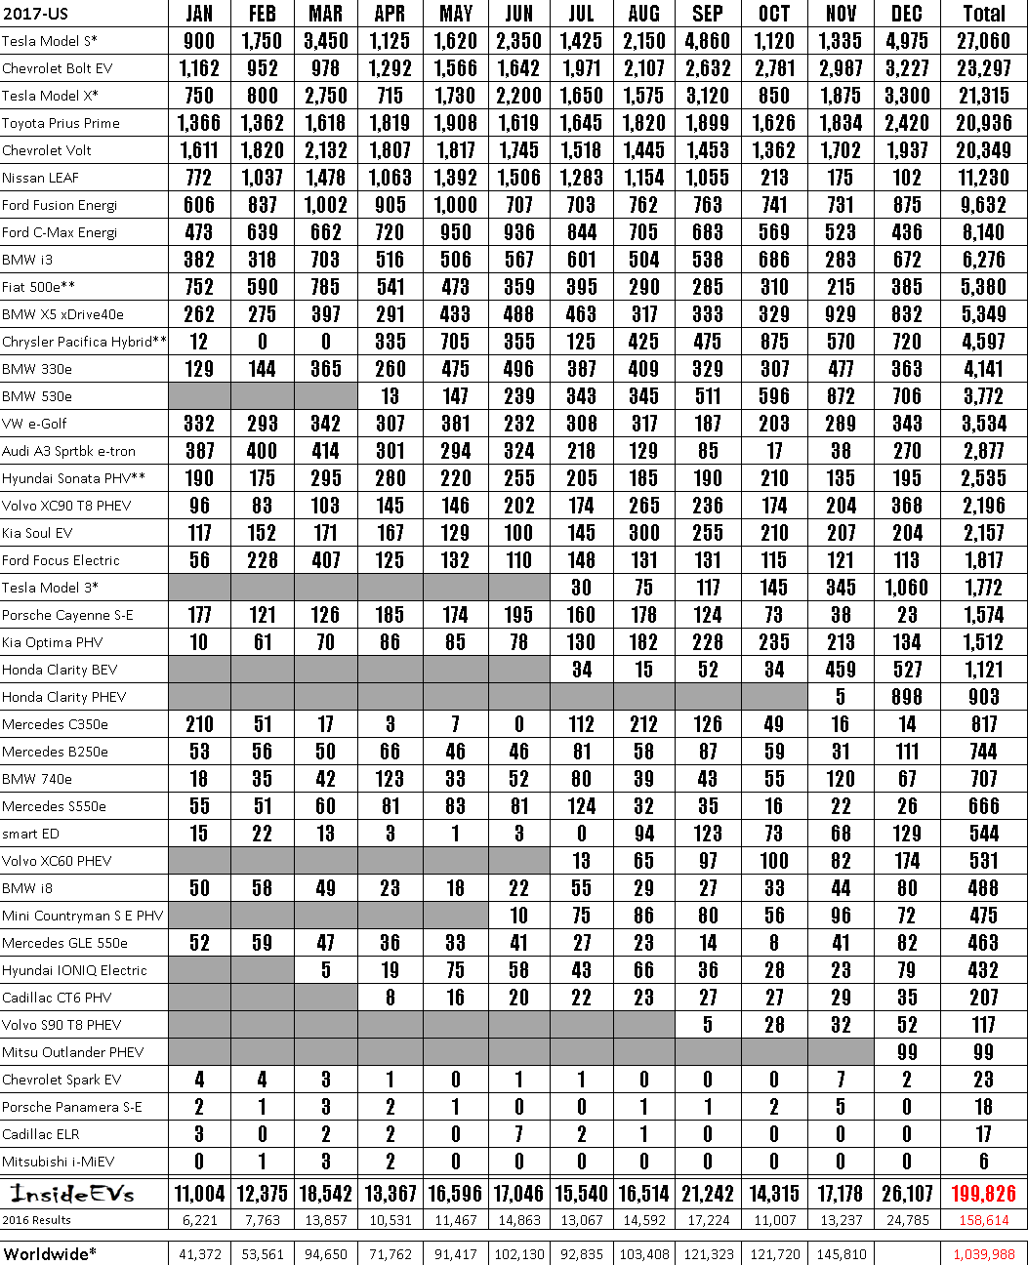

102,130
103,408
41,372
53,561
94,650
92,835
71,762
91,417
121,323
121,720
145,810
1,039,988
Worldwide*
2017-US | JAN | FEB | MAR | APR | MAY | JUN | JUL | AUG | SEP | OCT | NOV | DEC | Total
Tesla Model S* | 900 | 1,150 | 3,450 | 1,125 | 1,620 | 2,350 | 1,425 | 2,150 | 4,860 | 1,120 | 1,335 | 4,975 | 21,060
Chevrolet Bolt EV | 1,162 | 952 | 918 | 1,292 | 1,566 | 1,642 | 1,911 | 2,101 | 2,632 | 2,181 | 2,981 | 3,227 | 23,291
Tesla Model X* | 150 | 800 | 2,150 | 115 | 1,730 | 2,200 | 1,650 | 1,515 | 3,120 | 850 | 1,815 | 3,300 | 21,315
Toyota Prius Prime | 1,366 | 1,362 | 1,618 | 1,819 | 1,908 | 1,619 | 1,645 | 1,820 | 1,899 | 1,626 | 1,834 | 2,420 | 20,936
Chevrolet Volt | 1,611 | 1,820 | 2,132 | 1,801 | 1,811 | 1,145 | 1,518 | 1,445 | 1,453 | 1,362 | 1,102 | 1,931 | 20,349
Nissan LEAF | 112 | 1,031 | 1,418 | 1,063 | 1,392 | 1,506 | 1,283 | 1,154 | 1,055 | 213 | 115 | 102 | 11,230
Ford Fusion Energi | 606 | 831 | 1,002 | 905 | 1,000 | 101 | 103 | 162 | 163 | 141 | 131 | 875 | 9,632
Ford C-Max Energi | 413 | 639 | 662 | 720 | 950 | 936 | 844 | 105 | 683 | 569 | 523 | 436 | 8,140
BMW i3 | 382 | 318 | 103 | 516 | 506 | 561 | 601 | 504 | 538 | 686 | 283 | 612 | 6,216
Fiat 500e** | 152 | 590 | 185 | 541 | 473 | 359 | 395 | 290 | 285 | 310 | 215 | 385 | 5,380
BMW X5 xDrive40e | 262 | 275 | 397 | 291 | 433 | 488 | 463 | 311 | 333 | 329 | 929 | 832 | 5,349
Chrysler Pacifica Hybrid** | 12 | 0 | 0 | 335 | 705 | 355 | 125 | 425 | 475 | 815 | 510 | 120 | 4,591
BMW 330e | 129 | 144 | 365 | 260 | 415 | 496 | 381 | 409 | 329 | 301 | 411 | 363 | 4,141
BMW 530e |  |  |  | 13 | 141 | 239 | 343 | 345 | 511 | 596 | 812 | 106 | 3,172
VW e-Golf | 332 | 293 | 342 | 307 | 381 | 232 | 308 | 311 | 181 | 203 | 289 | 343 | 3,534
Audi A3 Sprtbk e4ron | 381 | 400 | 414 | 301 | 294 | 324 | 218 | 129 | 85 | 11 | 38 | 210 | 2,811
Hyundai Sonata PHV** | 190 | 115 | 295 | 280 | 220 | 255 | 205 | 185 | 190 | 210 | 135 | 195 | 2,535
Volvo XC90 To PHEV | 96 | 83 | 103 | 145 | 146 | 202 | 174 | 265 | 236 | 114 | 204 | 368 | 2,196
Kia Soul EV | 111 | 152 | 111 | 167 | 129 | 100 | 145 | 300 | 255 | 210 | 201 | 204 | 2,151
Ford Focus Electric | 56 | 228 | 407 | 125 | 132 | 110 | 148 | 131 | 131 | 115 | 121 | 113 | 1,811
Tesla Model 3* |  |  |  |  |  |  | 30 | 15 | 111 | 145 | 345 | 1,060 | 1,772
Porsche Cayenne S-E | 177 | 121 | 126 | 185 | 174 | 195 | 160 | 118 | 124 | 13 | 38 | 23 | 1,574
Kia Optima PHV | 10 | 61 | 70 | 86 | 85 | 78 | 130 | 182 | 228 | 235 | 213 | 134 | 1,512
Honda Clarity BEV |  |  |  |  |  |  | 34 | 15 | 52 | 34 | 459 | 527 | 1,121
Honda Clarity PHEV |  |  |  |  |  |  |  |  |  |  | 5 | 898 | 903
Mercedes C350e | 210 | 51 | 17 | 3 | 7 | 0 | 112 | 212 | 126 | 49 | 16 | 14 | 811
Mercedes B250e | 53 | 56 | 50 | 66 | 46 | 46 | 81 | 50 | 81 | 59 | 31 | 111 | 744
BMW 740e | 18 | 35 | 42 | 123 | 33 | 52 | 80 | 39 | 43 | 55 | 120 | 61 | 701
Mercedes S550e | 55 | 51 | 60 | 81 | 83 | 81 | 124 | 32 | 35 | 16 | 22 | 26 | 666
smart ED | 15 | 22 | 13 | 3 | 1 | 3 | 0 | 94 | 123 | 13 | 68 | 129 | 544
Volvo XC60 PHEV |  |  |  |  |  |  | 13 | 65 | 97 | 100 | 82 | 114 | 531
BMA/ i8 | 50 | 58 | 49 | 23 | 18 | 22 | 55 | 29 | 27 | 33 | 44 | 80 | 488
Mini Countryman S E PHV |  | M |  |  |  | 10 | 75 | 86 | 80 | 56 | 96 | 12 | 415
Mercedes GLE 550e | 52 | 59 | 47 | 36 | 33 | 41 | 27 | 23 | 14 | 8 | 41 | 82 | 463
Hyundai IONIQ Electric |  |  | 5 | 19 | 15 | 58 | 43 | 66 | 36 | 28 | 23 | 19 | 432
Cadillac CT6 PHV |  |  |  | 8 | 16 | 20 | 22 | 23 | 27 | 21 | 29 | 35 | 201
Volvo S90 T8 PHEV |  |  | L |  |  |  |  |  | 5 | 28 | 32 | 52 | 111
Mitsu Outlander PHEV |  |  |  | II |  |  |  |  |  |  |  | 99 | 99
Chevrolet Spark EV | 4 | 4 | 3 | 1 | 0 | 1 | 1 | 0 | 0 | 0 | 1 | 2 | 23
Porsche Panamera S-E | 2 | 1 | 3 | 2 | 1 | 0 | 0 | 1 | 1 | 2 | 5 | 0 | 18
Cadillac ELR | 3 | 0 | 2 | 2 | 0 | 1 | 2 | 1 | 0 | 0 | 0 | 0 | 11
Mitsubishi i-MiEV | 0 | 1 | 3 | 2 | 0 | 0 | 0 | 0 | 0 | 0 | 0 | 0 | 6
linsitlents | 11,004 | 12,375 | 18,542 | 13,367 | 16,596 | 11,046 | 15,540 | 16,514 | 21,242 | 14,315 | 11,118 | 26,107 | 199,826
2016 Results | 6,221 | 7,763 | 13,857 | 10,531 | 11,467 | 14,863 | 13,067 | 14,592 | 17,224 | 11,007 | 13,237 | 24,785 | 158,614

