Summary
Best Experiment Results
Independent test is the primary evidence; development validation is used only for ablation.

Precision | Recall | mAP@0.50 | mAP@0.50:0.95 | Test images | Instances |  | Method | mAP@0.50 | mAP@0.50:0.95
0.8550 | 0.8400 | 0.8841 | 0.5202 | 535 | 1,178 |  | YOLO26s v15 | 0.8775 | 0.51
 |  |  |  |  |  |  | S+M ensemble | 0.8831 | 0.5192
 |  |  |  |  |  |  | Proposed fusion | 0.8841 | 0.5202
Method | Precision | Recall | mAP@0.50 | mAP@0.50:0.95 | Inference (ms/image) | Role
Independent test performance
YOLO26s v15 reviewed | 0.8730 | 0.8220 | 0.8775 | 0.5100 | 46.1000 | Single-model comparison
YOLO26s v9 + YOLO26m v9 |  |  | 0.8831 | 0.5192 |  | General ensemble baseline
General ensemble + two-class specialist | 0.8550 | 0.8400 | 0.8841 | 0.5202 | 200.7000 | Best independent-test result

Key interpretation | Measured evidence
Best independent test | mAP@0.50 = 0.8841; mAP@0.50:0.95 = 0.5202
Main bottleneck | cut and Feeder_antenna have the lowest test mAP@0.50: 0.802 and 0.781
Reporting boundary | Single run; no standard deviation or statistical significance claim

Per-class test
Per-class Independent-Test Results
Proposed generalist-specialist fusion, 535 images and 1,178 instances.

Per-class average precision
Class | Images | Instances | Precision | Recall | mAP@0.50 | mAP@0.50:0.95
all | 535 | 1,178 | 0.855 | 0.840 | 0.884 | 0.520
coupler | 84 | 109 | 0.873 | 0.817 | 0.916 | 0.505
antenna_s | 56 | 71 | 0.860 | 0.777 | 0.812 | 0.371
RRU | 192 | 208 | 0.976 | 0.960 | 0.989 | 0.684
Feeder_RRU | 150 | 161 | 0.838 | 0.789 | 0.854 | 0.373
antenna_b | 219 | 263 | 0.919 | 0.953 | 0.958 | 0.553
cut | 105 | 121 | 0.777 | 0.702 | 0.802 | 0.493
Feeder_antenna | 120 | 122 | 0.835 | 0.706 | 0.781 | 0.464
POWER | 67 | 68 | 0.849 | 0.910 | 0.906 | 0.564
BOX | 51 | 55 | 0.771 | 0.945 | 0.939 | 0.674

Method rationale
Experiment Rationale and Model Workflow
The method targets weak classes whose labels depend on object shape and surrounding connection context.

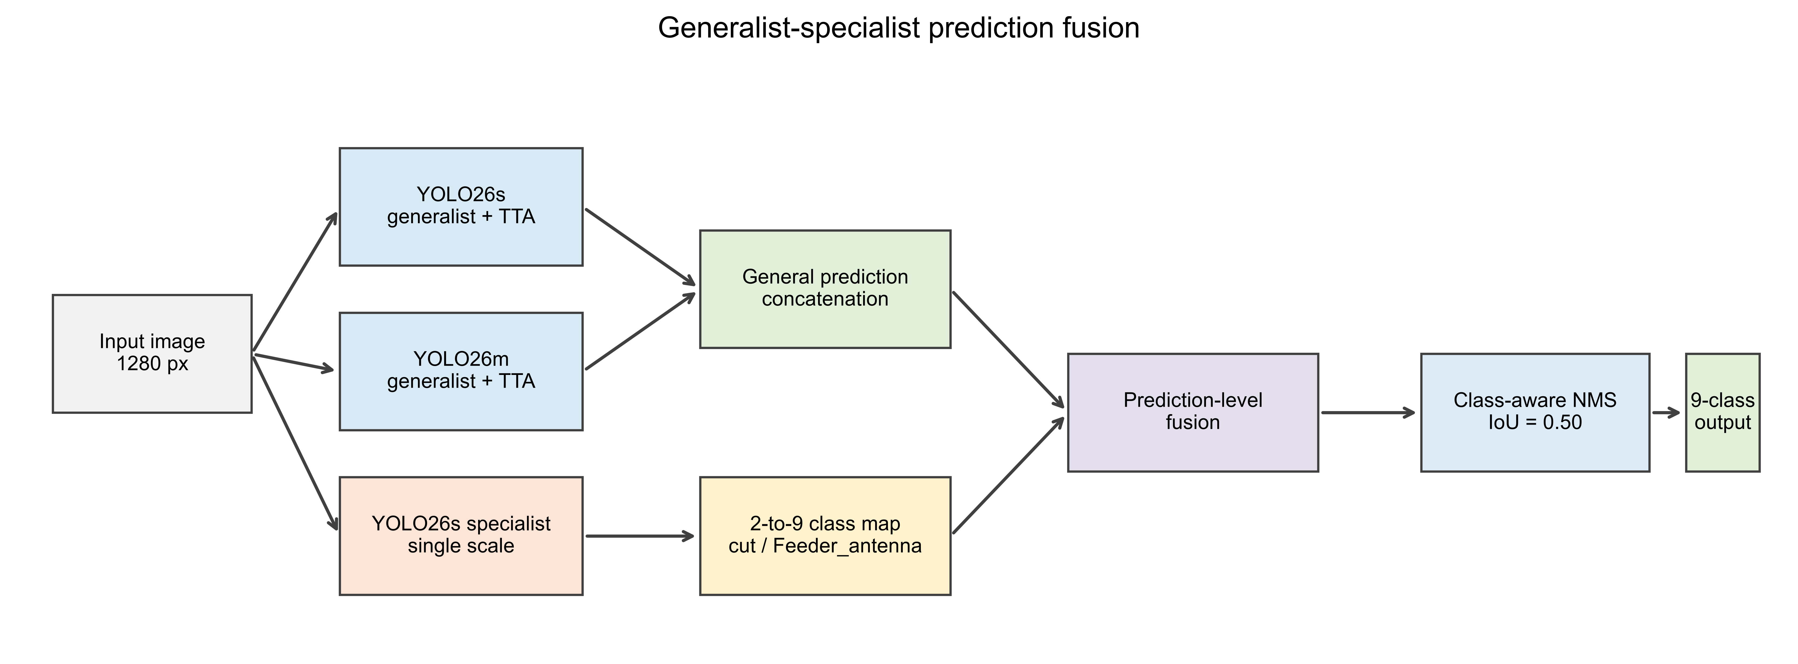
Research rationale
Observed bottleneck | cut, Feeder_antenna and Feeder_RRU show persistent misses, class confusion and localization errors.
Cause hypothesis | These thin components share local appearance; class identity depends on connected equipment and endpoint context.
Design response | Keep nine-class generalists for full-scene detection and add a two-class specialist for weak-class discrimination.

Experiment sequence
Step | Operation | Purpose
1 | Train YOLO26s and YOLO26m nine-class generalists | Create complementary full-scene detectors
2 | Audit missed GT, false positives, confusion and localization | Identify the actual weak-class failure modes
3 | Create context crops and confusing negatives | Preserve connection semantics and learn class boundaries
4 | Train a cut/Feeder_antenna YOLO26s specialist | Allocate model capacity to the two weakest target classes
5 | Map two specialist scores into the nine-class label space | Make heterogeneous predictions compatible
6 | Concatenate all predictions and apply NMS at IoU 0.50 | Remove duplicates and produce the final nine-class output

Component responsibilities
Component | What it does | Problem addressed
YOLO26s generalist | Nine-class base detection | Stable full-scene coverage
YOLO26m generalist | Higher-capacity complementary prediction | Single-model variance and missed objects
TTA | Scale/flip views for general branches | Scale and viewpoint changes
Two-class specialist | Re-examines cut and Feeder_antenna | Weak-class ranking and localization
Context crops | Magnify targets while keeping endpoints | Loss of connection semantics
Confusing negatives | Show similar non-target structures | Confusion with Feeder_RRU and antennas
Pre-NMS fusion | Joint competition and deduplication | Duplicate or inconsistent cross-model boxes

Claim boundary
Implemented contribution | Generalist-specialist prediction fusion supported by context crops, confusing negatives and manual error review.
Not changed | YOLO26 backbone, neck, detection head and loss functions remain unchanged.
Recommended wording | A weak-class-oriented generalist-specialist detection fusion framework, not a new YOLO architecture.

