NAND BASIC and WAF TREND
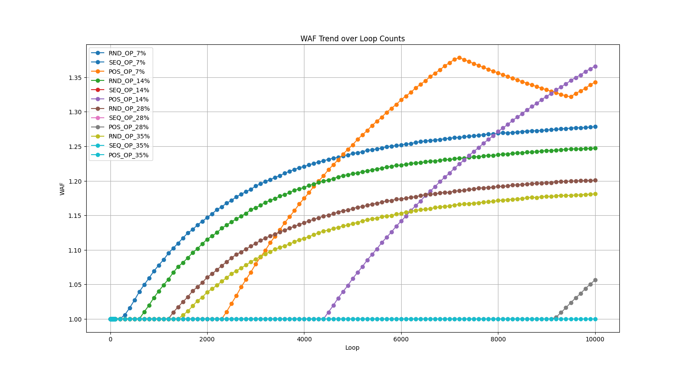
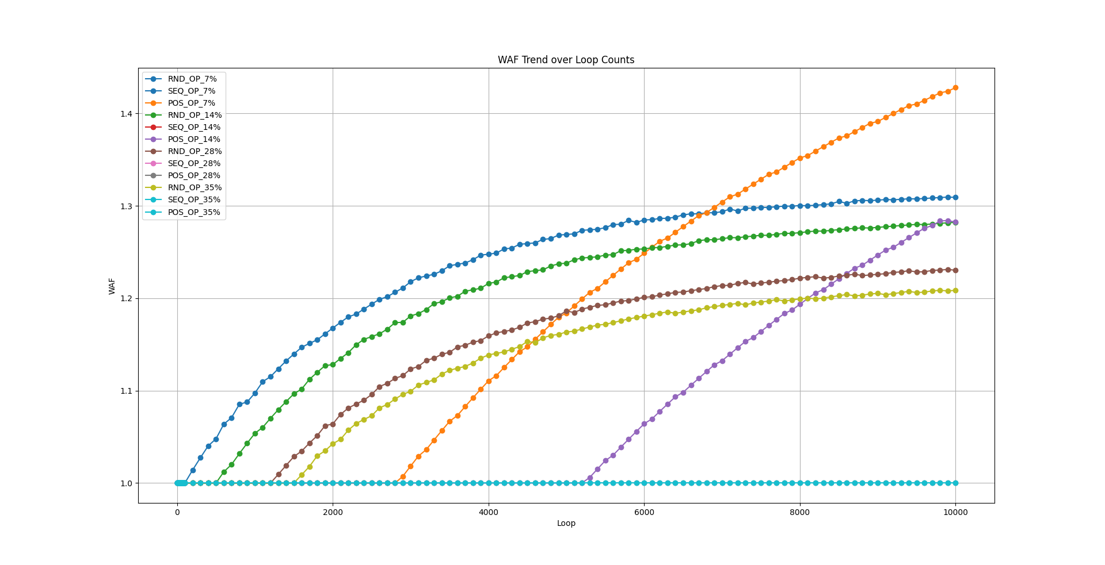
Define | Numbers | OP_SIZE | CALC | START | END | HOST_WRITE_RANGE | USED_VB | SPARE_VB | TRIGGER_GC_VB | WAF_SEQ | WAF_RND | WAF_POS
TOTAL_DIES | 4 | 7 | 5607.4766355 | 0 | 5607 | 5608 | 468 | 32 | 9 | 1 | 1.274364 | 1.378435
BLOCKS_PER_DIE | 500 | 14 | 5263.1578947 | 0 | 5263 | 5264 | 439 | 61 | 9 | 1 | 1.248378 | 1.365983
PAGES_PER_BLOCK | 3 | 28 | 4687.5 | 0 | 4687 | 4688 | 391 | 109 | 9 | 1 | 1.205011 | 1.056308
TOTAL_VB_PAGES | 12 | 35 | 4444.4444444 | 0 | 4444 | 4445 | 371 | 129 | 9 | 1 | 1.184229 | 1
TOTAL_PAGES | 6000 | 42 | 4225.3521127 | 0 | 4225 | 4226 | 353 | 147 | 9

Define | Numbers | OP_SIZE | CALC | START | END | HOST_WRITE_RANGE | USED_VB | SPARE_VB | TRIGGER_GC_VB | WAF_SEQ | WAF_RND | WAF_POS
TOTAL_DIES | 4 | 7 | 6728.9719626 | 0 | 6728 | 6729 | 187 | 13 | 9 | 1 | 1.309459 | 1.427965
BLOCKS_PER_DIE | 200 | 14 | 6315.7894737 | 0 | 6315 | 6316 | 176 | 24 | 9 | 1 | 1.282133 | 1.284102
PAGES_PER_BLOCK | 9 | 28 | 5625 | 0 | 5624 | 5625 | 157 | 43 | 9 | 1 | 1.231161 | 1
TOTAL_VB_PAGES | 36 | 35 | 5333.3333333 | 0 | 5333 | 5334 | 149 | 51 | 9 | 1 | 1.208635 | 1
TOTAL_PAGES | 7200 | 42 | 5070.4225352 | 0 | 5070 | 5071 | 141 | 59 | 9

