Sheet1
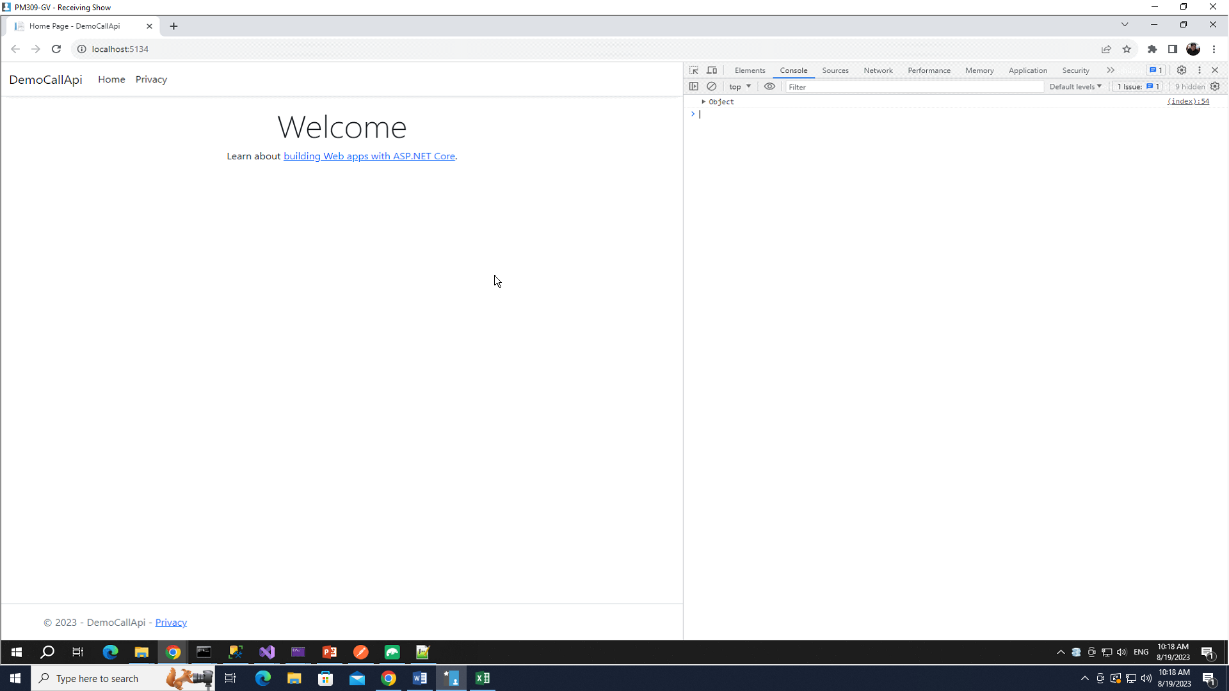
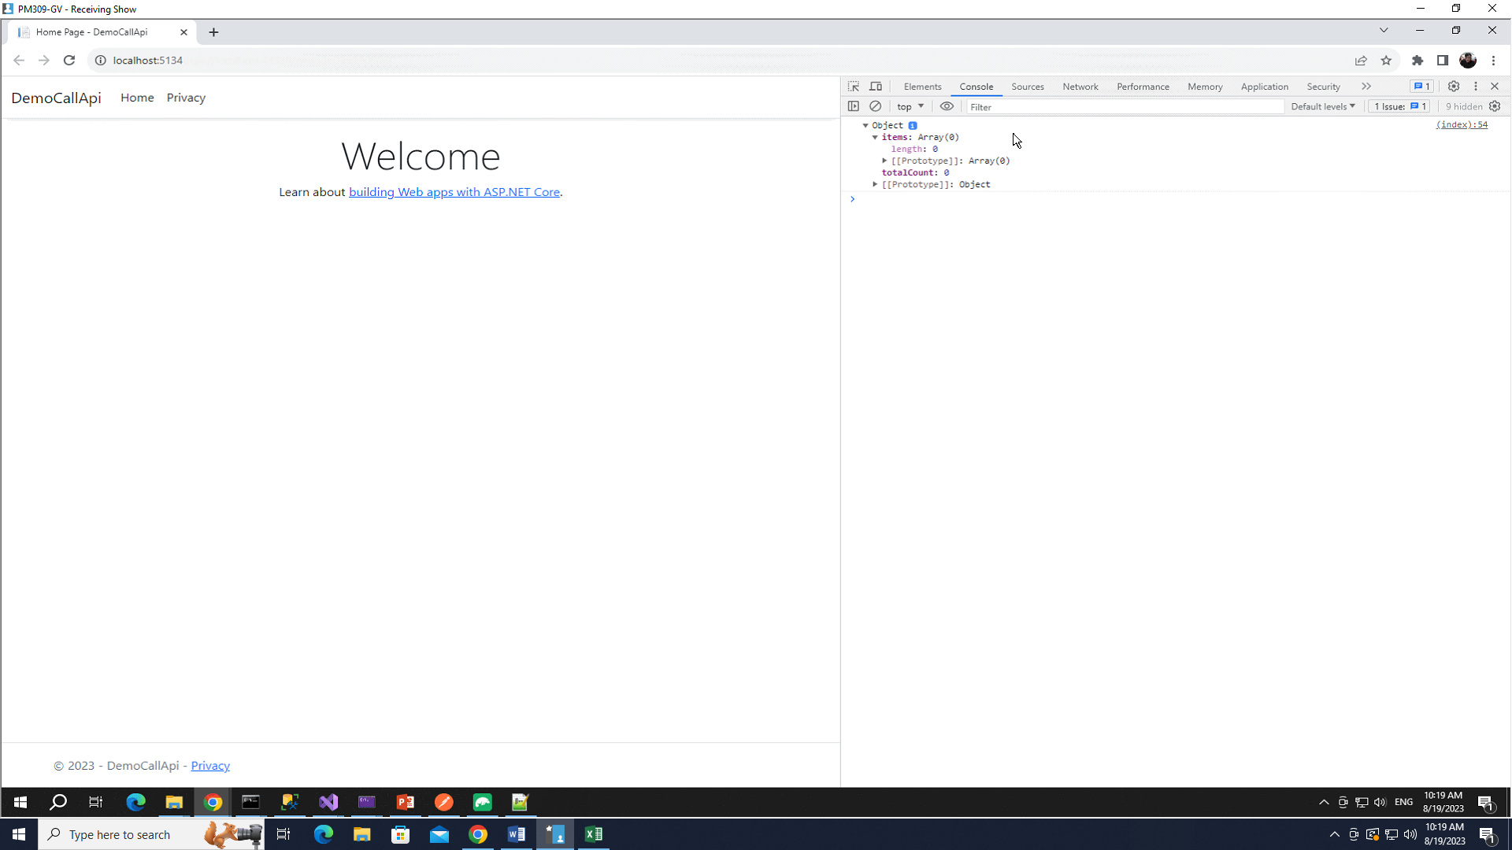
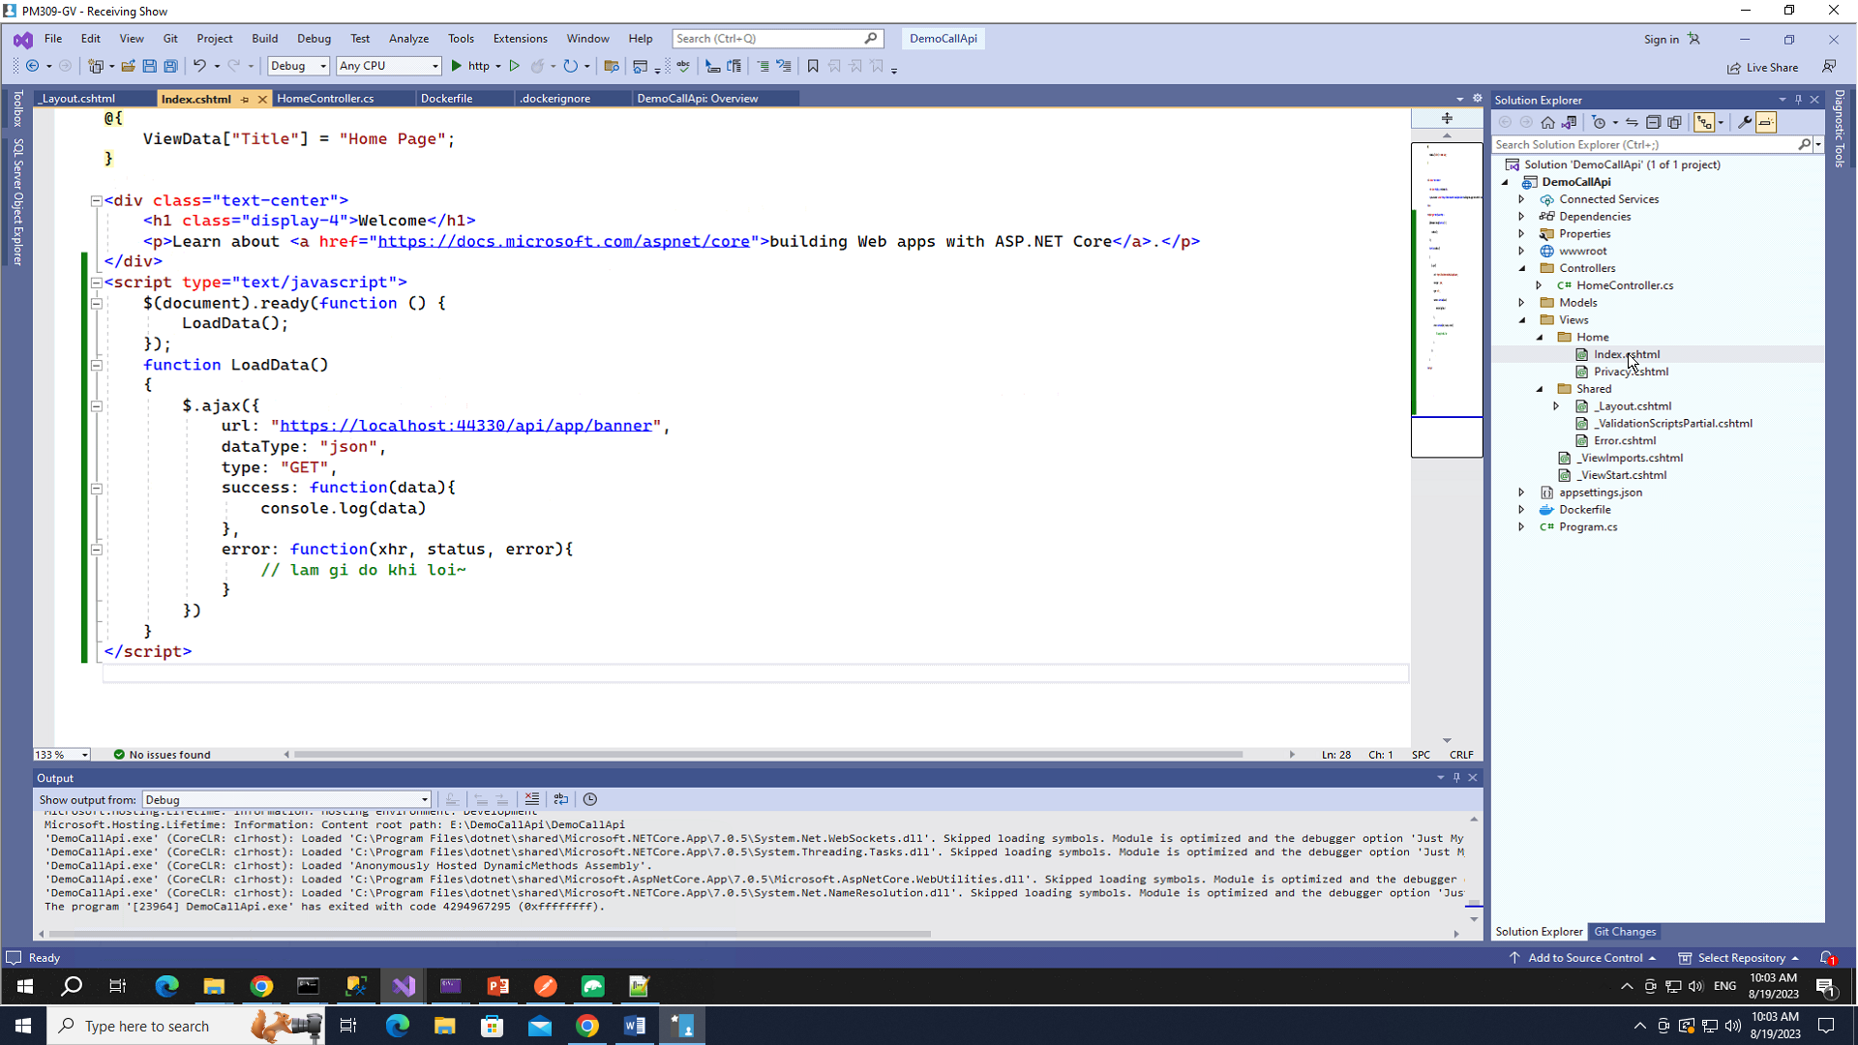

Muon goi API bang JS thi phai co thu vien axios
Khong thi dung Ajax cung duoc, khong can dai gi het
O tren dang dung Ajax

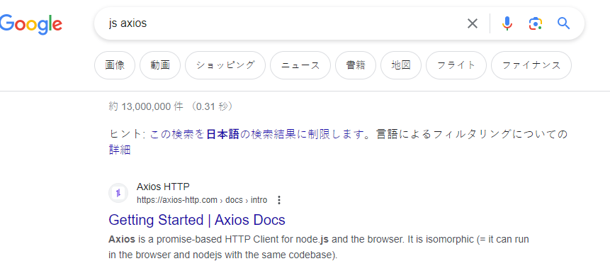

 | Khi start project len

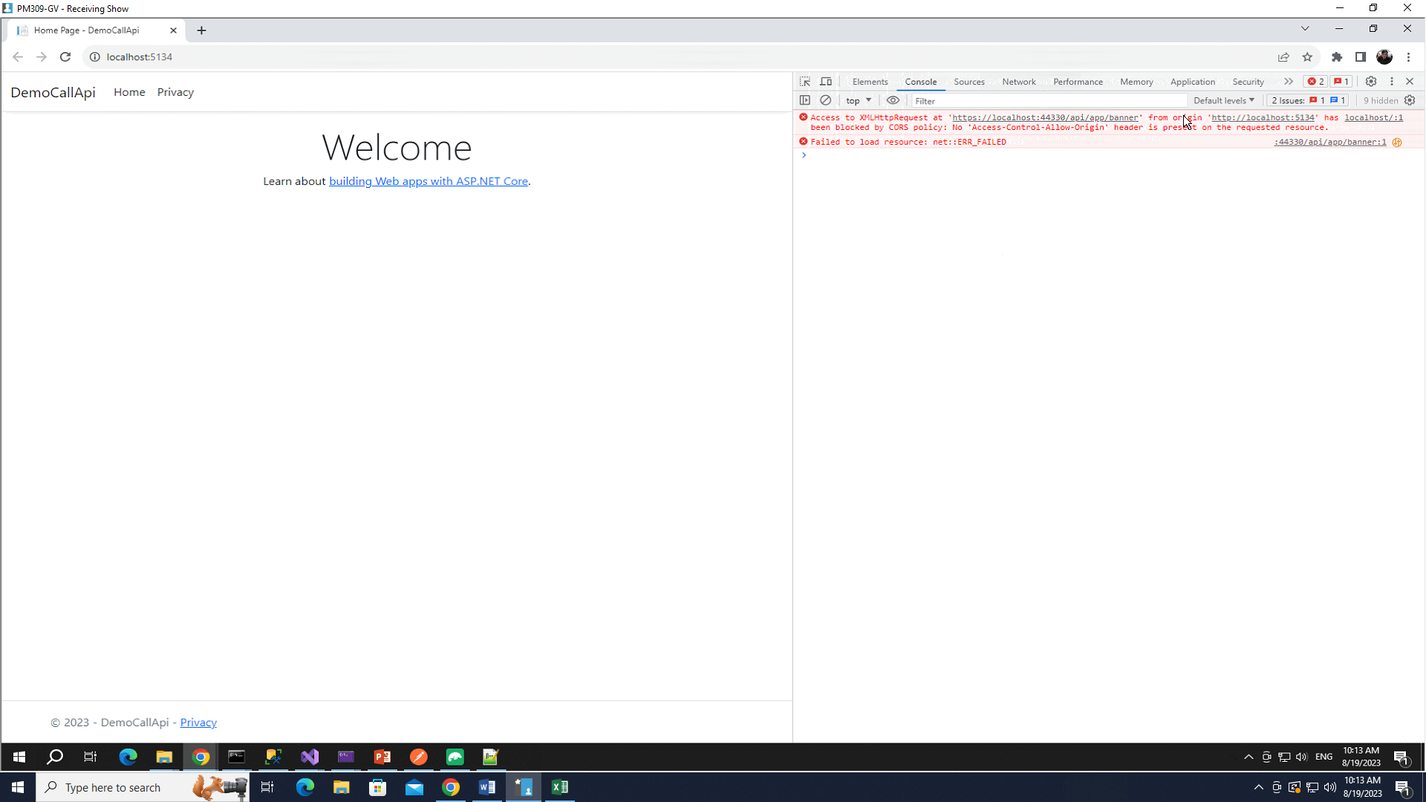

 |  | *Quan trong
 |  | Phai chinh sua lai nhu sau |  | De dau sao "*"de test local
 |  | CorsOrigin cho phep nhung ai duoc khai thac thong tin

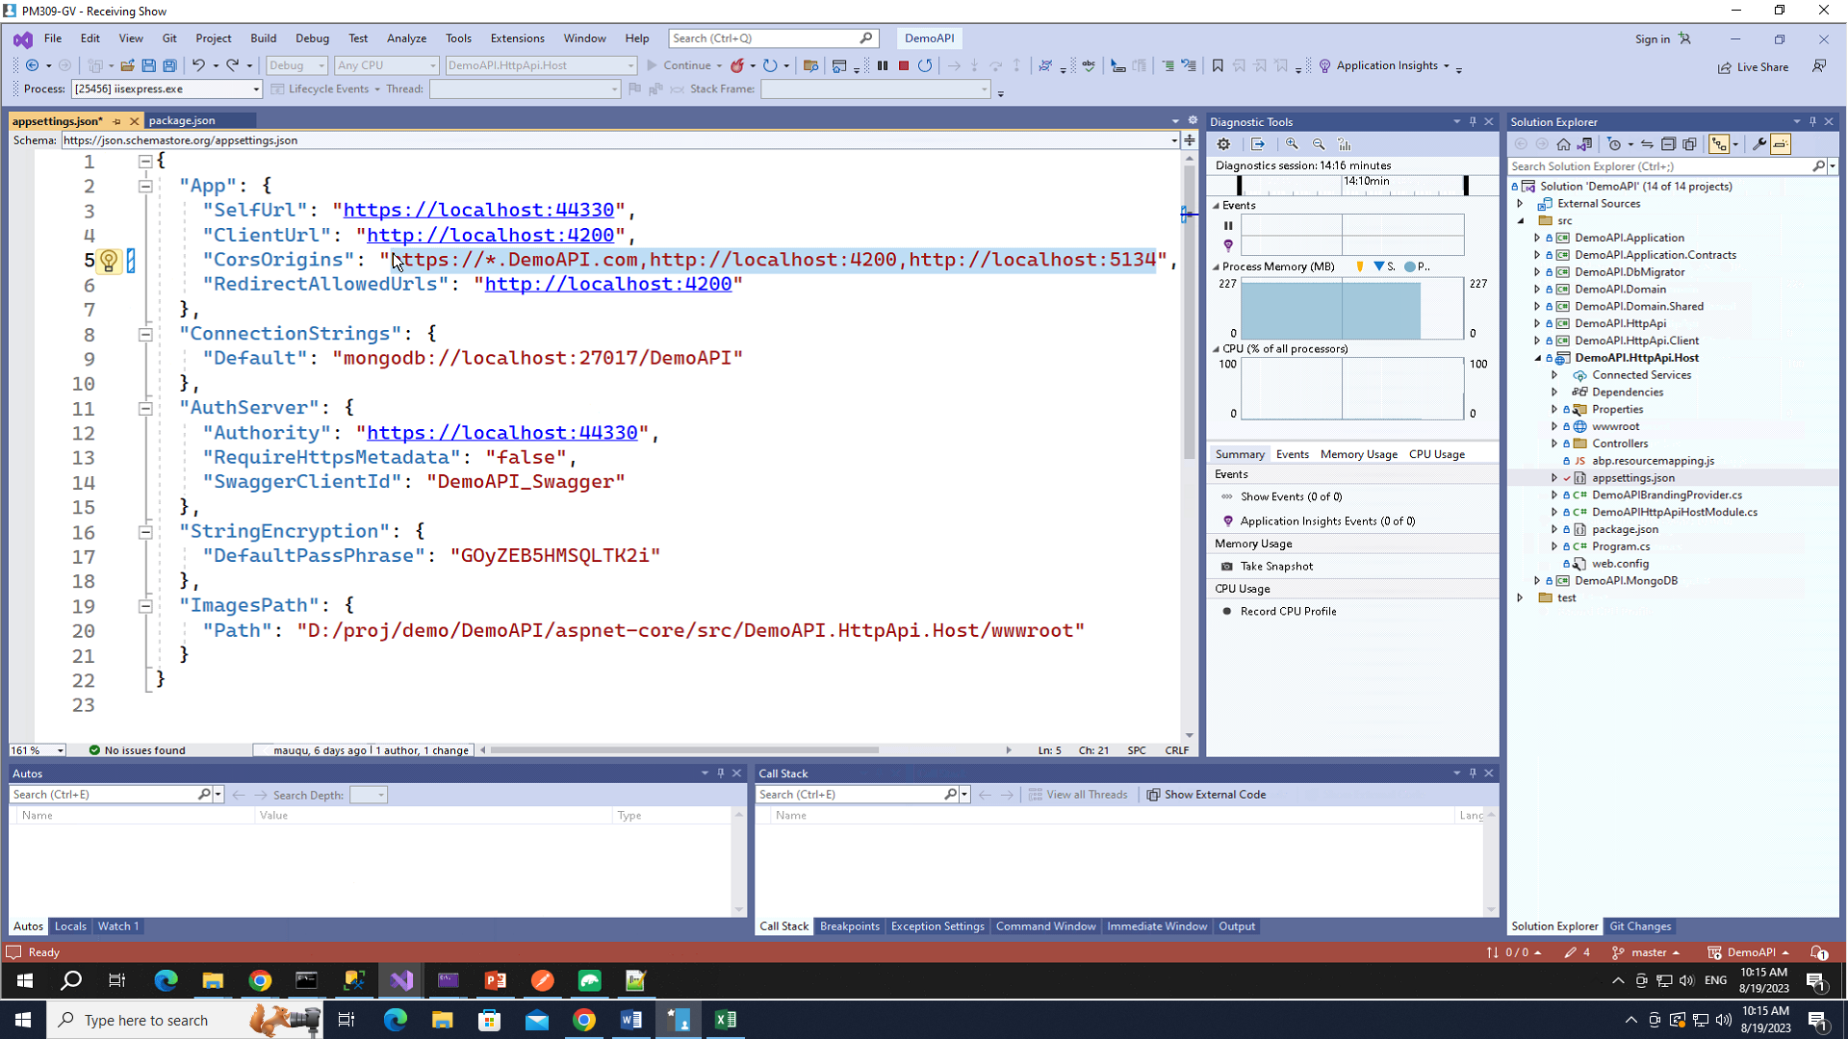
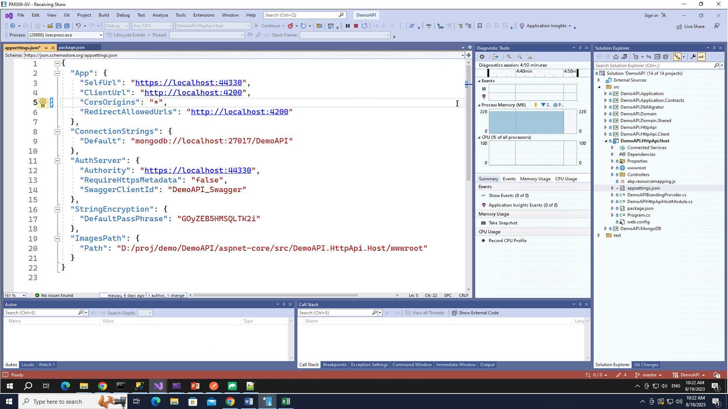

 |  |  | Het loi!!

