Sheet1
 |  |  |  |  |  |  |  |  |  |  | middle is frame 54

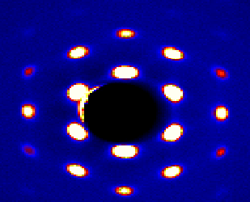
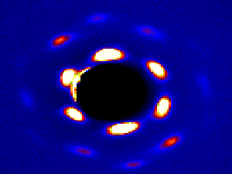
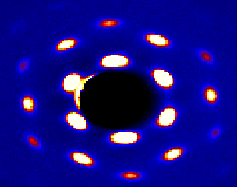
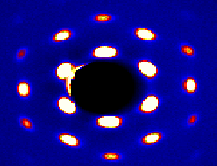

FRAME 31
 |  |  |  |  | FRAME 32 |  |  |  | FRAME 33
 |  |  |  |  |  |  |  |  |  |  |  |  | 35
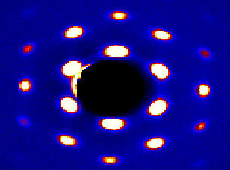
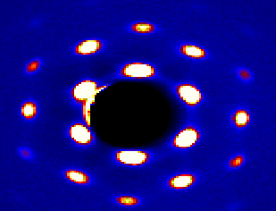
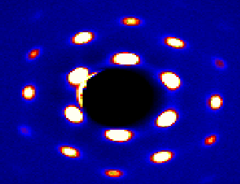
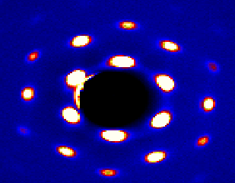

 | 39 |  |  |  |  | 40 |  |  |  | 41 |  |  |  | 42
 |  |  |  |  |  |  |  |  |  |  |  |  |  | ]

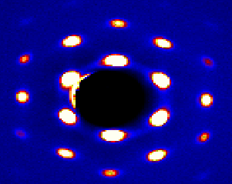
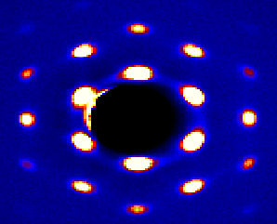
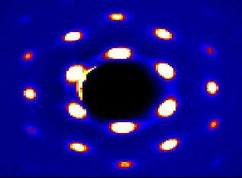

 | 43 |  |  |  |  |  |  |  |  | 46 |  |  | 47
 |  |  |  |  | 45
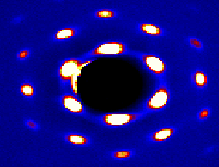
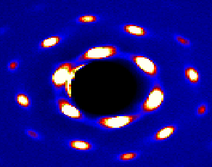
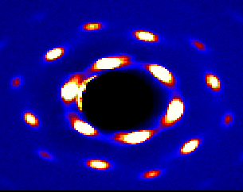
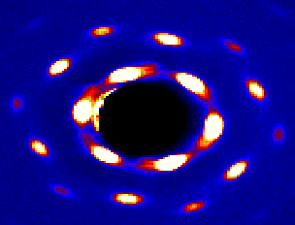

 | 48 |  |  |  |  | 50 |  |  |  | 51 |  |  |  | 52

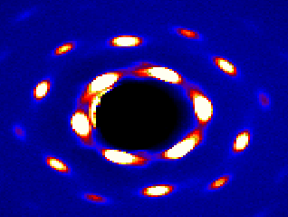
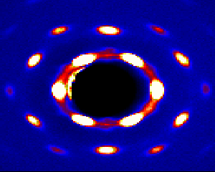
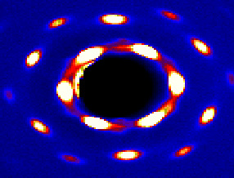

 |  | 54 |  |  |  |  |  | 55 |  |  | 56
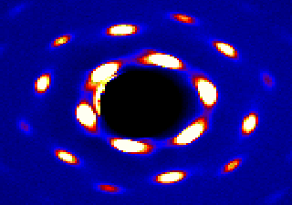
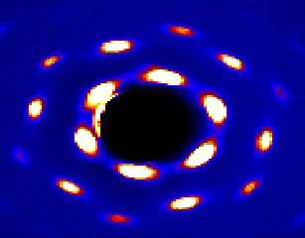
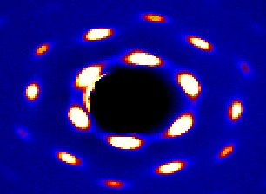

 |  |  | 57
 |  |  |  |  |  |  |  | 58 |  |  | 59
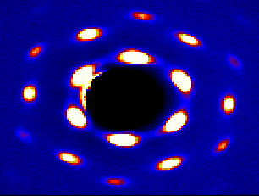
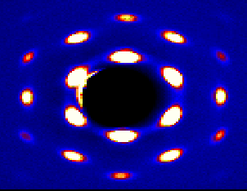
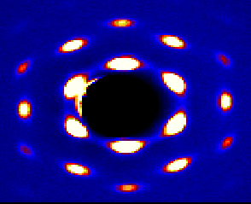

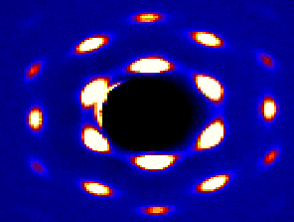
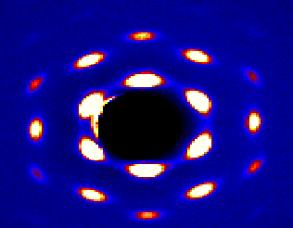
 |  |  | 60
 |  |  |  |  |  |  | 62
 |  |  |  |  |  |  |  |  |  |  | 64
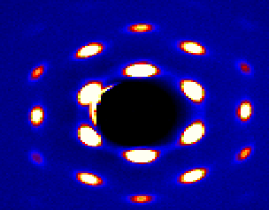

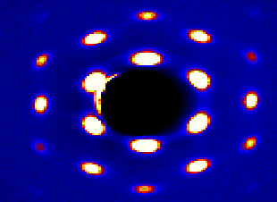
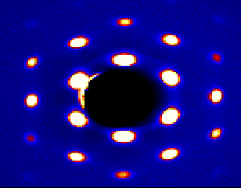
 |  |  | 65
 |  |  |  |  |  |  |  | 66
 |  |  |  |  |  |  |  |  |  |  | 67
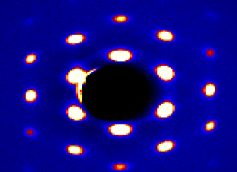

 |  |  | 68

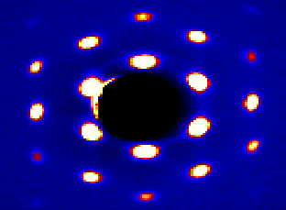
 |  |  |  |  |  |  |  | 70 |  |  |  | 71

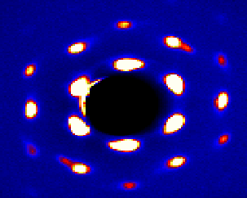
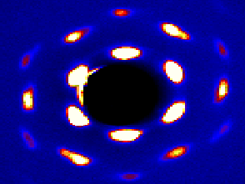

 |  |  | 73

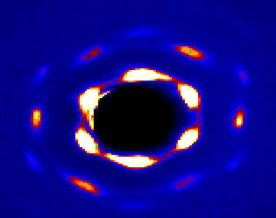
 |  |  |  |  |  |  |  |  |  |  | 76
 |  |  |  |  |  |  |  | 75
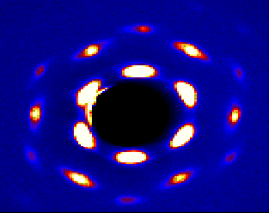
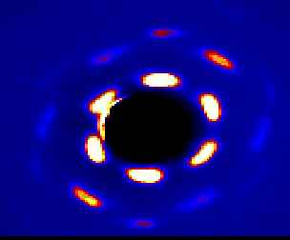

 |  |  | 77

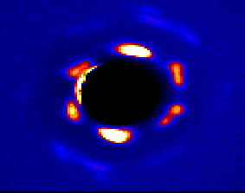
 |  |  |  |  |  |  |  | 78 |  |  |  | 79
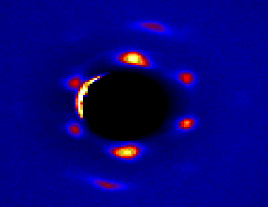

 |  |  |  | 80 |  |  |  | 81

