type of crime
violent crime | vandalism | personal theft | motor vehicle related | housebreaking | other households theft(including bicycle)
32% | 23% | 18% | 8% | 5% | 18%
Type of Crime
violent crime | 32%
vandalism | 23%
personal theft | 18%
motor vehicle related | 8%
housebreaking | 5%
other households theft(including bicycle) | 18%

report rate
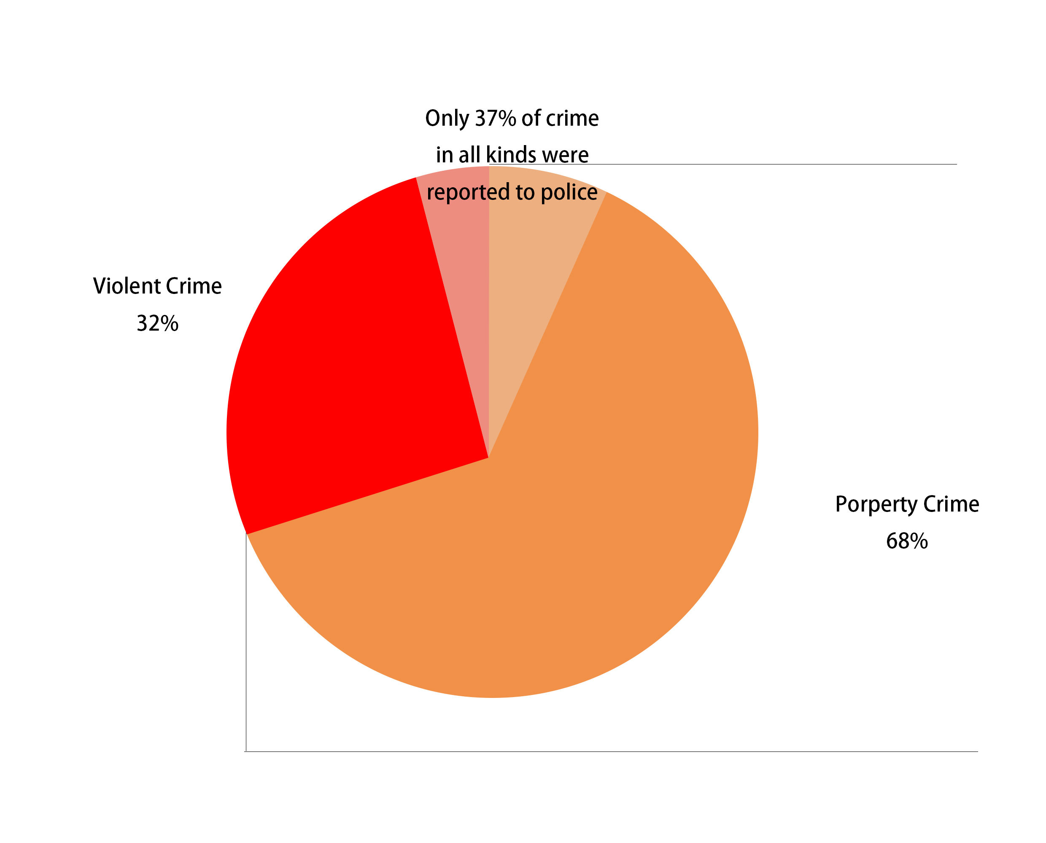
violent crime | property crime
32% | 68%

report rate
total | 37%
violent crime | 43%
property crime | 34%

