Readme
Dimensional Modeling Workbook
v.20230707a
Use this worksheet to document your dimensional model design.
The bus matrix tab
Will help you to create a high level overview of the business processes you wish to model. It will help you to identify dimensions you can re-use across each business process.
Dimension and Fact Templates
- Make a copy of these worksheets for each dimension and fact table in your bus matrix.
- Make sure the name of the sheet matches the name of the table.
- Complete the source section to help you write queries to source the data as part of your ELT
When you're finished you should be able generate DBT models for documentation.

ERD
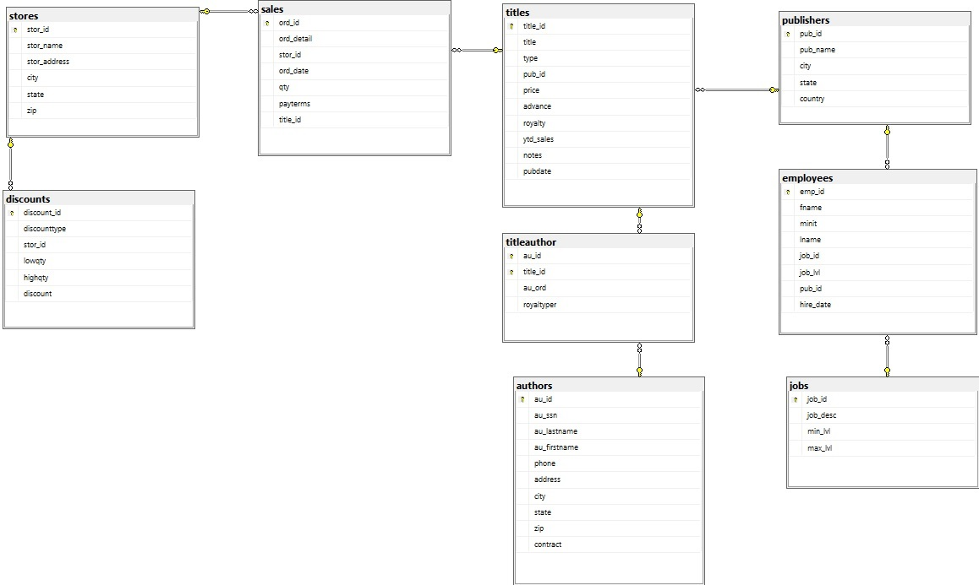

dbt
