BRD
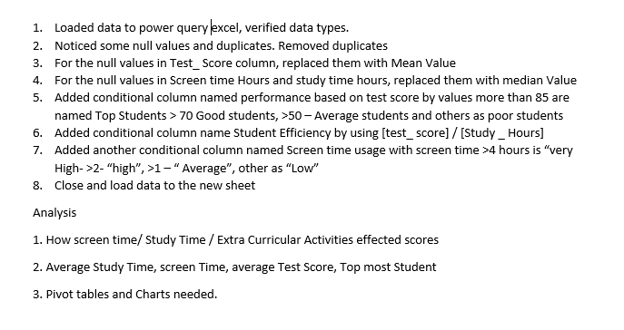

Dash Board
Impact of Screen Time on Student Performance
KEY INSIGHTS

Average Study_Hours
2.58
Average Screen_Time
4.39
Average Test_Scores
70.96
Top Student
student ID - 85
Top Performers have high screen time

TIME Vs PERFORMANCE
 | Average of Study_Hours | Average of Extra_Curricular_Hours | Average of Screen_Time
Average Students | 2.49 | 1.43 | 3.93
Good Students | 2.53 | 1.58 | 3.93
Poor Students | 2.82 | 1.74 | 3.87
Top Students | 2.72 | 1.71 | 4.87
Extra curricular activity contribution
 | Total
Average Students | 1.43
Good Students | 1.58
Poor Students | 1.74
Top Students | 1.71

Low screen Time Students scored well

Extra cirricular Activity time is effecting performance

Screen Time Vs Scores
 | Total
Average | 69.30
High | 69.04
Low | 70.95
Very High | 72.20
Performance Vs Study Time & Screen Time
 | Average of Study_Hours | Average of Screen_Time
Average Students | 2.49 | 3.93
Good Students | 2.53 | 3.93
Poor Students | 2.82 | 3.87
Top Students | 2.72 | 4.87
Smaller Age group showed better results

Overall Reduction in the Extra Activity time can increase the Scores

