Sheet1
RAKSHA BANDHAN CELEBRATIONS DATA ANALYSIS
Count of Sibling Pair ID
1000

Row Labels | Count of Sibling Pair ID
2022 | 249
2023 | 264
2024 | 252
2025 | 235
Grand Total | 1000

Total Siblings Celebrated
1000
Row Labels | Count of Sibling Pair ID
Cafe | 161
College Hostel | 182
Celebration Location
Home | 158
Year
Brother's Gift
Mall | 155
Office | 163
Online Video Call | 181
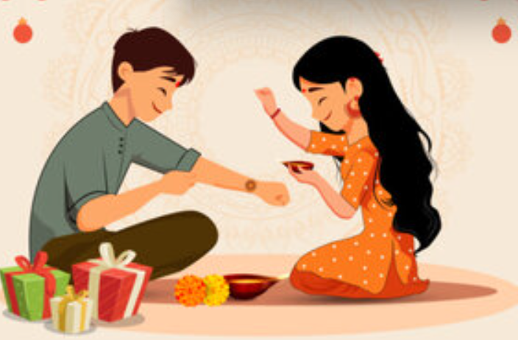
Grand Total | 1000

Row Labels | Count of Sibling Pair ID
Angry | 179
Excited | 171
Happy | 164
Joyful | 143
Playful | 181
Sentimental | 162
Grand Total | 1000

Sister's Emotion
Rakhi Type
Brother's Gift
Row Labels | Count of Sibling Pair ID
Backpack | 106
Bluetooth Speaker | 96
Cash | 117
Chocolate Hamper | 101
Custom T-shirt | 89
Gift Card | 96
Sneakers | 99
Sweets Box | 94
Teddy Bear | 90
Wrist Watch | 112
Grand Total | 1000

Row Labels | Count of Sibling Pair ID
Books | 98
Designer Handbag | 107
Fitness Tracker | 110
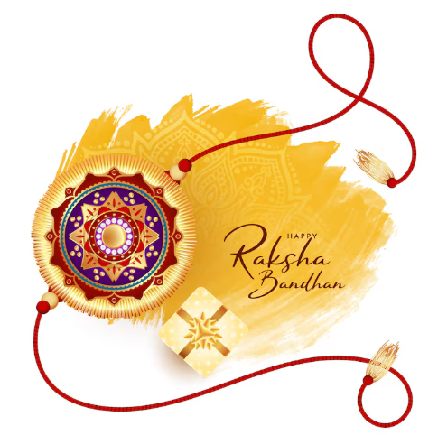
siblings
Gold Ring | 92
Headphones | 106
Makeup Kit | 101
Perfume | 85
Shopping Voucher | 96
Smartphone | 100
Trip to Goa | 105
Grand Total | 1000

Books | 98
Designer Handbag | 107
Fitness Tracker | 110
Gold Ring | 92
Headphones | 106
Makeup Kit | 101
Perfume | 85
Shopping Voucher | 96
Smartphone | 100
Trip to Goa | 105

Row Labels | Percentage | Count of Sibling Pair ID
Barfi | 15.10% | 151
Gulab Jamun | 14.90% | 149
Jalebi | 15.10% | 151
Kaju Katli | 14.30% | 143
Ladoo | 12.70% | 127
Peda | 14.40% | 144
Rasgulla | 13.50% | 135
Grand Total | 100.00% | 1000

Row Labels | Count of Sibling Pair ID
Bracelet Rakhi | 126
Cartoon Rakhi | 105
Eco-friendly Rakhi | 121
Kundan Rakhi | 131
Lumba Rakhi | 108
Silver Rakhi | 144
Traditional Rakhi | 121
Zardosi Rakhi | 144
Grand Total | 1000

Row Labels | Count of Sibling Pair ID
Backpack | 106
Bluetooth Speaker | 96
Cash | 117
Chocolate Hamper | 101
Custom T-shirt | 89
Gift Card | 96
Sneakers | 99
Sweets Box | 94
Teddy Bear | 90
Wrist Watch | 112
Grand Total | 1000

