Dashboard
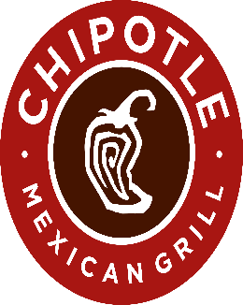

Chipotle Mexican Grill, Inc. - Financial Modeling & Multi-Scenario Forecasting

Key Performance Indicators

 |  | TOTAL NET REVENUES |  |  |  | OPERATING INCOME |  |  | NET INCOME
 |  | $11.3M |  |  |  | $1.9M |  |  | $1.5M
 |  | YoY% = 14.61% |  |  |  | YoY% = 16.94% |  |  | YoY% = 13.56%
 |  | As of FY2024 |  |  |  | As of FY2024 |  |  | As of FY2024

 |  |  |  | EARNINGS PER SHARE (EPS) |  |  | TOTAL STORES
 |  |  |  | $ 1.1 |  |  | 3,437
 |  |  |  | YoY% = 24.72% |  |  | YoY% = 7.84%
 |  |  |  | As of FY2024 |  |  | As of FY2024

Forecast Scenarios — Bull · Base · Bear

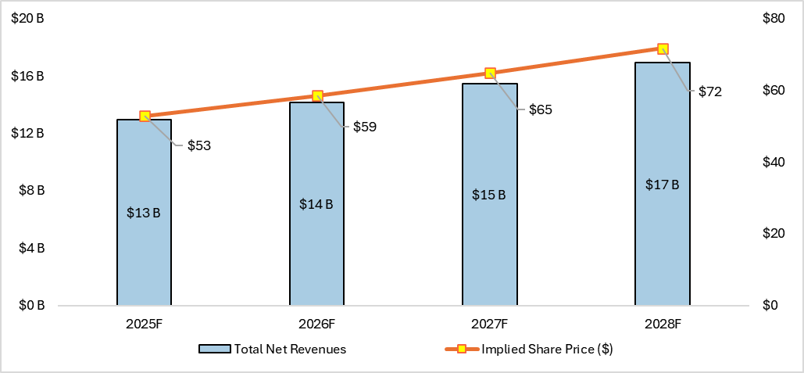
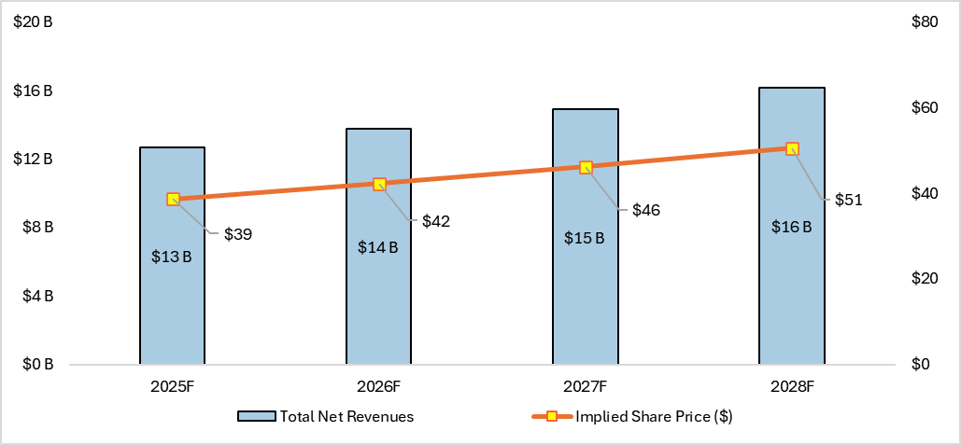
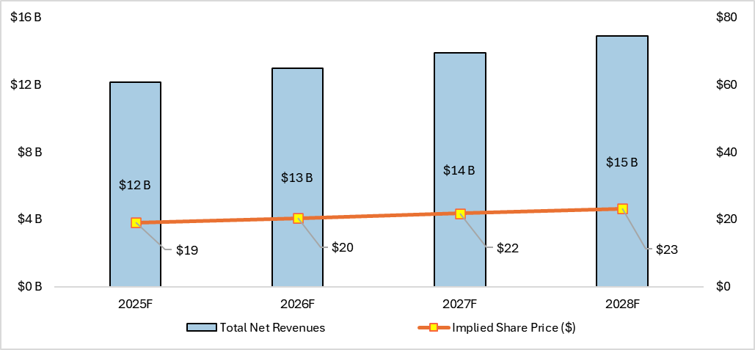

 | Bull - Strong revenue growth and share price rise from new stores and sales |  |  |  | Base - Moderate revenue growth and steady share price increase over time |  |  |  | Bear - Slow revenue growth and minimal share price increase
 | Earnings Per Share (EPS - 2028) = $ 2.0 |  |  |  | Earnings Per Share (EPS - 2028) = $ 1.7 |  |  |  | Earnings Per Share (EPS - 2028) = $ 1.2
 | Implied Share Price (2028) = $ 71.8 |  |  |  | Implied Share Price (2028) = $ 50.5 |  |  |  | Implied Share Price (2028) = $ 23.2
 | Historical Performance & Store Trends

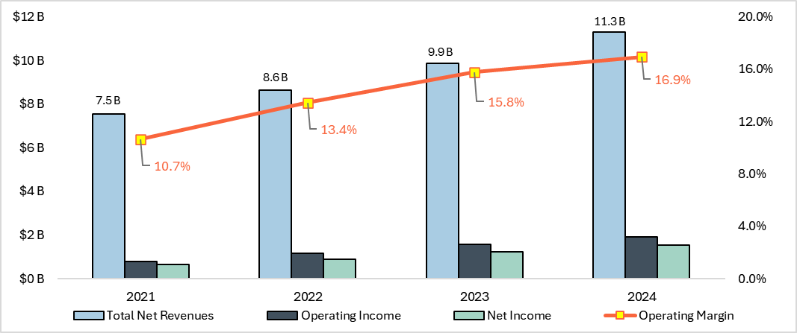
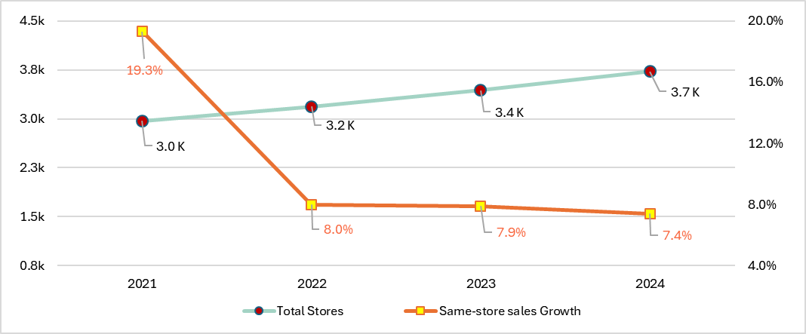

 |  |  | Financial Performance — Revenues, Operating Income & Margins (FY21–FY24) |  |  |  |  | Store Expansion vs Same-Store Sales (FY21–FY24)
 |  |  | Revenue growth through FY24 driven by strong comp store recovery; margin expansion led by operating leverage |  |  |  |  | Rapid store additions increase footprint while comps are softening — watch for margin dilution risk
 |  |  | Revenue Per Store (2024) = $ 3.04 M |  |  |  |  | Net New Stores (2024) = 289
 |  |  | Operating Margin (2024) = 16.9% |  |  |  |  | Same-Store Sales YoY (2024) = 7.4%

Workings
CHIPOTLE MEXICAN GRILL, INC. - HISTORICAL FINANCIAL DATA
Parameters ($M) | 2021 | 2022 | 2023 | 2024
Total Net Revenues | 7,541.1 | 8,634.7 | 9,871.6 | 11,313.9
Revenue Growth | - | 14.5% | 14.3% | 14.6%
Operating Income | 804.9 | 1,160.4 | 1,557.8 | 1,916.3
Net Income | 653.0 | 899.1 | 1,228.7 | 1,534.1
Operating Margin | 10.7% | 13.4% | 15.8% | 16.9%
Net Margin | 8.7% | 10.4% | 12.4% | 13.6%
Total Stores | 2,966 | 3,187 | 3,437 | 3,726
Net new Stores | - | 221 | 250 | 289
Same-store sales Growth | 19.3% | 8.0% | 7.9% | 7.4%
Diluted Shares (M) | 1,426 | 1,403 | 1,386 | 1,377
EPS ($) | 0.46 | 0.64 | 0.89 | 1.11

 |  |  |  |  |  | Chipotle Mexican Grill Financial Performance: Revenues, Income & Margins (FY21–FY24)

 |  |  |  |  |  | Store expansion vs. same-store sales: Increasing footprint, weakening comps
 |  |  |  |  |  | “Global comps = YoY comparable store sales growth (excl. store openings).”

Parameter | Best Case | Base Case | Worst Case | Notes
Store Count Growth | 9.3% | 8.4% | 7.0% | Management guides 315–345 company-owned openings in 2025; Best uses upper-end + multi-year acceleration, Base uses midpoint steady rollout, Worst assumes slower execution/permits that reduce openings.
Same-Store Sales Growth | 5.2% | 3.7% | 0.4% | Management expects low-to-mid single-digit comps for 2025; Best assumes sustained traffic + check gains, Base takes the mgmt midpoint, Worst assumes traffic stagnation and minimal check improvement.
Total Revenue Growth (derived) | 14.5% | 12.1% | 7.4% | Calculated as Store Growth % + Same-Store % (per your method). Best = both high unit adds + strong comps; Base = midpoint openings + low-mid comps; Worst = both weaker. Note: 10-K shows revenue decomposed into comps vs restaurants not in the comparable base.
Operating Margin | 19.3% | 17.4% | 14.3% | 2024 op margin ≈ 16.9% (anchor). Best assumes scale/Chipotlane productivity and favorable input trends; Base assumes modest leverage offset by continued investments; Worst assumes cost inflation and weaker sales leverage compress margins.
Net Margin | 15.4% | 13.9% | 11.4% | Derived by applying the historical net / operating relationship (~0.80 observed in 2024) so below-op items (tax/interest) remain consistent and differences reflect operating performance.
Diluted Shares YoY change (%) | -1.3% | -0.8% | +0.2% | 10-K discloses material Q4-2024 repurchases and available authorization (~$1.0bn remaining); Best assumes accelerated repurchases, Base assumes steady cadence, Worst assumes buyback pause (preserve liquidity) → slight dilution.
P/E Multiple | 36 x | 30 x | 19 x | Analyst input (not filed): Base uses historical premium for a high-margin growth operator; Best assumes re-rating with execution and higher visibility; Worst assumes market multiple compression under weaker growth/macroeconomic stress.

Parameter | 2025F | 2026F | 2027F | 2028F | 1
Total Net Revenues | 12,954.4 | 14,159.2 | 15,476.0 | 16,915.2
Operating Income | 2500.2 | 2732.7 | 2986.9 | 3264.6
Net Income | 1995.0 | 2180.5 | 2383.3 | 2604.9
Diluted Shares (M) | 1,359 | 1,341 | 1,324 | 1,306
Implied Share Price ($) | 52.9 | 58.5 | 64.8 | 71.8
EPS ($) | 1.5 | 1.6 | 1.8 | 2.0
Best Case
Base Case
Worst Case

 |  |  |  |  |  |  | Chipotle Mexican Grill Forecast – Best Case

