Bug Report
Highrich

Verified By : |  |  |  | Tested By : Sreehari P
OS : Windows 10 Browser: Chrome |  |  |  | Date : 14-09-2023
BUG ID | Expected Result | Actual Result | Steps to Recreate | Screenshot | Severity | Priority | Status
DEF_HR_01 | Home Page should have been made more attractive | Home page is not so Attractive | 1.Open Highrich.net website |  | Enhancement | Low | New
DEF_HR_02 | Save upto 20% is only required | Save upto 10% to 20% is given | 1.Open Highrich.net website |  | Enhancement | Low | New
DEF_HR_03 | No need of Free Registration link while there is a Registration link available | Free registration and Registration links are available, both links redirects to same page | 1.Open Highrich.net website |  | Enhancement | Low | New
DEF_HR_04 | FAQ page opens on clicking the link | Current page opens on clicking the link | 1.Open Highrich.net website 2. Click on FAQ |  | Major | High | New
DEF_HR_05 | Specials Page opens on clicking the link | Current page opens on clicking the link | 1.Open Highrich.net website 2. Click on Specials |  | Major | Low | New
DEF_HR_06 | Help Centre Page opens on clicking the link | Current page opens on clicking the link | 1.Open Highrich.net website 2. Click on Help Centre |  | Major | High | New
DEF_HR_07 | Mail App opens on clicking the mail Id | Current page opens on clicking the link | 1.Open Highrich.net website 2. Click on mail id given |  | Major | Medium | New
DEF_HR_08 | Social Media websites opens on clicking their respective icons | Current page opens in new tabs on clicking the icons | 1.Open Highrich.net website 2. Click on mail id given |  | Major | Medium | New
DEF_HR_09 | Less than 8 characters should not be accepted in username field in login page | Less than 8 characters are Accepted | 1. Open Highrich.net website 2.Open Login Page 3. Click on Username | 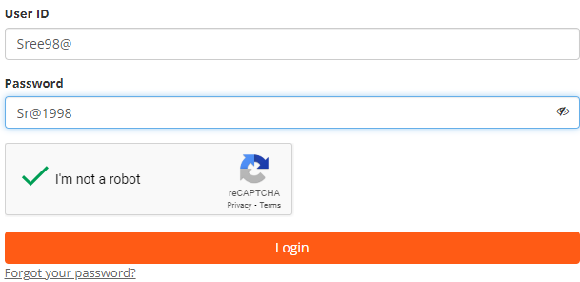 | Major | High | New
DEF_HR_10 | Alpha numeric characters should not be accepetd in username field | Alpha numeric characters are accepted in username field | 1. Open Highrich.net website 2.Open Login Page 3. Click on Username |  | Major | High | New
DEF_HR_11 | Less than 8 characters should not be accepted in password field in login page | No message is shown for minimum characters and password is accepted | 1. Open Highrich.net website 2.Open Login Page 3. Click on Password |  | Major | High | New
DEF_HR_12 | Message should be shown properly on trying to login with wrong credentials | Message is shown, but disappears within fraction of seconds that it can't be read properly | 1. Open Highrich.net website 2.Open Login Page 3. Give wrong Credentials 4.Click Login |  | Enhancement | High | New
DEF_HR_13 | Non Registered Mobile number should not be accepted in forgot user id option | Phone number is Accepted | 1. Open Highrich.net website 2.Open Login Page 3. Click forgot user id 4.Click phone number field 5.Click send By SMS | 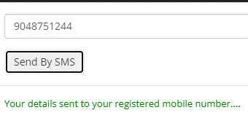 | Major | High | New
DEF_HR_14 | Less than 8 characters should not be accepted in name field in registration page | Less than 8characters are accepted | 1. Open Highrich.net website 2.Open Registration Page 3. Click on name field |  | Major | High | New
DEF_HR_15 | numbers should not be accepted in name field in registration page | Numbers are accepted | 1. Open Highrich.net website 2.Open Registration Page 3. Click on name field |  | Major | High | New
DEF_HR_16 | Alpha numericals should not be accepted in name field in registration page | Alpha numericals are accepted | 1. Open Highrich.net website 2.Open Registration Page 3. Click on name field |  | Major | High | New
DEF_HR_17 | Alpha numericals should not be accepted in PAN/National Id field in registration page | Alpha numericals are accepted | 1. Open Highrich.net website 2.Open Registration Page 3. Click on PAN/National Id field |  | Minor | Low | New
DEF_HR_18 | Less than 8 characters should not be accepted in Address field in registration page | Less than 8 characters are accepted | 1. Open Highrich.net website 2.Open Registration Page 3. Click on address field |  | Major | High | New
DEF_HR_19 | More than 10 digits should not be accepted as mobile number | More than 10 digits are accepted | 1. Open Highrich.net website 2.Open Registration Page 3. Click on mobile number field |  | Minor | Medium | New
DEF_HR_20 | Less than 8 characters should not be accepted in Email field in registration page | Less than 8 characters are accepted | 1. Open Highrich.net website 2.Open Registration Page 3. Click on Email field |  | Major | Medium | New
DEF_HR_21 | More than 6 digits should not be accepted in Zip Code field | More than 6 digits are accepted | 1. Open Highrich.net website 2.Open Registration Page 3. Click on Zip Code field |  | Minor | Medium | New
DEF_HR_22 | Home page should open on clicking Home link in Registration Page | Link redirects to non non existing page | 1. Open Highrich.net website 2.Open Registration Page 3. Click on Home link |  | Critical | High | New
DEF_HR_23 | Title should have been given for HR Family meet instead of Button | Button given for HR Family Meet, but no links are connected to it | 1. Open Highrich website 2.Open Gallery Page 3. Click on HR Family Meet 4.Click on HR Family Meet Button |  | Enhancement | Low | New
DEF_HR_24 | Title should have been given for HR Fashion Week instead of Button | Button given for HR Fashion Week, but no links are connected to it | 1. Open Highrich website 2.Open Gallery Page 3. Click on HR Fashion Week 4.Click on HR Fashion Week Button |  | Enhancement | Low | New
DEF_HR_25 | Products Page should open on clicking Global products | Products home page is opening on clicking the link | 1. Open Highrich website 2.Open Repurchase link 3. Click on global products |  | Major | High | New
DEF_HR_26 | All links under About menu should work properly | Careers & Agencies links are redirecting to repurchase page | 1. Open Highrich website 2.Open Repurchase link 3. Click on links under about menu |  | Major | High | New
DEF_HR_27 | All links under Help Menu should work Properly | Payments,FAQ, Cancellation&Shipping links redirecting to repurchase page | 1. Open Highrich website 2.Open Repurchase link 3. Click on links under Help menu | 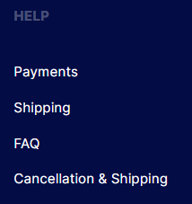 | Major | High | New
DEF_HR_28 | Only one link is needed for shipping | There are 2 links which redirects to shipping pilicy page | 1. Open Highrich website 2.Open Repurchase link 3. Scroll to bottom | 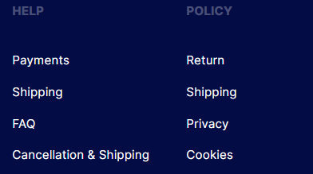 | Minor | Medium | New
DEF_HR_29 | Less than 8 characters should not be accepted in Name field in Contact us window | Less than 8 characters are Accepted | 1. Open Highrich.net website 2.Click on Contact Us 3. Click on name field |  | Major | High | New
DEF_HR_30 | numbers should not be accepted in name field in Contact us window | Numbers are accepted | 1. Open Highrich.net website 2.Click on Contact Us 3. Click on name field |  | Major | Medium | New
DEF_HR_31 | Alpha numericals should not be accepted in name field in Contact us window | Alpha numericals are accepted | 1. Open Highrich.net website 2.Click on Contact Us 3. Click on name field |  | Major | Medium | New
DEF_HR_32 | More than 10 digits should not be accepted as mobile number in contact us window | More than 10 digits are accepted | 1. Open Highrich website 2.Click on Contact Us 3. Click on mobile number field |  | Major | Low | New
DEF_HR_33 | Less than 8 characters should not be accepted in Highrich ID field in Contact us window | Less than 8 characters are Accepted | 1. Open Highrich.net website 2.Click on Contact Us 3. Click on Highrich ID field |  | Major | High | New
DEF_HR_34 | Alpha numericals should not be accepted in Highrich ID field in Contact us window | Alpha numericals are accepted | 1. Open Highrich.net website 2.Click on Contact Us 3. Click on Highrich ID field |  | Major | Medium | New
DEF_HR_35 | Less than 20 characters should not be accepted in Query field in Contact us window | Less than 20 charcters accepted | 1. Open Highrich.net website 2.Click on Contact Us 3. Click on Query field |  | Major | High | New
DEF_HR_36 | Files should be downloaded on clicking the button under Download Documents in About Us Page | Redirecting to Non existing Web Page | 1. Open Highrich.net website 2.Click on About Us 3. Click on Button under Download documents |  | Critical | High | New
DEF_HR_37 | Certificate should be downloaded on clicking the button under TAN Certificate in About Us Page | Redirecting to Non existing Web Page | 1. Open Highrich.net website 2.Click on About Us 3. Click on Button under TAN Certificate |  |  |  | New
DEF_HR_38 | Title should have been given for Company Certified As meet instead of Button | Button given for Company Certified As, but no links are connected to it | 1. Open Highrich.net website 2.Click on Certificates 3. Click on Company Certified as Button |  | Enhancement | Low | New
DEF_HR_39 | Title should have been given for Registration Credentials instead of Button | Button given for Registration Credentials, but no links are connected to it | 1. Open Highrich.net website 2.Click on Certificates 3. Click on Registration Credentials Button |  | Enhancement | Low | New
DEF_HR_40 | Title should have been given for Downloads instead of Button | Button given for Downloads, but no links are connected to it | 1. Open Highrich.net website 2.Click on Certificates 3. Click on Downloads Button |  | Enhancement | Low | New
DEF_HR_41 | No Need of Events&Galley link which directs to Galley page | Gallery and Events&Galley link directs to same page | 1. Open Highrich.net website |  | Enhancement | Low | New
DEF_HR_42 |  |  |  |  |  |  | New
DEF_HR_43 |  |  |  |  |  |  | New
DEF_HR_44 |  |  |  |  |  |  | New
DEF_HR_45 |  |  |  |  |  |  | New
DEF_HR_46 |  |  |  |  |  |  | New
DEF_HR_47 |  |  |  |  |  |  | New
DEF_HR_48 |  |  |  |  |  |  | New
DEF_HR_49 |  |  |  |  |  |  | New
DEF_HR_50 |  |  |  |  |  |  | New

