TP-Link AXE300 (Sreean)
Security (50%) MODIFIED
Reference ID | Security Criteria | Measurement Criteria | Scoring Scale (0 - 10, Yes/No) | Result | Source | Notes
CL.OOB-006 | Default Credentials | Are default credentials required to be changed upon initial setup? | - 10 = Requires unique password on first use or uses randomized default | 10 | User Manual: web setup step 2 | Requires a unique pass,so no universal default login.
 |  |  | - 5 = Uses default password but prompts for optional change
 |  |  | - 0 = Uses default credentials on all similar models
CL.OOB-008 | Remote Access | Are the following remote features disabled by default (Telnet, SSH, FTP)? | - 10 = All remote management off by default | 10 | User Manual | All remote management interfaces are disabled by default (not openly accessible).
CL.NETS-005 |  |  | - 5 = Enabled but behind unique authentication (no default credentials)
 |  |  | - 0 = Exposed without security
CL.OOB-008 | Remote Access | Is UPnP disabled by defaualt? | - 10 = UPnP is disabled by default | 0 | https://community.tp-link.com/us/home/kb/detail/348#
 |  |  | - 5 = UPnP is enabled, but it cannot expose a device to the internet
 |  |  | - 0 = Enabled and can expose devices to the internet
CL.MI-007 | Admin Interface | Is the admin interface available externally? | - 10 = Admin interface can only be accessed via LAN by default | 10 | TP-Link User Guide (Remote Management setup)
 |  |  | - 5 = External admin access is optional, but lacks controls (IP allowlist, authentication is default creds)
 |  |  | - 0 = External admin access is enabled by default
CL.MI-005 | Admin Interface | Does the device include admin account lockouts? | - 5 = Admin interface logins are locked out after a specified number of failed attempts by default | 5 | https://community.tp-link.com/en/home/forum/topic/583728#
 |  |  | - 5 = Admin interface lockout is optional
 |  |  | - 0 = No lockout mechanism
CL.NETS-001 | Admin Interface | Does the router enforce HTTPS for admin access? | - 10 = HTTPS by default | 5 | https://community.tp-link.com/en/home/forum/topic/583728# | Partial. HTTP is the default for local management, though HTTPS is supported
 |  |  | - 5 = HTTP default, HTTPS optional
 |  |  | - 0 = HTTP only
NVD.NIST.GOV | Known Vulnerabilities (CVE Count) | Publicly disclosed vulnerabilities in past 2 years | - 10 = 0 known critical CVEs OR critical CVEs patched within 3 months | 10 |  | none found in the DB
 |  |  | - 5 = 1–2 Critical CVEs with delayed patches
 |  |  | - 0 = Any unresolved or actively exploited CVEs greater than 3 months old
CL.NETA-002 | Encryption Support | WPA3 or WPA2-Personal Support | - 10 = WPA3 supported and enabled by default | 7 |  | Partial. WPA3-Personal is supported but not enabled by default. defaults to WPA2/WPA3 mixed or WPA2-only for compatibility
IMDA.4.5.2.4.1 |  |  | - 7 = WPA3 optional, WPA2-Personal Enabled by Default
 |  |  | - 5 = WPA2-Personal optional, not enabled by default
 |  |  | - 0 = Wireless access enabled by default with no protection
CL.SBOM-010 | Firmware Update Frequency | Number of security updates per year | - 10 = ≥4 security updates per year | 7 | https://www.tp-link.com/us/support/download/archer-axe300/#Firmware | 1-2 updaets per year
 |  |  | - 7 = 1–3 updates per year
 |  |  | - 3 = Updates only after critical CVEs
 |  |  | - 0 = No update history or no known updates
IMDA.4.3.g | Automatic Security Updates | Does the router support automatic security updates? | - 10 = Enabled by default | 7 | https://www.manua.ls/tp-link/archer-axe300/manual | upported but not default. The router can auto-update its firmware, but this is not enabled by default.
IMDA.4.3.a |  |  | - 7 = Automatic updates can be enabled, but is not on by default
 |  |  | - 3 = Updates are manual
 |  |  | - 0 = No update mechanism or updates require complicated process (find firmware and upload via USB, etc.)
IMDA.4.3.15.1 | Firewall | Is the firewall enabled by default? | - 10 = Stateful firewall enabled by default, denies all inbound connections | 10 |  | firewall/NAT is enabled by default
 |  |  | - 7 = Firewall enabled but allows some inbound connections by default
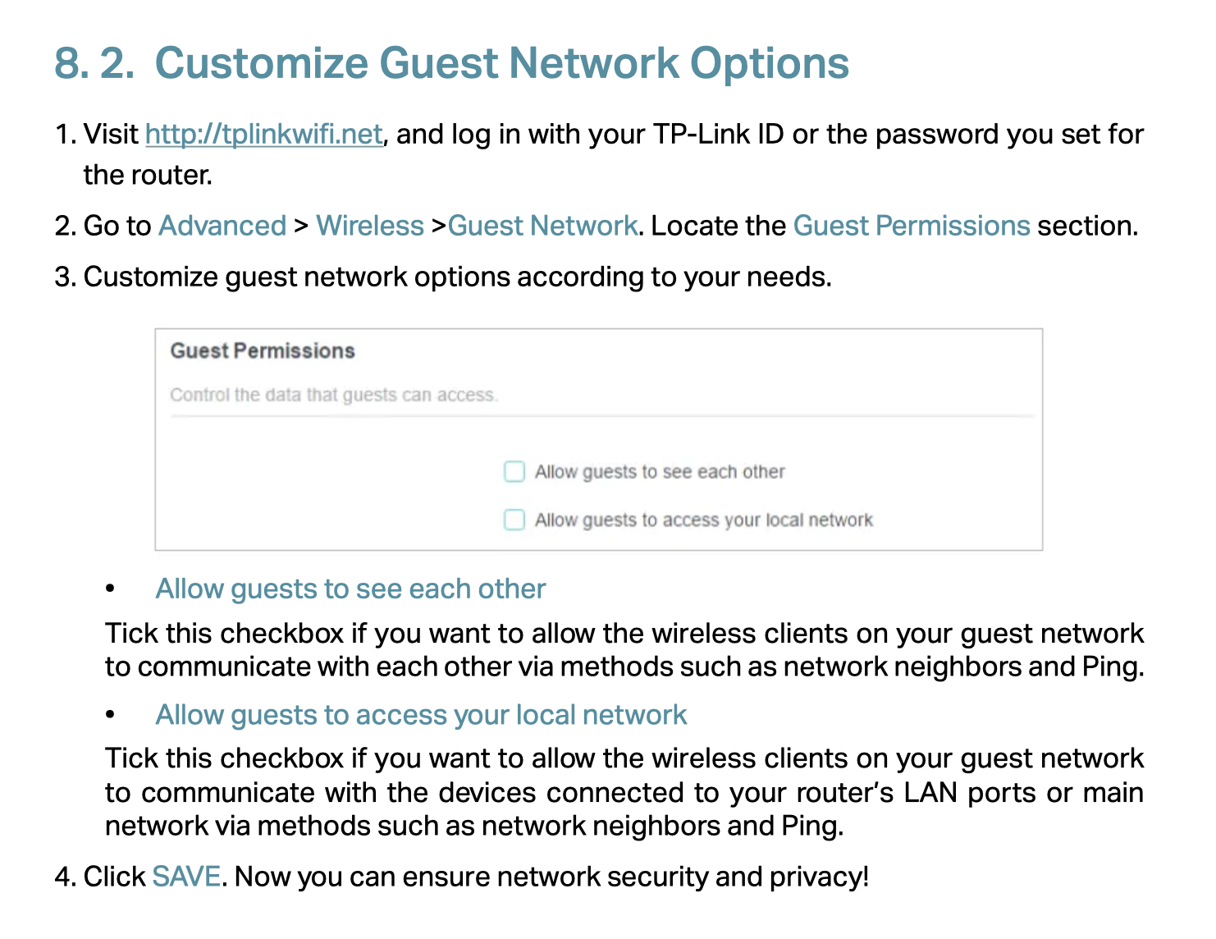
 |  |  | - 3 = Disabled by default, but optional to enable
 |  |  | - 0 = No firewall or exposed ports
 | Network Isolation | Does the device support VLANs? | - 10 = VLANs are supported | 0 | https://www.manua.ls/tp-link/archer-axe300/manual?p=118 | does not offer configurable VLANs for LAN segmentation.
 |  |  | - 0 = No VLAN support

 | Network Isolation | Can the guest network be isolated from the main network? | - 10 = Guest network enabled by default, isolated | 5 | https://www.manua.ls/tp-link/archer-axe300/manual?p=118 | Guest Network capability is supported (with client isolation from main network), but it’s not enabled by default.
 |  |  | - 5 = Guest network with isolation is optional (VLANs will allow this if multiple SSIDs can be created and attached to a VLAN)
 |  |  | - 0 = No isolation possible
 | Encryption Support | Does the device support encryption at rest? | - 10 = Device contents are encrypted at rest | 0 |  | it isnt mentioned anywhere but this is a great feature and if supported, the publisher obviously wants to mention it.
 |  |  | - 0 = Device contents are not encrypted at rest

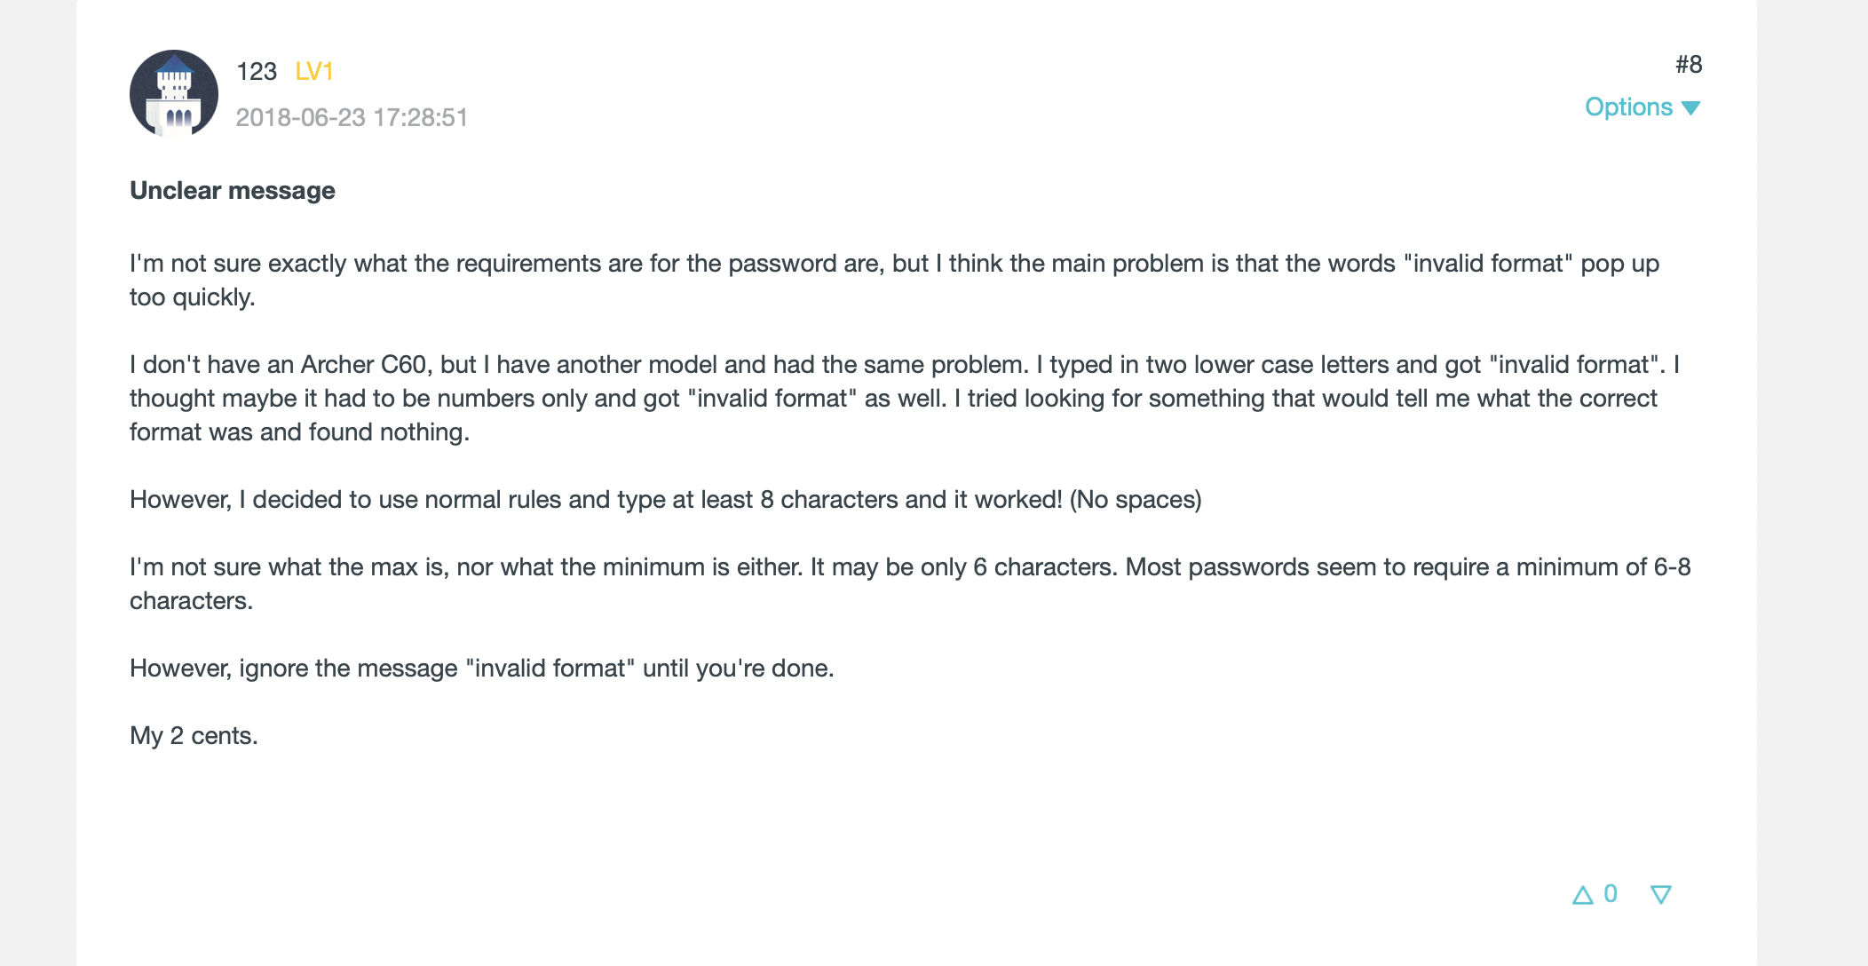
 | Lifecycle | Does the device support securely wiping or restoring default settings? | - 10 = Device contents can be reset to factory settings | 10
 |  |  | - 0 = Device contents cannot be reset to factory settings

 | Admin Interface | Does the admin password require 8 characters minimum? | - 10 = 8 characters or more are required for the admin password | 0
 |  |  | - 0 = 7 characters or less are required for the admin password

 | Network Isolation | Does the device support a DMZ? | - 10 = Yes | 10
 |  |  | - 0 = No

 | Firewall | Does the device support parental controls? | - 10 = Yes | 10 |  | The Archer AXE300 includes parental control features (via TP-Link HomeShield)
 |  |  | - 0 = No

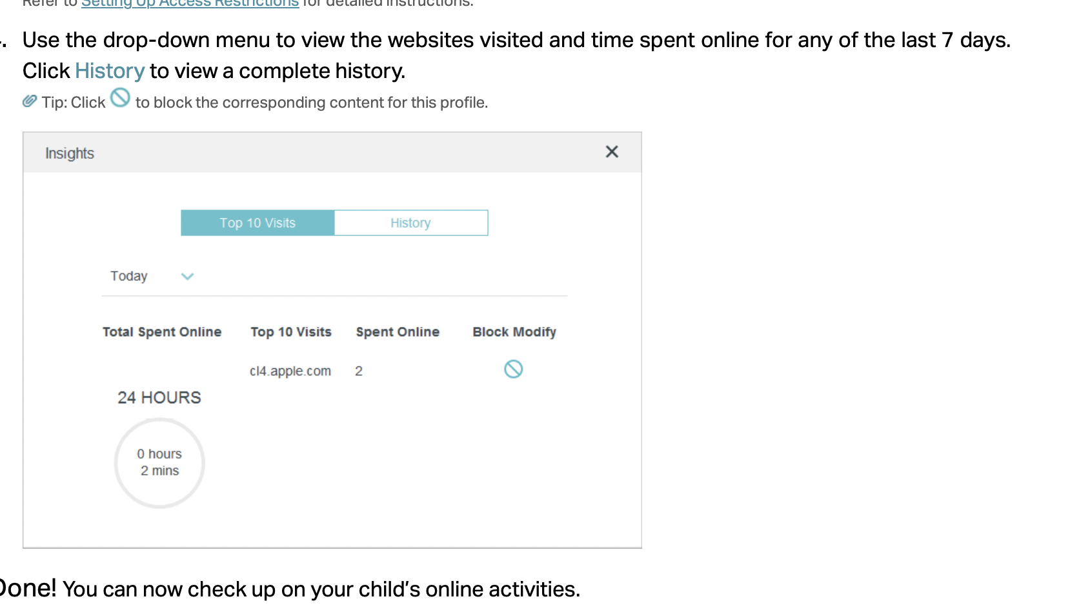
CL.LOG-001 | Logging | Does the device log important events? • multiple failed login attempts, • change of an administrative and/or user password, • change in the firewall rules, • change in the DNS or other network configuration, and • a process or service exits abruptly | - 10 = All listed logs are collected | 3 |  | activity log is available but time password changes and firewall rule changes are not avialable for end users or for admins.
 |  |  | - 7 = At least 3 of the listed logs are collected
 |  |  | - 3 = At least 1 of the listed logs are collected
 |  |  | - 0 = No lockout mechanism
 |  |  | Total Security Score | 119
Usability (17%)
IMDA.GEN.OPS.10A67:G96G61A67:G106A67:G99A67:G102A67:G103A67:G104A67:G107 | Setup Time | Is the device self-installable by an end user in under 20 minutes assuming the default configuration and mode of operation? | - 10 = ≤15 minutes with app or guide | 10
 |  |  | - 5 = 15–30 minutes
 |  |  | - 0 = >30 minutes or unclear steps
IMDA.GEN.OPS.4 | Lifespan | Is the life expectancy of the router at least 7 years? | - 10 = >5 years support & updates | 5
 |  |  | - 5 = 2–4 years support & updates
 |  |  | - 0 = <2 years or discontinued
IMDA. GEN.OPS.11 | Drivers | Are additional drivers other than networking drivers required for full and proper use of the device? | (Yes = 0, No = 10) | 10
IMDA. GEN.OPS.19 | Website Support | Is there a web site where firmware updates and documentation are available? | - 10 = Full guides, manuals, and FAQ available | 10
 |  |  | - 5 = Limited content or out of date
 |  |  | - 0 = No official support docs
 |  |  | Total Usability Score | 35
Performance (25%)
PERF.1 | Wi-Fi Speed | Maximum download & upload speeds | - 10 = Matches or exceeds ISP plan reliably | 10
 |  |  | - 7 = 60–80% of plan speeds
 |  |  | - 3 = 40-60% of plan speeds
 |  |  | - 0 = < 40% of plan speed
PERF.2 | Signal Strength | Check user-reported Wi-Fi range & RSSI at distances | - 10 = <= -30 dbm | 10
 |  |  | - 5 = > -30 dbm and < -80 dbm
 |  |  | - 0 = > -80 dbm
PERF.3 | Latency & Jitter | What are the increased ping times in ms? | - 10 = 10ms | 10
 |  |  | - 5 = 10–100ms
 |  |  | - 0 = >100ms
PERF.4 | Multi-Device Handling | Can it handle multiple devices without slowdown? | - 10 = 10 or more devices with no slowdown | 10 |  | Tech reviews show low latency & strong multi-device performance - Score: 9/10
 |  |  | - 5 = Moderate slowdown with 10 or more devices
 |  |  | - 0 = Chokes with 5 or more devices
 |  |  | Total Performance Score | 40
Cost & Value (8%)
 | Router Rental Fee | What is the monthly cost vs. purchase option? | - 10 = No cost or <$5/month | 0 |  | $600 is insane.
 |  |  | - 5 = $6–10/month
 |  |  | - 0 = >$10/month
 | Buyout Option | Can users purchase the router outright? | - 10 = Full ownership or third-party router allowed | 10
 |  |  | - 5 = Only ISP approved models
 |  |  | - 0 = Locked to ISP rental only
 | Hidden Fees | Are there additional costs? (e.g. services fees) | - 10 = No surprise costs | 5
 |  |  | - 5 = Some service/activation fees
 |  |  | - 0 = Frequent hidden charges
 |  |  | Total Cost Score | 15

Final Score: | Total Score=(Security Score×0.40)+(Usability Score×0.20)+(Performance Score×0.30)+(Cost Score×0.10) | (6.26×0.40) + (8.75×0.20) + (10.00×0.30) + (5.00×0.10) | Final score - 7.5
Additional Notes

