Test 1 2024-05-17
Scope
Name of Test Specification used |  | PSM1TS.xlsm
Revision of Test Specification used |  | 1.1
Name of the Module under Test |  | PSM - Power Sequence Manager
Version Label of the Module under Test |  | Gtest Branch: https://github-vni.geo.conti.de/cds/sw.pkg.em_psm/commit/afaf742c6c6bce2b02819d0a37a11cbf850f2210
Name and revision of the files under test: |  | afaf742c6c6bce2b02819d0a37a11cbf850f2210
Name and revision (or CM system label) of test frames used and additional test support files |  | N/A
Name and revision of SW-System used: |  | N/A
Module configuration
- Applied compiler switches: |  | N/A
- EEPROM settings: |  | N/A
Emulator type and revision |  | N/A
Microcontroller type and revision |  | N/A
IDE name and revision |  | N/A
Device Identification |  | N/A

Test Results Summary
Test Type: |  | FULL
Tester (Name): |  | Akshat Kumar
Test Date: |  | 2024-05-17
Test Scope (Tests carried out): |  | Test ID
(fill in Test IDs, if Test Scope = Test IDs): |  | UT1-UT14
Test execution time |  | 2.2s | overall time per test (in hours)
Number of executed Test Cases: |  | 81
Number of Errors (Issues) |  | 0
Number of Minor Deviations |  | 0
Test Result: |  | Passed
Test Coverage |  | C1: (branch coverage in %) | 99.00%
comment: (optional, e.g. if defined in SW Master Test Plan) |  | N/A
List of problems
Test ID | Test Case ID | Problem Description |  | Issue ID

Reasons for insufficient test coverage
Filename | Line(s) of code /function name | Reason
psm_internal.c | Psm__enSeqStateM(), line num 337 | 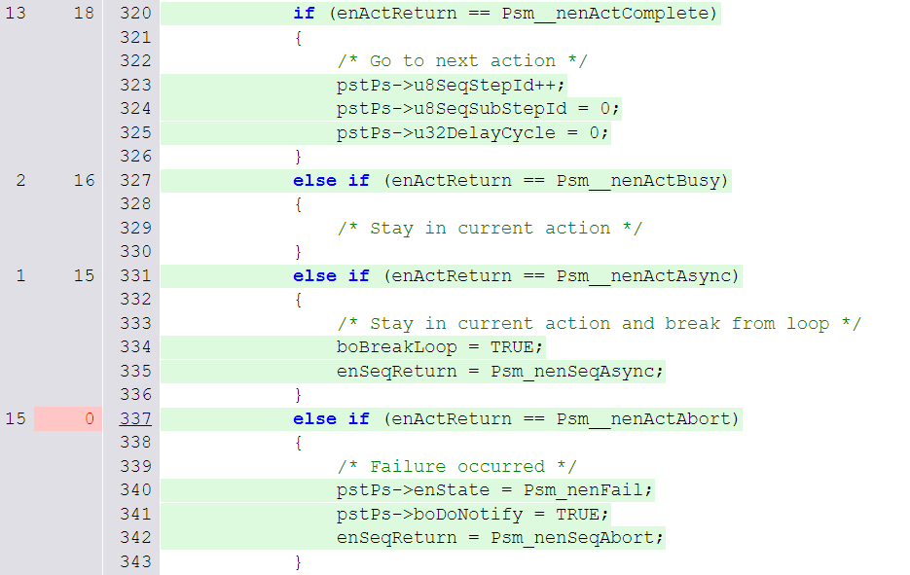 False condition cant be achieved as for all other condition in the enum (Psm_tenSeqReturn) have separate else if so if we pass anything else than abort i.e. either Complete or Busy or Async it will go to some other else if.

Additional information
If the SW Master Test Plan demands to report Static Code Analysis results for each module in the respective SW Module Test Report, then fill in the table below. If not demanded in SMTP, this table can be deleted.
Filename | yes | no | Comment
All Static Code Analysis Warnings of this module with levels 6 and higher have been analysed and corrected or commented according to SMTP
All Static Code Analysis Warnings of this module with level 5 have been analysed and no critical warnings have been identified

If the SW Master Test Plan demands to report Product Metric deviations for each module in the respective SW Module Test Report, then fill in the table below. If not demanded in SMTP, this table can be deleted.
Filename | yes | no | Comment
All violations of Product Metric warning limits as defined in SMTP have been corrected or commented in Product Metric Sheet

Data for PVV Status
Test number | Project | Sample Phase | Discipline | Test Level | Test Type | Description | Test Object | Test Responsible | Planned Start Date | Actual Start Date | Planned End Date | Actual End Date | Test Status | Test Result | Test Execution Time [in hours] | Number of Test Cases | Number of Errors (Issues) | Number of Minor Deviations | Code Coverage | Remark
 |  |  | SW | MT | FULL |  | Gtest Branch: https://github-vni.geo.conti.de/cds/sw.pkg.em_psm/commit/afaf742c6c6bce2b02819d0a37a11cbf850f2210 | Akshat Kumar |  |  |  | 2024-05-17 | EXE | Passed | 2.2s | 81 | 0 | 0 | 0.99

Test 2 2024-08-06
Scope
Name of Test Specification used |  | PSM1TS.xlsm
Revision of Test Specification used |  | 1.2
Name of the Module under Test |  | PSM - Power Sequence Manager
Version Label of the Module under Test |  | Gtest Branch: https://github-vni.geo.conti.de/cds/sw.pkg.em_psm/commit/8624fa2393f7e846cd4355bd0f4628bc5becb8ab
Name and revision of the files under test: |  | 8624fa2393f7e846cd4355bd0f4628bc5becb8ab
Name and revision (or CM system label) of test frames used and additional test support files |  | N/A
Name and revision of SW-System used: |  | N/A
Module configuration
- Applied compiler switches: |  | N/A
- EEPROM settings: |  | N/A
Emulator type and revision |  | N/A
Microcontroller type and revision |  | N/A
IDE name and revision |  | N/A
Device Identification |  | N/A

Test Results Summary
Test Type: |  | FULL
Tester (Name): |  | Akshat Kumar
Test Date: |  | 2024-08-06
Test Scope (Tests carried out): |  | Test ID
(fill in Test IDs, if Test Scope = Test IDs): |  | UT1-UT14
Test execution time |  | 1.52s | overall time per test (in hours)
Number of executed Test Cases: |  | 81
Number of Errors (Issues) |  | 0
Number of Minor Deviations |  | 0
Test Result: |  | Passed
Test Coverage |  | C1: (branch coverage in %) | 89.00%
comment: (optional, e.g. if defined in SW Master Test Plan) |  | N/A
List of problems
Test ID | Test Case ID | Problem Description |  | Issue ID

Reasons for insufficient test coverage
Filename | Line(s) of code /function name | Reason
psm_internal.c | Psm__enSeqStateM(), line num 337 | False condition cant be achieved as for all other condition in the enum (Psm_tenSeqReturn) have separate else if so if we pass anything else than abort i.e. either Complete or Busy or Async it will go to some other else if.
psm_api.c, psm_internal.c |  | 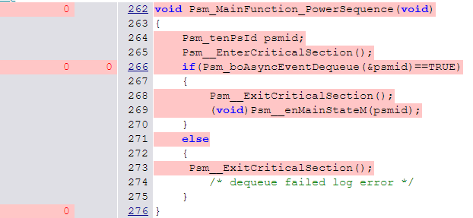 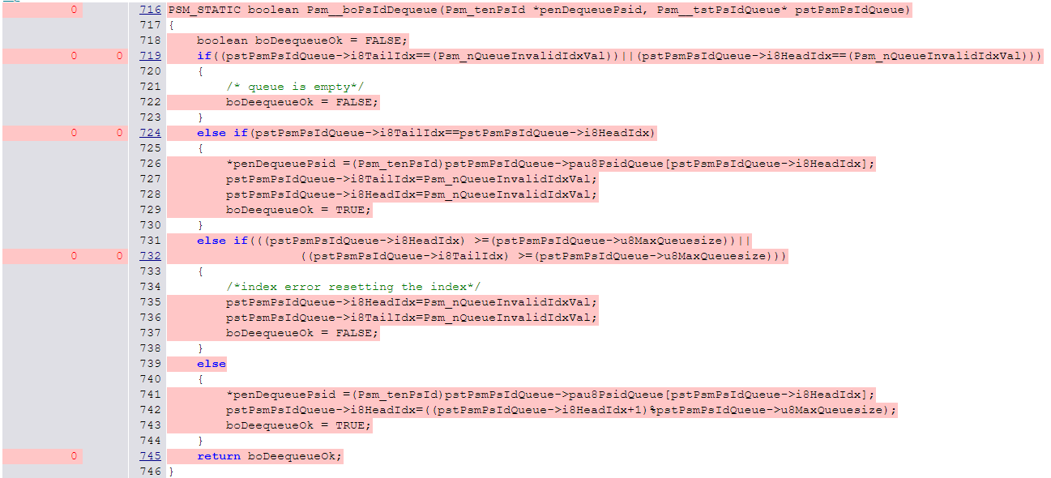 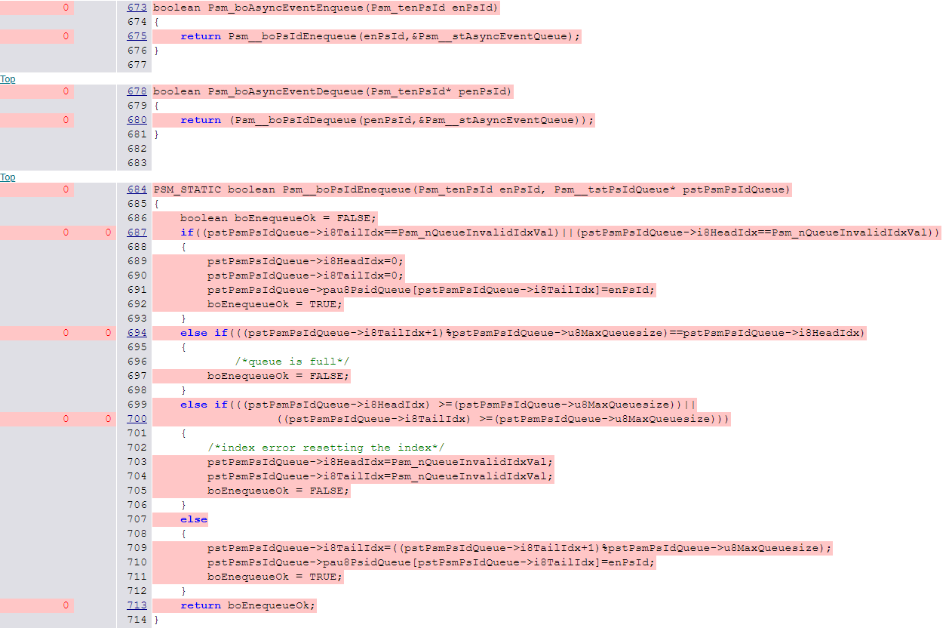 Below code is not covered as these are latest code changes and will be taken care in upcoming ticket

Additional information
If the SW Master Test Plan demands to report Static Code Analysis results for each module in the respective SW Module Test Report, then fill in the table below. If not demanded in SMTP, this table can be deleted.
Filename | yes | no | Comment
All Static Code Analysis Warnings of this module with levels 6 and higher have been analysed and corrected or commented according to SMTP
All Static Code Analysis Warnings of this module with level 5 have been analysed and no critical warnings have been identified

If the SW Master Test Plan demands to report Product Metric deviations for each module in the respective SW Module Test Report, then fill in the table below. If not demanded in SMTP, this table can be deleted.
Filename | yes | no | Comment
All violations of Product Metric warning limits as defined in SMTP have been corrected or commented in Product Metric Sheet

Data for PVV Status
Test number | Project | Sample Phase | Discipline | Test Level | Test Type | Description | Test Object | Test Responsible | Planned Start Date | Actual Start Date | Planned End Date | Actual End Date | Test Status | Test Result | Test Execution Time [in hours] | Number of Test Cases | Number of Errors (Issues) | Number of Minor Deviations | Code Coverage | Remark
 |  |  | SW | MT | FULL |  | Gtest Branch: https://github-vni.geo.conti.de/cds/sw.pkg.em_psm/commit/8624fa2393f7e846cd4355bd0f4628bc5becb8ab | Akshat Kumar |  |  |  | 2024-08-06 | EXE | Passed | 1.52s | 81 | 0 | 0 | 0.89

Test 3 2024-09-03
Scope
Name of Test Specification used |  | PSM1TS.xlsm
Revision of Test Specification used |  | 1.4
Name of the Module under Test |  | PSM - Power Sequence Manager
Version Label of the Module under Test |  | Gtest Branch: https://github-vni.geo.conti.de/cds/sw.pkg.em_psm/commit/61279f3d30864cedd0e638fd7d622fd7846b1cc6
Name and revision of the files under test: |  | 61279f3d30864cedd0e638fd7d622fd7846b1cc6
Name and revision (or CM system label) of test frames used and additional test support files |  | N/A
Name and revision of SW-System used: |  | N/A
Module configuration
- Applied compiler switches: |  | N/A
- EEPROM settings: |  | N/A
Emulator type and revision |  | N/A
Microcontroller type and revision |  | N/A
IDE name and revision |  | N/A
Device Identification |  | N/A

Test Results Summary
Test Type: |  | FULL
Tester (Name): |  | Akshat Kumar
Test Date: |  | 2024-09-05
Test Scope (Tests carried out): |  | Test ID
(fill in Test IDs, if Test Scope = Test IDs): |  | UT1-UT16
Test execution time |  | 1.40s | overall time per test (in hours)
Number of executed Test Cases: |  | 88
Number of Errors (Issues) |  | 0
Number of Minor Deviations |  | 0
Test Result: |  | Passed
Test Coverage |  | C1: (branch coverage in %) | 99.00%
comment: (optional, e.g. if defined in SW Master Test Plan) |  | N/A
List of problems
Test ID | Test Case ID | Problem Description |  | Issue ID

Reasons for insufficient test coverage
Filename | Line(s) of code /function name | Reason
psm_internal.c | Psm__enSeqStateM(), line num 337 | False condition cant be achieved as for all other condition in the enum (Psm_tenSeqReturn) have separate else if so if we pass anything else than abort i.e. either Complete or Busy or Async it will go to some other else if.
psm_abstract.c | Psm__vWriteDio(), line num 71 | 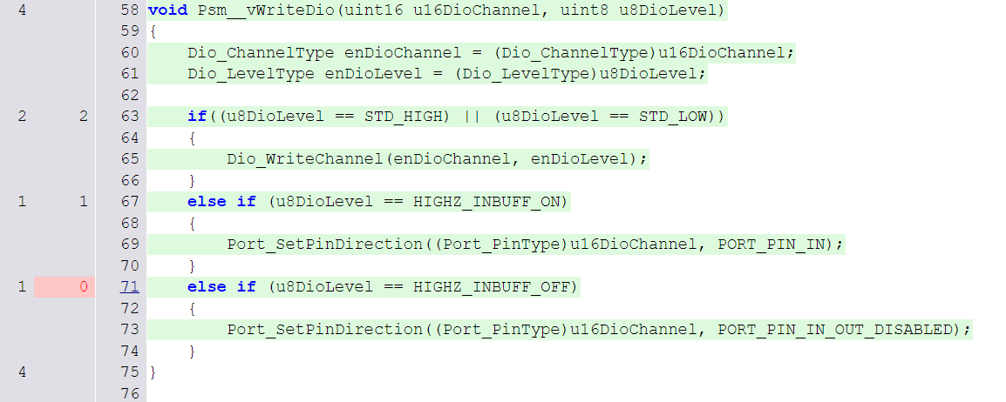 No else condition to go to next case in order to make it false
Additional information
If the SW Master Test Plan demands to report Static Code Analysis results for each module in the respective SW Module Test Report, then fill in the table below. If not demanded in SMTP, this table can be deleted.
Filename | yes | no | Comment
All Static Code Analysis Warnings of this module with levels 6 and higher have been analysed and corrected or commented according to SMTP
All Static Code Analysis Warnings of this module with level 5 have been analysed and no critical warnings have been identified

If the SW Master Test Plan demands to report Product Metric deviations for each module in the respective SW Module Test Report, then fill in the table below. If not demanded in SMTP, this table can be deleted.
Filename | yes | no | Comment
All violations of Product Metric warning limits as defined in SMTP have been corrected or commented in Product Metric Sheet

Data for PVV Status
Test number | Project | Sample Phase | Discipline | Test Level | Test Type | Description | Test Object | Test Responsible | Planned Start Date | Actual Start Date | Planned End Date | Actual End Date | Test Status | Test Result | Test Execution Time [in hours] | Number of Test Cases | Number of Errors (Issues) | Number of Minor Deviations | Code Coverage | Remark
 |  |  | SW | MT | FULL |  | Gtest Branch: https://github-vni.geo.conti.de/cds/sw.pkg.em_psm/commit/61279f3d30864cedd0e638fd7d622fd7846b1cc6 | Akshat Kumar |  |  |  | 2024-09-05 | EXE | Passed | 1.40s | 88 | 0 | 0 | 0.99

Test 6 2025-11-10
Scope
Name of Test Specification used |  | PSM1TS.xlsm
Revision of Test Specification used |  | 1.6
Name of the Module under Test |  | PSM - Power Sequence Manager
Version Label of the Module under Test |  | Gtest branch: https://github-ix.int.automotive-wan.com/cds/sw.pkg.em_psm/commit/290be1b561415b29111ac8faf53851f51d5afa24
Name and revision of the files under test: |  | 290be1b561415b29111ac8faf53851f51d5afa24
Name and revision (or CM system label) of test frames used and additional test support files |  | N/A
Name and revision of SW-System used: |  | N/A
Module configuration
- Applied compiler switches: |  | N/A
- EEPROM settings: |  | N/A
Emulator type and revision |  | N/A
Microcontroller type and revision |  | N/A
IDE name and revision |  | N/A
Device Identification |  | N/A

Test Results Summary
Test Type: |  | FULL
Tester (Name): |  | Adwiti H
Test Date: |  | 2025-11-10
Test Scope (Tests carried out): |  | Test ID
(fill in Test IDs, if Test Scope = Test IDs): |  | UT1-UT17
Test execution time |  | 18.016s | overall time per test (in hours)
Number of executed Test Cases: |  | 106
Number of Errors (Issues) |  | 0
Number of Minor Deviations |  | 0
Test Result: |  | Passed
Test Coverage |  | C1: (branch coverage in %) | 99.00%
comment: (optional, e.g. if defined in SW Master Test Plan) |  | N/A
List of problems
Test ID | Test Case ID | Problem Description |  | Issue ID

Reasons for insufficient test coverage
Filename | Line(s) of code /function name | Reason
psm_internal.c | Psm__enSeqStateM() | 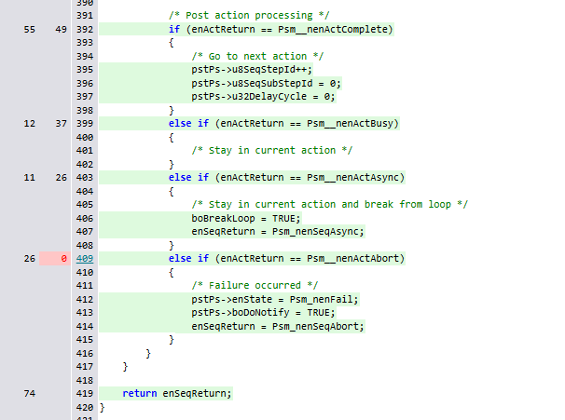 False condition cant be achieved as for all other condition in the enum (Psm_tenSeqReturn) have separate else if so if we pass anything else than abort i.e. either Complete or Busy or Async it will go to some other else if. below section of code in internal.c cannot be covered since it is internally calculated for API function: Psm_tenSeqReturn Psm__enSeqStateM(Psm_tenPsId enPsId)
Additional information
If the SW Master Test Plan demands to report Static Code Analysis results for each module in the respective SW Module Test Report, then fill in the table below. If not demanded in SMTP, this table can be deleted.
Filename | yes | no | Comment
All Static Code Analysis Warnings of this module with levels 6 and higher have been analysed and corrected or commented according to SMTP
All Static Code Analysis Warnings of this module with level 5 have been analysed and no critical warnings have been identified

If the SW Master Test Plan demands to report Product Metric deviations for each module in the respective SW Module Test Report, then fill in the table below. If not demanded in SMTP, this table can be deleted.
Filename | yes | no | Comment
All violations of Product Metric warning limits as defined in SMTP have been corrected or commented in Product Metric Sheet

Data for PVV Status
Test number | Project | Sample Phase | Discipline | Test Level | Test Type | Description | Test Object | Test Responsible | Planned Start Date | Actual Start Date | Planned End Date | Actual End Date | Test Status | Test Result | Test Execution Time [in hours] | Number of Test Cases | Number of Errors (Issues) | Number of Minor Deviations | Code Coverage | Remark
 |  |  | SW | MT | FULL |  | Gtest branch: https://github-ix.int.automotive-wan.com/cds/sw.pkg.em_psm/commit/290be1b561415b29111ac8faf53851f51d5afa24 | Adwiti H |  |  |  | 2025-11-10 | EXE | Passed | 18.016s | 106 | 0 | 0 | 0.99

