C# Constructors
Date | Work To Do: | Results | Initials
 | Interactive C# Fundamentals, Core Concepts and Patterns:Chapter 1: Object Oriented Programming Read pgs: 36-42
 | Interactive C# Fundamentals, Core Concepts and Patterns:Chapter 2: The Building Blocks: Class and Objects Read pgs 43-45 Write the program displayed on pg 46 in VS: just show to Aaditya to confirm and take his initials Read 46, 47 until Class Demonstrations
 | C# Material1 AdditionalStudy Read Pg 1, 2, 3 Write the Program in pg 4 Read pg 5
 | C# Material1 AdditionalStudy:Write program in pg 6 Read pg 7 Write the program on pg 7 and see the answer to confirm
 | Beginning C# Object-Oriented Programming: Read pg 88, 89, 90, 91 Write the program Pg 92, 93, 94, 95 until overloading methods
 | Beginning C# Object-Oriented Programming:Write and read the program pg 95, 96, 97, 98, 99, 100
 | Interactive C# Fundamentals, Core Concepts and Patterns:Read Class Demonstrations on pgs 47 Write the program displayed on pg 46 in Visual Studio: Show to Aaditya at the end to show that you wrote it.. Read 48 Write the program in Demonstration 1: Show to Aaditya to confirm you wrote it. Read pg 49, 50 and 51 until Demonstration 2 Render the three questions and Answers to Aaditya: 1. Tell us something more about constructors. 2. Constructors do not have any return type. With this statement, did you mean that their return type is void? 3. We are little bit confused about the use of a user-defined parameterless constructor and a C# provided default constructor. Both appear to be the same. Is there any key difference between them?
 | Interactive C# Fundamentals, Core Concepts and Patterns:Pg 51: Write the Demonstration 2 program in Visual Studio: Show to aaditya at the end. Read pg 52 Analysis, pg 53 Additional Comments, read 54(No need to render the answer) Render out loud the answers to the following questions: 1. Sir, it appears to us that we can call some methods to initialize those variables. Then why do we choose constructors? 2. Sir, which occurs first—field initializations or initialization through a constructor? Write the Quiz on pg 55.
 | Interactive C# Fundamentals, Core Concepts and Patterns::Read pgs 55-59(Don't Do Demonstration 3 yet) Understand the concepts. Explain to Aaditya..
 | Interactive C# Fundamentals, Core Concepts and Patterns::Write the Demonstration 3 on pg 59 and show it to Aaditya.. Read Analysis on pg 60-61 Explain to Aaditya. Render out loud the Points to Remember.
 | Interactive C# Fundamentals, Core Concepts and Patterns::Write the Demonstration 4 on pg 62 Read 63. Write the Demonstration 5 on pg 63 Read 64 Explain or show the Demo 4 and 5 to Aaditya
 | Interactive C# Fundamentals, Core Concepts and Patterns::Write the Demonstration 6 on pg 65, 66 Read Analysis on pg 67 Explain to Aaditya
 | Interactive C# Fundamentals, Core Concepts and Patterns::Write the Demonstration 7 on pg 68, 69 Read the analysis on pg 69, 70 Show and explain to Aaditya
 | Interactive C# Fundamentals, Core Concepts and Patterns::Exercise: Add a constructor to your class. Goal Add a constructor to your Animal class. Your constructor should pass in a string parameter named "sound". using System; public class Animal { public string Sound { get; set; } public void Speak() { Console.WriteLine("The dog says " + Sound); } } public class Program { public static void Main() { } } Answer the following questions in brief. 1. When a class constructor gets called? When we create an object of the class. 2. If you create 5 objects of a class, then how many time constructors will be called? Constructor will be called 5 times on creating 5 objects of the class. On every object creation a constructor gets called. 3. When you write a constructor, what return type do you write in constructor declaration? No need to write a return type in a constructor declaration. 4. Why do you use constructor? Constructor is used to initialize the class fields (class member variables) with default values / initial values.
 | 4. Why do you use constructor? Constructor is used to initialize the class fields (class member variables) with default values / initial values.
 | 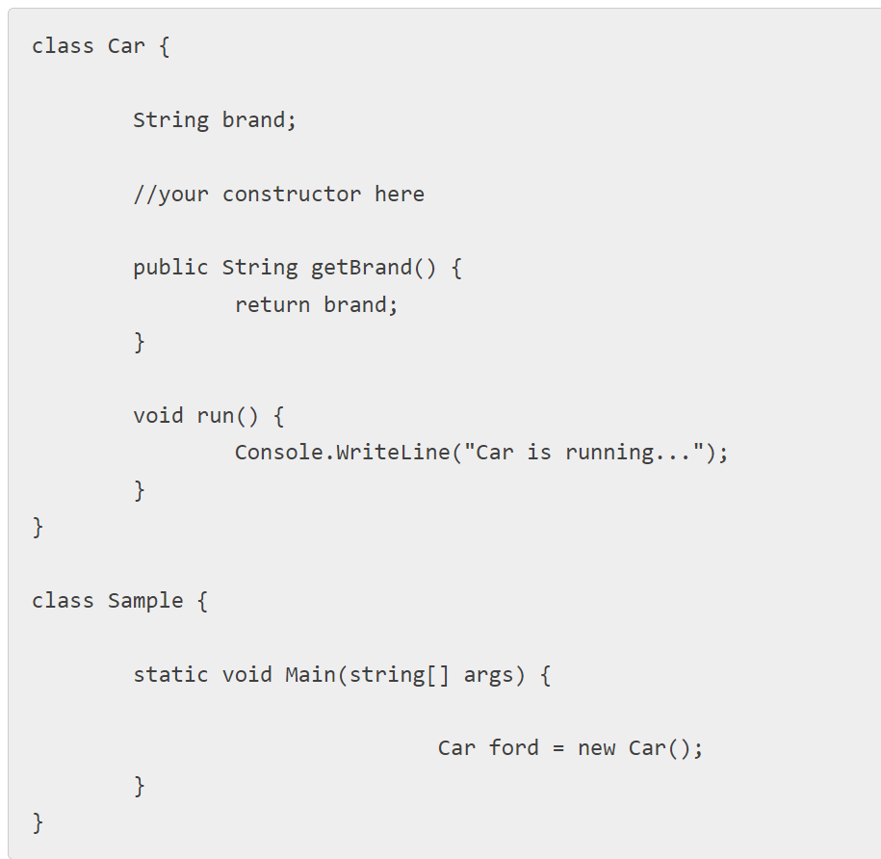 EXERCISE-2: Write a constructor in the Car class given below that initializes the brand class field with the string “Ford”. all the getBrand() method in the main method of the Sample class and store the value of the brand in a variable, and print the value. | Show answer to Aaditya.. Pg1 in CSharpMaterial1 Answers
 | 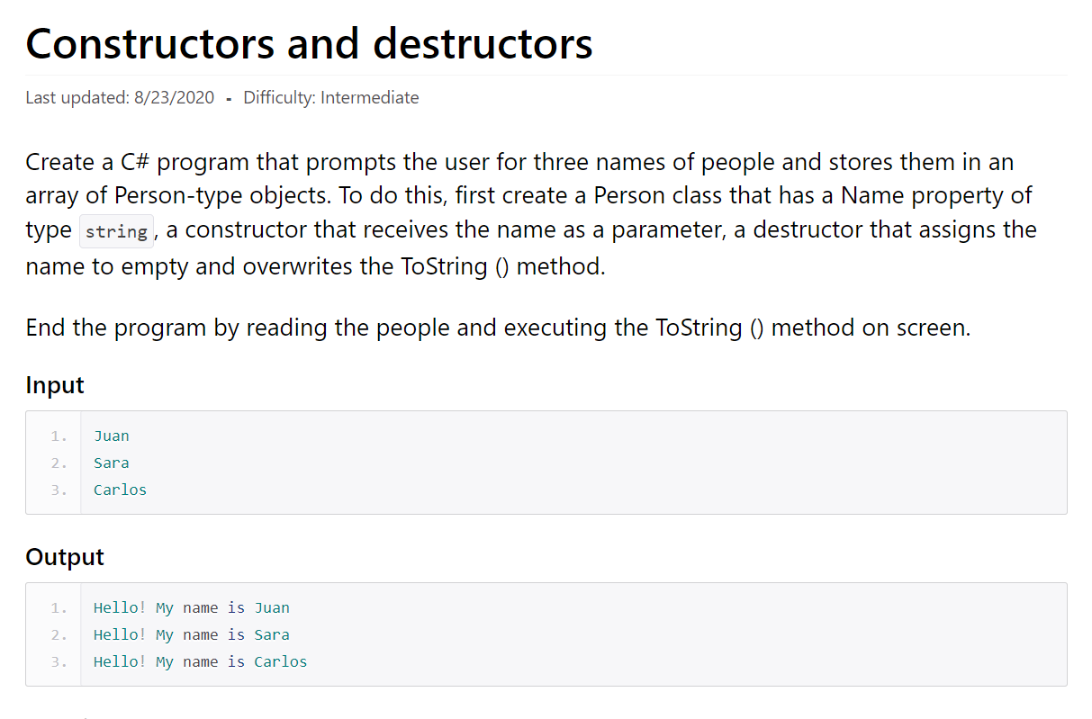 | See answer on pg 3

Inheritance
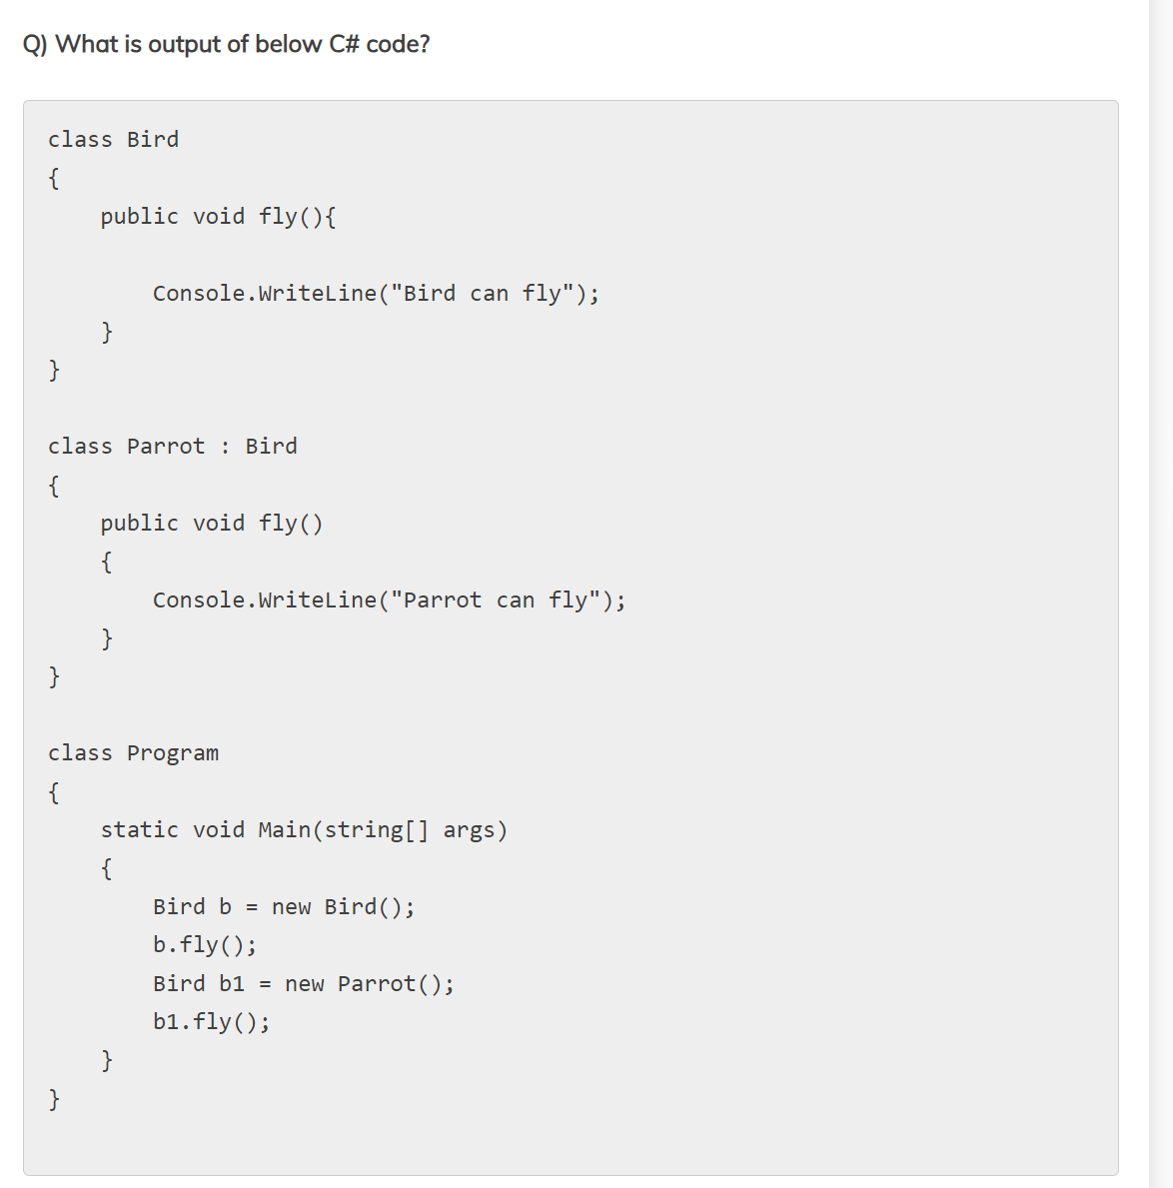
Date | Work To Do: | Results | Initials
2023-08-29 | w3 schools : Properties, Inheritence, Polymorphism
2023-08-30 | w3 schools : Abstraction, Interface, Enums
2023-08-31 | Interactive C# Fundamentals, Core Concepts and Patterns: Chapter 3: The Concept of Inheritence. Read pg 71-74 Try Demonstration 1 on Pg 75. Read points to remember and the two questions on pg 76 and explain to Aaditya
2023-08-31 | 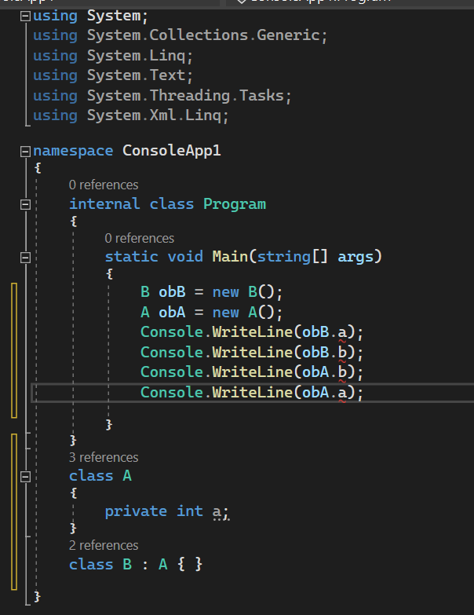 Interactive C# Fundamentals, Core Concepts and Patterns: Chapter3: The Concept of Inheritence Demonstration 2 pg 77. How do you solve the errors? Try making the a public… Read 78, 79, 80 demonstration 3
2023-09-01 | 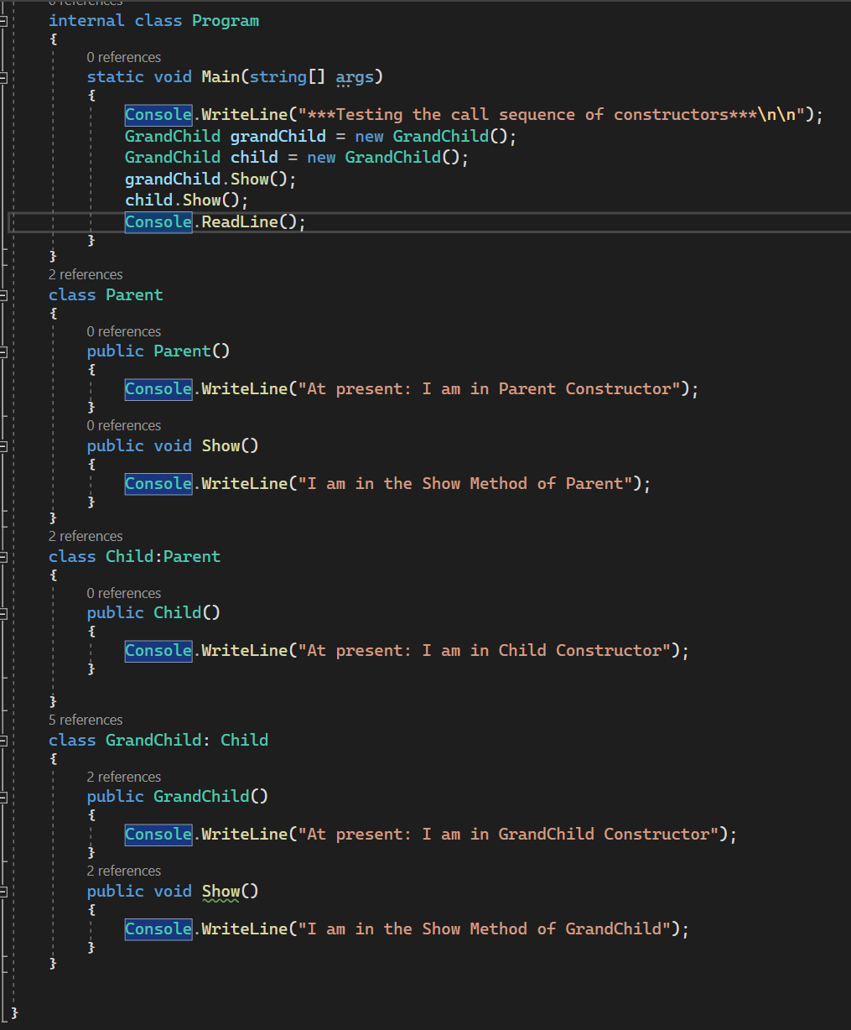 Interactive C# Fundamentals, Core Concepts and Patterns: Chapter3: The Concept of Inheritence Demonstration 4: Read pg 82: explanation Try the below program for show() method.
2023-09-01
9/2/2023, 9/3/2023 | Interactive C# Fundamentals, Core Concepts and Patterns: Chapter3: The Concept of Inheritence Demonstration 5 Read 83, 84, 85 Read MSDN links below: • https://blogs.msdn.microsoft.com/ericlippert/2008/02/15/ why-do-initializers-run-in-the-opposite-order-asconstructors-part-one/ • https://blogs.msdn.microsoft.com/ericlippert/2008/02/18/ why-do-initializers-run-in-the-opposite-order-asconstructors-part-two/
9/4/2023, | 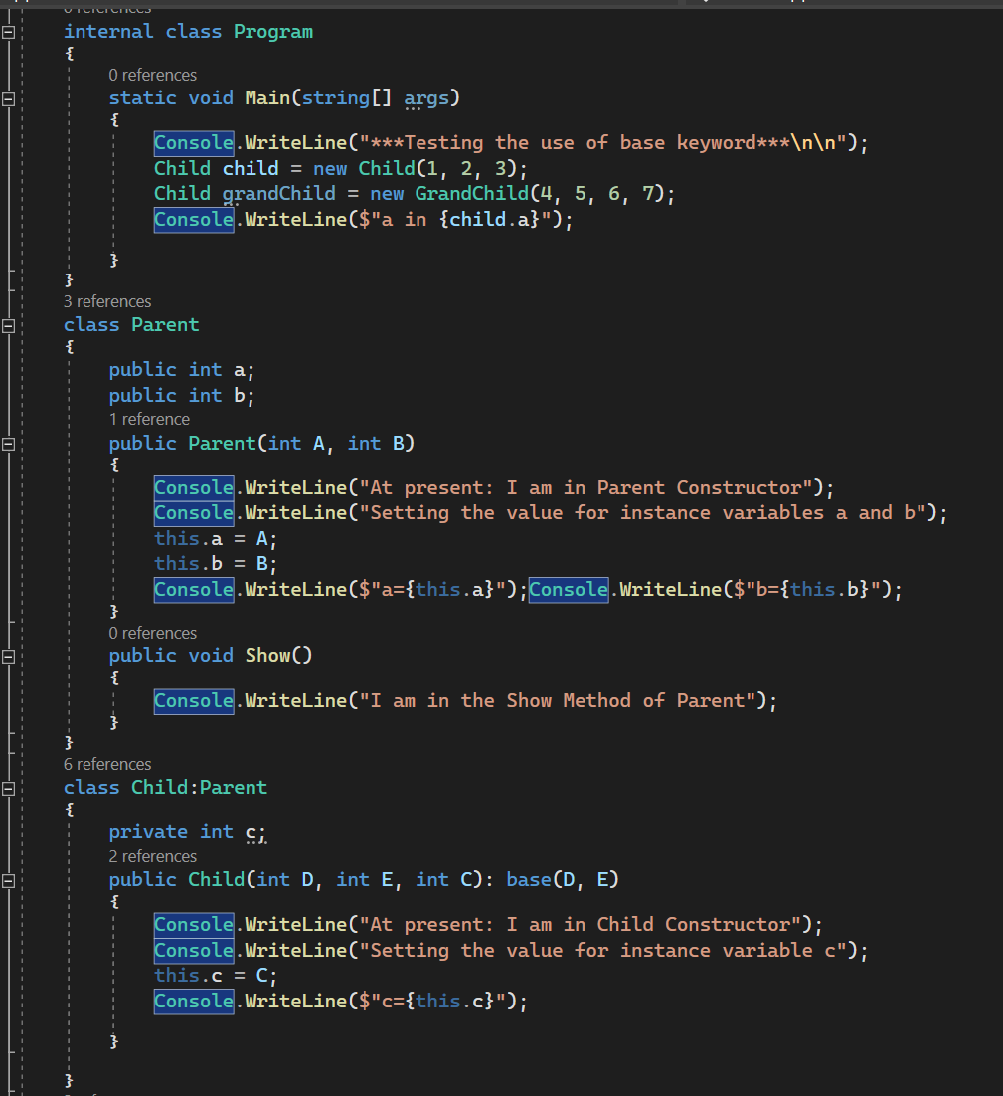 Interactive C# Fundamentals, Core Concepts and Patterns: Chapter3: The Concept of Inheritence Try my program and see:

 | 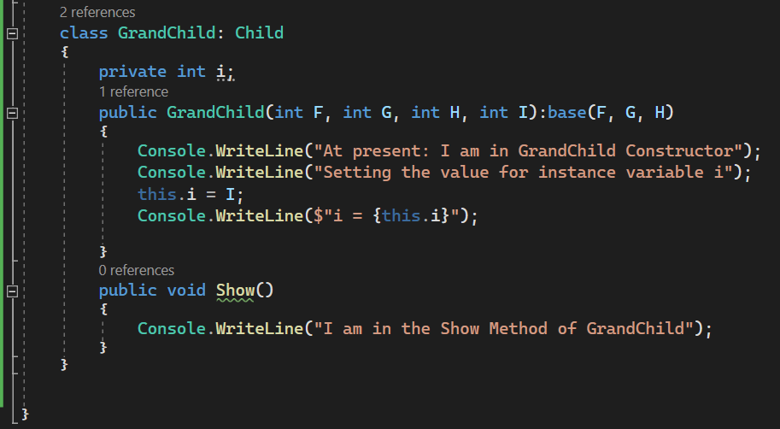
9/5/2023, | 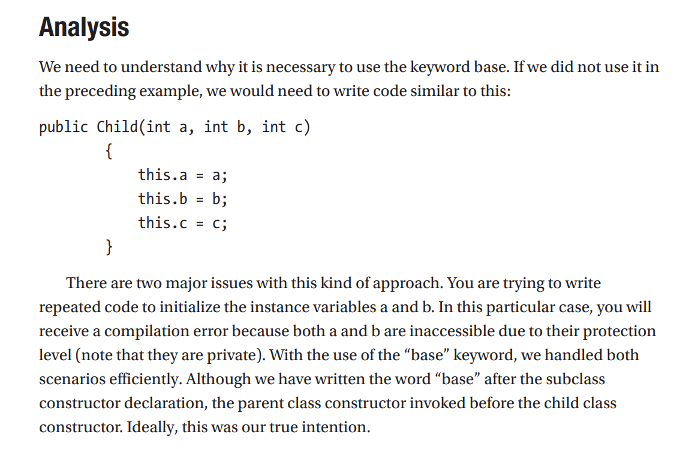 Interactive C# Fundamentals, Core Concepts and Patterns: Chapter3: The Concept of InheritenceFor this analysis, Try the program I wrote and understand:
9/6/2023, | 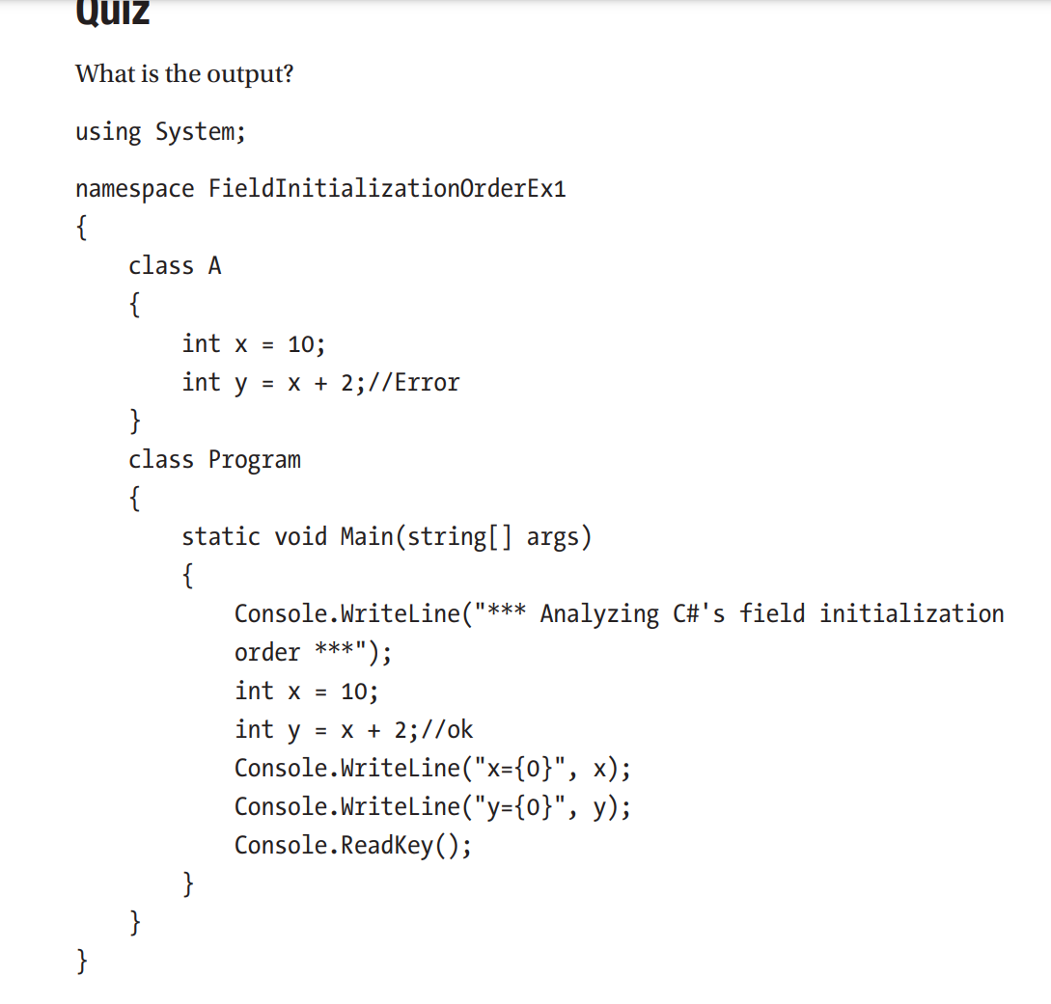 Interactive C# Fundamentals, Core Concepts and Patterns: Chapter3: The Concept of InheritenceFor this analysis, Try the program I wrote and understand: Read pg 86, 87
9/6/2023,
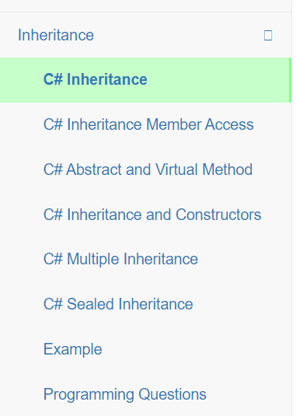
9/6/2023, | Interactive C# Fundamentals, Core Concepts and Patterns: Chapter3: The Concept of InheritenceFor this analysis, Read pg 87-93 Try demo 6 and 7
9/7/2023, | Go to: https://www.completecsharptutorial.com/basic/c-inheritance-tutorial-with-programming-example.php, finish C#Inheritance and Inheritance Member Access
9/8/2023, | Go to: https://www.completecsharptutorial.com/basic/c-inheritance-tutorial-with-programming-example.php, Complete: C# Abstract And Virtual Method C# Inheritance And Constructors C# Multiple Inheritance With Interface
9/9/2023, | Go to: https://www.completecsharptutorial.com/basic/c-inheritance-tutorial-with-programming-example.php, Complete: C# Sealed Inheritance Examples Programming Questions
9/10/2023, | Do the exercise: https://www.exercisescsharp.com/oop/inheritance-of-objects/
9/11/2023, | 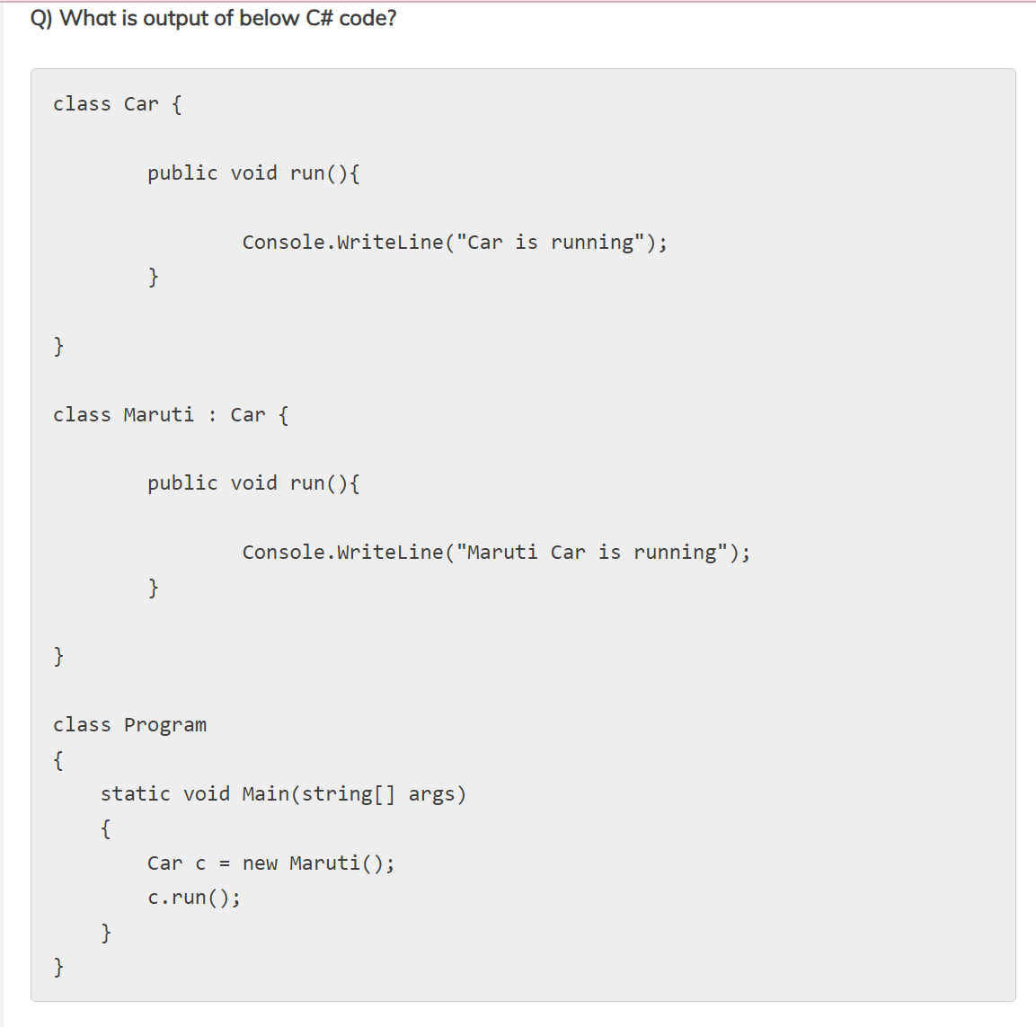 See the answer in C# Inheritance Answers.doc
9/11/2023, | See the answer in C# Inheritance Answers.doc
9/12/2023, | https://interviewsansar.com/what-is-method-hiding-in-csharp-and-when-to-use/
9/13/2023, | 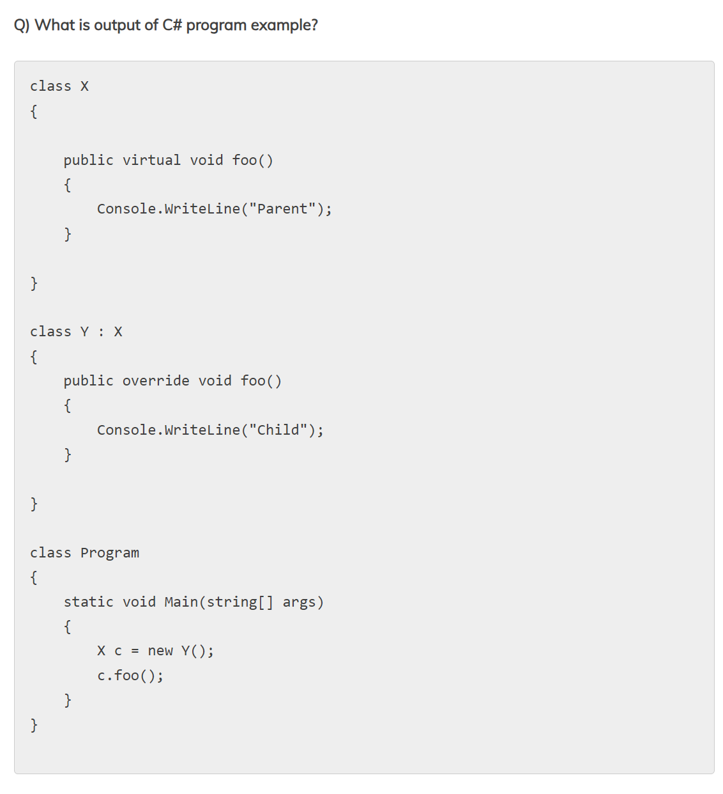 Do the exercise: see the answer in C#Inheritance Answers.doc
9/13/2023,
9/14/2023, | Read here and practice exercises: https://interviewsansar.com/what-is-method-overriding-in-csharp-answer-with-real-time-example/
9/15/2023, | 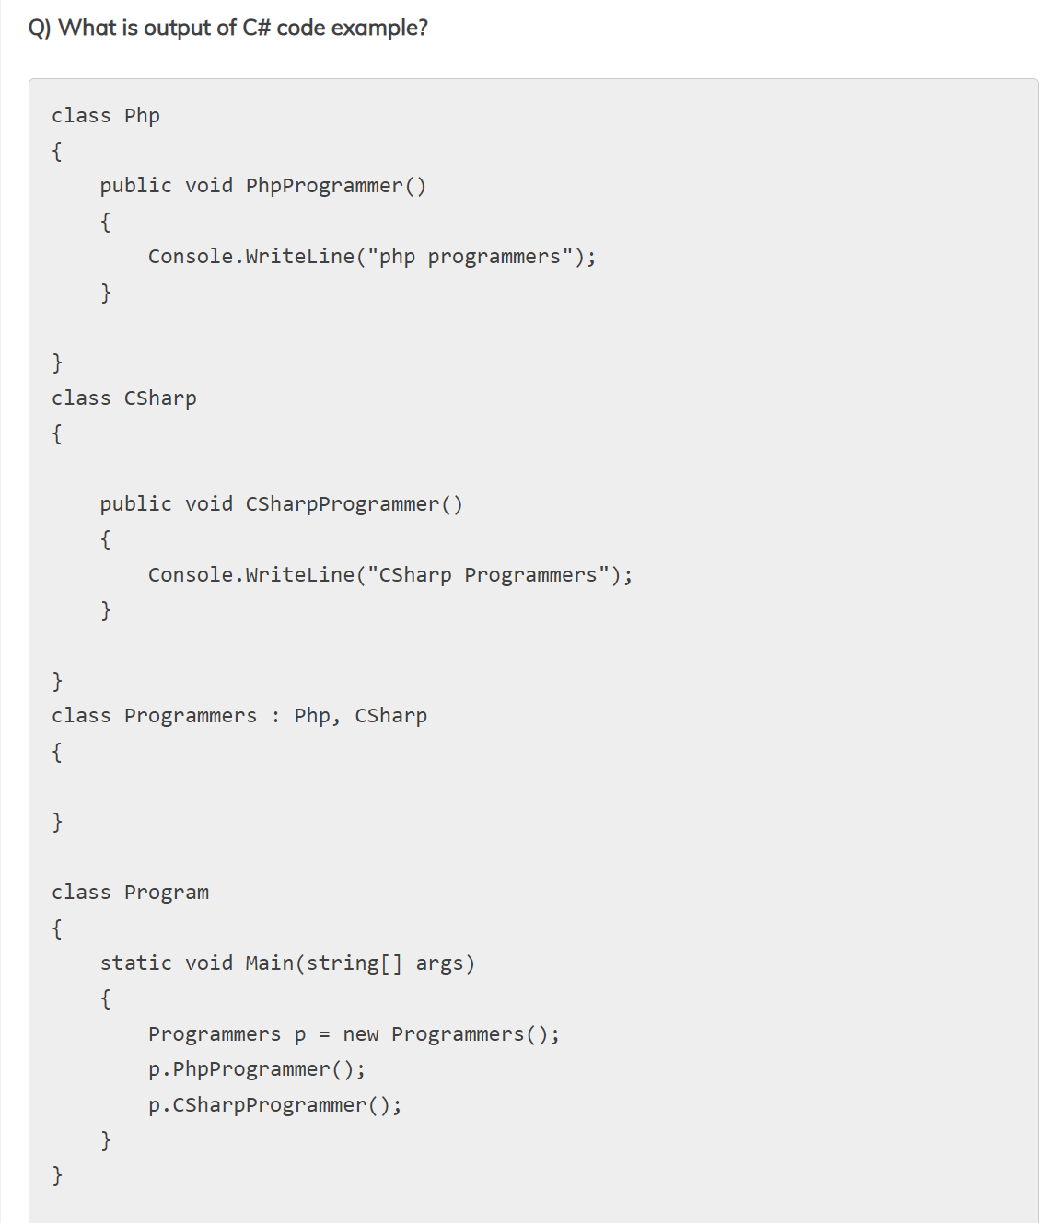
9/15/2023,
9/16/2023, | Read and try examples:https://interviewsansar.com/write-code-interface-inheritance-csharp-language-explain/
9/17/2023, | 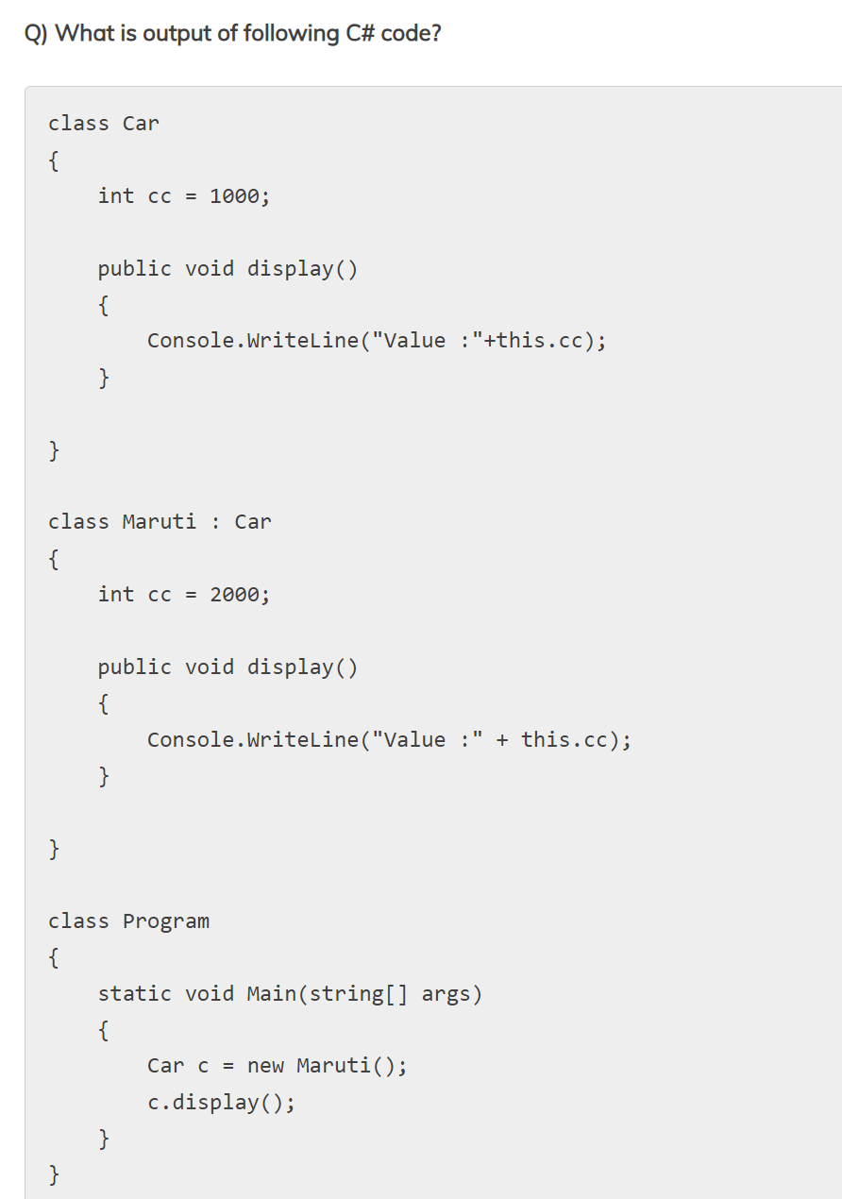
9/17/2023,
9/18/2023, | 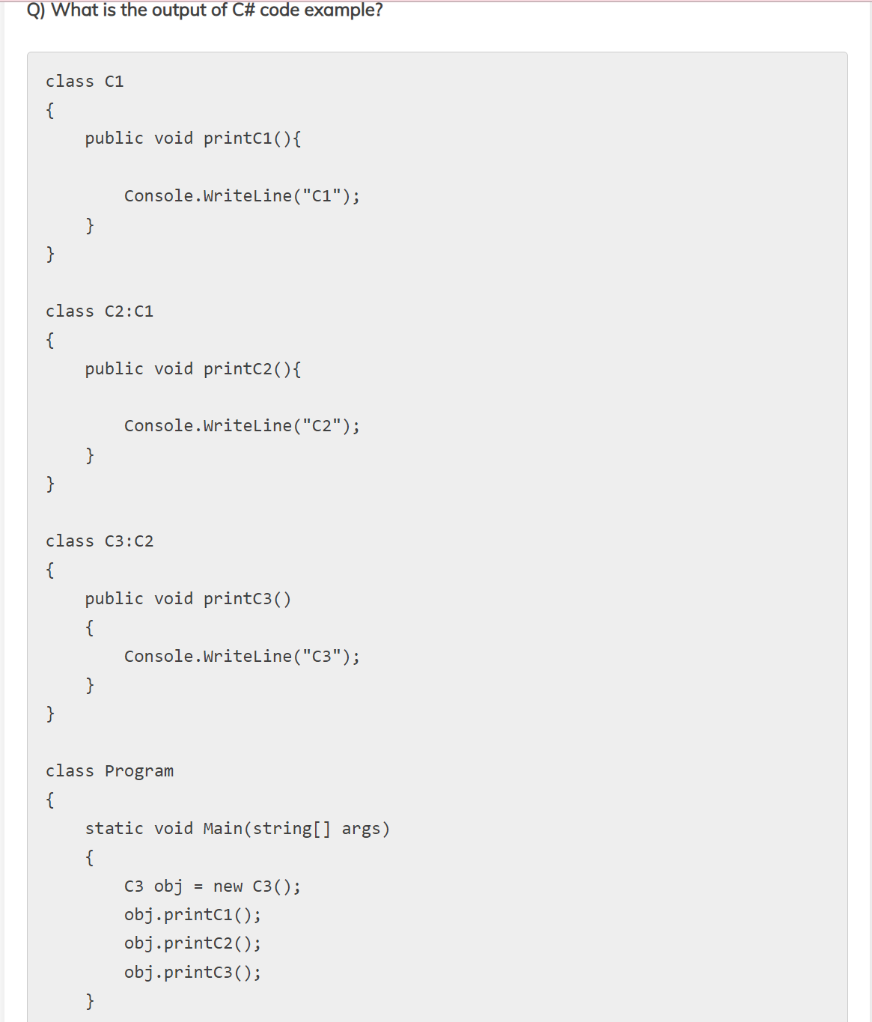
9/18/2023,
9/19/2023,
9/19/2023,
9/20/2023, | 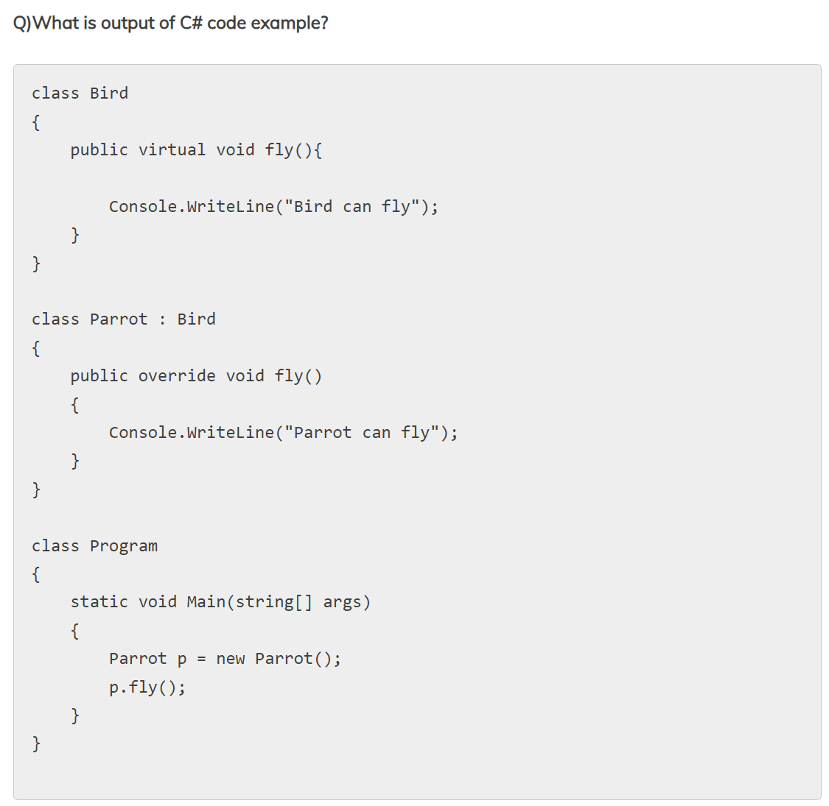
9/20/2023,
9/21/2023, | 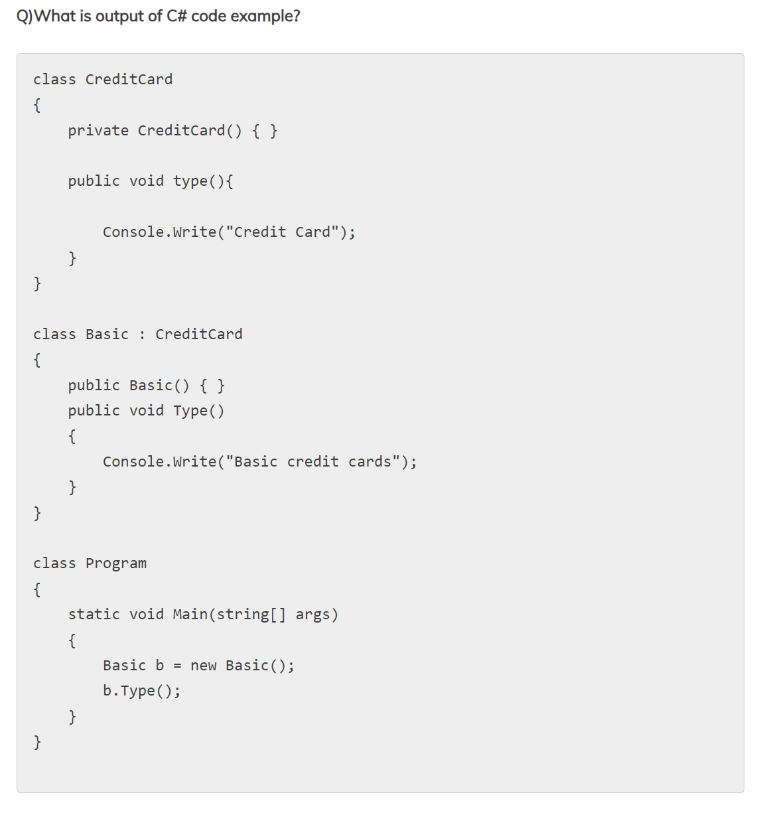
9/21/2023,
9/22/2023, | Read and try examples: https://interviewsansar.com/order-of-constructor-and-destructor-call-in-csharp-interview-qa/
9/23/2023, | 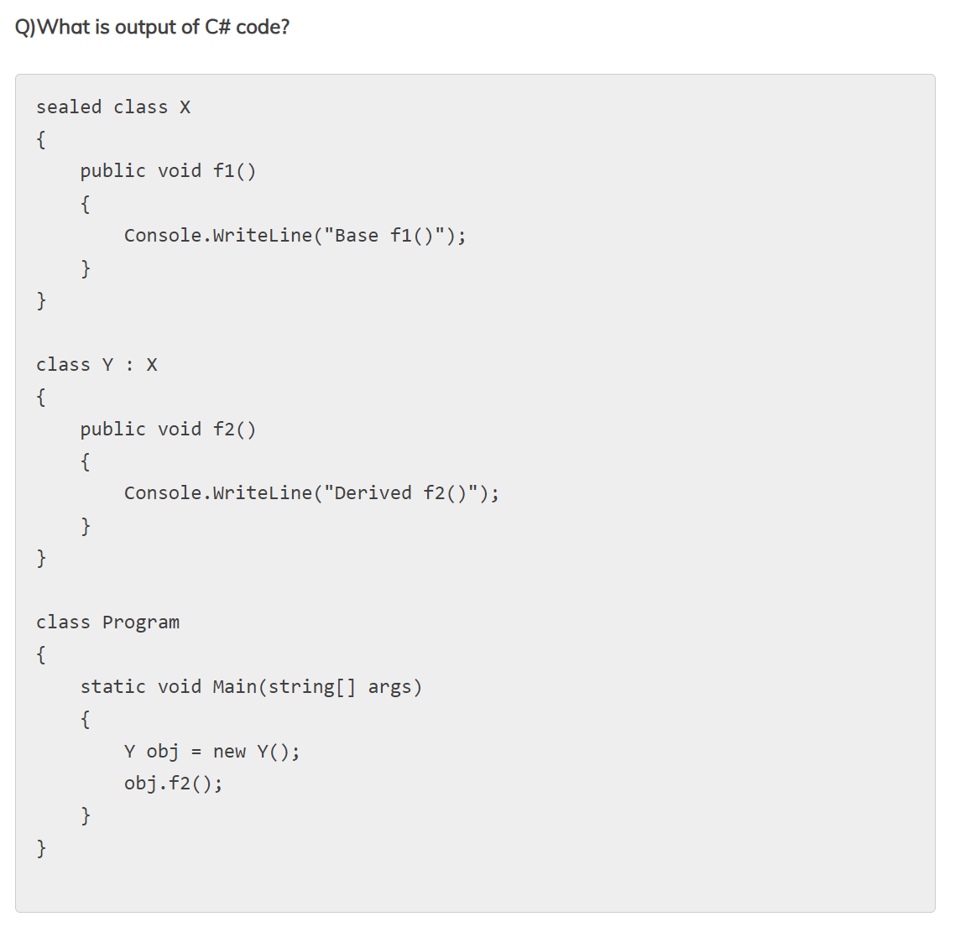
9/23/2023,
9/24/2023, | Read and try the example here:https://interviewsansar.com/what-is-a-sealed-class-and-a-sealed-method-in-c/
9/25/2023, | Read and try the example here: https://interviewsansar.com/real-time-example-of-sealed-class-and-method-in-c/
9/26/2023, | 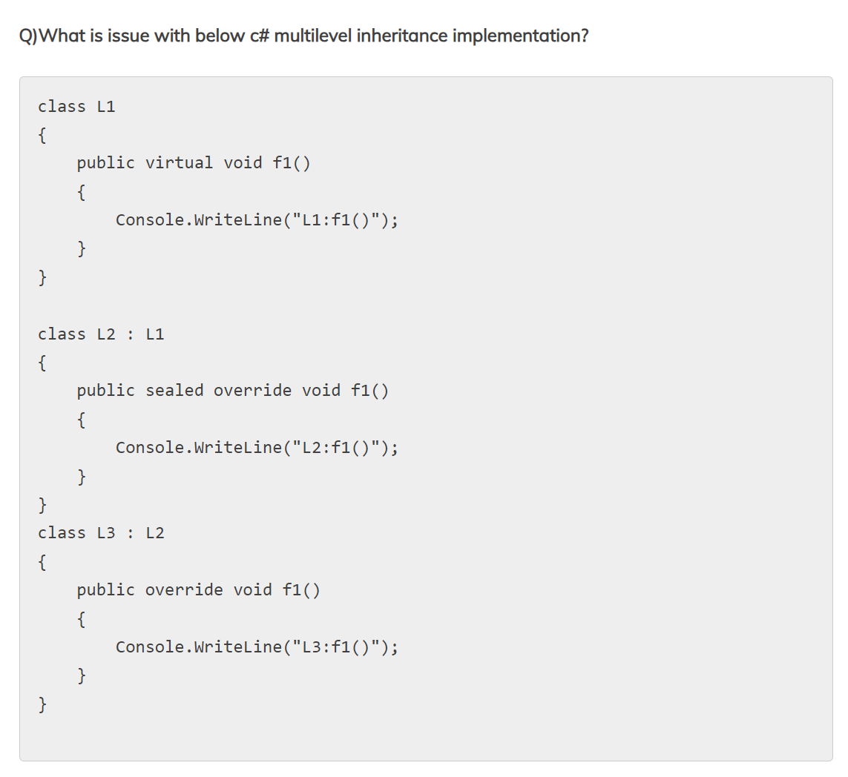
9/26/2023,

