Q1
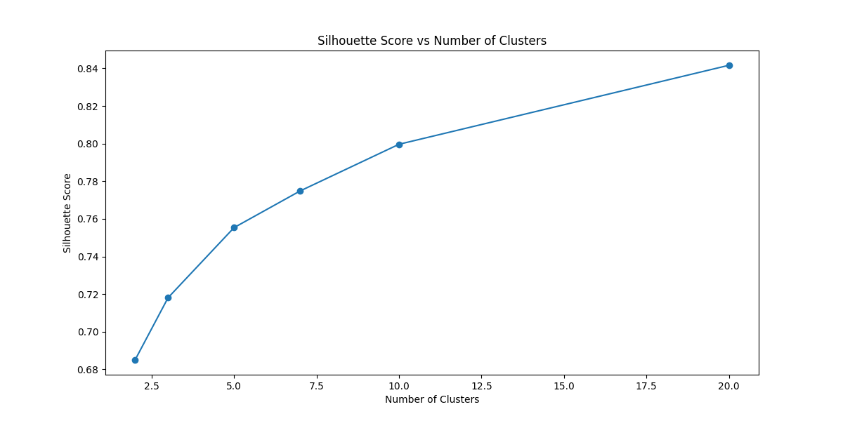
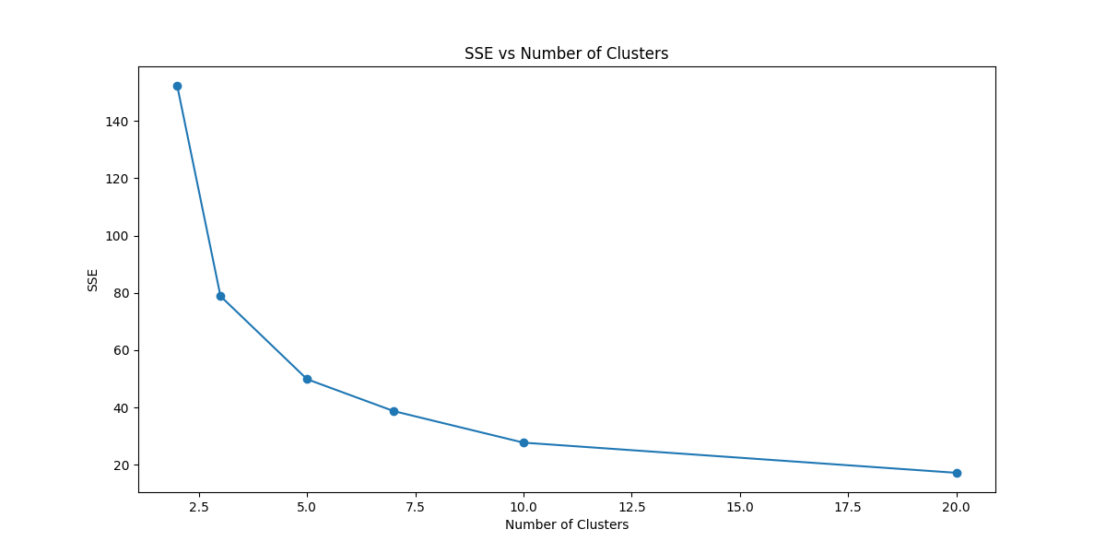
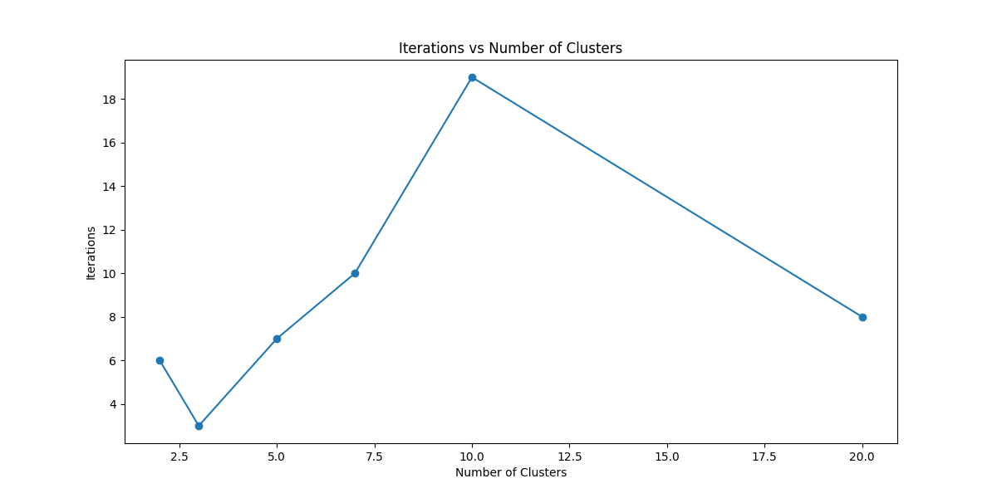
K | SSE | Iterations | Silhouette Score | Cluster Assignments
2 | 152.348 | 6 | 0.685 | [1 1 1 1 1 ... 0 0 0 0]
3 | 78.851 | 3 | 0.718 | [2 2 2 2 2 ... 0 1 0 1]
5 | 49.842 | 7 | 0.755 | [2 2 2 2 2 ... 0 0 3 3]
7 | 38.714 | 10 | 0.775 | [6 2 2 2 6 ... 3 3 3 3]
10 | 27.69 | 19 | 0.8 | [9 2 2 2 9 ... 3 3 3 1]
20 | 17.153 | 8 | 0.842 | [14 18 19 19 14 ... 15]

Q2
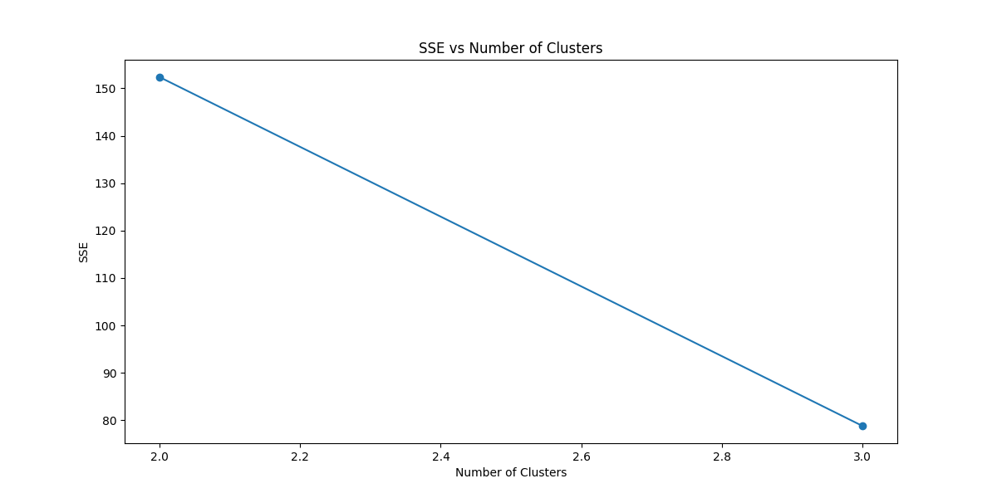
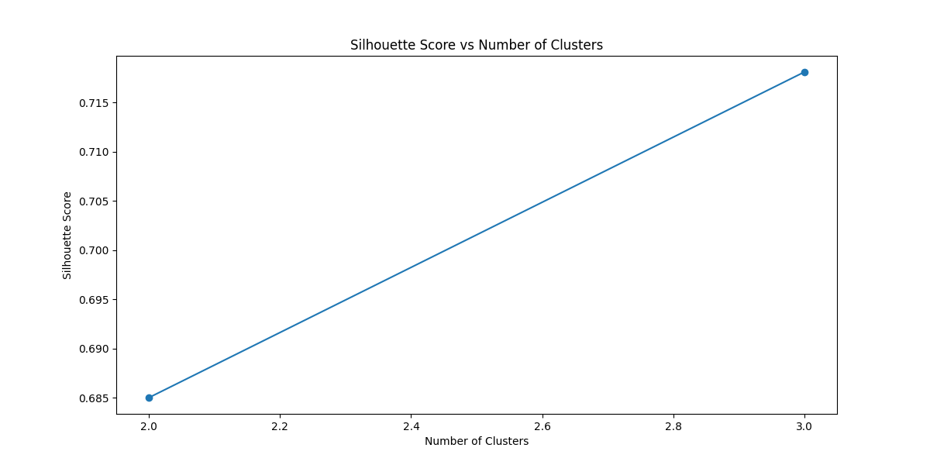
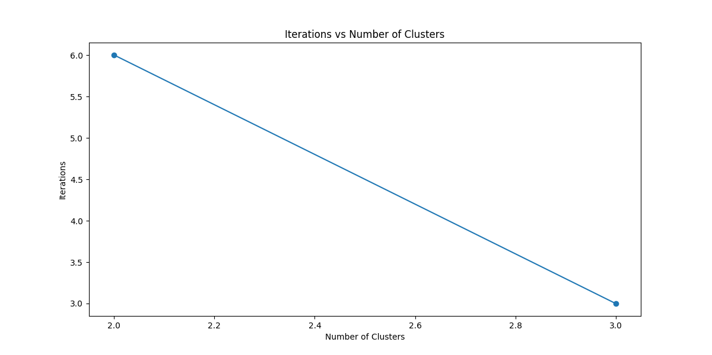
K | SSE | Iterations | Silhouette Score | Cluster Assignments
2 | 152.348 | 6 | 0.685 | [1 1 1 1 1 1 1 1 1 1 1 1 1 1 1 1 1 1 1 1 1 1 1 1 1 1 1 1 1 1 1 1 1 1 1 1 1 1 1 1 1 1 1 1 1 1 1 1 1 1 1 0 0 0 0 0 0 0 1 0 0 0 0 0 0 0 0 0 0 0 0 0 0 0 0 0 0 0 0 0 0 0 0 0 0 0 0 0 0 0 0 0 0 0 0 0 0 0 0 0 0 0 0 0 0 0 0 0 0 0]
3 | 78.851 | 3 | 0.718 | [2 2 2 2 2 2 2 2 2 2 2 2 2 2 2 2 2 2 2 2 2 2 2 2 2 2 2 2 2 2 2 2 2 2 2 2 2 2 2 2 2 2 2 2 2 2 2 2 2 1 1 0 1 1 1 1 1 1 1 1 1 1 1 1 1 1 1 1 1 1 1 1 1 1 1 1 0 1 1 1 1 1 1 1 1 1 1 1 1 1 1 1 1 1 1 0 1 0 0 0 0 1 0 0 0 0 0 0 1 0 1 1 0 1 1 1 0 0]

