Country with Highest Medals
COUNTRY WITH HIGHEST AND LOWEST NUMBER OF MEDALS

Row Labels | Count of Medal
GBR | 546
GER | 452
ITA | 476
URS | 838
USA | 2235

Individual with Highest Medals
Row Labels | Count of Medal
LATYNINA, Larisa | 9
LEWIS, Carl | 9
NURMI, Paavo | 9
PHELPS, Michael | 18
SPITZ, Mark | 9

DOMINANCE OF GENDER
Gender Domination by country

Count of Medal | Column Labels
Row Labels | Men | Women | Dominance
MAR | 5 | 1 | Men | Men | 84
ALG | 3 | 2 | Men | Women | 64
ANZ | 19 | 1 | Men
 | Men | Women
MAR | 5 | 1
ALG | 3 | 2
ANZ | 19 | 1
ARG | 69
ARM | 1
AUS | 158 | 154
AUT | 17 | 4
AZE | 5 | 1
BAH | 6 | 7
BDI | 1
BEL | 88 | 3
BLR | 10 | 7
BRA | 45 | 28
BUL | 40 | 13
CAN | 122 | 33
CHI | 3
CHN | 122 | 168
CMR | 18 | 2
COL |  | 2
CRC |  | 1
CRO | 45 | 1
CUB | 120 | 45
CZE | 8 | 6
DEN | 98 | 52
DOM | 3
ECU | 1
EGY | 7
ESP | 64 | 34
EST | 8 | 1
ETH | 12 | 9
EUA | 57 | 11
EUN | 59 | 33
FIN | 120 | 4
FRA | 371 | 37
FRG | 110 | 33
GBR | 486 | 60
GDR | 169 | 160
GEO | 6
GER | 340 | 112
GRE | 29 | 5
GRN | 1
HKG |  | 1
HUN | 355 | 57
INA | 8 | 1
IND | 128
IRI | 16
IRL | 5 | 4
ISR | 1
ITA | 428 | 48
JAM | 20 | 11
...
ARG | 69 |  | Men
ARM | 1 |  | Men
AUS | 158 | 154 | Men
AUT | 17 | 4 | Men
AZE | 5 | 1 | Men
BAH | 6 | 7 | Women
BDI | 1 |  | Men
BEL | 88 | 3 | Men
BLR | 10 | 7 | Men
BRA | 45 | 28 | Men
BUL | 40 | 13 | Men
CAN | 122 | 33 | Men
CHI | 3 |  | Men
CHN | 122 | 168 | Women
CMR | 18 | 2 | Men
COL |  | 2 | Women
CRC |  | 1 | Women
CRO | 45 | 1 | Men
CUB | 120 | 45 | Men
CZE | 8 | 6 | Men
DEN | 98 | 52 | Men
DOM | 3 |  | Men
ECU | 1 |  | Men
EGY | 7 |  | Men
ESP | 64 | 34 | Men
EST | 8 | 1 | Men
ETH | 12 | 9 | Men
EUA | 57 | 11 | Men
EUN | 59 | 33 | Men
FIN | 120 | 4 | Men
FRA | 371 | 37 | Men
FRG | 110 | 33 | Men
GBR | 486 | 60 | Men
GDR | 169 | 160 | Men
GEO | 6 |  | Men
GER | 340 | 112 | Men
GRE | 29 | 5 | Men
GRN | 1 |  | Men
HKG |  | 1 | Women
HUN | 355 | 57 | Men
INA | 8 | 1 | Men
IND | 128 |  | Men
IRI | 16 |  | Men
IRL | 5 | 4 | Men
ISR | 1 |  | Men
ITA | 428 | 48 | Men
JAM | 20 | 11 | Men
JPN | 151 | 62 | Men
KAZ | 10 | 2 | Men
KEN | 26 | 2 | Men
KOR | 86 | 72 | Men
LAT | 3 |  | Men
LTU | 3 | 3 | Women
LUX | 1 |  | Men
MEX | 30 | 2 | Men
MGL | 2 |  | Men
MOZ |  | 1 | Women
NED | 115 | 118 | Women
NGR | 18 | 1 | Men
NOR | 159 | 50 | Men
NZL | 73 | 12 | Men
PAK | 42 |  | Men
PAN | 1 |  | Men
PER | 1 |  | Men
POL | 92 | 14 | Men
POR | 2 | 2 | Women
PRK | 9 | 5 | Men
ROU | 40 | 117 | Women
RSA | 26 | 4 | Men
RU1 | 1 |  | Men
RUS | 120 | 119 | Men
SLO | 4 | 1 | Men
SRB |  | 1 | Women
SUI | 72 | 3 | Men
SUR | 1 |  | Men
SVK | 8 | 2 | Men
SWE | 330 | 19 | Men
SYR |  | 1 | Women
TCH | 60 | 20 | Men
THA | 4 | 3 | Men
TPE | 1 | 2 | Women
TRI | 1 |  | Men
TTO | 1 |  | Men
TUN | 3 | 1 | Men
TUR | 37 | 1 | Men
UAE | 1 |  | Men
UGA | 2 |  | Men
UKR | 19 | 22 | Women
URS | 575 | 263 | Men
URU | 44 |  | Men
USA | 1562 | 673 | Men
UZB | 5 |  | Men
VEN | 2 |  | Men
YUG | 125 | 18 | Men
ZIM |  | 18 | Women
ZZX | 23 |  | Men
(blank) |  | 2 | Women
 |  |  | Women
 |  |  | Women
 |  |  | Women
 |  |  | Women
 |  |  | Women
 |  |  | Women
 |  |  | Women
 |  |  | Women
 |  |  | Women
 |  |  | Women
 |  |  | Women
 |  |  | Women
 |  |  | Women
 |  |  | Women
 |  |  | Women
 |  |  | Women
 |  |  | Women
 |  |  | Women
 |  |  | Women
 |  |  | Women
 |  |  | Women
 |  |  | Women
 |  |  | Women
 |  |  | Women
 |  |  | Women
 |  |  | Women
 |  |  | Women
 |  |  | Women
 |  |  | Women
 |  |  | Women
 |  |  | Women
 |  |  | Women
 |  |  | Women
 |  |  | Women
 |  |  | Women
 |  |  | Women
 |  |  | Women
 |  |  | Women
 |  |  | Women
 |  |  | Women
 |  |  | Women
 |  |  | Women
 |  |  | Women
 |  |  | Women
 |  |  | Women
 |  |  | Women
 |  |  | Women
 |  |  | Women

Top Gold winners
Medal | Gold

Row Labels | Count of Medal
AUS | 312
FRA | 408
GBR | 546
GDR | 329
GER | 452
HUN | 412
ITA | 476
SWE | 349
URS | 838
USA | 2235

DASHBOARD
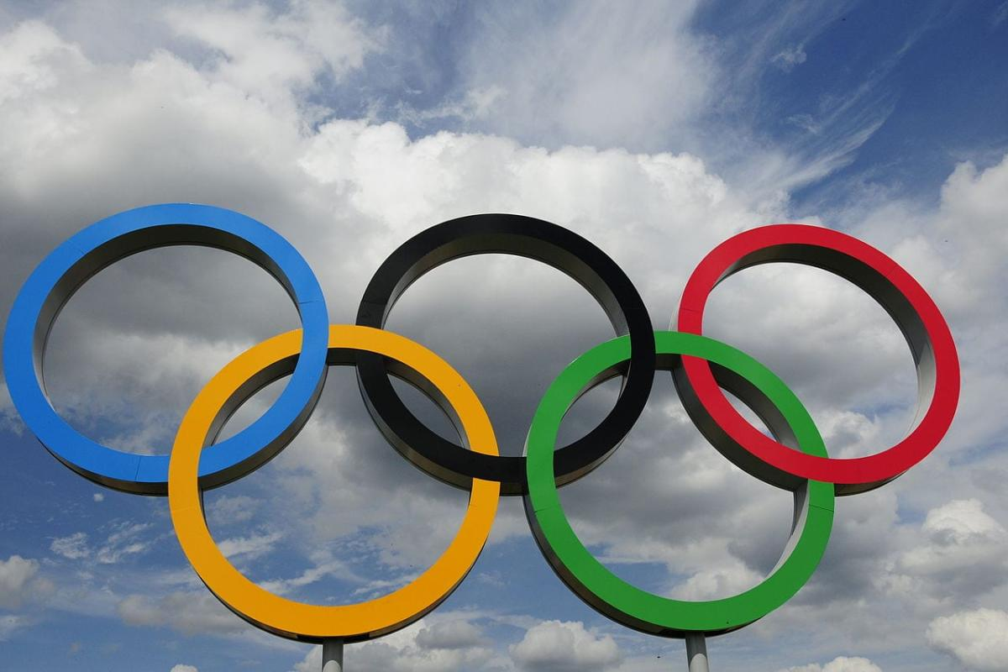
DASHBOARD
SUMMER OLYMPICS

Highest Medal Winners wrt Country
Gender Domination
Top Gold Winners
 | Total
AUS | 312
FRA | 408
GBR | 546
GDR | 329
GER | 452
HUN | 412
ITA | 476
SWE | 349
URS | 838
USA | 2235
 | Total
GBR | 546
GER | 452
ITA | 476
URS | 838
USA | 2235
 | Men | Women
MAR | 5 | 1
ALG | 3 | 2
ANZ | 19 | 1
ARG | 69
ARM | 1
AUS | 158 | 154
AUT | 17 | 4
AZE | 5 | 1
BAH | 6 | 7
BDI | 1
BEL | 88 | 3
BLR | 10 | 7
BRA | 45 | 28
BUL | 40 | 13
CAN | 122 | 33
CHI | 3
CHN | 122 | 168
CMR | 18 | 2
COL |  | 2
CRC |  | 1
CRO | 45 | 1
CUB | 120 | 45
CZE | 8 | 6
DEN | 98 | 52
DOM | 3
ECU | 1
EGY | 7
ESP | 64 | 34
EST | 8 | 1
ETH | 12 | 9
EUA | 57 | 11
EUN | 59 | 33
FIN | 120 | 4
FRA | 371 | 37
FRG | 110 | 33
GBR | 486 | 60
GDR | 169 | 160
GEO | 6
GER | 340 | 112
GRE | 29 | 5
GRN | 1
HKG |  | 1
HUN | 355 | 57
INA | 8 | 1
IND | 128
IRI | 16
IRL | 5 | 4
ISR | 1
ITA | 428 | 48
JAM | 20 | 11
...

Highest Medal Winners wrt Individual

 | Total
LATYNINA, Larisa | 9
LEWIS, Carl | 9
NURMI, Paavo | 9
PHELPS, Michael | 18
SPITZ, Mark | 9

