highest no of medals
COUNTRY WITH HIGHEST NO OF MEDALS

Row Labels | Count of Medal
AUS | 1189
FRA | 1396
GBR | 1720
GER | 1305
HUN | 1079
ITA | 1296
NED | 851
SWE | 1044
URS | 2049
USA | 4585

highest medals by individuals
HIGHEST MEDALS BY INDIVIDUALS

Row Labels | Count of Medal
ANDRIANOV, Nikolay | 15
COUGHLIN, Natalie | 12
FISCHER, Birgit | 12
KATO, Sawao | 12
LATYNINA, Larisa | 18
MANGIAROTTI, Edoardo | 13
NEMOV, Alexei | 12
NURMI, Paavo | 12
ONO, Takashi | 13
PHELPS, Michael | 22
SHAKHLIN, Boris | 13
THOMPSON, Jenny | 12
TORRES, Dara | 12

Top Gold Winners
HIGHEST GOLD WINNING COUNTRIES

Top Gold Winners
Count of Medal | Column Labels
Row Labels | Bronze | Gold | Silver
AUS | 472 | 312 | 405
FRA | 497 | 408 | 491 | Highest no ofGold Medals | 1098 | USA
GBR | 553 | 546 | 621
GER | 475 | 452 | 378
HUN | 351 | 412 | 316
ITA | 404 | 476 | 416
NED | 339 | 233 | 279
SWE | 328 | 349 | 367
URS | 584 | 838 | 627
USA | 1098 | 2235 | 1252

Gender Domination
Count of Medal | Column Labels
Row Labels | Men | Women | DOMINANCE
MAR | 18 | 4 | Men
AFG | 2 |  | Men | Men | 130
AHO | 1 |  | Men | Women | 18 | Men has dominated in 130 countries while woman are dominating in 18 countries
ALG | 12 | 3 | Men
 | Men | Women
MAR | 18 | 4
AFG | 2
AHO | 1
ALG | 12 | 3
ANZ | 27 | 2
ARG | 187 | 72
ARM | 11
AUS | 696 | 493
AUT | 125 | 21
AZE | 20 | 6
BAH | 14 | 13
BAR | 1
BDI | 1
BEL | 391 | 20
BER | 1
BLR | 51 | 62
BOH | 6 | 1
BOT | 1
BRA | 303 | 128
BRN |  | 1
BUL | 215 | 118
BWI | 5
CAN | 428 | 221
CHI | 32 | 1
CHN | 270 | 537
CIV | 1
CMR | 20 | 3
COL | 10 | 9
CRC |  | 4
CRO | 108 | 6
CUB | 310 | 100
CYP | 1
CZE | 38 | 18
DEN | 416 | 91
DJI | 1
DOM | 6
ECU | 2
EGY | 27 | 1
ERI | 1
ESP | 332 | 110
EST | 38 | 1
ETH | 27 | 18
EUA | 205 | 55
EUN | 129 | 94
FIN | 443 | 13
FRA | 1254 | 142
FRG | 375 | 115
GAB | 1
GBR | 1412 | 308
GDR | 456 | 369
...
ANZ | 27 | 2 | Men
ARG | 187 | 72 | Men
ARM | 11 |  | Men
AUS | 696 | 493 | Men
AUT | 125 | 21 | Men
AZE | 20 | 6 | Men
BAH | 14 | 13 | Men
BAR | 1 |  | Men
BDI | 1 |  | Men
BEL | 391 | 20 | Men
BER | 1 |  | Men
BLR | 51 | 62 | Women
BOH | 6 | 1 | Men
BOT | 1 |  | Men
BRA | 303 | 128 | Men
BRN |  | 1 | Women
BUL | 215 | 118 | Men
BWI | 5 |  | Men
CAN | 428 | 221 | Men
CHI | 32 | 1 | Men
CHN | 270 | 537 | Women
CIV | 1 |  | Men
CMR | 20 | 3 | Men
COL | 10 | 9 | Men
CRC |  | 4 | Women
CRO | 108 | 6 | Men
CUB | 310 | 100 | Men
CYP | 1 |  | Men
CZE | 38 | 18 | Men
DEN | 416 | 91 | Men
DJI | 1 |  | Men
DOM | 6 |  | Men
ECU | 2 |  | Men
EGY | 27 | 1 | Men
ERI | 1 |  | Men
ESP | 332 | 110 | Men
EST | 38 | 1 | Men
ETH | 27 | 18 | Men
EUA | 205 | 55 | Men
EUN | 129 | 94 | Men
FIN | 443 | 13 | Men
FRA | 1254 | 142 | Men
FRG | 375 | 115 | Men
GAB | 1 |  | Men
GBR | 1412 | 308 | Men
GDR | 456 | 369 | Men
GEO | 24 | 1 | Men
GER | 916 | 389 | Men
GHA | 16 |  | Men
GRE | 109 | 39 | Men
GRN | 1 |  | Men
GUA | 1 |  | Men
GUY | 1 |  | Men
HAI | 8 |  | Men
HKG | 2 | 2 | Women
HUN | 834 | 245 | Men
INA | 24 | 14 | Men
IND | 181 | 3 | Men
IOP | 1 | 2 | Women
IRI | 61 |  | Men
IRL | 24 | 6 | Men
IRQ | 1 |  | Men
ISL | 16 | 1 | Men
ISR | 6 | 1 | Men
ISV | 1 |  | Men
ITA | 1161 | 135 | Men
JAM | 58 | 69 | Women
JPN | 525 | 263 | Men
KAZ | 40 | 9 | Men
KEN | 80 | 13 | Men
KGZ | 3 |  | Men
KOR | 288 | 241 | Men
KSA | 6 |  | Men
KUW | 2 |  | Men
LAT | 19 | 1 | Men
LIB | 4 |  | Men
LTU | 47 | 8 | Men
LUX | 2 |  | Men
MAS | 7 | 1 | Men
MDA | 6 |  | Men
MEX | 89 | 17 | Men
MGL | 21 | 3 | Men
MKD | 1 |  | Men
MNE |  | 14 | Women
MOZ |  | 2 | Women
MRI | 1 |  | Men
NAM | 4 |  | Men
NED | 495 | 356 | Men
NGR | 66 | 18 | Men
NIG | 1 |  | Men
NOR | 432 | 122 | Men
NZL | 159 | 31 | Men
PAK | 121 |  | Men
PAN | 3 |  | Men
PAR | 17 |  | Men
PER | 3 | 12 | Women
PHI | 9 |  | Men
POL | 411 | 100 | Men
POR | 28 | 5 | Men
PRK | 30 | 28 | Men
PUR | 8 |  | Men
QAT | 4 |  | Men
ROU | 305 | 335 | Women
RSA | 84 | 22 | Men
RU1 | 17 |  | Men
RUS | 409 | 359 | Men
SCG | 13 | 1 | Men
SEN | 1 |  | Men
SGP |  | 4 | Women
SIN | 1 | 3 | Women
SLO | 20 | 6 | Men
SRB | 29 | 2 | Men
SRI | 1 | 1 | Women
SUD | 1 |  | Men
SUI | 353 | 27 | Men
SUR | 2 |  | Men
SVK | 27 | 7 | Men
SWE | 953 | 91 | Men
SYR | 2 | 1 | Men
TAN | 2 |  | Men
TCH | 249 | 80 | Men
TGA | 1 |  | Men
THA | 14 | 11 | Men
TJK | 2 | 1 | Men
TOG | 1 |  | Men
TPE | 30 | 14 | Men
TRI | 20 |  | Men
TTO | 10 |  | Men
TUN | 9 | 1 | Men
TUR | 77 | 9 | Men
UAE | 1 |  | Men
UGA | 7 |  | Men
UKR | 84 | 89 | Women
URS | 1476 | 573 | Men
URU | 76 |  | Men
USA | 3208 | 1377 | Men
UZB | 19 | 1 | Men
VEN | 10 | 2 | Men
VIE | 1 | 1 | Women
YUG | 373 | 62 | Men
ZAM | 2 |  | Men
ZIM |  | 23 | Women
ZZX | 45 | 3 | Men
(blank) | 2 | 2 | Women

Dashboard
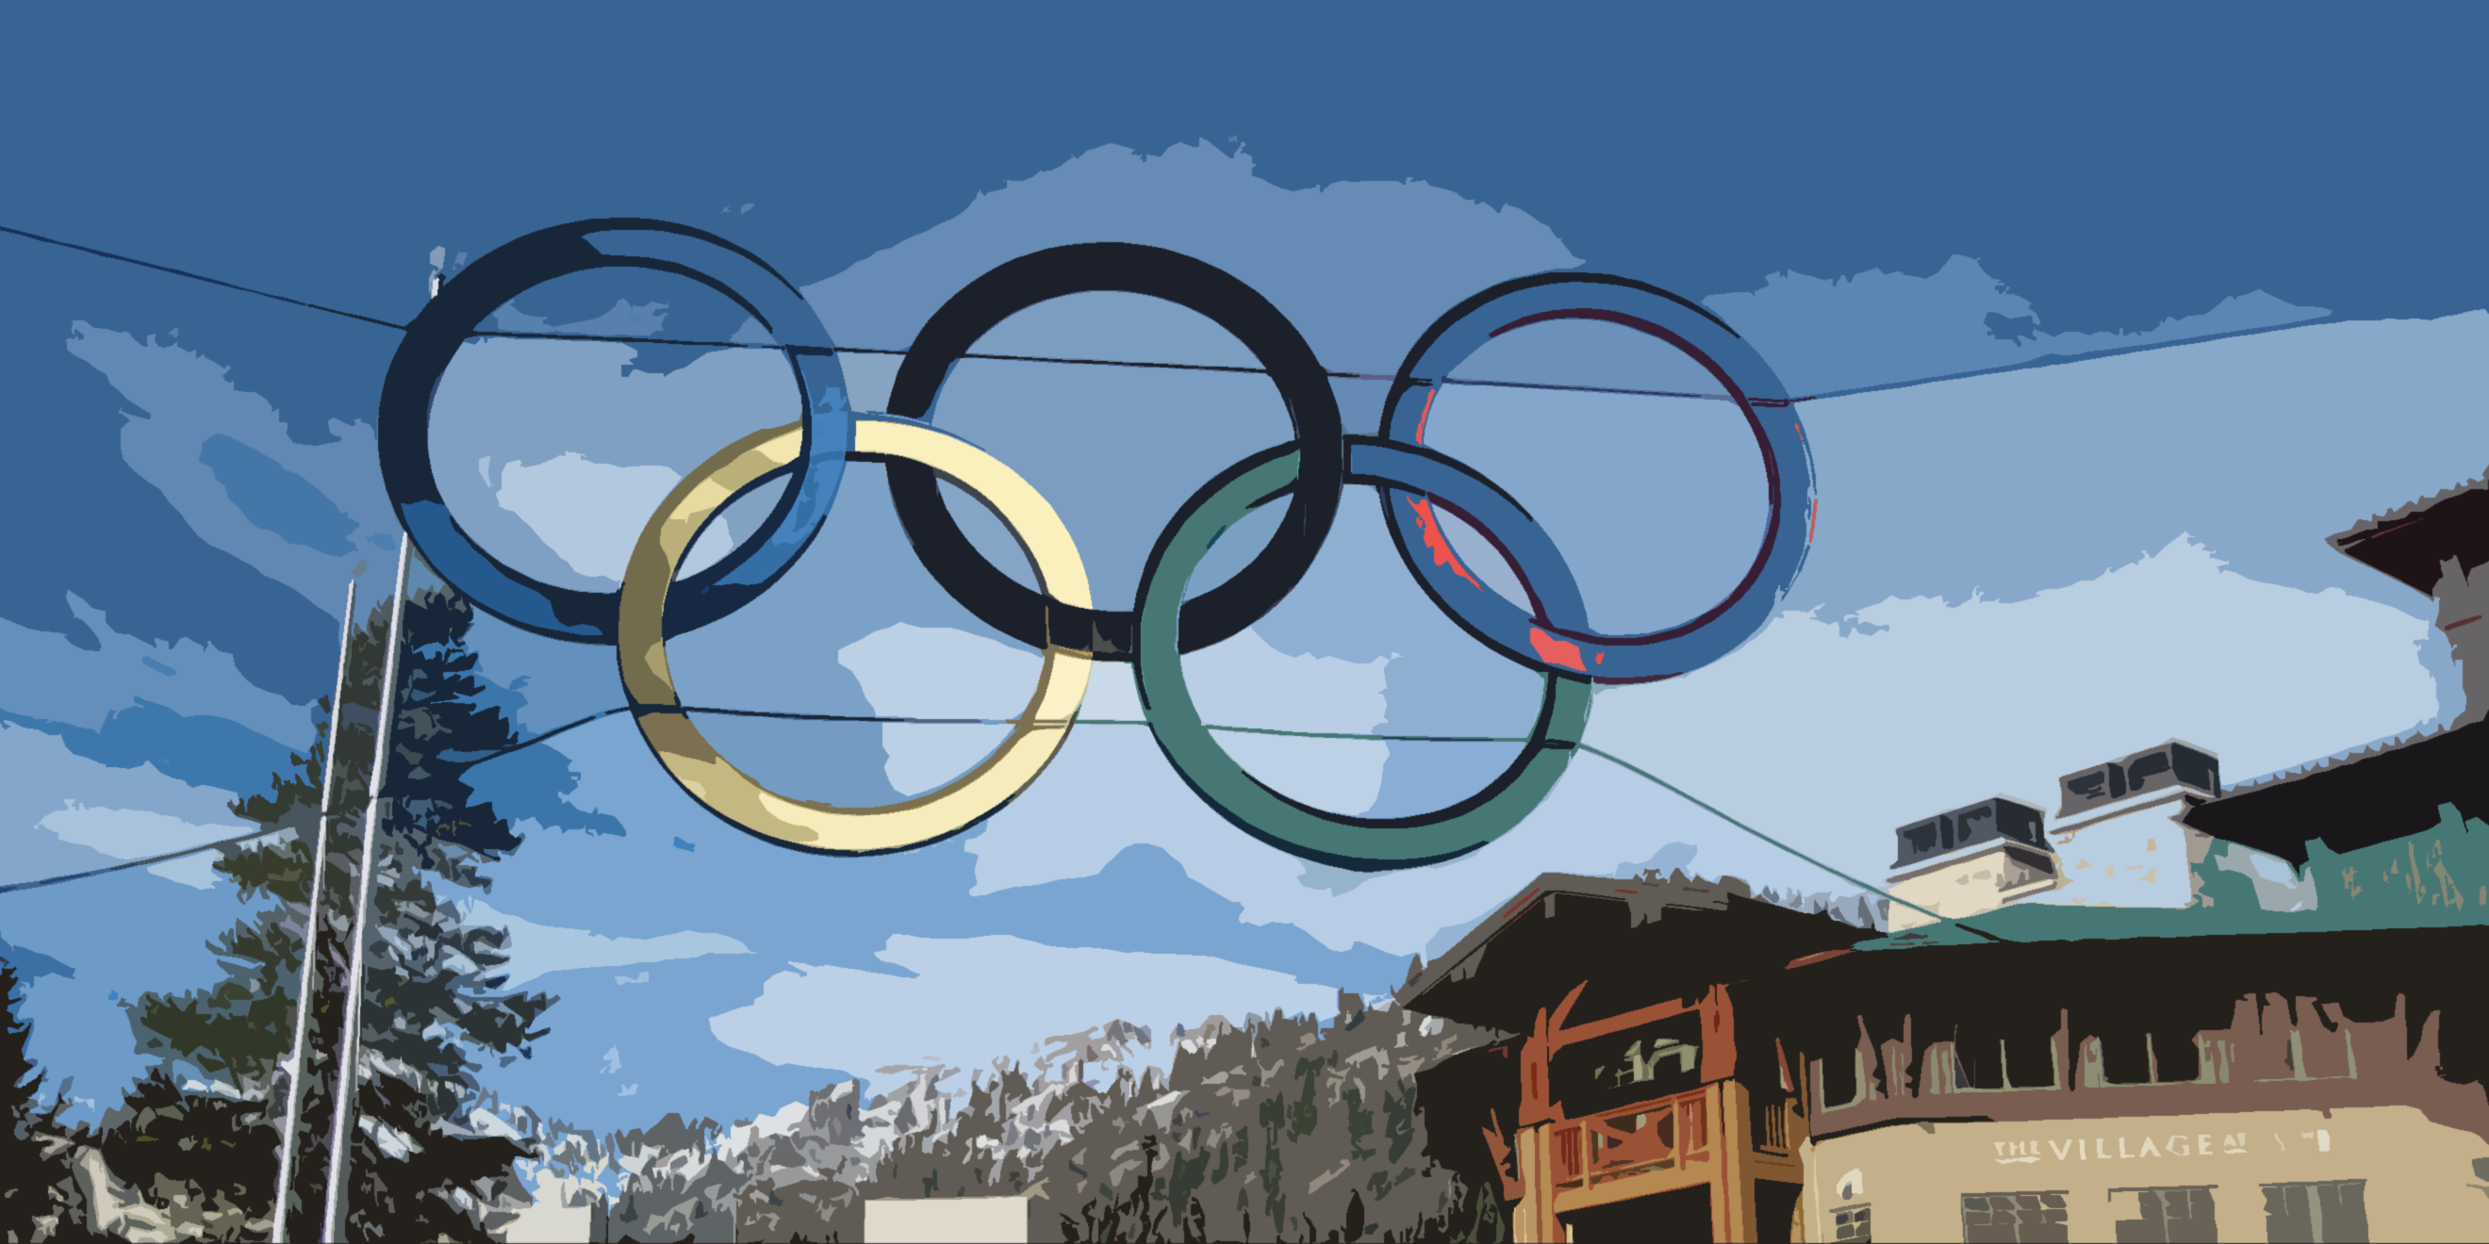
DASHBOARD (Winter Olympics)

Highest Medals wrt Country
Top Gold Winning Countries
Gender Domination
 | Total
AUS | 1189
FRA | 1396
GBR | 1720
GER | 1305
HUN | 1079
ITA | 1296
NED | 851
SWE | 1044
URS | 2049
USA | 4585
 | Bronze | Gold | Silver
AUS | 472 | 312 | 405
FRA | 497 | 408 | 491
GBR | 553 | 546 | 621
GER | 475 | 452 | 378
HUN | 351 | 412 | 316
ITA | 404 | 476 | 416
NED | 339 | 233 | 279
SWE | 328 | 349 | 367
URS | 584 | 838 | 627
USA | 1098 | 2235 | 1252

 | Men | Women
MAR | 18 | 4
AFG | 2
AHO | 1
ALG | 12 | 3
ANZ | 27 | 2
ARG | 187 | 72
ARM | 11
AUS | 696 | 493
AUT | 125 | 21
AZE | 20 | 6
BAH | 14 | 13
BAR | 1
BDI | 1
BEL | 391 | 20
BER | 1
BLR | 51 | 62
BOH | 6 | 1
BOT | 1
BRA | 303 | 128
BRN |  | 1
BUL | 215 | 118
BWI | 5
CAN | 428 | 221
CHI | 32 | 1
CHN | 270 | 537
CIV | 1
CMR | 20 | 3
COL | 10 | 9
CRC |  | 4
CRO | 108 | 6
CUB | 310 | 100
CYP | 1
CZE | 38 | 18
DEN | 416 | 91
DJI | 1
DOM | 6
ECU | 2
EGY | 27 | 1
ERI | 1
ESP | 332 | 110
EST | 38 | 1
ETH | 27 | 18
EUA | 205 | 55
EUN | 129 | 94
FIN | 443 | 13
FRA | 1254 | 142
FRG | 375 | 115
GAB | 1
GBR | 1412 | 308
GDR | 456 | 369
...

Filters
Highest Medals wrt Individual
Gender
 | Total
ANDRIANOV, Nikolay | 15
COUGHLIN, Natalie | 12
FISCHER, Birgit | 12
KATO, Sawao | 12
LATYNINA, Larisa | 18
MANGIAROTTI, Edoardo | 13
NEMOV, Alexei | 12
NURMI, Paavo | 12
ONO, Takashi | 13
PHELPS, Michael | 22
SHAKHLIN, Boris | 13
THOMPSON, Jenny | 12
TORRES, Dara | 12

