Dashboard
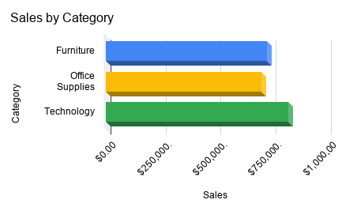
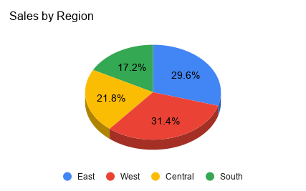
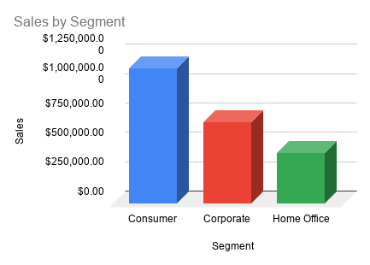
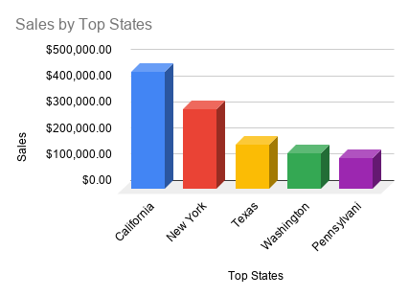
RetailPulse Analytics Dashboard
E-Commerce Sales Analysis | 2015 - 2018

TOTAL SALES | TOP CATEGORY | TOP REGION | TOP SEGMENT
$2,261,536 | Technology | West | Consumer

