Sheet1
Name | Image
VIDEO GRAPHICS ARRAY (VGA) | 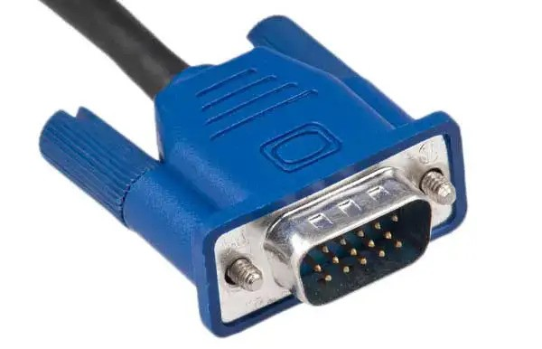
DIGITAL VISUAL INTERFACE | 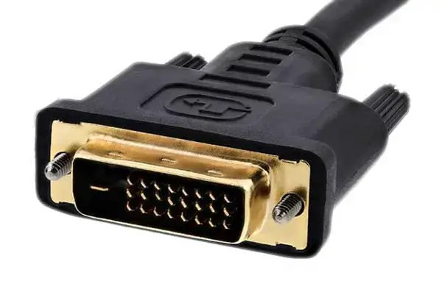
3 PLOES 3.5MM AUDIO JACK | 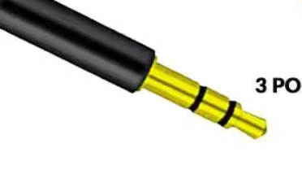
4 PLOES 3.5MM AUDIO JACK
DC BARREL JACK
DISPLAY PORT | 
ETHERNET | 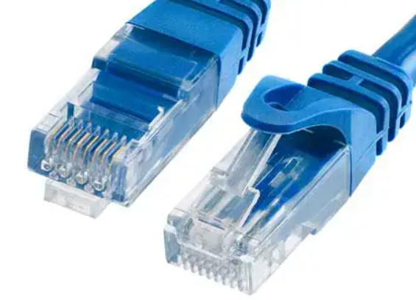
FIBER OPTIC CABLE
FIREWIRE
GigE RJ-45(sfp)
HDMI TYPE A
ICE 60320 C5 & C6
ICE 60320 C7 & C8 | 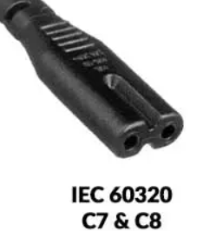
ICE 60320 C13 & C14 | 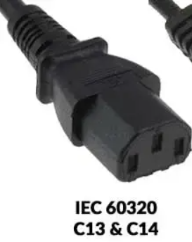
LIGHTINING
MICRO HDMI TYPE D | 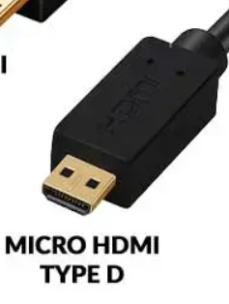
MINI DISPLAY PORT
MINI HDMI TYPE C
PERSONAL SYSTEM-2
RJ-11 TELEPHONE
SERIAL (RS-232)
THUNDERBOLT
TYPE C
USB -TYPE A
USB 2.0-TYPE B MICRO | 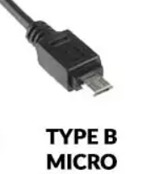
USB 2.0-TYPE B MINI | 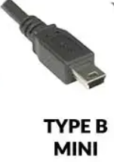
USB 2.0-TYPE B
USB 3.0-TYPE A
USB 3.0-TYPE B MICRO | 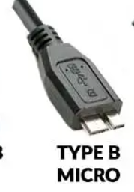
USB 3.0-TYPE B | 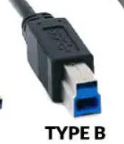
Display Port
DVI Port
Ethernet (RJ-45) port
FireWire port
HDMI Port | 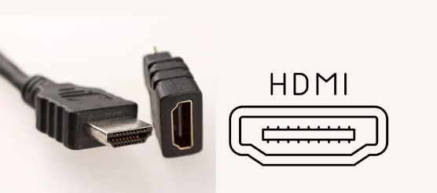
Parallel Port (LPT ports)
THUNDERBOLT Port
VGA Port

