Sheet2
Data Dictionary

Data Insights and Measuring Methods:
Ø ID : S.NO
Ø ITEM 17: How often the child go out to play outside?
The child had given answer in 4 optins: 1. A few days each week; 2. Hardly ever; 3. I don’t play; 4. Most days and some of them left blank.
Ø ITEM 18: Do you have enough time for play?
The child had given answer in 4 optins: 1. No, I need a lot more; 2. No, I would like to have a bit more; 3. Yes, I have loads ; 4. Yes, it's just about enough; and some of them left blank.
Ø ITEM 19: What type of places do the child played in?
Children had given answers like 1. In a place with bushes, trees and flowers ; 2. In their gardens, 3. In their homes; 4. On Local grassy areas; 5. On the bike or skate park ; 6. Out the front of my house and some of them left blank.
Ø ITEM 22: It contains 3 Queries of Agree or Disagree.
Query 1: I am doing well with my school work.
Query 2: I feel part of my school community.
Query 3: There are lots of things I’m good at
Answer options are: 1. Strongly Agree; 2. Agree; 3.Disagree; 4.Strongly Disagree;
5.Don’t agree or Disagree
Ø Your Health: The child has to choose a number on the scale of 0 to 10 ;
Ø Your School (Not Home School) : The child has to choose a number on the scale of 0 to 10
Ø Your Family: The child has to choose a number on the scale of 0 to 10
Ø Your Friends: The child has to choose a number on the scale of 0 to 10
Ø Your Appearance how you look: The child has to choose a number on the scale of 0 to 10
Ø Your Life: The child has to choose a number on the scale of 0 to 10
Ø ITEM Q24: Here, There are 16 columns with Q24. All of these columns belongs to Me and My Feelings (M&MF) Questionnaire. This Questionnaire measures child mental health by following instructions.
Me and My Feelings (M&MF) Questionnaire contains 2 subscales:
1. Emotional Difficulties subscale: In 16 Questions/items/columns of Q24, the first 10 questions/ columns belongs to Emotional Difficulties subscale which can be measured using the scoring scale which is given bellow

2. Behavioural Difficulties subscale: In 16 Questions/items/columns of Q24, next 6 columns/ Items 11-16 comprise the Behavioural Difficulties subscale, which can be measured using the scoring scale which is given bellow

NOTE: : The score of Item 15 (“I am calm”) should be reversed, as follows:
Never = 2 ; Sometimes = 1 ; Always = 0
Measuring total score for (M&MF) Questionnaire :
The total score is calculated by adding all the 16 items in the scale.
Score categorization (cut-offs):
Emotional Difficulties Subscale | Behavioural Difficulties Subscale

Scores between 0 and 9 are considered expected | Scores between 0 and 5 are considered expected | 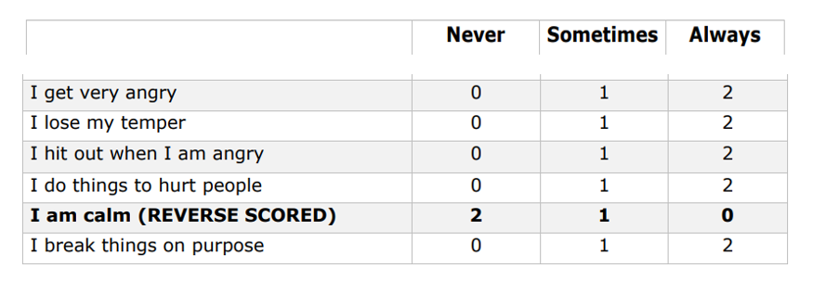

Scores of 10 and 11 indicate borderline difficulties | Scores of 6 indicate borderline difficulties

Scores of 12 and above indicate clinically significant difficulties | Scores of 7 and above indicate clinically significant difficulties | 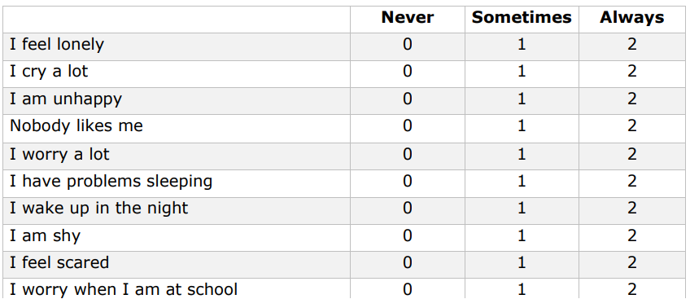

Ø ITEM 26: If the child is keep in touch with the family, HOW?
The answer options are 1. I live near by them; 2.By phone; 3.On games consoles;

