BasePractices_ASPICEv4.0
SOFTWARE ENGINEERING PROCESS GROUP |  | Previous Rating |  |  |  |  | Evidence | Remark | Target Date
SWE.1 | SOFTWARE REQUIREMENT ANALYSIS | In Scope? | PA 1.1 | PA 2.1 | PA 2.2 | CL
BP1 | Specify software requirements |  | - | - | - | 0 |  | 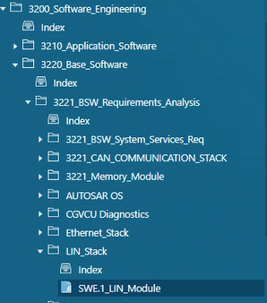
BP2 | Structure software requirements |  | - | - | - | 0
BP3 | Analyze software requirements |  | - | - | - | 0 |  | 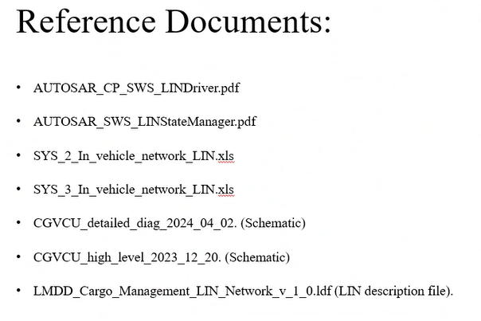 LIN documents reference
BP4 | Analyze the impact on the operating environment | No | - | - | - | 0 |  | Verification criterion, design review, code review.
BP5 | Ensure consistency & establish biderctional traceability. |  | - | - | - | 0
BP6 | Communicate agreed software requirements and impact on the operating environment. |  | - | - | - | 0 |  | Daily stand-up time y Preemal & Rohith, cross-functional team via. Attended customer OPL list.

Rating Description
PROCESS ATTRIBUTES (PA)
Process attributes are features of a process that can be evaluated on a scale of achievement, providing a measure of the capability of the process. They are applicable to all processes.

According to ISO/IEC 33020 there are six capability levels, incorporating nine process attributes:

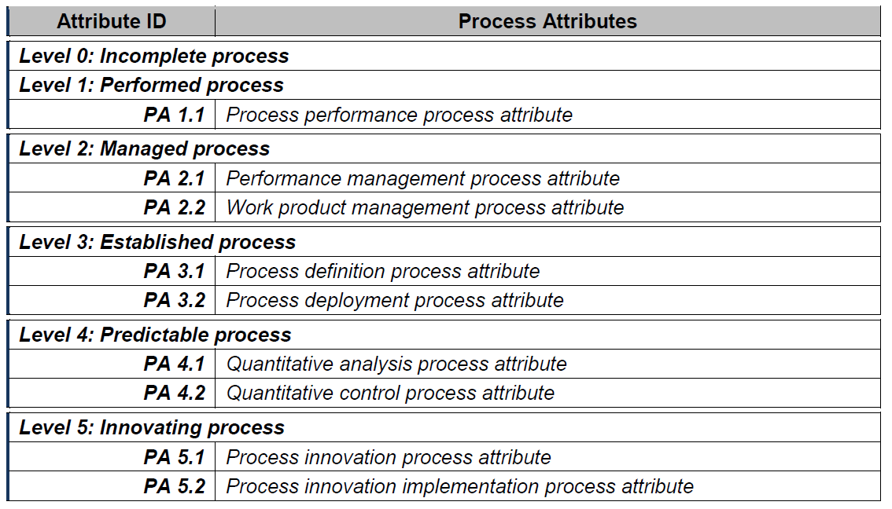

RATING SCALE

Within this process measurement framework, a process attribute is a measureable property of process capability. A process attribute rating is a judgement of the degree of achievement of the process attribute for the assessed process.
The rating scale is defined by ISO/IEC 33020 as shown in table below:

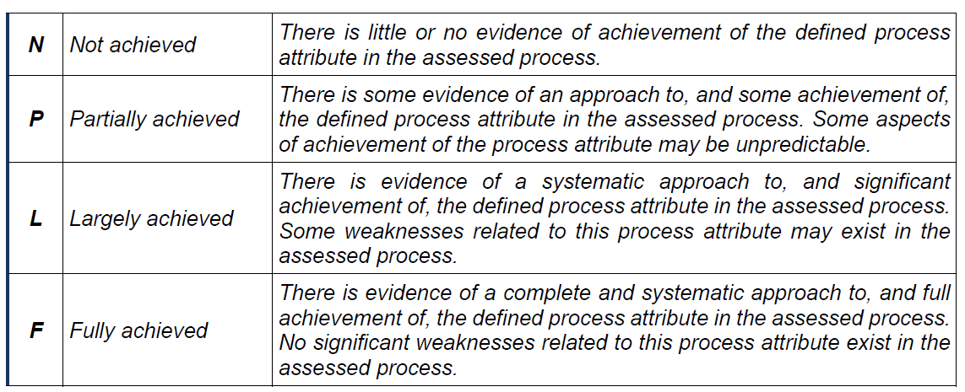

The ordinal scale defined above shall be understood in terms of percentage achievement of a process attribute.

The corresponding percentages shall be:

